Forecast_Summary_Dashboard
Demand Forecast Summary - FMCG Products
12-Week Demand Forecast | Sales Forecasting

Project Summary |  | Selected Forecasting Models
SKUs Analysed | 3 | SKU | Model | Mean RMSE | Mean MAPE
Forecast Horizon | 12 weeks | Bakery products | ETS | 13,979 | 5.89%
Models Used | ETS, ARIMA | Beverages | ARIMA | 166,539 | 12.23%
Dataset | Weekly sales (2013-17) | Ready meals | ETS | 3,055 | 6.69%

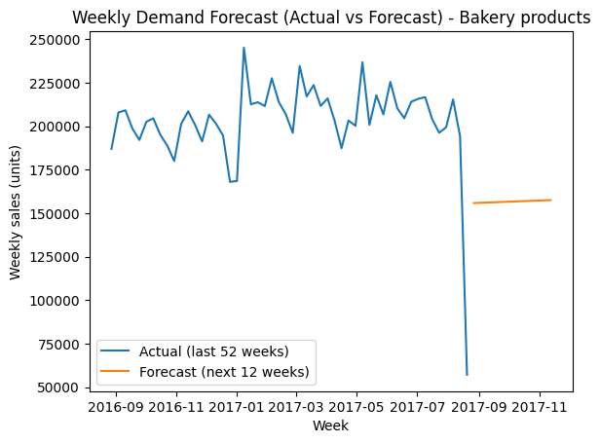
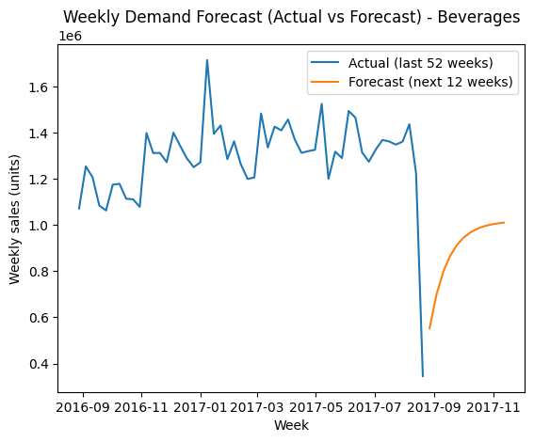

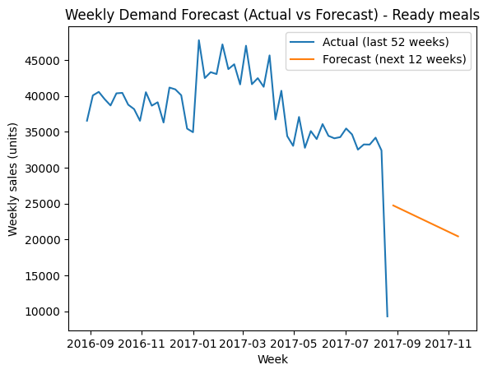
 |  | Key Forecast Insights
 |  | Beverage demand shows strong upward momentum over the forecast horizon. Bakery prodcuts show relatively stable demand with moderate fluctuations. Ready meals demand show a gradual downward trend. Demand volatility differs significantly across SKUs, supporting the use of different forecasting models.

 |  | Operational Implications
 |  | Increase production capacity planning for beverages. Maintain stable production for bakery products. Monitor ready meals demand and adjust inventory levels accordingly. Volatile SKUs may require larger safety stock buffers.

