Basic Scorecard Format
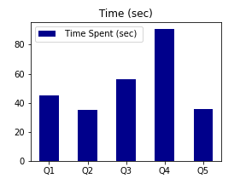
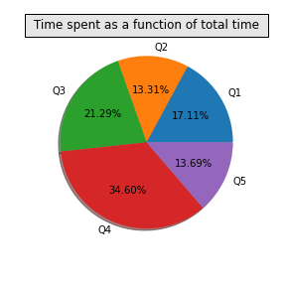
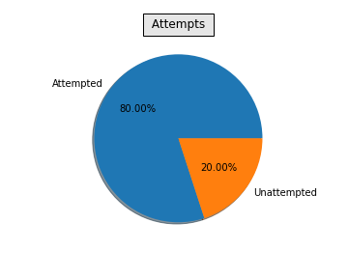
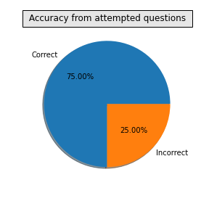
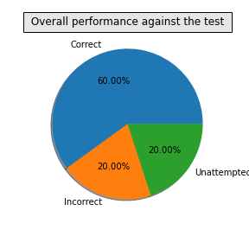
 |  | Wisdom Tests and Math Challenge

 |  |  |  |  |  |  | Pic of child

 | Name of candidate |  | qqw |  | Registration No |  | 90283622
 | Grade |  | 12 |  | Gender |  | F
 | School Name |  | RTT |  | Date of birth |  | 2012-06-02
 | City of Residence |  | Mumbai |  | Date of Test |  | 2020-12-16
 | Country of Residence |  | India |  | Extra Time assistance |  | No

 |  |  |  | Student Performance

Question No | Time Spent on question (sec) | Score if correct | Score if incorrect | Attempt status | What you marked | Correct Answer | Outcome (Correct/Incorrect/Not Attempted) | Your Score
Q1 | 45 | 2 | -1 | Attempted | A | A | Correct | 2
Q2 | 35 | 2 | -1 | Unattempted |  | B | Unattempted | 0
Q3 | 56 | 2 | -1 | Attempted | C | C | Correct | 2
Q4 | 91 | 2 | -1 | Attempted | D | D | Correct | 2
Q5 | 36 | 2 | -1 | Attempted | D | E | Incorrect | -1

Total Score |  |  | 5

Your overall percentile |  |  | 25

