Basic Scorecard Format
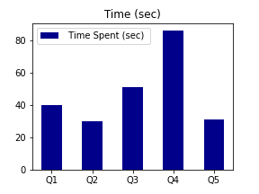
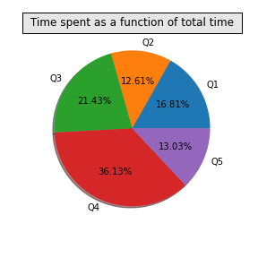
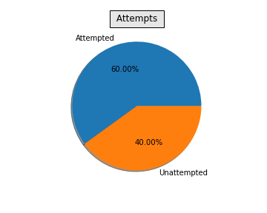
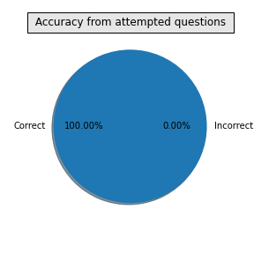
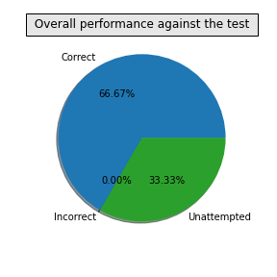
 |  | Wisdom Tests and Math Challenge

 |  |  |  |  |  |  | Pic of child

 | Name of candidate |  | fty |  | Registration No |  | 90991233
 | Grade |  | 7 |  | Gender |  | F
 | School Name |  | YYU |  | Date of birth |  | 2013-02-08
 | City of Residence |  | Tokyo |  | Date of Test |  | 2020-12-16
 | Country of Residence |  | India |  | Extra Time assistance |  | No

 |  |  |  | Student Performance

Question No | Time Spent on question (sec) | Score if correct | Score if incorrect | Attempt status | What you marked | Correct Answer | Outcome (Correct/Incorrect/Not Attempted) | Your Score
Q1 | 40 | 2 | -1 | Attempted | A | A | Correct | 2
Q2 | 30 | 2 | -1 | Attempted | B | B | Correct | 2
Q3 | 51 | 2 | -1 | Unattempted |  | C | Unattempted | 0
Q4 | 86 | 2 | -1 | Attempted | D | D | Correct | 2
Q5 | 31 | 2 | -1 | Unattempted | E | E | Correct | 2

Total Score |  |  | 8

Your overall percentile |  |  | 85

