Basic Scorecard Format
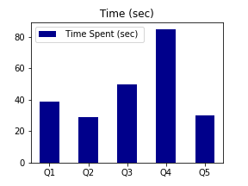
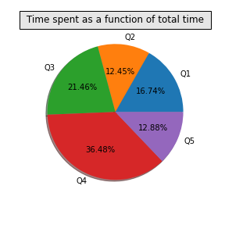
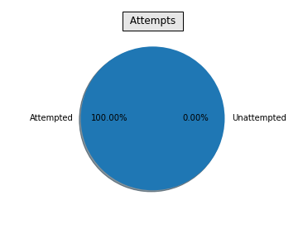
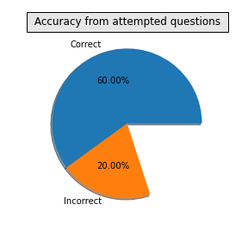
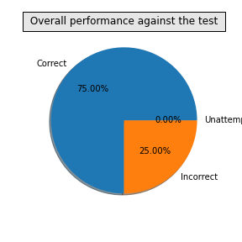
 |  | Wisdom Tests and Math Challenge

 |  |  |  |  |  |  | Pic of child

 | Name of candidate |  | dsd |  | Registration No |  | 45678900
 | Grade |  | 5 |  | Gender |  | M
 | School Name |  | AZA |  | Date of birth |  | 2009-12-31
 | City of Residence |  | London |  | Date of Test |  | 2020-12-17
 | Country of Residence |  | England |  | Extra Time assistance |  | No

 |  |  |  | Student Performance

Question No | Time Spent on question (sec) | Score if correct | Score if incorrect | Attempt status | What you marked | Correct Answer | Outcome (Correct/Incorrect/Not Attempted) | Your Score
Q1 | 39 | 2 | -1 | Attempted | A | A | Correct | 2
Q2 | 29 | 2 | -1 | Attempted | B | B | Correct | 2
Q3 | 50 | 2 | -1 | Attempted | D | C | Incorrect | -1
Q4 | 85 | 2 | -1 | Attempted | D | D | Correct | 2
Q5 | 30 | 2 | -1 | Attempted | A | E | InCorrect | -1

Total Score |  |  | 4

Your overall percentile |  |  | 15

