Basic Scorecard Format
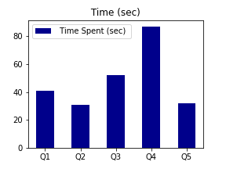
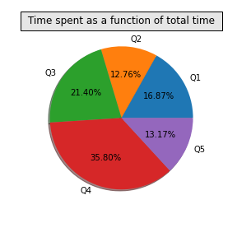
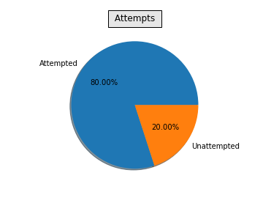
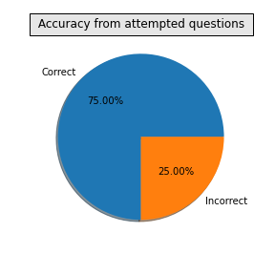
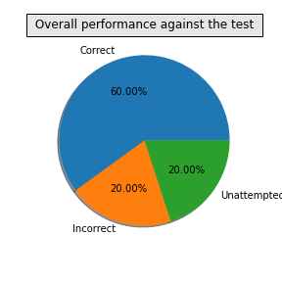
 |  | Wisdom Tests and Math Challenge

 |  |  |  |  |  |  | Pic of child

 | Name of candidate |  | wty |  | Registration No |  | 92743967
 | Grade |  | 6 |  | Gender |  | F
 | School Name |  | PLP |  | Date of birth |  | 2008-10-21
 | City of Residence |  | Sao Paolo |  | Date of Test |  | 2020-12-17
 | Country of Residence |  | Brazil |  | Extra Time assistance |  | Yes

 |  |  |  | Student Performance

Question No | Time Spent on question (sec) | Score if correct | Score if incorrect | Attempt status | What you marked | Correct Answer | Outcome (Correct/Incorrect/Not Attempted) | Your Score
Q1 | 41 | 2 | -1 | Unattempted |  | A | Unattempted | 0
Q2 | 31 | 2 | -1 | Attempted | B | B | Correct | 2
Q3 | 52 | 2 | -1 | Attempted | C | C | Correct | 2
Q4 | 87 | 2 | -1 | Attempted | C | D | Incorrect | -1
Q5 | 32 | 2 | -1 | Attempted | E | E | Correct | 2

Total Score |  |  | 5

Your overall percentile |  |  | 25

