Sheet1
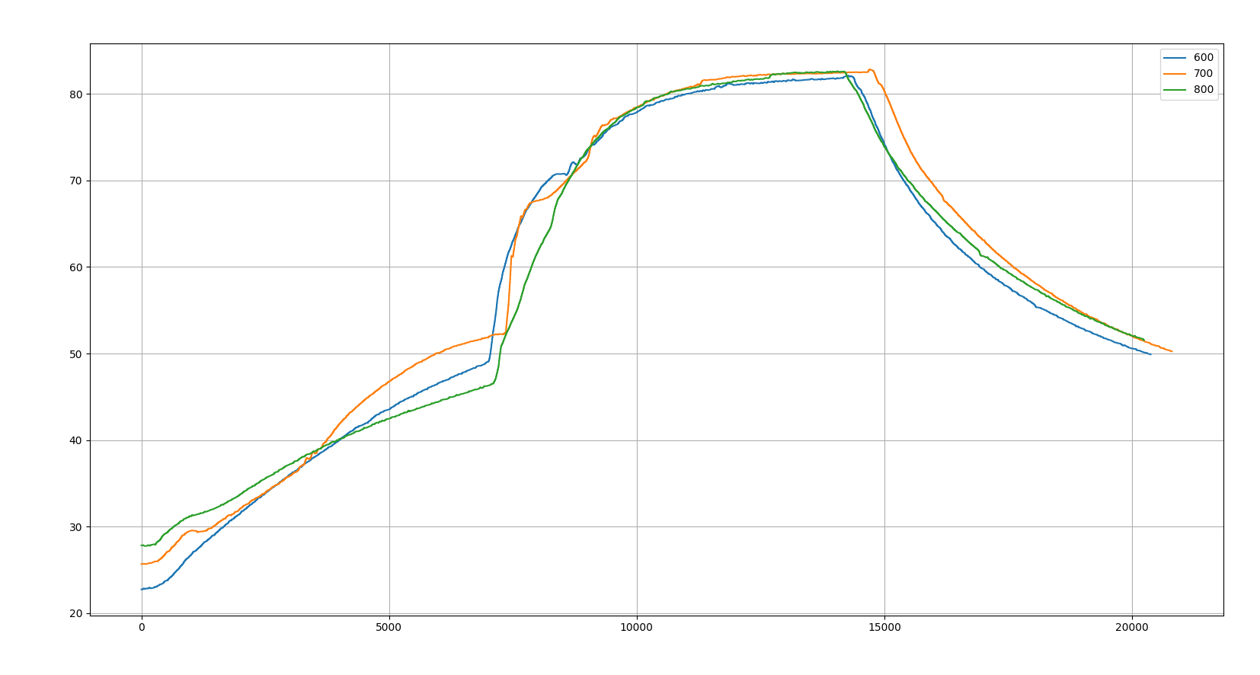
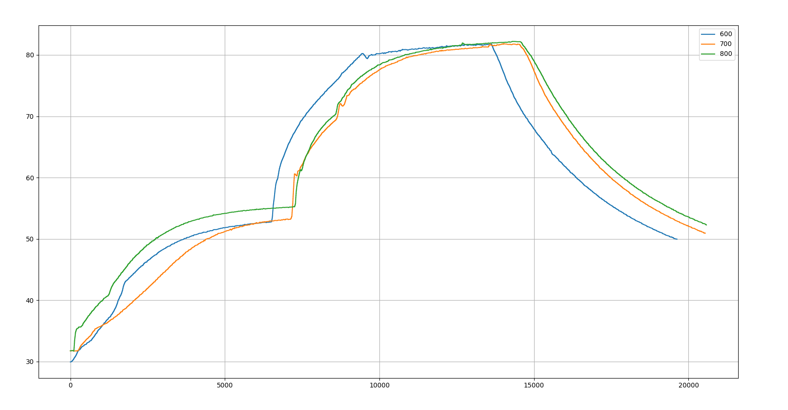
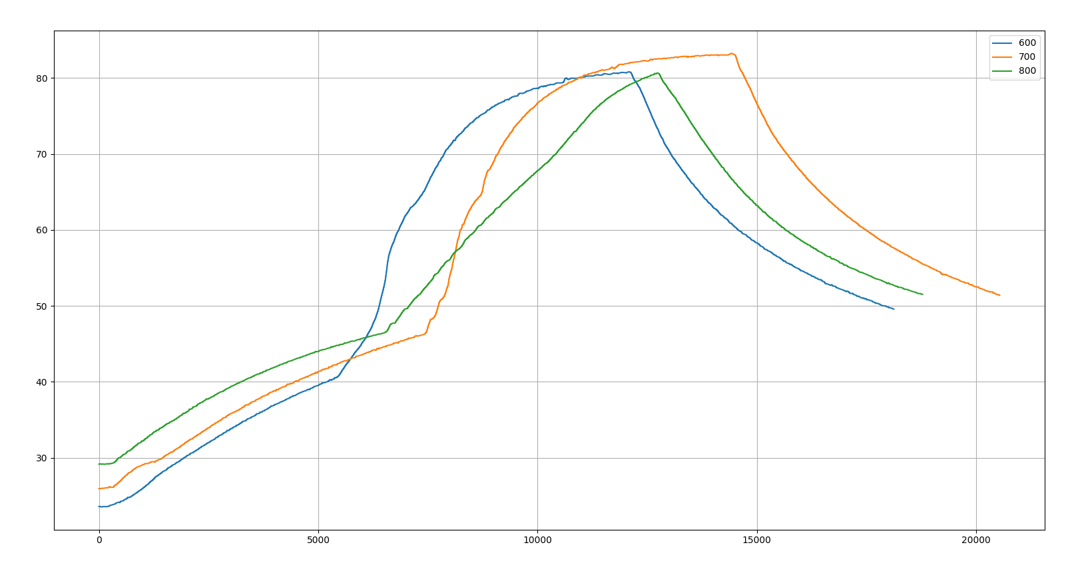
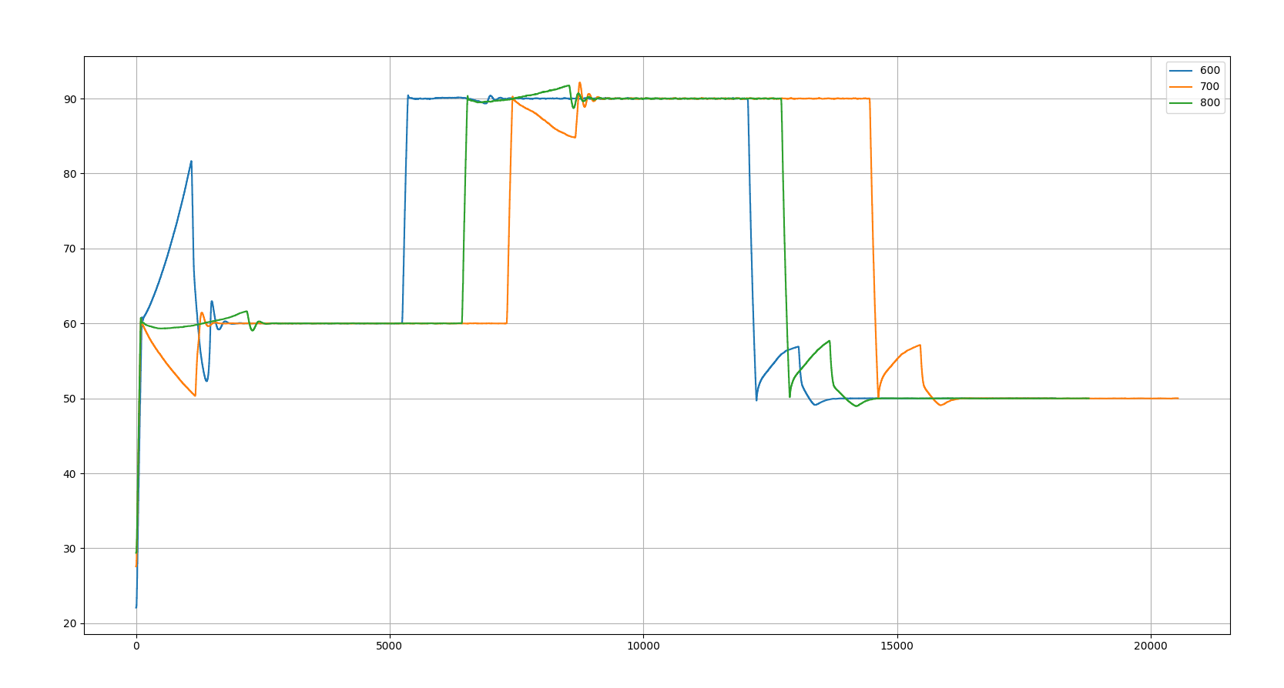
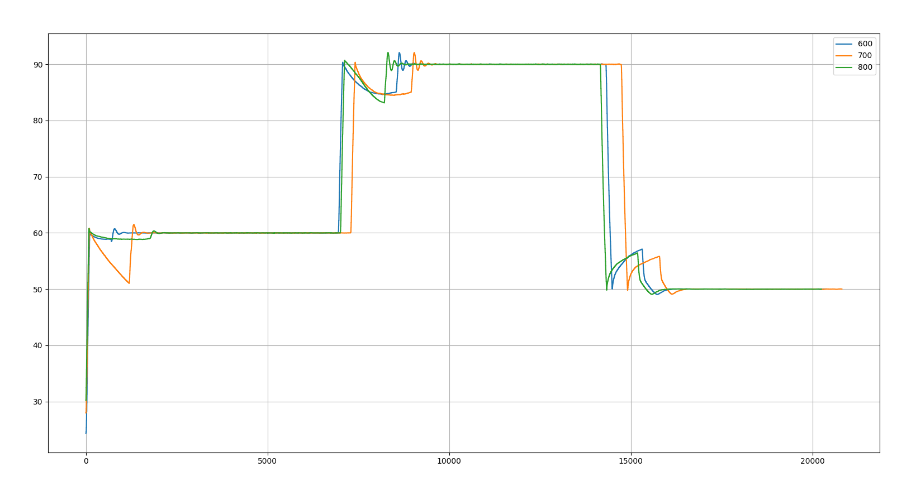
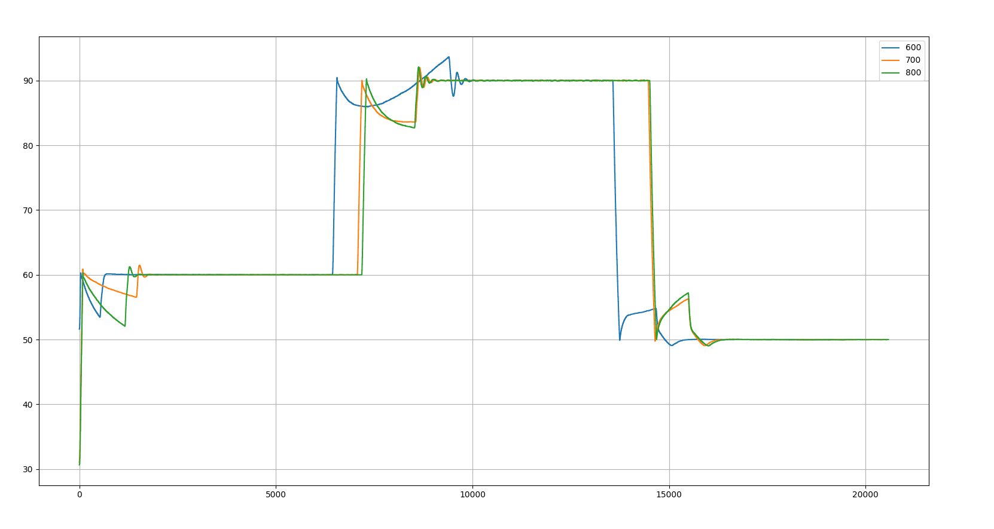
cup1 |  |  |  | cup2
 | before run | after run | empty cup mass | before run | after run | empty cup mass
600 | 8.284 | 8.279 | 7.762 | 600 | 8.269 |  | 7.755
700 | 8.3649 | 8.369 |  | 700 | 8.2806 | 8.2767
800 | 8.451 | 8.449 |  | 800 | 8.3625

This data collected before integration of treatment chamber insert. Bottom film contact with heat spreader may be variable across cups

Sheet2
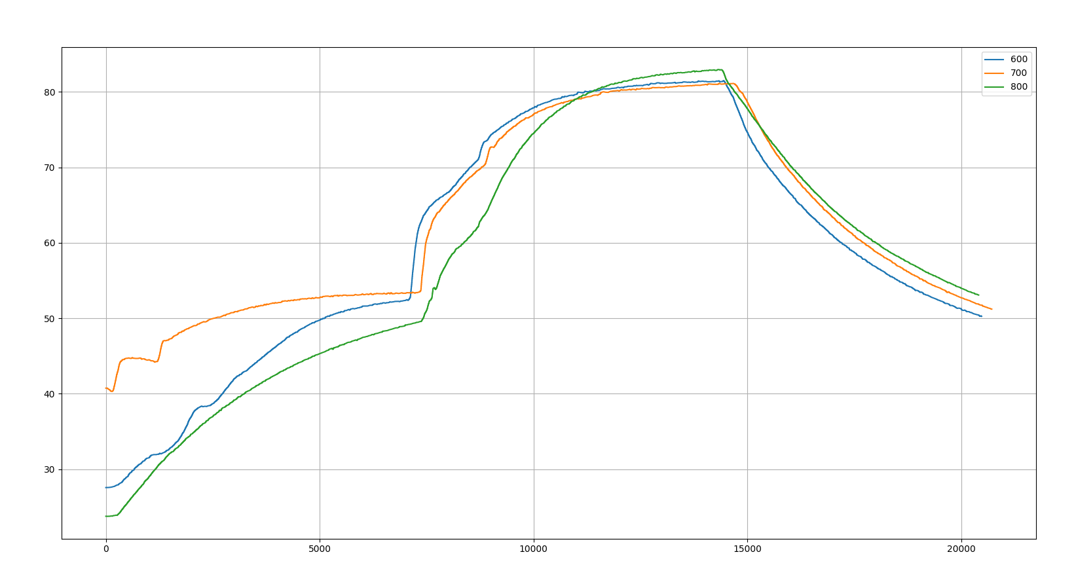

screwed this one up. went from 800 to 700 to 600 but didn't let sample cool sufficiently to start

