Sheet1
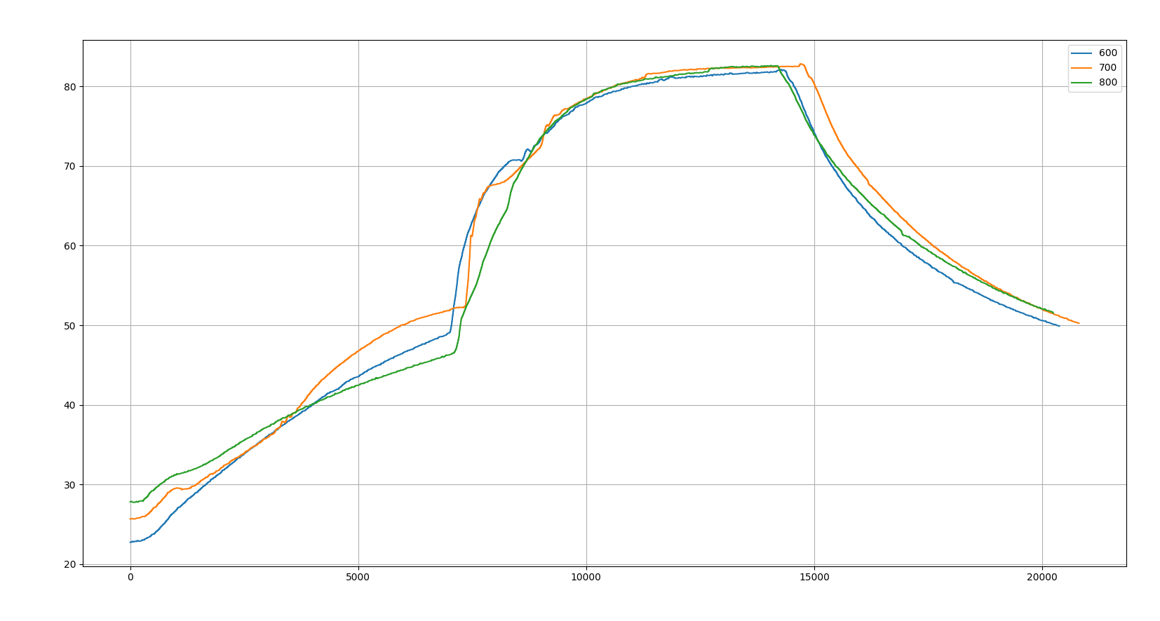
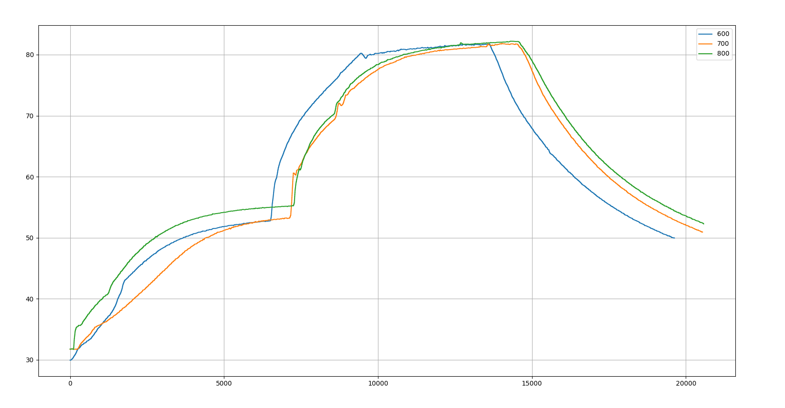
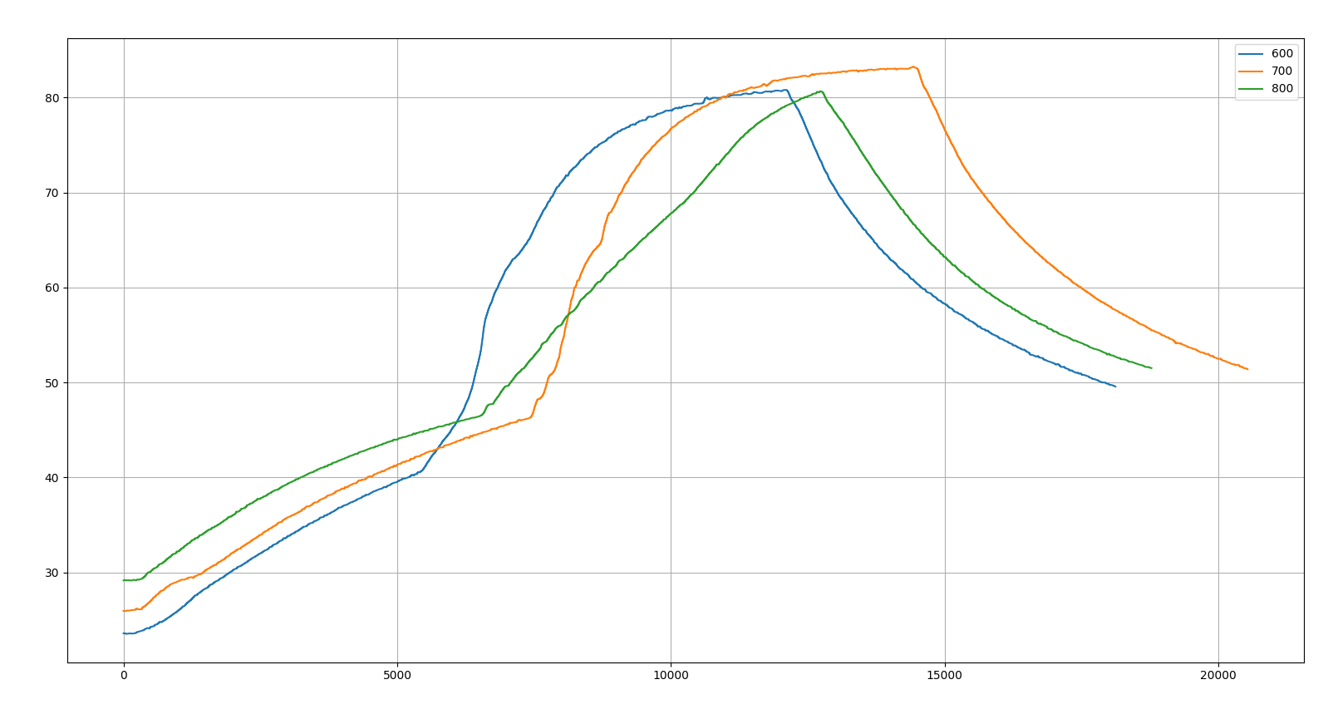
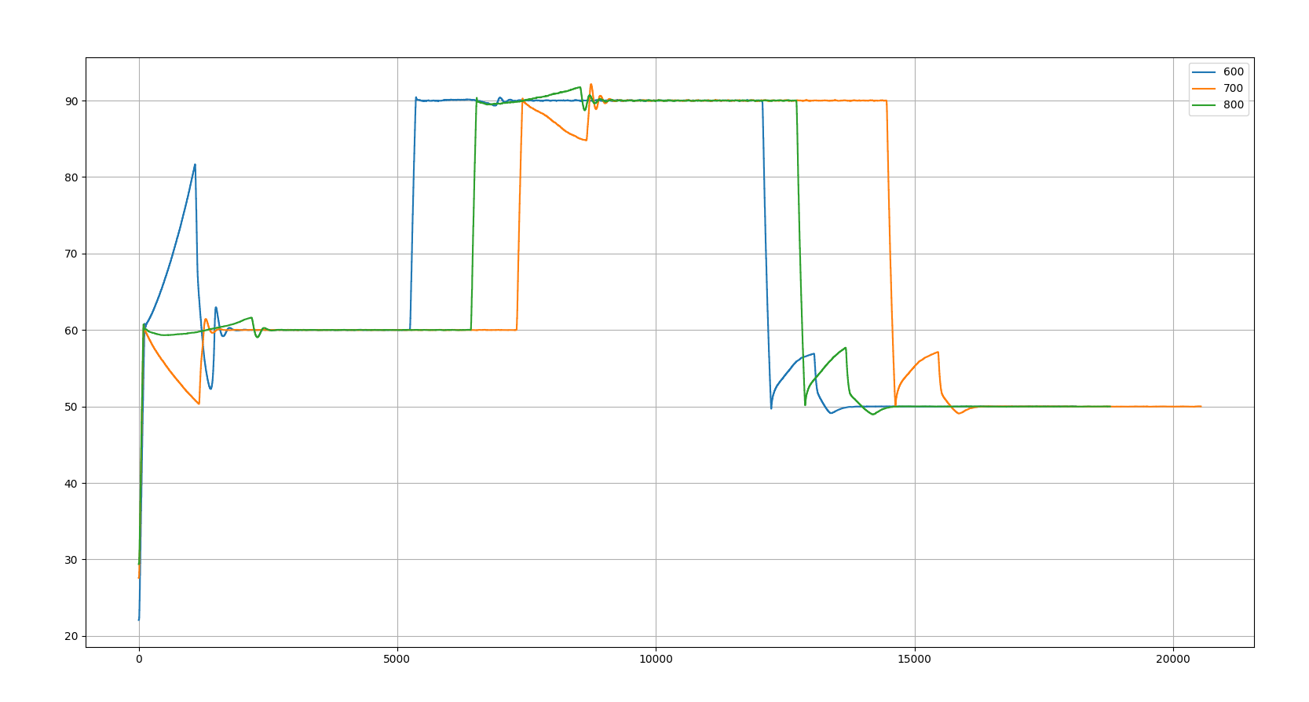
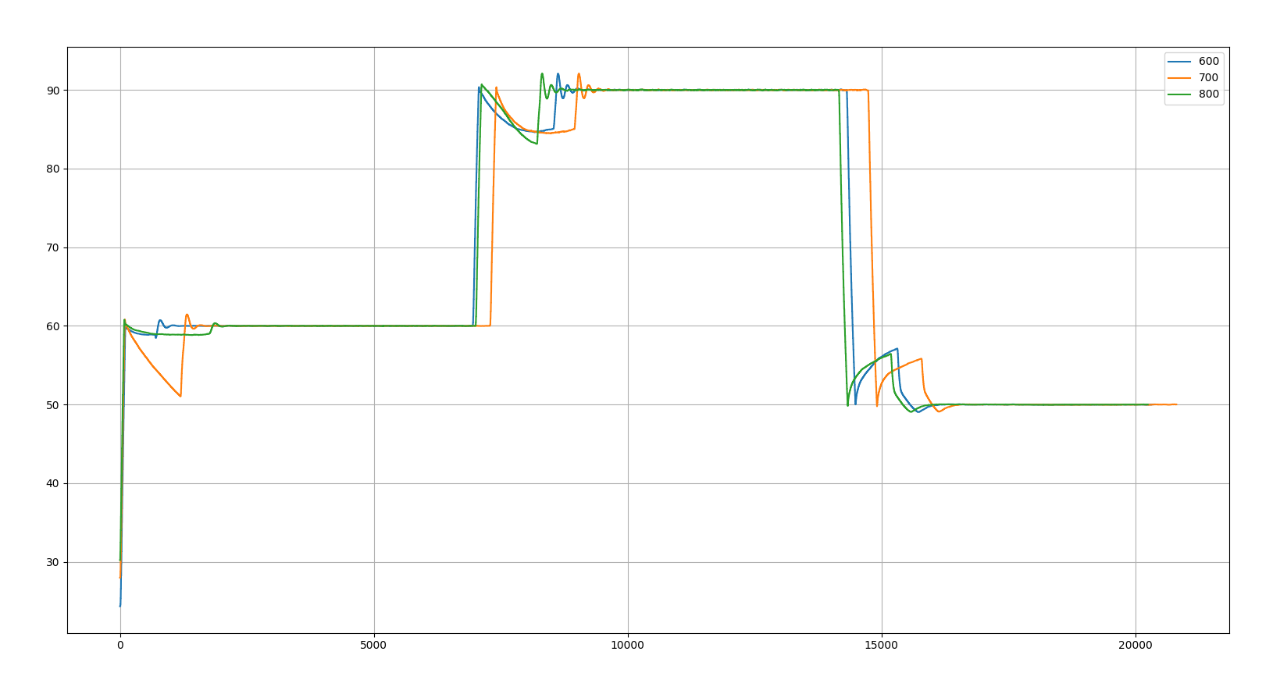
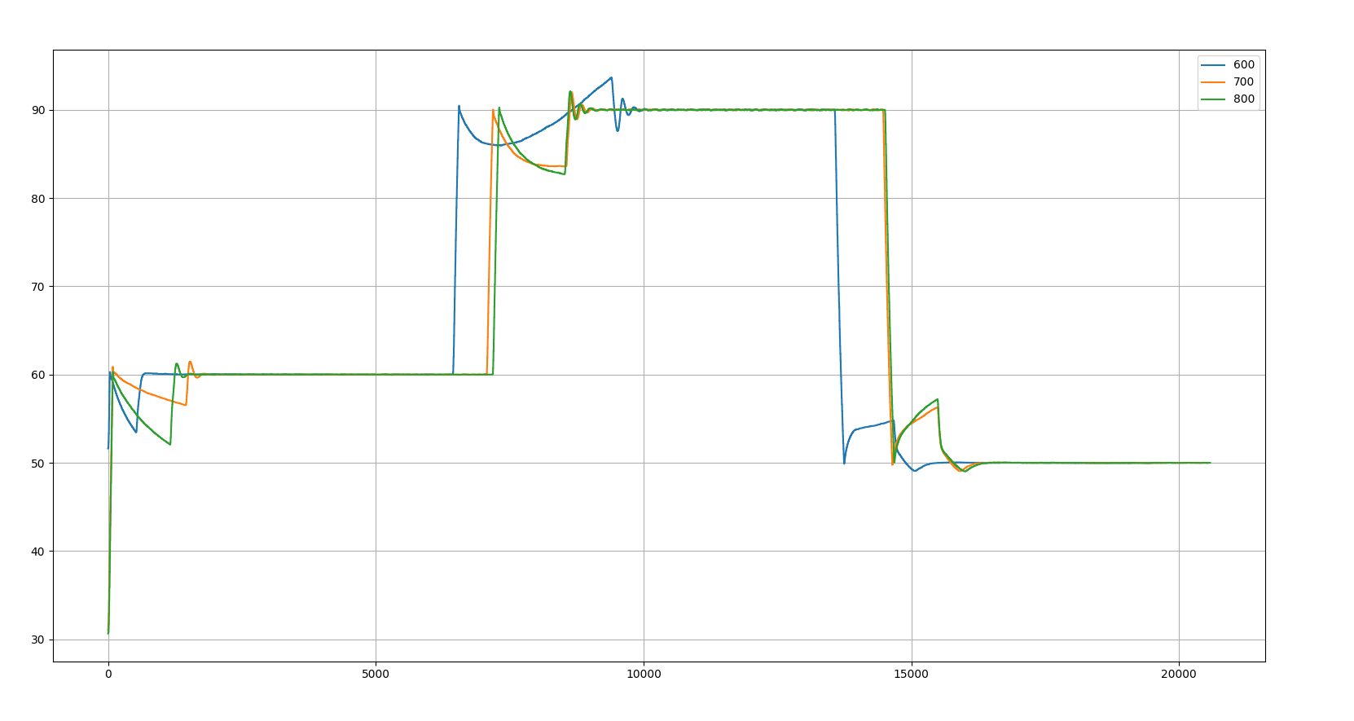
cup1 |  |  |  | cup2
 | before run | after run | empty cup mass | before run | after run | empty cup mass
600 | 8.284 | 8.279 | 7.762 | 600 | 8.269 |  | 7.755
700 | 8.3649 | 8.369 |  | 700 | 8.2806 | 8.2767
800 | 8.451 | 8.449 |  | 800 | 8.3625

Sheet2
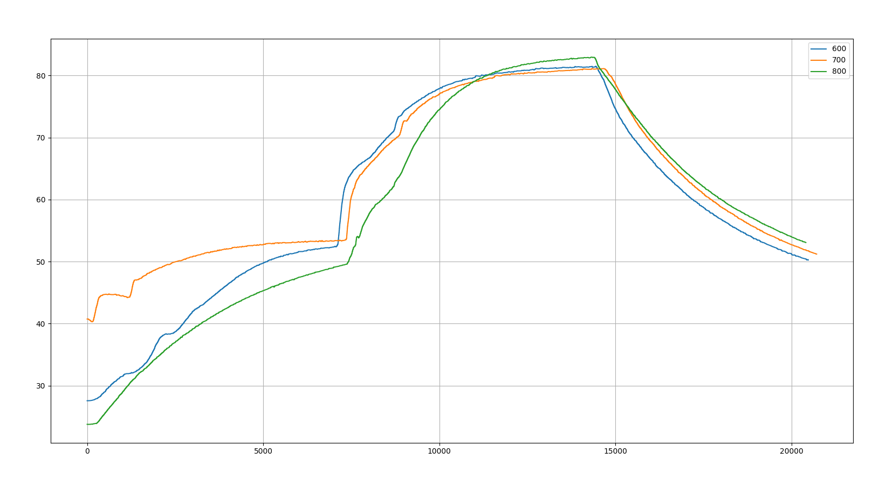

screwed this one up. went from 800 to 700 to 600 but didn't let sample cool sufficiently to start

