Profile & Deck Method
Profile & Deck - Method
Profile grade line, deck cross slope, beam offsets and haunch check points

1. Profile grade line (PGL)
The notebook profile mode is "brokeback". In brokeback mode the PGL is two straight tangents of nominal grade g that meet at the tangent intersection station. The PI elevation averages the two tangents projected to the PI, which preserves both end elevations:

Current values: g1 = +0.499884%, g2 = -0.500119%, z_PI = 48.197625 ft at 17+00.57.
Parabolic mode (also in the notebook) keeps both end elevations and the entered grade change Δg, with x = s - s0 and L = s1 - s0:

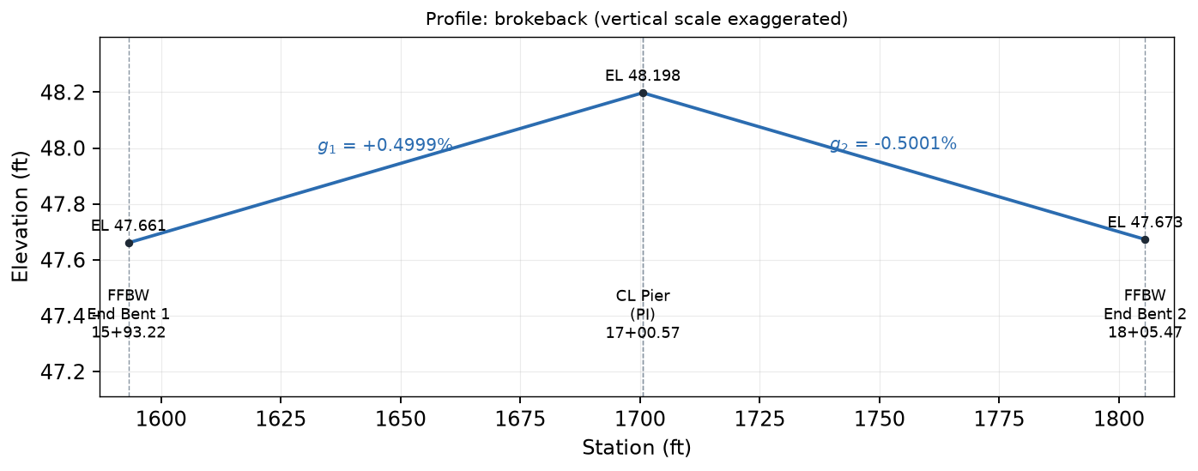

Figure 1. Profile along the bridge (vertical scale exaggerated).

2. Deck surface
The deck top at offset y adds a cross-slope term to the PGL. Crowned mode slopes both sides away from the PGL; uniform mode applies one slope across the deck. (The notebook transition mode is not implemented in this workbook; QC fails if it is selected.)

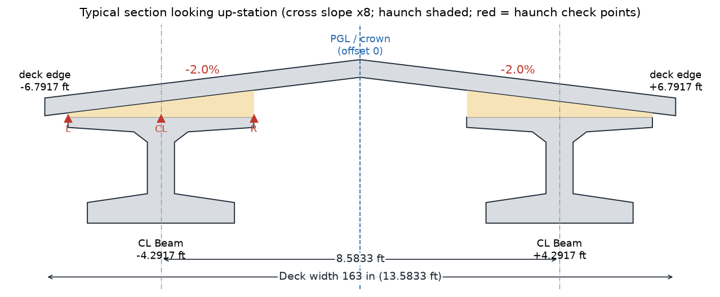

Figure 2. Typical section and haunch check points.

3. Beam offsets and haunch check points

The haunch is checked at four transverse points on each top flange: both flange edges, the beam centerline, and the crown point clipped onto the flange (it captures a crown break that falls on the flange). The lowest deck point over the flange governs:

Symbol | Meaning | Workbook name / location | Units / value
s0, s1, sPI | Profile start, end and tangent-intersection stations | Prof_Sta0, Prof_Sta1, Prof_PISta | ft
z0, z1 | Profile end elevations | Prof_Z0, Prof_Z1 | ft
g1, g2 | Tangent grades | Prof_G1, Prof_G2 | ft/ft
kq | Parabolic coefficient (0 in brokeback mode) | Prof_Kq | 1/ft
sc, su | Crown slope, uniform slope | Deck_Crown, Deck_Uni | ft/ft
yk | Beam k centerline offset | Bm1_Off, Bm2_Off | ft
δmin,k | Lowest cross-slope drop over beam k flange | Bm1_dMin, Bm2_dMin | ft

Beam Geometry Method
Beam Geometry - Method
Physical beam ends, bearings and the Table of Beam Variables dimensions

1. Physical beam ends and bearings
Spans run between datums: the front face of backwall (FFBW) at end bents and the pier centerline. Beams stop short of each datum by the beam-end clearance e at an end bent, or by half the pier gap g at the pier. Bearings sit a setback j inside each beam end. The deck stops a clearance cd inside each FFBW and is continuous over the pier:

Current: e = 3 in, g = 3 in, j = 9 in, cd = 3 in. Span 1 bearings 15+94.22 to 16+99.70; Span 2 bearings 17+01.44 to 18+04.47.
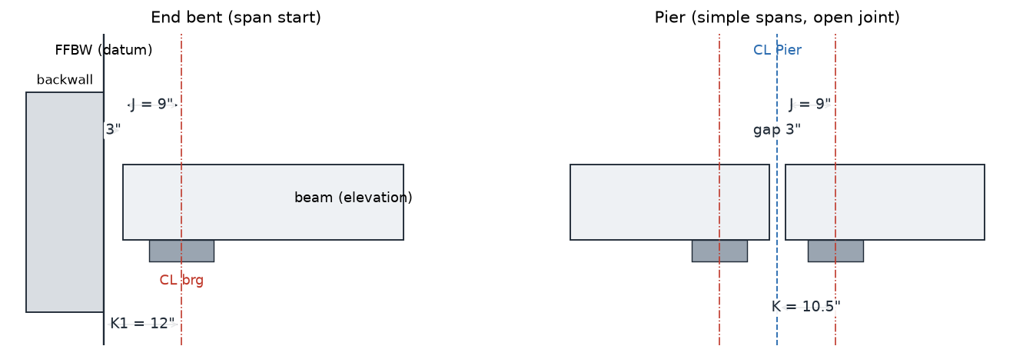

Figure 1. Beam-end, bearing and pier-joint dimensions (elevation).

2. Bearing chord and sloped length

The beam soffit chord between bearings is parallel to the PGL chord (the notebook drops all bearings by the same D; see Camber & Haunch). QC compares the horizontal beam length with the Mathcad L.beam.

3. Table of Beam Variables dimensions (BCC template method)

Elastic plus time-dependent shortening R uses the template expression with the Mathcad prestress, creep and shrinkage values:

Dim L adds R to the sloped length, exactly as the BCC template did. Confirm against the current FDOT Table of Beam Variables instructions before issue; the sloped length without R is shown in the Ls column.
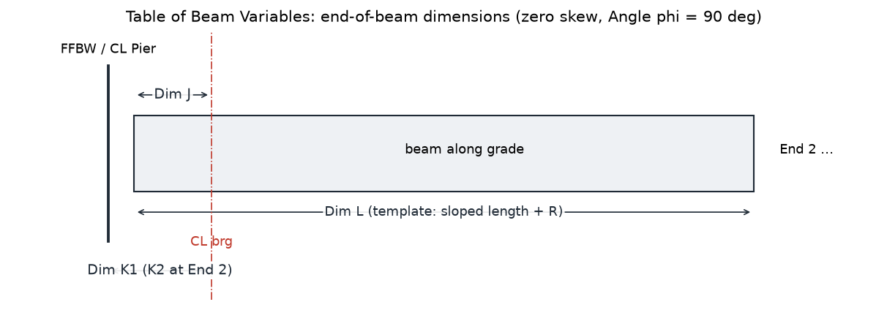

Figure 2. End-of-beam dimensions used in the Table of Beam Variables.
Symbol | Meaning | Workbook name / location | Units / value
sa, sb | Span datum stations (FFBW or CL pier) | Sp1_Sta0, Sp1_Sta1 ... | ft
sA, sB | Bearing stations | Sp1_BrgA, Sp1_BrgB ... | ft
Lb, gc | Bearing span and chord grade | Sp1_Lb, Sp1_Gc ... | ft, ft/ft
P | Total prestress force at jacking | Beam Geometry col P | kip
Ag, Eci | FIB-36 gross area; release modulus (Mathcad) | Bm_Area, MC1_Eci | in2, ksi

Camber & Haunch Method
Camber & Haunch - Method
Common support drop D, build-up dimensions and the minimum haunch

1. Beam soffit with camber
Within a span, t runs from 0 at bearing A to 1 at bearing B. The soffit follows the PGL chord between bearings, dropped by one common distance D for every support, plus the Mathcad camber as an upward parabola and any entered beam raise r:

2. Haunch and the exact minimum

Because the PGL is straight (brokeback) or a single parabola over each beam, z_PGL - q is itself -k_q L_b^2 t(1-t). The haunch over a beam is therefore an exact quadratic in t, and its minimum on the beam (t from t_lo to t_hi) has a closed form:

t = 1/2 always lies on the beam, so m/4 covers upward camber; the end terms cover a net sag. The notebook finds the same minimum by locating every quadratic extremum between breakpoints. One common drop then enforces the required minimum haunch everywhere:

Current: D = 3.7147642886 ft. The minimum flange haunch 0.500000 in (required 0.5 in) occurs on beam 1 at 17+52.96.
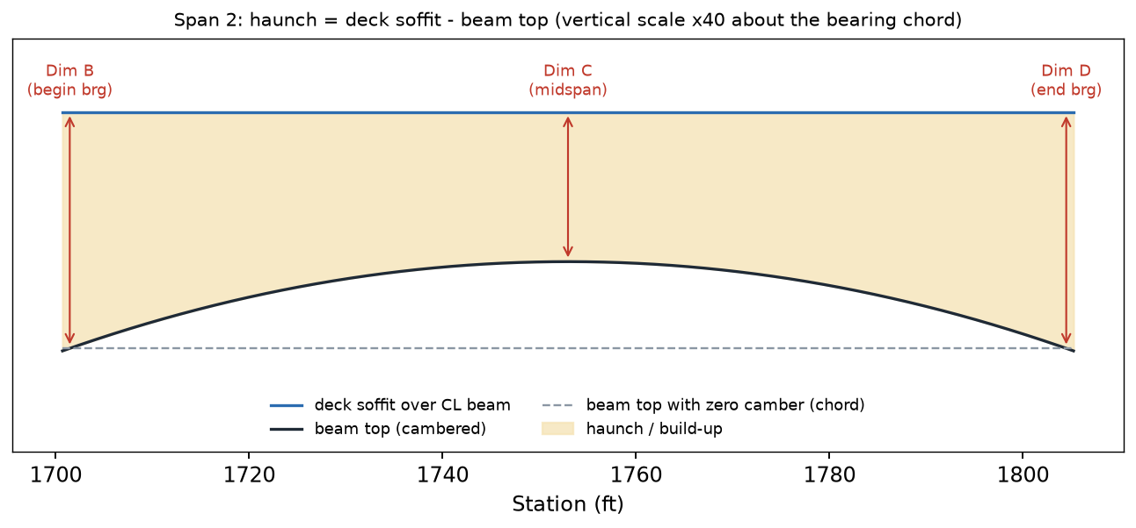

Figure 1. Span 2 (larger camber, governs D). Vertical scale exaggerated about the bearing chord.
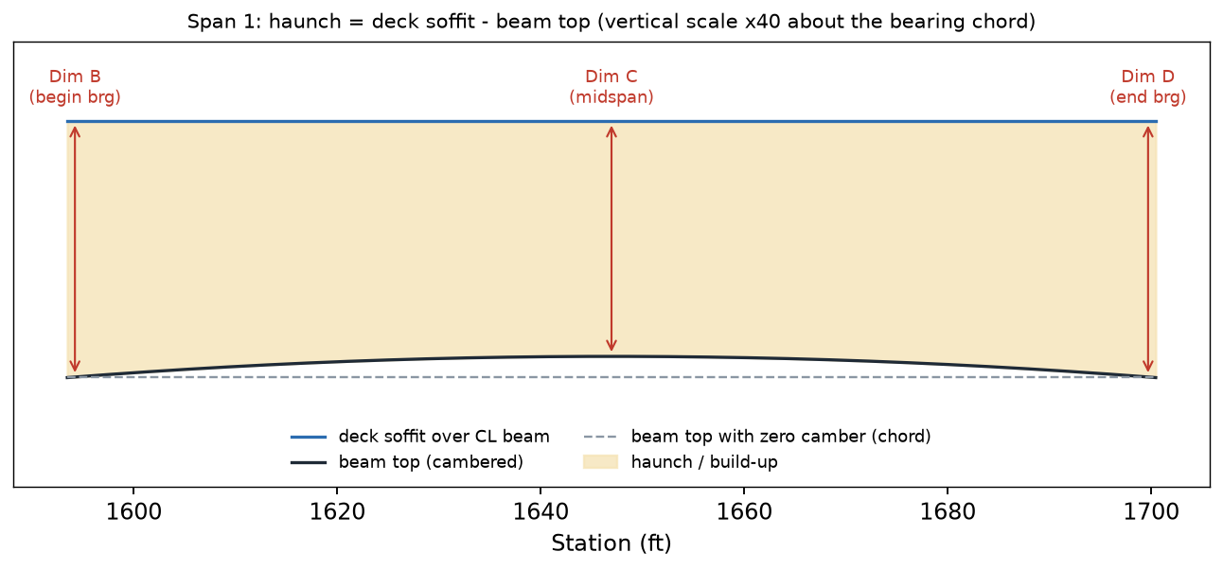

Figure 2. Span 1 has less camber, so with the common drop its midspan haunch is larger.

3. Build-up dimensions and case
Dims B, C and D are the haunch over the beam centerline at the begin bearing, midspan and end bearing. The build-up case follows the BCC template rule using the vertical-curve mid-ordinate of the FGE over the beam centerline:

A straight PGL in each span gives R_m = 0, so every beam is Case 1.
Symbol | Meaning | Workbook name / location | Units / value
C | Net camber (Mathcad NetCamber) | Sp1_C, Sp2_C | in
D | Common support drop | Sup_Drop | ft
td, db, hreq | Deck thickness, beam depth, minimum haunch | Deck_T, Bm_D, Bm_Hmin | ft, ft, in
m, W | Haunch curvature term and its maximum on the beam | Sp1_m, Sp1_W ... | ft
B, C, D dims | Build-up over CL beam at begin, mid, end | Camber & Haunch section D | in

FGE Method
FGE - Method
Finished grade elevations at every line and station

1. Stations
Each span lists its datum, the two CL bearings and equal increments between bearings (tenth points with the default 10 increments):

2. Elevations

Lines are the two deck edges (copings) at y = yc +/- W/2, each beam centerline and the PGL. The FFBW columns are the PGL extended: the deck itself ends 3 in inside each FFBW (row "Deck present?"). Station labels use the notebook format (hundredths, e.g. 16+46.96).
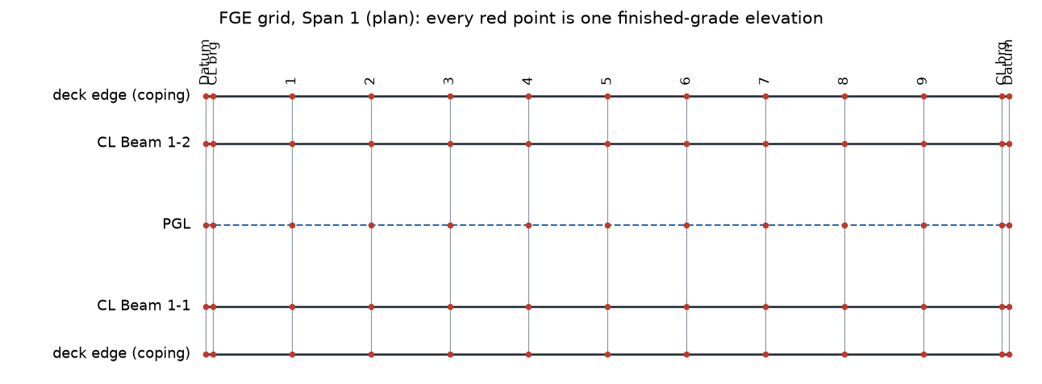

Figure 1. FGE grid for Span 1 in plan.
A barrier-face (gutter) line is not tabulated: the notebook does not define the barrier. Add the barrier to the notebook CONFIG first if that line is wanted.
Symbol | Meaning | Workbook name / location | Units / value
N | Increments between bearings | Des_FGEInc | 10
W, yc | Deck width and center offset | Deck_W, Deck_C | ft
δ(y) | Cross-slope drop at the line offset | FGE column D | ft

Bearing Seats Method
Bearing Seats - Method
Seat planes, bearing slopes, pedestal tops and bearing plate data

1. Seat plane over the pad
The pad top is the chord of the cambered soffit between the pad ends, so the pad bears on a plane rather than a point. The chord gap at the bearing centerline is reported (it is a few millionths of an inch):

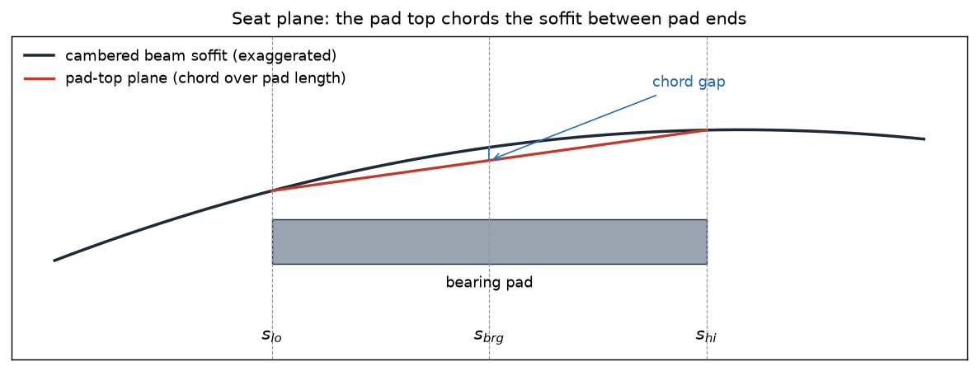

Figure 1. Pad-top plane chords the soffit (curvature exaggerated).

2. Pedestal tops
Each pedestal top is the seat plane extended longitudinally and level transversely (3/4 in bevels at the transverse edges). End-bent pedestals run from the FFBW (corners A, C) to the span-side face (corners B, D). The pier carries one pedestal per beam line: Span 1 seat plane up to the Span 1 pad end (E), a straight transition to the Span 2 pad start (F), then the Span 2 seat plane.

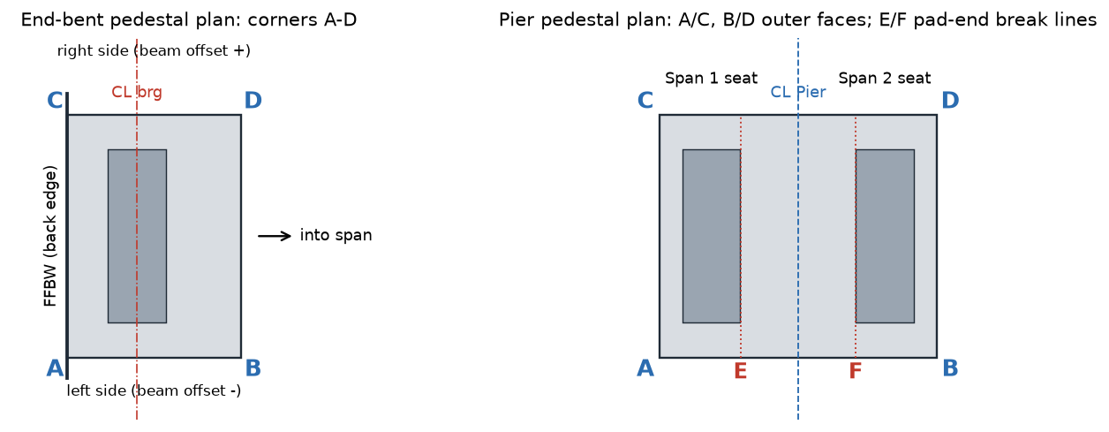

Figure 2. Corner letters used in the CAD pedestal tables.
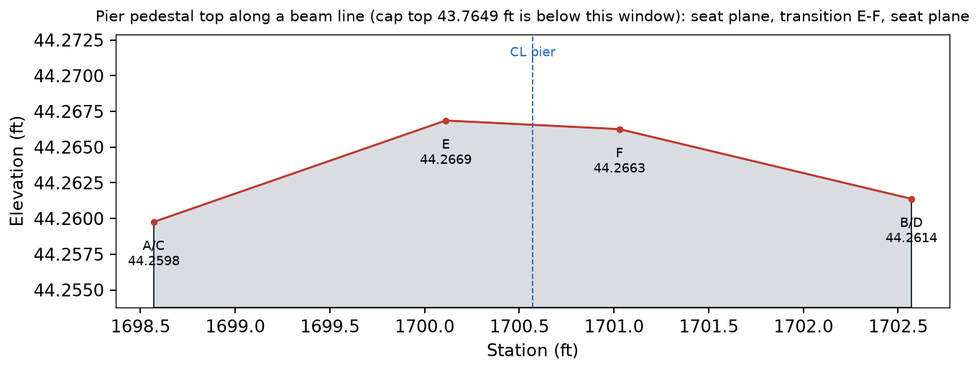

Figure 3. Pier pedestal top along a beam line from the notebook model.

3. Bearing plate data (BCC template rule)

Difference from the BCC template: the template levels seats when |slope| < 0.5%. The notebook slopes every seat to the actual soffit chord, so the pedestal tops here follow the notebook. All current slopes are well below the 2% beveled-plate limit.
Symbol | Meaning | Workbook name / location | Units / value
Lp, tp | Pad length and thickness | EB1_PadL, EB1_Pad, Pier_PadL, Pier_Pad | in
β | Bearing (seat) slope, + up-station | Bearing Seats col T | ft/ft
zped | Pedestal top at CL bearing | Bearing Seats col V | ft

Substructure Method
Substructure - Method
Cap placement, pedestal heights, cap corners and pile cutoffs

1. Cap location and length

2. Cap top from the lowest pedestal
Unless a fixed cap top is entered, the cap top is set so the lowest pedestal (measured at its CL bearing) has the minimum height:

3. Piles

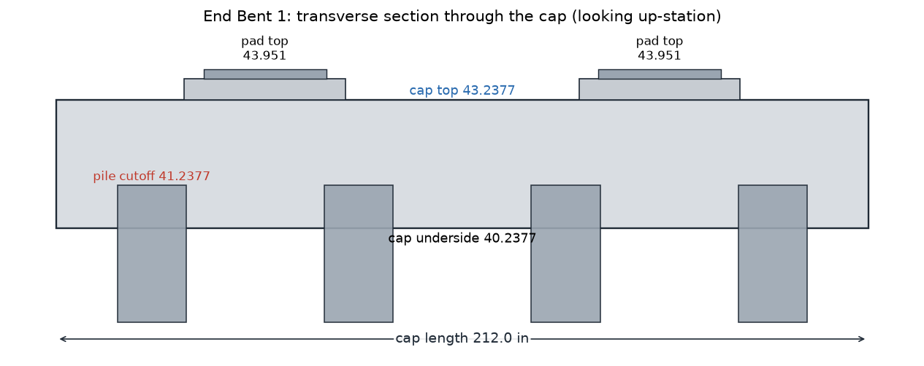

Figure 1. End Bent 1 transverse section from the notebook model.
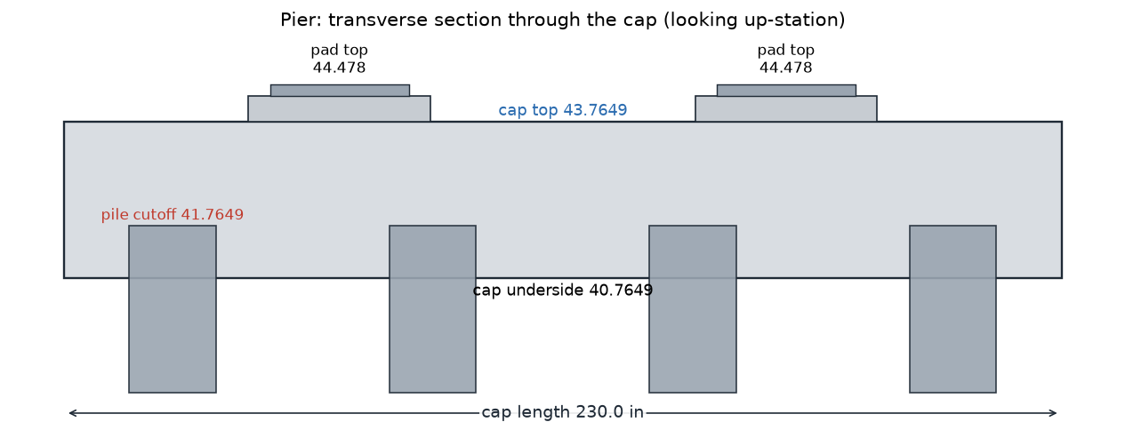

Figure 2. Pier transverse section from the notebook model.
CAD adopted a 235-in end-cap body (251 in with two 8-in cheeks) under D-026/D-027. The notebook, which governs, still derives the end-cap length from its pile layout. A separate task is bringing the end caps and cheek walls into the notebook; rebuild this workbook afterwards. Elevations are unaffected while the caps are level.
Symbol | Meaning | Workbook name / location | Units / value
σ, yc | Cap cross slope and center offset | Pier_Slope, Pier_Ctr ... | ft/ft, ft
hped,min | Minimum pedestal height at CL bearing | Pier_Reveal, EB1_Reveal | in
n, p, dp, c | Pile count, spacing, size and end clearance | Substructure section A | -, ft, in, in
eemb | Pile embedment above the cap underside | Pier_Emb, EB1_Emb | in

Clearance Method
Clearance - Method
Minimum vertical clearance between the beam bottoms and the roadway profile

Clearance is the beam bottom minus the roadway elevation directly below, evaluated only where a beam exists (beam ends and the open pier joint are excluded). The roadway comes from Geometry Report.xml, mapped to bridge stations by the notebook assumption (bridge station at XML zero = Rd_Shift).

On every roadway segment piece under a beam both terms are quadratic, so c is quadratic. Fitting it through the piece ends and midpoint gives the exact minimum:

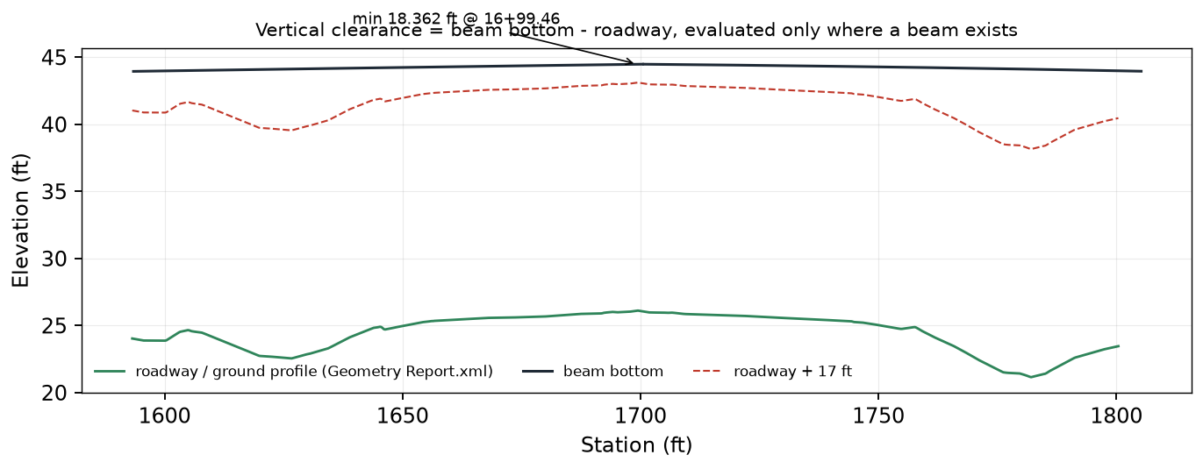

Figure 1. Beam bottoms, roadway profile and the clearance envelope.
Current: minimum 18.3616 ft at 16+99.46 (required 17 ft). The XML covers 207.232 of 212.250 ft, so the status is "Covered region only" (no extrapolation).

CAD FGE Method
CAD FGE - Method
Finish Grade Elevations table for CADD

Each span table lists the increment distance, the station labels and the finished grade elevation of every line, linked directly to the FGE tab. Values keep full precision and display to 0.001 ft. Line names follow the template (copings, CL beams, PGL).

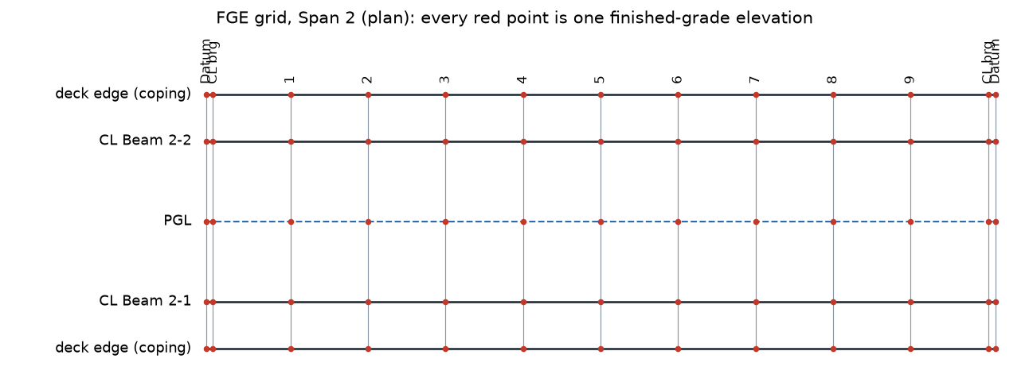

Figure 1. Span 2 FGE grid in plan.
• INCR. DIST = (CL brg B - CL brg A)/10.
• FFBW columns are the PGL extended; the deck ends 3 in inside each FFBW.
• The barrier face is not in the notebook, so no gutter/barrier line is listed.

