Instructions
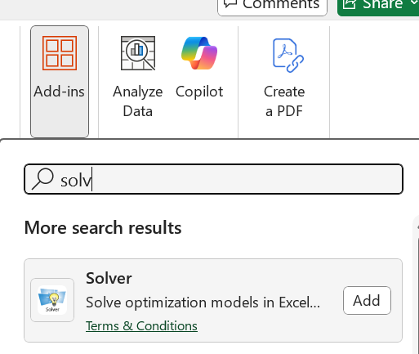
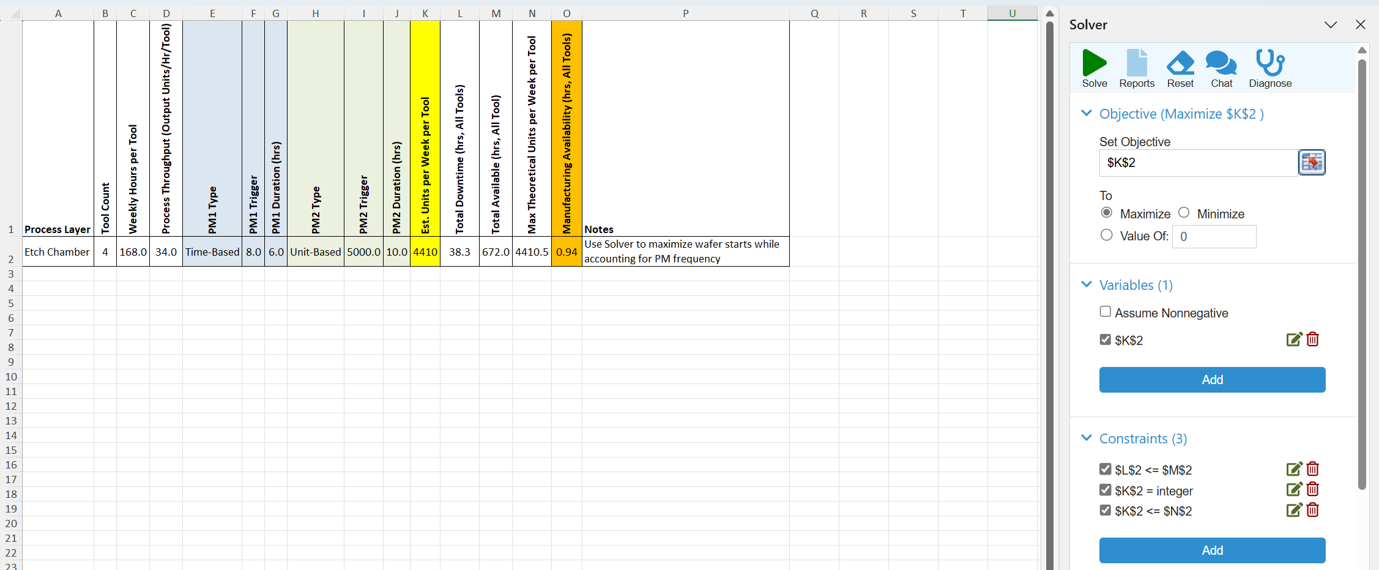
Manufacturing Availability (MA) Calculator – Instructions

Overview:
- This tool estimates Manufacturing Availability (MA) = Total weekly hours per process – total planned maintenance downtime.
- Supports multiple PM types per tool (e.g., 1 time-based, 2 unit-based) per row.

Inputs:
- Weekly Hours per Tool = 24 × 7 = 168 hrs (default)
- PM Types: Time-Based (triggered every N weeks), Unit-Based (triggered every N product units)
- PM Duration: Time to perform equipment maintenance + Time to qualify tool for production post-PM
- Est. Units per Tool per Week: your expected production rate per tool

Calculations:
- Time-Based PM Frequency per Week = 1 / Trigger Interval (weeks)
- Unit-Based PM Frequency per Week = Est. Units per Week ÷ Unit Trigger
- Downtime per Tool per Week = Sum of (Frequency × Duration) for all PMs
- Total Downtime = Downtime per Tool × Tool Count
- MA = (Weekly Hours × Tool Count) – Total Downtime

Solver Use (optional):
- Enter Process Throughput
- In 'Solver Setup Template', set Objective: MAX(Est. Units/Week/Tool)
- Variable: Est. Units/Week/Tool
- Constraints: 1) Total Downtime ≤ Total Available Hours 2) Est. Units/Week/Tool is an integer 3) Est. Units/Week/Tool <= Max Theoretical Units/Week/Tool
- This yields max unit throughput under current PM burdens + estimated MA at max unit throughput
- max unit throughput per tool under current PM burdens = unit start capacity (USC)
- Unit Start Capacity can help with tool allocation and factory planning to support production ramp

Use notes column to document assumptions or calculation tweaks.

