VOC
Cars

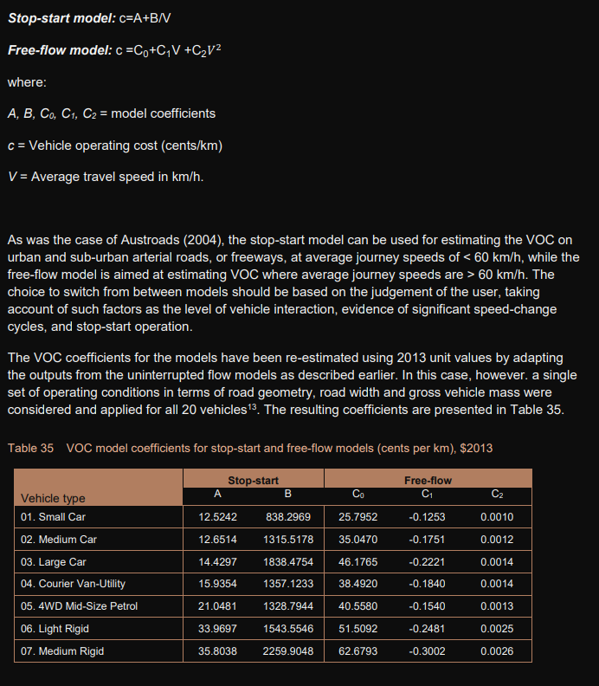
Source: ATAP PV2
Table 35 COV model cooefficients for stop-start and free-flow models (cents per km), 2013
 | A | B | C0 | C1 | C2
Small car | 12.5242 | 838.2969 | 25.7952 | -0.1253 | 0.001
Medium car | 12.6514 | 1315.5178 | 35.047 | -0.1751 | 0.0012
Large car | 14.4297 | 1838.4754 | 46.1765 | -0.2221 | 0.0014

Calculation based on Stop-start model using an average speed of 35km/h
 | Stop start
Small car | 36.47554
Medium car | 50.237622857
Large car | 66.957568571

Average of small, med and large (cents per km)
51.223577143

Bicycles

Averagedaily trip distance (km) |  |  | ATAP M4
10
Annualisation |  |  | ATAP M4
260
Annual km |  |  | ATAP M4
2600
Repair and servicing |  |  | Bicycling Australia
150
Purchase cost |  |  | Bicycling Australia
900
Asset life
10 |  |  | Source: Evaluating Active Transport Benefits and Costs Guide to Valuing Walking and Cycling Improvements and Encouragement Programs 1 September 2021 Todd Litman Victoria Transport Policy Institute

Total cost
2400
Total km
26000
Ave per km cost
0.092307692308

