Definitions
Title: | COVID-19 Vaccination Statistics Definitions
Summary: | This file contains information on the number of vaccinations for COVID-19 delivered to English residents and all other individuals who have been vaccinated in England (including those living outside of England). All vaccinations included in this publication were administered during the period specified below and are recorded against the date of vaccination. The source of all vaccination data in this publication is DPS (Data Processing Service) Direct Flow.
Period: | Data to 31 December 2023
Source: | DPS (Data Processing Service) Direct Flow, NHS England
Basis: | England
Published: | 4 January 2024
Status: | Published

Data Definitions
All data on the number of people vaccinated in this publication are taken from DPS (Data Processing Service) Direct Flow, unless otherwise specified. This was previously the National Immunisation Management System (NIMS).
Data marked as DPS (Data Processing Service) Direct Flow NHS England' includes any vaccinations given in England, regardless of whether the recipient is alive or resident in England.
Where figures are shown for NHS geographies (region), these are based on the place of residence of the vaccinated individual. The health geographical boundaries used are defined as at July 2023.
Autumn 2023/24 vaccinations definition
The total autumn vaccinations figure includes any vaccination administered after the start of the autumn campaign on 11 September 2023 to any individuals in an eligible cohort.
NHS England estimates that approximately 21.5 million people will be eligible for an autumn booster during the campaign. This figure includes individuals who are in an eligible cohort and had a first dose vaccination prior to the start of the campaign. Eligible cohorts we report in this publication include adults aged 65 and over, immunosuppressed individuals aged 5 to 64, individuals in a clinical risk group aged 5 to 64 and frontline healthcare workers. There are approximately 25.5 million people that are in an eligible cohort.
Separate cohort figures are published for individuals in an eligible autumn vaccination cohorts:
Aged 65+ - In line with JCVI guidance, age is as at 31 March 2024, as recorded in the Master Patient Index. Therefore, some vaccinations delivered to this cohort will be to individuals who have not yet turned 65.
Immunosuppressed (aged 5-64) - The Immunosuppressed (IS) cohort reported in this publication is based on the CaaS cohort definition as outlined in the Green Book (chapter 14). This cohort is a subset of the 'in a clinical risk group' cohort. Please note that the IS cohort might fluctuate as individuals move in and out of this cohort.
In a clinical risk group (aged 5-64) - The 'in a clinical risk group' cohort reported in this publication is based on the CaaS cohort definition as outlined in the Green Book (chapter 14). Please note that the in a clinical at risk cohort might fluctuate as individuals move in and out of this cohort.
Frontline healthcare workers - These figures represent only those NHS healthcare workers who appear in the NHS Electronic Staff Record (ESR), were employed by an NHS Trust as at the extract date and are in an occupational group designated as a frontline healthcare worker. This covers directly employed staff in NHS Trusts who are paid through ESR, which will include some NHS Bank staff. The figures do not include data on staff that are not paid through ESR, or staff on ESR who could not be matched to DPS. It also does not include data on primary care staff or social care workers.
Care home residents are also eligible for an autumn vaccination during the campaign but are not reported in this publication. Information on care home residents will be published separately.
The figures include any vaccinations delivered in England, regardless of whether the individual is still alive or resident in England. Not all vaccinations delivered up to this date will be included in these figures. At 2 January 2024, 94.8% of vaccinations recorded in the DPS Direct Flow database were reported within 1 day of being administered and 97.9% of vaccinations were reported within 7 days.
Age definition
Age is as at the end of March 2024, as recorded in the Master Patient Index (MPI). This is to ensure vaccinations delivered to 64 year olds will be counted in this figure if they turn 65 by the end of March. Vaccinations to children will be counted as an autumn vaccination if they turn 5 before the start of the campaign on 11 September 2023 and are in an eligible cohort.
 |  | j

Links
JCVI advises on eligible groups for 2023 autumn booster - GOV.UK (www.gov.uk)

Autumn vaccinations by week
Title: | COVID-19 Autumn Vaccinations by Week of Vaccination
Summary: | The number of people who have had a 'Autumn' vaccination for COVID-19 in England since the start of the Autumn 2023 campaign, by week of vaccination.
Period1: | 11 September 2023 to 31 December 2023
Source: | DPS (Data Processing Service) Direct Flow, NHS England
Basis: | England
Published: | 4 January 2024
Status: | Published
Definitions: | The data in this release includes all individuals with a 'Autumn' vaccination administered in England, even if individuals are resident outside of England, do not have an NHS number or are no longer alive. This includes vaccinations administered as part of clinical trials.

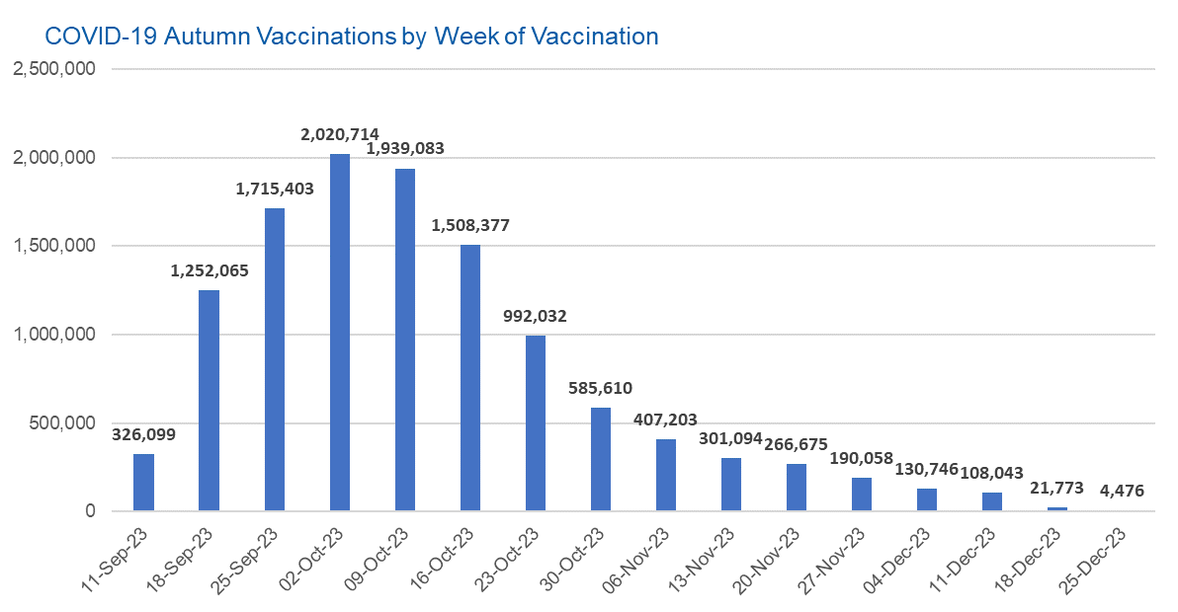

Week Commencing |  | Number of people who have had an Autumn vaccination to date | Cumulative number of people who have had an Autumn vaccination to date
Total |  | 11,769,451 | -
2023-09-11 |  | 326,099 | 326,099
2023-09-18 |  | 1,252,065 | 1,578,164
2023-09-25 |  | 1,715,403 | 3,293,567
2023-10-02 |  | 2,020,714 | 5,314,281
2023-10-09 |  | 1,939,083 | 7,253,364
2023-10-16 |  | 1,508,377 | 8,761,741
2023-10-23 |  | 992,032 | 9,753,773
2023-10-30 |  | 585,610 | 10,339,383
2023-11-06 |  | 407,203 | 10,746,586
2023-11-13 |  | 301,094 | 11,047,680
2023-11-20 |  | 266,675 | 11,314,355
2023-11-27 |  | 190,058 | 11,504,413
2023-12-04 |  | 130,746 | 11,635,159
2023-12-11 |  | 108,043 | 11,743,202
2023-12-18 |  | 21,773 | 11,764,975
2023-12-25 |  | 4,476 | 11,769,451
 |  |  |  | In the week commencing 25 December 2023, 4,476 autumn vaccinations were delivered. This brings the total number of autumn vaccinations delivered to 11,769,451.
Data quality notes:
1. Data was extracted from the DPS (Data Processing Service) Direct Flow on 2 January 2024.
2. See 'Definitions' tab for more information.

Total vaccinations by week
Title: | COVID-19 Vaccinations by Week of Vaccination
Summary: | The number of COVID-19 vaccinations delivered in England, by week of vaccination.
Period1,2: | 8 December 2020 to 31 December 2023
Source: | DPS (Data Processing Service) Direct Flow, NHS England
Basis: | England
Published: | 4 January 2024
Status: | Published
Definitions: | These figures include all vaccinations administered in England, even if individuals vaccinated do not have an NHS number, are resident outside of England or are no longer alive.
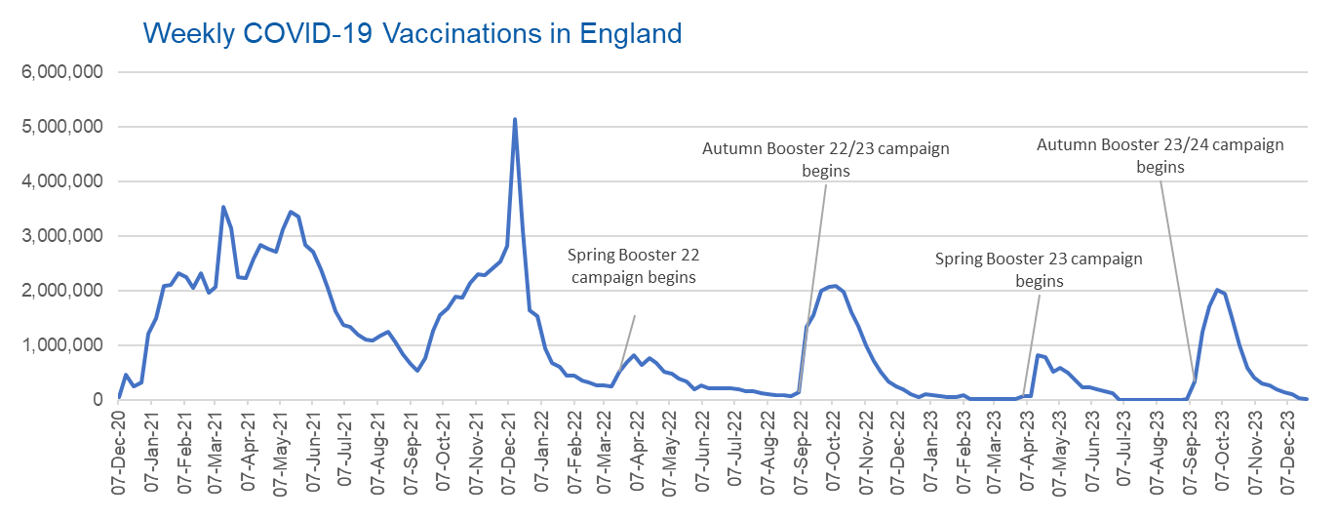

Week Commencing | Number of vaccinations delivered | Cumulative number of vaccinations delivered

Total | 157,422,705 | -
2020-12-07 | 54,722 | 54,722
2020-12-14 | 456,561 | 511,283
2020-12-21 | 243,431 | 754,714
2020-12-28 | 316,404 | 1,071,118
2021-01-04 | 1,213,211 | 2,284,329
2021-01-11 | 1,498,456 | 3,782,785
2021-01-18 | 2,090,084 | 5,872,869
2021-01-25 | 2,093,364 | 7,966,233
2021-02-01 | 2,311,243 | 10,277,476
2021-02-08 | 2,252,282 | 12,529,758
2021-02-15 | 2,050,449 | 14,580,207
2021-02-22 | 2,316,840 | 16,897,047
2021-03-01 | 1,956,558 | 18,853,605 | In the week commencing 25 December 2023, 4,476 vaccinations were delivered, taking the total number of COVID-19 vaccinations delivered to 157,422,705.
2021-03-08 | 2,067,347 | 20,920,952
2021-03-15 | 3,529,596 | 24,450,548
2021-03-22 | 3,136,500 | 27,587,048
2021-03-29 | 2,245,609 | 29,832,657
2021-04-05 | 2,221,533 | 32,054,190
2021-04-12 | 2,576,869 | 34,631,059
2021-04-19 | 2,831,897 | 37,462,956
2021-04-26 | 2,760,662 | 40,223,618
2021-05-03 | 2,705,335 | 42,928,953
2021-05-10 | 3,125,408 | 46,054,361
2021-05-17 | 3,447,600 | 49,501,961
2021-05-24 | 3,354,309 | 52,856,270
2021-05-31 | 2,832,906 | 55,689,176
2021-06-07 | 2,714,210 | 58,403,386
2021-06-14 | 2,380,675 | 60,784,061
2021-06-21 | 2,046,772 | 62,830,833
2021-06-28 | 1,625,038 | 64,455,871
2021-07-05 | 1,361,005 | 65,816,876
2021-07-12 | 1,334,606 | 67,151,482
2021-07-19 | 1,190,750 | 68,342,232
2021-07-26 | 1,108,537 | 69,450,769
2021-08-02 | 1,074,791 | 70,525,560
2021-08-09 | 1,175,616 | 71,701,176
2021-08-16 | 1,245,474 | 72,946,650
2021-08-23 | 1,062,815 | 74,009,465
2021-08-30 | 827,768 | 74,837,233
2021-09-06 | 645,914 | 75,483,147
2021-09-13 | 519,844 | 76,002,991
2021-09-20 | 760,123 | 76,763,114
2021-09-27 | 1,261,749 | 78,024,863
2021-10-04 | 1,547,770 | 79,572,633
2021-10-11 | 1,677,046 | 81,249,679
2021-10-18 | 1,884,740 | 83,134,419
2021-10-25 | 1,860,781 | 84,995,200
2021-11-01 | 2,137,683 | 87,132,883
2021-11-08 | 2,290,854 | 89,423,737
2021-11-15 | 2,288,906 | 91,712,643
2021-11-22 | 2,403,110 | 94,115,753
2021-11-29 | 2,527,229 | 96,642,982
2021-12-06 | 2,814,595 | 99,457,577
2021-12-13 | 5,145,028 | 104,602,605
2021-12-20 | 3,107,919 | 107,710,524
2021-12-27 | 1,637,166 | 109,347,690
2022-01-03 | 1,535,271 | 110,882,961
2022-01-10 | 936,730 | 111,819,691
2022-01-17 | 665,252 | 112,484,943
2022-01-24 | 595,776 | 113,080,719
2022-01-31 | 442,796 | 113,523,515
2022-02-07 | 447,054 | 113,970,569
2022-02-14 | 346,951 | 114,317,520
2022-02-21 | 318,459 | 114,635,979
2022-02-28 | 268,551 | 114,904,530
2022-03-07 | 251,559 | 115,156,089
2022-03-14 | 242,112 | 115,398,201
2022-03-21 | 510,312 | 115,908,513
2022-03-28 | 689,368 | 116,597,881
2022-04-04 | 820,319 | 117,418,200
2022-04-11 | 632,755 | 118,050,955
2022-04-18 | 753,159 | 118,804,114
2022-04-25 | 680,471 | 119,484,585
2022-05-02 | 512,428 | 119,997,013
2022-05-09 | 476,309 | 120,473,322
2022-05-16 | 386,671 | 120,859,993
2022-05-23 | 324,504 | 121,184,497
2022-05-30 | 183,948 | 121,368,445
2022-06-06 | 252,123 | 121,620,568
2022-06-13 | 203,888 | 121,824,456
2022-06-20 | 212,723 | 122,037,179
2022-06-27 | 214,409 | 122,251,588
2022-07-04 | 205,197 | 122,456,785
2022-07-11 | 188,824 | 122,645,609
2022-07-18 | 159,521 | 122,805,130
2022-07-25 | 155,175 | 122,960,305
2022-08-01 | 114,792 | 123,075,097
2022-08-08 | 93,978 | 123,169,075
2022-08-15 | 89,114 | 123,258,189
2022-08-22 | 82,024 | 123,340,213
2022-08-29 | 63,553 | 123,403,766
2022-09-05 | 134,328 | 123,538,094
2022-09-12 | 1,327,579 | 124,865,673
2022-09-19 | 1,556,002 | 126,421,675
2022-09-26 | 1,988,112 | 128,409,787
2022-10-03 | 2,066,931 | 130,476,718
2022-10-10 | 2,075,274 | 132,551,992
2022-10-17 | 1,984,833 | 134,536,825
2022-10-24 | 1,592,871 | 136,129,696
2022-10-31 | 1,352,107 | 137,481,803
2022-11-07 | 998,797 | 138,480,600
2022-11-14 | 702,888 | 139,183,488
2022-11-21 | 510,554 | 139,694,042
2022-11-28 | 337,857 | 140,031,899
2022-12-05 | 247,455 | 140,279,354
2022-12-12 | 184,101 | 140,463,455
2022-12-19 | 103,579 | 140,567,034
2022-12-26 | 46,825 | 140,613,859
2023-01-02 | 98,470 | 140,712,329
2023-01-09 | 85,976 | 140,798,305
2023-01-16 | 59,755 | 140,858,060
2023-01-23 | 53,894 | 140,911,954
2023-01-30 | 49,829 | 140,961,783
2023-02-06 | 85,479 | 141,047,262
2023-02-13 | 11,234 | 141,058,496
2023-02-20 | 6,524 | 141,065,020
2023-02-27 | 4,962 | 141,069,982
2023-03-06 | 4,074 | 141,074,056
2023-03-13 | 3,769 | 141,077,825
2023-03-20 | 3,262 | 141,081,087
2023-03-27 | 2,455 | 141,083,542
2023-04-03 | 64,013 | 141,147,555
2023-04-10 | 70,727 | 141,218,282
2023-04-17 | 822,857 | 142,041,139
2023-04-24 | 775,181 | 142,816,320
2023-05-01 | 506,646 | 143,322,966
2023-05-08 | 579,010 | 143,901,976
2023-05-15 | 484,378 | 144,386,354
2023-05-22 | 372,029 | 144,758,383
2023-05-29 | 219,040 | 144,977,423
2023-06-05 | 230,339 | 145,207,762
2023-06-12 | 185,280 | 145,393,042
2023-06-19 | 144,788 | 145,537,830
2023-06-26 | 111,429 | 145,649,259
2023-07-03 | 795 | 145,650,054
2023-07-10 | 301 | 145,650,355
2023-07-17 | 212 | 145,650,567
2023-07-24 | 252 | 145,650,819
2023-07-31 | 199 | 145,651,018
2023-08-07 | 193 | 145,651,211
2023-08-14 | 253 | 145,651,464
2023-08-21 | 301 | 145,651,765
2023-08-28 | 272 | 145,652,037
2023-09-04 | 1,217 | 145,653,254
2023-09-11 | 326,099 | 145,979,353
2023-09-18 | 1,252,065 | 147,231,418
2023-09-25 | 1,715,403 | 148,946,821
2023-10-02 | 2,020,714 | 150,967,535
2023-10-09 | 1,939,083 | 152,906,618
2023-10-16 | 1,508,377 | 154,414,995
2023-10-23 | 992,032 | 155,407,027
2023-10-30 | 585,610 | 155,992,637
2023-11-06 | 407,203 | 156,399,840
2023-11-13 | 301,094 | 156,700,934
2023-11-20 | 266,675 | 156,967,609
2023-11-27 | 190,058 | 157,157,667
2023-12-04 | 130,746 | 157,288,413
2023-12-11 | 108,043 | 157,396,456
2023-12-18 | 21,773 | 157,418,229
2023-12-25 | 4,476 | 157,422,705

Data quality notes:
1. Data was extracted from the DPS (Data Processing Service) Direct Flow on 2 January 2024.
2. Note these figures may be updated as more information becomes available from local systems.
3. Due to a transfer of vaccination data from the National Immunisation Management System (NIMS) to DPS (Data Processing Service) the number of total vaccinations decreased when comparing our last weekly publication during the spring 2023 campaign on 13 July 2023 and the first weekly publication during the autumn campaign on 28 September 2023. This drop in vaccinations is under investigation.

