Definitions
Title: | COVID-19 Vaccination Statistics Definitions
Summary: | This file contains information on the number of vaccinations for COVID-19 delivered to English residents and all other individuals who have been vaccinated in England (including those living outside of England). All vaccinations included in this publication were administered during the period specified below and are recorded against the date of vaccination. The source of all vaccination data in this pulication is the National Immunisation Management System (NIMS) database.
Period: | Data to 30 April 2023
Source: | National Immunisation Management System (NIMS)
Basis: | England
Published: | 4 May 2023
Status: | Published

Data Definitions
All data on the number of people vaccinated in this publication are taken from the National Immunisation Management System (NIMS) dataset, unless otherwise specified.
Data marked as 'National Immunisation Management System (NIMS), NHS England' includes any vaccinations given in England, regardless of whether the recipient is alive or resident in England.
Where figures are shown for NHS geographies (region), these are based on the place of residence of the vaccinated individual. The health geographical boundaries used are as defined at July 2022. An individual's NHS region of residence is taken from the NHS Master Patient Index (MPI).
Spring booster definition
The total spring booster figure includes any vaccination with a dose greater than or equal to 3, administered on or after 3 April 2023. This includes a small number of first boosters delivered to those not in an eligible spring booster cohort.
NHS England estimates that approximately 6.6 million people will be eligible for a spring booster during the campaign. This figure includes individuals who are in an eligible cohort and had a second dose vaccination prior to the start of the campaign. Eligible cohorts include care home residents, adults aged 75 and over, and immunosuppressed individuals.
Separate cohort figures are published for individuals in an eligible spring booster cohort:
Aged 75+ - In line with JCVI guidance, age is as at 30 June 2023, as recorded in the MPI. Therefore, some vaccinations delivered to this cohort will be to individuals who have not yet turned 75.
Immunosuppresed (Aged 5-74) - The IS cohort reported in this publication is based on the CaaS cohort definition as outlined in the Green Book (chapter 14). This cohort is a subset of the 'At risk' cohort. Please note that the IS cohort might fluctuate as individuals move in and out of this cohort.
Care home residents are also eligible for a spring booster during the campaign but are not reported on in this publication. Information on care home residents will be published separately.
The figures include any vaccinations delivered in England, regardless of whether the individual is still alive or resident in England. Not all vaccinations delivered up to this date will be included in these figures. At 2 May 2023, 94.7% of vaccinations recorded in the NIMS database were reported within 1 day of being administered and 97.8% of vaccinations were reported within 7 days.
Age definition
In line with JCVI eligibility guidance, age is reported as at 30 June 2023.
Links
Spring 2023 COVID-19 vaccination programme: JCVI advice, 22 February 2023 - GOV.UK (www.gov.uk)
 |  | j

Spring Boosters by Vacc Week
Title: | COVID-19 Spring Booster Vaccinations by Week of Vaccination
Summary: | The number of people who have had a 'Spring Booster' vaccination for COVID-19 in England since the start of the Spring 2023 campaign, by week of vaccination.
Period1: | 3 April 2023 to 30 April 2023
Source: | National Immunisation Management System (NIMS), NHS England
Basis: | England
Published: | 4 May 2023
Status: | Published
Definitions: | The data in this release includes all individuals with a 'Spring Booster' vaccination administered in England, even if individuals are resident outside of England, do not have an NHS number or are no longer alive. This includes vaccinations administered as part of clinical trials.
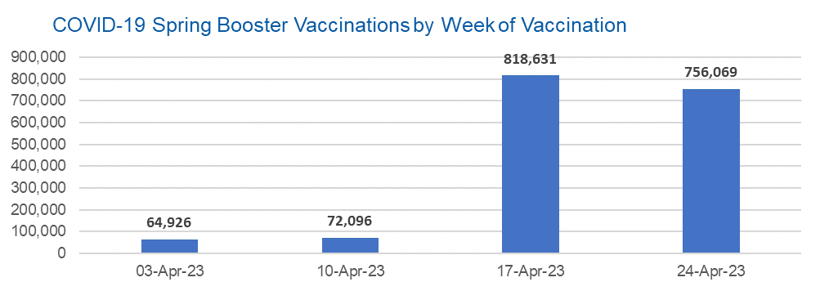

Week Commencing |  | Number of people who have had a spring booster vaccination | Cumulative number of people who have had a spring booster vaccination
Total |  | 1,711,722 | -
2023-04-03 |  | 64,926 | 64,926
2023-04-10 |  | 72,096 | 137,022
2023-04-17 |  | 818,631 | 955,653
2023-04-24 |  | 756,069 | 1,711,722

Data quality notes: |  |  |  | In the week commencing 24 April 2023, 756,069 spring booster vaccinations were delivered. This brings the total spring booster vaccinations delivered to 1,711,722.
1. Data was extracted from the National Immunisation Management System on 2 May 2023.
2. See 'Definitions' tab for more information.

Total by Vaccination Week
Title: | COVID-19 Vaccinations by Week of Vaccination
Summary: | The number of COVID-19 vaccinations delivered in England, by week of vaccination.
Period1,2: | 8 December 2020 to 30 April 2023
Source: | National Immunisation Management System (NIMS), NHS England
Basis: | England
Published: | 4 May 2023
Status: | Published
Definitions: | These figures include all vaccinations administered in England, even if individuals vaccinated do not have an NHS number, are resident outside of England or are no longer alive.

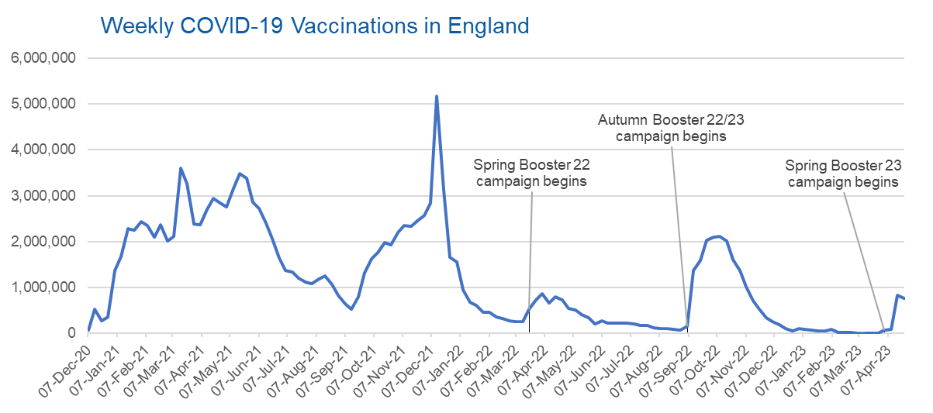
Week Commencing | Number of vaccinations delivered | Cumulative number of vaccinations delivered

Total | 146,536,781 | -
2020-12-07 | 57,766 | 57,766
2020-12-14 | 527,408 | 585,174
2020-12-21 | 272,879 | 858,053
2020-12-28 | 355,660 | 1,213,713
2021-01-04 | 1,370,965 | 2,584,678
2021-01-11 | 1,675,486 | 4,260,164
2021-01-18 | 2,284,788 | 6,544,952
2021-01-25 | 2,241,187 | 8,786,139
2021-02-01 | 2,440,212 | 11,226,351
2021-02-08 | 2,351,860 | 13,578,211
2021-02-15 | 2,096,742 | 15,674,953
2021-02-22 | 2,358,253 | 18,033,206
2021-03-01 | 2,002,611 | 20,035,817 | In the week commencing 24 April 23, 761,233 vaccinations were delivered, taking the total number of COVID-19 vaccinations delivered to 146,536,781.
2021-03-08 | 2,118,621 | 22,154,438
2021-03-15 | 3,599,791 | 25,754,229
2021-03-22 | 3,268,935 | 29,023,164
2021-03-29 | 2,389,576 | 31,412,740
2021-04-05 | 2,371,682 | 33,784,422
2021-04-12 | 2,708,708 | 36,493,130
2021-04-19 | 2,942,546 | 39,435,676
2021-04-26 | 2,841,346 | 42,277,022
2021-05-03 | 2,753,912 | 45,030,934
2021-05-10 | 3,165,013 | 48,195,947
2021-05-17 | 3,477,295 | 51,673,242
2021-05-24 | 3,378,634 | 55,051,876
2021-05-31 | 2,849,436 | 57,901,312
2021-06-07 | 2,728,961 | 60,630,273
2021-06-14 | 2,391,119 | 63,021,392
2021-06-21 | 2,055,041 | 65,076,433
2021-06-28 | 1,631,333 | 66,707,766
2021-07-05 | 1,366,254 | 68,074,020
2021-07-12 | 1,339,353 | 69,413,373
2021-07-19 | 1,194,693 | 70,608,066
2021-07-26 | 1,112,158 | 71,720,224
2021-08-02 | 1,077,911 | 72,798,135
2021-08-09 | 1,178,253 | 73,976,388
2021-08-16 | 1,248,163 | 75,224,551
2021-08-23 | 1,065,176 | 76,289,727
2021-08-30 | 829,510 | 77,119,237
2021-09-06 | 647,473 | 77,766,710
2021-09-13 | 522,761 | 78,289,471
2021-09-20 | 784,609 | 79,074,080
2021-09-27 | 1,321,777 | 80,395,857
2021-10-04 | 1,626,102 | 82,021,959
2021-10-11 | 1,760,466 | 83,782,425
2021-10-18 | 1,971,083 | 85,753,508
2021-10-25 | 1,933,801 | 87,687,309
2021-11-01 | 2,202,826 | 89,890,135
2021-11-08 | 2,347,307 | 92,237,442
2021-11-15 | 2,335,826 | 94,573,268
2021-11-22 | 2,443,953 | 97,017,221
2021-11-29 | 2,563,215 | 99,580,436
2021-12-06 | 2,844,830 | 102,425,266
2021-12-13 | 5,182,643 | 107,607,909
2021-12-20 | 3,133,012 | 110,740,921
2021-12-27 | 1,646,392 | 112,387,313
2022-01-03 | 1,545,285 | 113,932,598
2022-01-10 | 945,509 | 114,878,107
2022-01-17 | 671,742 | 115,549,849
2022-01-24 | 602,159 | 116,152,008
2022-01-31 | 447,445 | 116,599,453
2022-02-07 | 454,345 | 117,053,798
2022-02-14 | 352,467 | 117,406,265
2022-02-21 | 323,487 | 117,729,752
2022-02-28 | 272,444 | 118,002,196
2022-03-07 | 254,919 | 118,257,115
2022-03-14 | 245,339 | 118,502,454
2022-03-21 | 528,399 | 119,030,853
2022-03-28 | 719,415 | 119,750,268
2022-04-04 | 859,000 | 120,609,268
2022-04-11 | 662,149 | 121,271,417
2022-04-18 | 786,432 | 122,057,849
2022-04-25 | 718,501 | 122,776,350
2022-05-02 | 538,150 | 123,314,500
2022-05-09 | 503,600 | 123,818,100
2022-05-16 | 408,937 | 124,227,037
2022-05-23 | 343,357 | 124,570,394
2022-05-30 | 192,022 | 124,762,416
2022-06-06 | 264,390 | 125,026,806
2022-06-13 | 214,200 | 125,241,006
2022-06-20 | 222,210 | 125,463,216
2022-06-27 | 221,948 | 125,685,164
2022-07-04 | 210,236 | 125,895,400
2022-07-11 | 192,812 | 126,088,212
2022-07-18 | 162,366 | 126,250,578
2022-07-25 | 157,583 | 126,408,161
2022-08-01 | 116,353 | 126,524,514
2022-08-08 | 95,152 | 126,619,666
2022-08-15 | 89,995 | 126,709,661
2022-08-22 | 82,667 | 126,792,328
2022-08-29 | 63,967 | 126,856,295
2022-09-05 | 143,767 | 127,000,062
2022-09-12 | 1,361,944 | 128,362,006
2022-09-19 | 1,589,845 | 129,951,851
2022-09-26 | 2,026,131 | 131,977,982
2022-10-03 | 2,102,961 | 134,080,943
2022-10-10 | 2,108,455 | 136,189,398
2022-10-17 | 2,010,659 | 138,200,057
2022-10-24 | 1,608,321 | 139,808,378
2022-10-31 | 1,365,304 | 141,173,682
2022-11-07 | 1,008,986 | 142,182,668
2022-11-14 | 710,611 | 142,893,279
2022-11-21 | 516,162 | 143,409,441
2022-11-28 | 341,861 | 143,751,302
2022-12-05 | 250,300 | 144,001,602
2022-12-12 | 186,159 | 144,187,761
2022-12-19 | 104,706 | 144,292,467
2022-12-26 | 47,084 | 144,339,551
2023-01-02 | 99,016 | 144,438,567
2023-01-09 | 86,282 | 144,524,849
2023-01-16 | 60,137 | 144,584,986
2023-01-23 | 54,259 | 144,639,245
2023-01-30 | 50,112 | 144,689,357
2023-02-06 | 85,844 | 144,775,201
2023-02-13 | 11,275 | 144,786,476
2023-02-20 | 6,539 | 144,793,015
2023-02-27 | 4,972 | 144,797,987
2023-03-06 | 4,078 | 144,802,065
2023-03-13 | 3,768 | 144,805,833
2023-03-20 | 3,223 | 144,809,056
2023-03-27 | 2,081 | 144,811,137
2023-04-03 | 66,832 | 144,877,969
2023-04-10 | 74,021 | 144,951,990
2023-04-17 | 823,558 | 145,775,548
2023-04-24 | 761,233 | 146,536,781

Data quality notes:
1. Data was extracted from the National Immunisation Management System on 2 May 2023.
2. Note these figures may be updated as more information becomes available from local systems.

