Definitions
Title: | COVID-19 Vaccination Statistics Definitions
Summary: | This file contains information on the number of vaccinations for COVID-19 delivered to English residents and all other individuals who have been vaccinated in England (including those living outside of England). All vaccinations included in this publication were administered during the period specified below and are recorded against the date of vaccination. The source of all vaccination data in this publication is DPS (Data Processing Service) Direct Flow.
Period: | Data to 30 June 2024
Source: | DPS (Data Processing Service) Direct Flow, NHS England
Basis: | England
Published: | 5 July 2024
Status: | Published

Data Definitions
All data on the number of vaccinations in this publication are taken from DPS (Data Processing Service) Direct Flow, unless otherwise specified. This was previously the National Immunisation Management System (NIMS).
Data marked as 'DPS (Data Processing Service) Direct Flow' includes any vaccinations given in England, regardless of whether the recipient is alive or resident in England.
Where figures are shown for NHS geographies (region), these are based on the place of residence of the vaccinated individual. The health geographical boundaries used reflect the latest organisational changes.
Spring 2024 vaccinations definition
The total spring vaccination figures include any vaccination administered after the start of the spring campaign on 15 April 2024 to any individuals in an eligible cohort. The figures include any vaccinations delivered in England, regardless of whether the individual is still alive or resident in England. Not all vaccinations delivered up to this date will be included in these figures. At 1 July 2024, 94.7% of Covid-19 vaccinations recorded in the DPS Direct Flow database were reported within 1 day of being administered and 97.8% of Covid-19 vaccinations were reported within 7 days.
NHS England estimates that approximately 7.3 million people will be eligible for a spring vaccination during the campaign. This figure includes individuals who are in an eligible cohort. Eligible cohorts we report in this publication include residents in older adult care homes, adults aged 75 and over and immunosuppressed individuals aged 6 months and over.
Separate cohort figures are published for individuals in an eligible spring vaccination cohort:
Older adult care home residents - Those individuals who reside in a care home designated as an older adult care home as per the monthly Care Quality Commission (CQC) release for April 2024.
Aged 75+ - In line with JCVI guidance, age is as at 30 June 2024, as recorded in the Master Patient Index. Therefore, some vaccinations delivered to this cohort will be to individuals who have not yet turned 75.
Immunosuppressed (aged 6 months and over) - The Immunosuppressed (IS) cohort reported in this publication is based on the CaaS cohort definition as outlined in the Green Book (chapter 14a). Please note that the IS cohort might fluctuate as individuals move in and out of this cohort.
Age definition
Age is as at the end of June 2024, as recorded in the Master Patient Index (MPI). This is to ensure vaccinations delivered to 74 year olds will be counted in this figure if they turn 75 by the end of June. Vaccinations to immunosuppressed children will be counted as a spring vaccination if they are aged 6 months or over before the start of the campaign on 15 April 2024.
 |  | j

Links
JCVI statement on COVID-19 vaccination in spring 2024 and considerations on future COVID-19 vaccination

Spring vaccinations by week
Title: | COVID-19 Spring Vaccinations by Week of Vaccination
Summary: | The number of 'Spring' vaccinations for COVID-19 in England since the start of the Spring 2024 campaign, by week of vaccination.
Period1: | 15 April 2024 to 30 June 2024
Source: | DPS (Data Processing Service) Direct Flow, NHS England
Basis: | England
Published: | 5 July 2024
Status: | Published
Definitions: | The data in this release includes all 'Spring' vaccinations administered in England, even if individuals are resident outside of England, do not have an NHS number or are no longer alive.
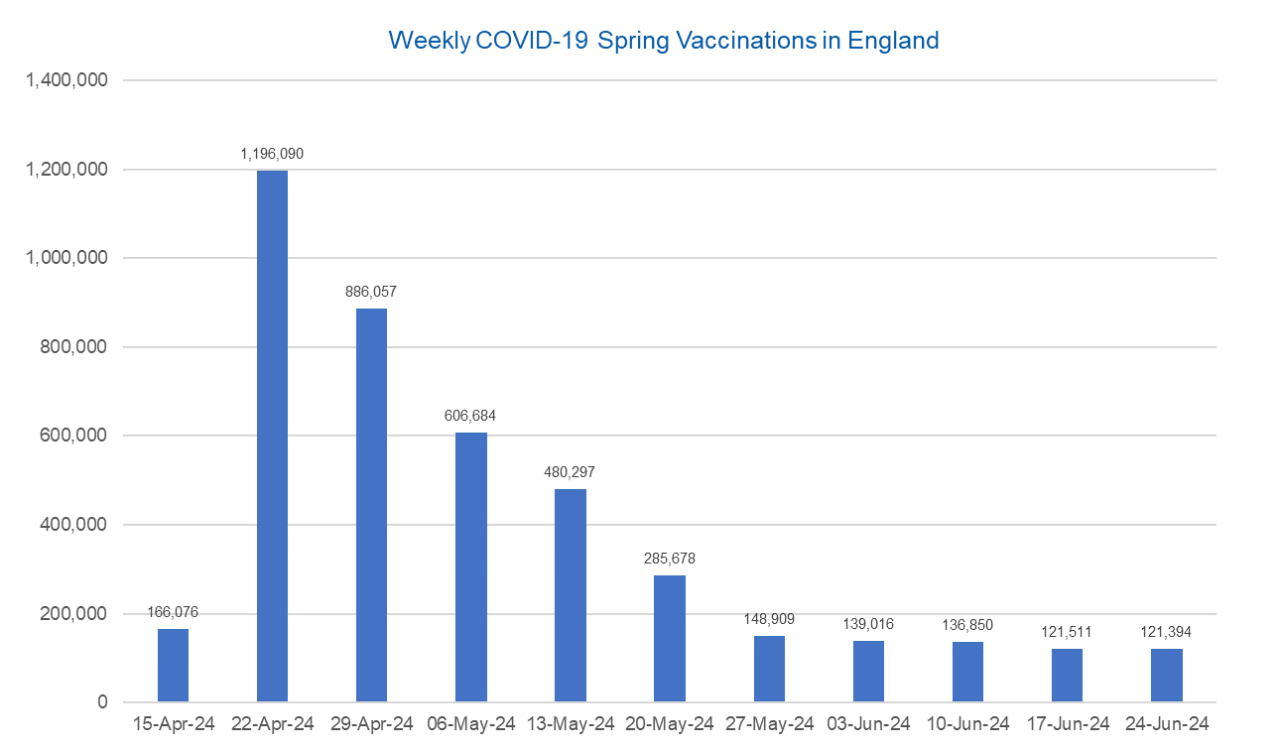

Week Commencing | Number of spring vaccinations | Cumulative number of spring vaccinations
Total | 4,288,562 | -
2024-04-15 | 166,076 | 166,076
2024-04-22 | 1,196,090 | 1,362,166
2024-04-29 | 886,057 | 2,248,223
2024-05-06 | 606,684 | 2,854,907
2024-05-13 | 480,297 | 3,335,204
2024-05-20 | 285,678 | 3,620,882
2024-05-27 | 148,909 | 3,769,791
2024-06-03 | 139,016 | 3,908,807
2024-06-10 | 136,850 | 4,045,657
2024-06-17 | 121,511 | 4,167,168
2024-06-24 | 121,394 | 4,288,562

Data quality notes:
1. Data was extracted from the DPS (Data Processing Service) Direct Flow on 2 July 2024.
2. See 'Definitions' tab for more information.

 |  |  | In the week commencing 24 June, 121,394 spring vaccinations were delivered. This brings the total number of spring vaccinations delivered to 4,288,562.

Total vaccinations by week
Title: | COVID-19 Vaccinations by Week of Vaccination
Summary: | The number of COVID-19 vaccinations delivered in England since the start of the COVID-19 vaccination programme, by week of vaccination.
Period1,2: | 8 December 2020 to 30 June 2024
Source: | DPS (Data Processing Service) Direct Flow, NHS England
Basis: | England
Published: | 5 July 2024
Status: | Published
Definitions: | These figures include all vaccinations administered in England, even if individuals vaccinated do not have an NHS number, are resident outside of England or are no longer alive.
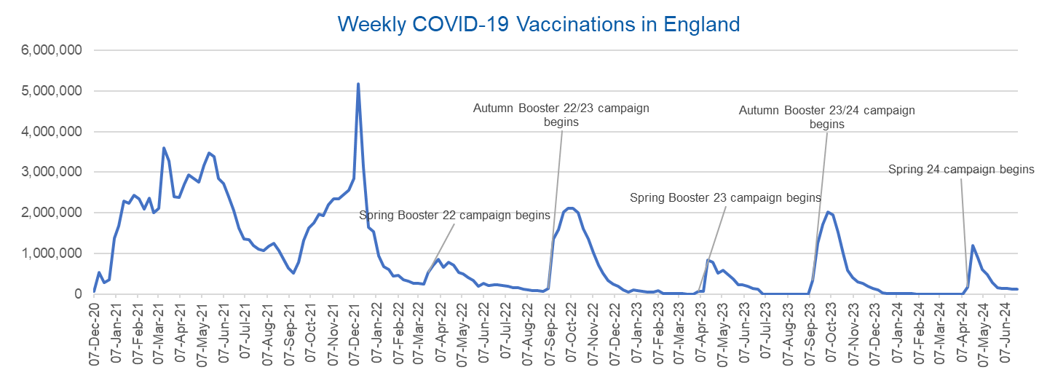

Week Commencing | Number of vaccinations delivered | Cumulative number of vaccinations delivered

Total | 165,496,229 | -
2020-12-07 | 57,722 | 57,722
2020-12-14 | 527,308 | 585,030
2020-12-21 | 272,766 | 857,796
2020-12-28 | 359,107 | 1,216,903
2021-01-04 | 1,370,385 | 2,587,288
2021-01-11 | 1,682,310 | 4,269,598
2021-01-18 | 2,291,390 | 6,560,988
2021-01-25 | 2,239,763 | 8,800,751
2021-02-01 | 2,439,407 | 11,240,158
2021-02-08 | 2,351,125 | 13,591,283
2021-02-15 | 2,095,907 | 15,687,190
2021-02-22 | 2,357,155 | 18,044,345
2021-03-01 | 2,001,661 | 20,046,006 | In the week commencing 24 June, 121,394 vaccinations were delivered, taking the total number of COVID-19 vaccinations delivered to 165,496,229.
2021-03-08 | 2,117,636 | 22,163,642
2021-03-15 | 3,598,200 | 25,761,842
2021-03-22 | 3,267,279 | 29,029,121
2021-03-29 | 2,388,863 | 31,417,984
2021-04-05 | 2,370,763 | 33,788,747
2021-04-12 | 2,707,850 | 36,496,597
2021-04-19 | 2,941,787 | 39,438,384
2021-04-26 | 2,840,811 | 42,279,195
2021-05-03 | 2,753,207 | 45,032,402
2021-05-10 | 3,164,022 | 48,196,424
2021-05-17 | 3,476,216 | 51,672,640
2021-05-24 | 3,377,490 | 55,050,130
2021-05-31 | 2,848,309 | 57,898,439
2021-06-07 | 2,727,603 | 60,626,042
2021-06-14 | 2,390,111 | 63,016,153
2021-06-21 | 2,053,470 | 65,069,623
2021-06-28 | 1,630,226 | 66,699,849
2021-07-05 | 1,365,164 | 68,065,013
2021-07-12 | 1,338,422 | 69,403,435
2021-07-19 | 1,193,821 | 70,597,256
2021-07-26 | 1,111,256 | 71,708,512
2021-08-02 | 1,077,076 | 72,785,588
2021-08-09 | 1,177,534 | 73,963,122
2021-08-16 | 1,247,243 | 75,210,365
2021-08-23 | 1,064,542 | 76,274,907
2021-08-30 | 828,850 | 77,103,757
2021-09-06 | 646,977 | 77,750,734
2021-09-13 | 522,341 | 78,273,075
2021-09-20 | 784,173 | 79,057,248
2021-09-27 | 1,321,367 | 80,378,615
2021-10-04 | 1,625,663 | 82,004,278
2021-10-11 | 1,760,027 | 83,764,305
2021-10-18 | 1,970,631 | 85,734,936
2021-10-25 | 1,933,470 | 87,668,406
2021-11-01 | 2,202,480 | 89,870,886
2021-11-08 | 2,346,891 | 92,217,777
2021-11-15 | 2,335,405 | 94,553,182
2021-11-22 | 2,443,550 | 96,996,732
2021-11-29 | 2,562,704 | 99,559,436
2021-12-06 | 2,844,211 | 102,403,647
2021-12-13 | 5,181,391 | 107,585,038
2021-12-20 | 3,131,375 | 110,716,413
2021-12-27 | 1,645,506 | 112,361,919
2022-01-03 | 1,544,394 | 113,906,313
2022-01-10 | 944,888 | 114,851,201
2022-01-17 | 671,231 | 115,522,432
2022-01-24 | 601,760 | 116,124,192
2022-01-31 | 447,225 | 116,571,417
2022-02-07 | 454,089 | 117,025,506
2022-02-14 | 352,346 | 117,377,852
2022-02-21 | 323,345 | 117,701,197
2022-02-28 | 271,997 | 117,973,194
2022-03-07 | 254,483 | 118,227,677
2022-03-14 | 244,843 | 118,472,520
2022-03-21 | 527,847 | 119,000,367
2022-03-28 | 718,811 | 119,719,178
2022-04-04 | 858,371 | 120,577,549
2022-04-11 | 661,539 | 121,239,088
2022-04-18 | 785,577 | 122,024,665
2022-04-25 | 717,830 | 122,742,495
2022-05-02 | 537,558 | 123,280,053
2022-05-09 | 503,200 | 123,783,253
2022-05-16 | 408,442 | 124,191,695
2022-05-23 | 342,895 | 124,534,590
2022-05-30 | 191,700 | 124,726,290
2022-06-06 | 264,057 | 124,990,347
2022-06-13 | 213,860 | 125,204,207
2022-06-20 | 221,838 | 125,426,045
2022-06-27 | 221,593 | 125,647,638
2022-07-04 | 209,935 | 125,857,573
2022-07-11 | 192,521 | 126,050,094
2022-07-18 | 162,139 | 126,212,233
2022-07-25 | 157,507 | 126,369,740
2022-08-01 | 116,177 | 126,485,917
2022-08-08 | 94,972 | 126,580,889
2022-08-15 | 89,843 | 126,670,732
2022-08-22 | 82,530 | 126,753,262
2022-08-29 | 63,853 | 126,817,115
2022-09-05 | 143,597 | 126,960,712
2022-09-12 | 1,361,124 | 128,321,836
2022-09-19 | 1,589,023 | 129,910,859
2022-09-26 | 2,024,888 | 131,935,747
2022-10-03 | 2,101,593 | 134,037,340
2022-10-10 | 2,107,407 | 136,144,747
2022-10-17 | 2,009,511 | 138,154,258
2022-10-24 | 1,607,441 | 139,761,699
2022-10-31 | 1,364,485 | 141,126,184
2022-11-07 | 1,008,329 | 142,134,513
2022-11-14 | 710,142 | 142,844,655
2022-11-21 | 515,788 | 143,360,443
2022-11-28 | 341,610 | 143,702,053
2022-12-05 | 250,151 | 143,952,204
2022-12-12 | 185,986 | 144,138,190
2022-12-19 | 104,594 | 144,242,784
2022-12-26 | 47,031 | 144,289,815
2023-01-02 | 98,921 | 144,388,736
2023-01-09 | 86,520 | 144,475,256
2023-01-16 | 60,091 | 144,535,347
2023-01-23 | 54,251 | 144,589,598
2023-01-30 | 50,113 | 144,639,711
2023-02-06 | 85,839 | 144,725,550
2023-02-13 | 11,300 | 144,736,850
2023-02-20 | 6,551 | 144,743,401
2023-02-27 | 4,984 | 144,748,385
2023-03-06 | 4,085 | 144,752,470
2023-03-13 | 3,775 | 144,756,245
2023-03-20 | 3,264 | 144,759,509
2023-03-27 | 2,460 | 144,761,969
2023-04-03 | 68,419 | 144,830,388
2023-04-10 | 74,534 | 144,904,922
2023-04-17 | 828,599 | 145,733,521
2023-04-24 | 779,470 | 146,512,991
2023-05-01 | 508,918 | 147,021,909
2023-05-08 | 580,915 | 147,602,824
2023-05-15 | 485,973 | 148,088,797
2023-05-22 | 373,204 | 148,462,001
2023-05-29 | 219,470 | 148,681,471
2023-06-05 | 230,674 | 148,912,145
2023-06-12 | 185,484 | 149,097,629
2023-06-19 | 144,867 | 149,242,496
2023-06-26 | 111,450 | 149,353,946
2023-07-03 | 801 | 149,354,747
2023-07-10 | 301 | 149,355,048
2023-07-17 | 212 | 149,355,260
2023-07-24 | 252 | 149,355,512
2023-07-31 | 199 | 149,355,711
2023-08-07 | 193 | 149,355,904
2023-08-14 | 253 | 149,356,157
2023-08-21 | 301 | 149,356,458
2023-08-28 | 273 | 149,356,731
2023-09-04 | 1,221 | 149,357,952
2023-09-11 | 328,744 | 149,686,696
2023-09-18 | 1,255,952 | 150,942,648
2023-09-25 | 1,716,773 | 152,659,421
2023-10-02 | 2,021,643 | 154,681,064
2023-10-09 | 1,940,403 | 156,621,467
2023-10-16 | 1,509,615 | 158,131,082
2023-10-23 | 992,957 | 159,124,039
2023-10-30 | 586,216 | 159,710,255
2023-11-06 | 407,896 | 160,118,151
2023-11-13 | 301,638 | 160,419,789
2023-11-20 | 267,402 | 160,687,191
2023-11-27 | 190,550 | 160,877,741
2023-12-04 | 131,351 | 161,009,092
2023-12-11 | 108,700 | 161,117,792
2023-12-18 | 22,370 | 161,140,162
2023-12-25 | 4,702 | 161,144,864
2024-01-01 | 11,096 | 161,155,960
2024-01-08 | 15,610 | 161,171,570
2024-01-15 | 13,714 | 161,185,284
2024-01-22 | 12,852 | 161,198,136
2024-01-29 | 7,769 | 161,205,905
2024-02-05 | 233 | 161,206,138
2024-02-12 | 122 | 161,206,260
2024-02-19 | 107 | 161,206,367
2024-02-26 | 86 | 161,206,453
2024-03-04 | 129 | 161,206,582
2024-03-11 | 68 | 161,206,650
2024-03-18 | 65 | 161,206,715
2024-03-25 | 69 | 161,206,784
2024-04-01 | 87 | 161,206,871
2024-04-08 | 796 | 161,207,667
2024-04-15 | 166,076 | 161,373,743
2024-04-22 | 1,196,090 | 162,569,833
2024-04-29 | 886,057 | 163,455,890
2024-05-06 | 606,684 | 164,062,574
2024-05-13 | 480,297 | 164,542,871
2024-05-20 | 285,678 | 164,828,549
2024-05-27 | 148,909 | 164,977,458
2024-06-03 | 139,016 | 165,116,474
2024-06-10 | 136,850 | 165,253,324
2024-06-17 | 121,511 | 165,374,835
2024-06-24 | 121,394 | 165,496,229

Data quality notes:
1. Data was extracted from the DPS (Data Processing Service) Direct Flow on 2 July 2024.
2. Note these figures may be updated as more information becomes available from local systems.

