Definitions
Title: | COVID-19 Vaccination Statistics Definitions
Summary: | This file contains information on the number of vaccinations for COVID-19 delivered to English residents and all other individuals who have been vaccinated in England (including those living outside of England). All vaccinations included in this publication were administered during the period specified below and are recorded against the date of vaccination. The source of all vaccination data in this publication is DPS (Data Processing Service) Direct Flow.
Period: | Data to 14 January 2024
Source: | DPS (Data Processing Service) Direct Flow, NHS England
Basis: | England
Published: | 18 January 2024
Status: | Published

Data Definitions
All data on the number of people vaccinated in this publication are taken from DPS (Data Processing Service) Direct Flow, unless otherwise specified. This was previously the National Immunisation Management System (NIMS).
Data marked as DPS (Data Processing Service) Direct Flow NHS England' includes any vaccinations given in England, regardless of whether the recipient is alive or resident in England.
Where figures are shown for NHS geographies (region), these are based on the place of residence of the vaccinated individual. The health geographical boundaries used are defined as at July 2023.
Autumn 2023/24 vaccinations definition
The total autumn vaccinations figure includes any vaccination administered after the start of the autumn campaign on 11 September 2023 to any individuals in an eligible cohort.
NHS England estimates that approximately 21.5 million people will be eligible for an autumn booster during the campaign. This figure includes individuals who are in an eligible cohort and had a first dose vaccination prior to the start of the campaign. Eligible cohorts we report in this publication include adults aged 65 and over, immunosuppressed individuals aged 5 to 64, individuals in a clinical risk group aged 5 to 64 and frontline healthcare workers. There are approximately 25.5 million people that are in an eligible cohort.
Separate cohort figures are published for individuals in an eligible autumn vaccination cohorts:
Aged 65+ - In line with JCVI guidance, age is as at 31 March 2024, as recorded in the Master Patient Index. Therefore, some vaccinations delivered to this cohort will be to individuals who have not yet turned 65.
Immunosuppressed (aged 5-64) - The Immunosuppressed (IS) cohort reported in this publication is based on the CaaS cohort definition as outlined in the Green Book (chapter 14). This cohort is a subset of the 'in a clinical risk group' cohort. Please note that the IS cohort might fluctuate as individuals move in and out of this cohort.
In a clinical risk group (aged 5-64) - The 'in a clinical risk group' cohort reported in this publication is based on the CaaS cohort definition as outlined in the Green Book (chapter 14). Please note that the in a clinical at risk cohort might fluctuate as individuals move in and out of this cohort.
Frontline healthcare workers - These figures represent only those NHS healthcare workers who appear in the NHS Electronic Staff Record (ESR), were employed by an NHS Trust as at the extract date and are in an occupational group designated as a frontline healthcare worker. This covers directly employed staff in NHS Trusts who are paid through ESR, which will include some NHS Bank staff. The figures do not include data on staff that are not paid through ESR, or staff on ESR who could not be matched to DPS. It also does not include data on primary care staff or social care workers.
Care home residents are also eligible for an autumn vaccination during the campaign but are not reported in this publication. Information on care home residents will be published separately.
The figures include any vaccinations delivered in England, regardless of whether the individual is still alive or resident in England. Not all vaccinations delivered up to this date will be included in these figures. At 2 January 2024, 94.8% of vaccinations recorded in the DPS Direct Flow database were reported within 1 day of being administered and 97.9% of vaccinations were reported within 7 days.
Age definition
Age is as at the end of March 2024, as recorded in the Master Patient Index (MPI). This is to ensure vaccinations delivered to 64 year olds will be counted in this figure if they turn 65 by the end of March. Vaccinations to children will be counted as an autumn vaccination if they turn 5 before the start of the campaign on 11 September 2023 and are in an eligible cohort.
 |  | j

Links
JCVI advises on eligible groups for 2023 autumn booster - GOV.UK (www.gov.uk)

Autumn vaccinations by week
Title: | COVID-19 Autumn Vaccinations by Week of Vaccination
Summary: | The number of people who have had a 'Autumn' vaccination for COVID-19 in England since the start of the Autumn 2023 campaign, by week of vaccination.
Period1: | 11 September 2023 to 14 January 2024
Source: | DPS (Data Processing Service) Direct Flow, NHS England
Basis: | England
Published: | 18 January 2024
Status: | Published
Definitions: | The data in this release includes all individuals with a 'Autumn' vaccination administered in England, even if individuals are resident outside of England, do not have an NHS number or are no longer alive. This includes vaccinations administered as part of clinical trials.

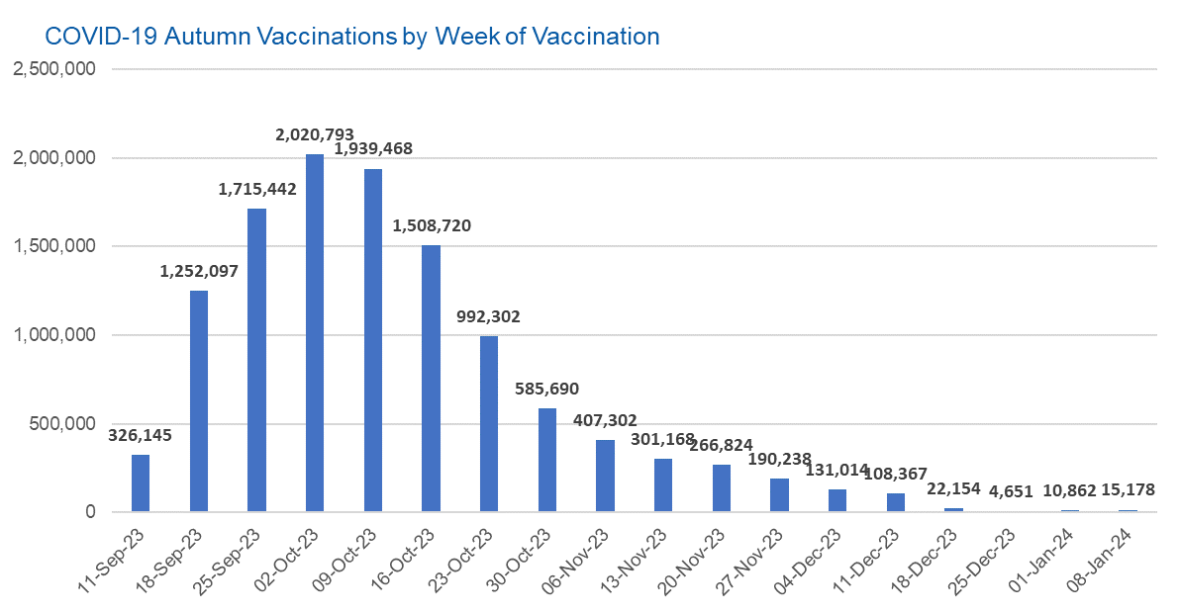

Week Commencing |  | Number of people who have had an Autumn vaccination to date | Cumulative number of people who have had an Autumn vaccination to date
Total |  | 11,798,415 | -
2023-09-11 |  | 326,145 | 326,145
2023-09-18 |  | 1,252,097 | 1,578,242
2023-09-25 |  | 1,715,442 | 3,293,684
2023-10-02 |  | 2,020,793 | 5,314,477
2023-10-09 |  | 1,939,468 | 7,253,945
2023-10-16 |  | 1,508,720 | 8,762,665
2023-10-23 |  | 992,302 | 9,754,967
2023-10-30 |  | 585,690 | 10,340,657
2023-11-06 |  | 407,302 | 10,747,959
2023-11-13 |  | 301,168 | 11,049,127
2023-11-20 |  | 266,824 | 11,315,951
2023-11-27 |  | 190,238 | 11,506,189
2023-12-04 |  | 131,014 | 11,637,203
2023-12-11 |  | 108,367 | 11,745,570
2023-12-18 |  | 22,154 | 11,767,724 | In the week commencing 8 January 2024, 15,728 autumn vaccinations were delivered. This brings the total number of autumn vaccinations delivered to 11,798,415.
2023-12-25 |  | 4,651 | 11,772,375
2024-01-01 |  | 10,862 | 11,783,237
2024-01-08 |  | 15,178 | 11,798,415

Data quality notes:
1. Data was extracted from the DPS (Data Processing Service) Direct Flow on 16 January 2024.
2. See 'Definitions' tab for more information.

Total vaccinations by week
Title: | COVID-19 Vaccinations by Week of Vaccination
Summary: | The number of COVID-19 vaccinations delivered in England, by week of vaccination.
Period1,2: | 8 December 2020 to 14 January 2024
Source: | DPS (Data Processing Service) Direct Flow, NHS England
Basis: | England
Published: | 18 January 2024
Status: | Published
Definitions: | These figures include all vaccinations administered in England, even if individuals vaccinated do not have an NHS number, are resident outside of England or are no longer alive.
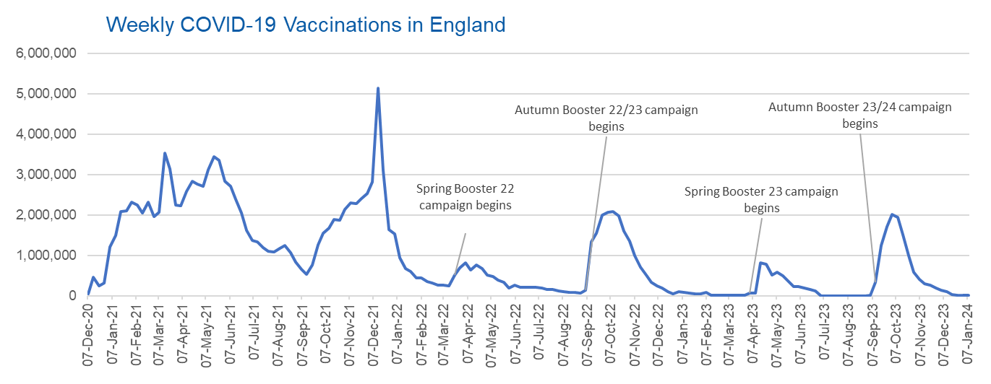

Week Commencing | Number of vaccinations delivered | Cumulative number of vaccinations delivered

Total | 157,451,412 | -
2020-12-07 | 54,721 | 54,721
2020-12-14 | 456,561 | 511,282
2020-12-21 | 243,431 | 754,713
2020-12-28 | 316,404 | 1,071,117
2021-01-04 | 1,213,210 | 2,284,327
2021-01-11 | 1,498,446 | 3,782,773
2021-01-18 | 2,090,077 | 5,872,850
2021-01-25 | 2,093,363 | 7,966,213
2021-02-01 | 2,311,241 | 10,277,454
2021-02-08 | 2,252,281 | 12,529,735
2021-02-15 | 2,050,447 | 14,580,182
2021-02-22 | 2,316,838 | 16,897,020
2021-03-01 | 1,956,555 | 18,853,575 | In the week commencing 8 January 2024, 15,178 vaccinations were delivered, taking the total number of COVID-19 vaccinations delivered to 157,451,412.
2021-03-08 | 2,067,346 | 20,920,921
2021-03-15 | 3,529,595 | 24,450,516
2021-03-22 | 3,136,494 | 27,587,010
2021-03-29 | 2,245,604 | 29,832,614
2021-04-05 | 2,221,527 | 32,054,141
2021-04-12 | 2,576,867 | 34,631,008
2021-04-19 | 2,831,895 | 37,462,903
2021-04-26 | 2,760,661 | 40,223,564
2021-05-03 | 2,705,333 | 42,928,897
2021-05-10 | 3,125,407 | 46,054,304
2021-05-17 | 3,447,598 | 49,501,902
2021-05-24 | 3,354,307 | 52,856,209
2021-05-31 | 2,832,902 | 55,689,111
2021-06-07 | 2,714,208 | 58,403,319
2021-06-14 | 2,380,672 | 60,783,991
2021-06-21 | 2,046,769 | 62,830,760
2021-06-28 | 1,625,033 | 64,455,793
2021-07-05 | 1,361,003 | 65,816,796
2021-07-12 | 1,334,602 | 67,151,398
2021-07-19 | 1,190,749 | 68,342,147
2021-07-26 | 1,108,535 | 69,450,682
2021-08-02 | 1,074,790 | 70,525,472
2021-08-09 | 1,175,613 | 71,701,085
2021-08-16 | 1,245,470 | 72,946,555
2021-08-23 | 1,062,812 | 74,009,367
2021-08-30 | 827,766 | 74,837,133
2021-09-06 | 645,911 | 75,483,044
2021-09-13 | 519,843 | 76,002,887
2021-09-20 | 760,119 | 76,763,006
2021-09-27 | 1,261,741 | 78,024,747
2021-10-04 | 1,547,765 | 79,572,512
2021-10-11 | 1,677,042 | 81,249,554
2021-10-18 | 1,884,734 | 83,134,288
2021-10-25 | 1,860,775 | 84,995,063
2021-11-01 | 2,137,681 | 87,132,744
2021-11-08 | 2,290,851 | 89,423,595
2021-11-15 | 2,288,897 | 91,712,492
2021-11-22 | 2,403,106 | 94,115,598
2021-11-29 | 2,527,223 | 96,642,821
2021-12-06 | 2,814,590 | 99,457,411
2021-12-13 | 5,145,010 | 104,602,421
2021-12-20 | 3,107,913 | 107,710,334
2021-12-27 | 1,637,160 | 109,347,494
2022-01-03 | 1,535,268 | 110,882,762
2022-01-10 | 936,726 | 111,819,488
2022-01-17 | 665,249 | 112,484,737
2022-01-24 | 595,775 | 113,080,512
2022-01-31 | 442,792 | 113,523,304
2022-02-07 | 447,053 | 113,970,357
2022-02-14 | 346,950 | 114,317,307
2022-02-21 | 318,459 | 114,635,766
2022-02-28 | 268,551 | 114,904,317
2022-03-07 | 251,559 | 115,155,876
2022-03-14 | 242,111 | 115,397,987
2022-03-21 | 510,311 | 115,908,298
2022-03-28 | 689,367 | 116,597,665
2022-04-04 | 820,318 | 117,417,983
2022-04-11 | 632,755 | 118,050,738
2022-04-18 | 753,158 | 118,803,896
2022-04-25 | 680,476 | 119,484,372
2022-05-02 | 512,427 | 119,996,799
2022-05-09 | 476,307 | 120,473,106
2022-05-16 | 386,670 | 120,859,776
2022-05-23 | 324,503 | 121,184,279
2022-05-30 | 183,948 | 121,368,227
2022-06-06 | 252,124 | 121,620,351
2022-06-13 | 203,888 | 121,824,239
2022-06-20 | 212,722 | 122,036,961
2022-06-27 | 214,409 | 122,251,370
2022-07-04 | 205,202 | 122,456,572
2022-07-11 | 188,824 | 122,645,396
2022-07-18 | 159,520 | 122,804,916
2022-07-25 | 155,175 | 122,960,091
2022-08-01 | 114,791 | 123,074,882
2022-08-08 | 93,978 | 123,168,860
2022-08-15 | 89,114 | 123,257,974
2022-08-22 | 82,024 | 123,339,998
2022-08-29 | 63,553 | 123,403,551
2022-09-05 | 134,328 | 123,537,879
2022-09-12 | 1,327,578 | 124,865,457
2022-09-19 | 1,555,998 | 126,421,455
2022-09-26 | 1,988,102 | 128,409,557
2022-10-03 | 2,066,927 | 130,476,484
2022-10-10 | 2,075,264 | 132,551,748
2022-10-17 | 1,984,832 | 134,536,580
2022-10-24 | 1,592,866 | 136,129,446
2022-10-31 | 1,352,102 | 137,481,548
2022-11-07 | 998,794 | 138,480,342
2022-11-14 | 702,888 | 139,183,230
2022-11-21 | 510,550 | 139,693,780
2022-11-28 | 337,855 | 140,031,635
2022-12-05 | 247,455 | 140,279,090
2022-12-12 | 184,099 | 140,463,189
2022-12-19 | 103,579 | 140,566,768
2022-12-26 | 46,825 | 140,613,593
2023-01-02 | 98,470 | 140,712,063
2023-01-09 | 85,976 | 140,798,039
2023-01-16 | 59,754 | 140,857,793
2023-01-23 | 53,894 | 140,911,687
2023-01-30 | 49,828 | 140,961,515
2023-02-06 | 85,480 | 141,046,995
2023-02-13 | 11,234 | 141,058,229
2023-02-20 | 6,524 | 141,064,753
2023-02-27 | 4,962 | 141,069,715
2023-03-06 | 4,074 | 141,073,789
2023-03-13 | 3,769 | 141,077,558
2023-03-20 | 3,262 | 141,080,820
2023-03-27 | 2,455 | 141,083,275
2023-04-03 | 64,013 | 141,147,288
2023-04-10 | 70,727 | 141,218,015
2023-04-17 | 822,857 | 142,040,872
2023-04-24 | 775,181 | 142,816,053
2023-05-01 | 506,646 | 143,322,699
2023-05-08 | 579,010 | 143,901,709
2023-05-15 | 484,378 | 144,386,087
2023-05-22 | 372,029 | 144,758,116
2023-05-29 | 219,040 | 144,977,156
2023-06-05 | 230,339 | 145,207,495
2023-06-12 | 185,280 | 145,392,775
2023-06-19 | 144,788 | 145,537,563
2023-06-26 | 111,439 | 145,649,002
2023-07-03 | 795 | 145,649,797
2023-07-10 | 301 | 145,650,098
2023-07-17 | 212 | 145,650,310
2023-07-24 | 252 | 145,650,562
2023-07-31 | 199 | 145,650,761
2023-08-07 | 193 | 145,650,954
2023-08-14 | 253 | 145,651,207
2023-08-21 | 301 | 145,651,508
2023-08-28 | 272 | 145,651,780
2023-09-04 | 1,217 | 145,652,997
2023-09-11 | 326,145 | 145,979,142
2023-09-18 | 1,252,097 | 147,231,239
2023-09-25 | 1,715,442 | 148,946,681
2023-10-02 | 2,020,793 | 150,967,474
2023-10-09 | 1,939,468 | 152,906,942
2023-10-16 | 1,508,720 | 154,415,662
2023-10-23 | 992,302 | 155,407,964
2023-10-30 | 585,690 | 155,993,654
2023-11-06 | 407,302 | 156,400,956
2023-11-13 | 301,168 | 156,702,124
2023-11-20 | 266,824 | 156,968,948
2023-11-27 | 190,238 | 157,159,186
2023-12-04 | 131,014 | 157,290,200
2023-12-11 | 108,367 | 157,398,567
2023-12-18 | 22,154 | 157,420,721
2023-12-25 | 4,651 | 157,425,372
2024-01-01 | 10,862 | 157,436,234
2024-01-08 | 15,178 | 157,451,412

Data quality notes:
1. Data was extracted from the DPS (Data Processing Service) Direct Flow on 16 January 2024.
2. Note these figures may be updated as more information becomes available from local systems.
3. Due to a transfer of vaccination data from the National Immunisation Management System (NIMS) to DPS (Data Processing Service) the number of total vaccinations decreased when comparing our last weekly publication during the spring 2023 campaign on 13 July 2023 and the first weekly publication during the autumn campaign on 28 September 2023. This drop in vaccinations is under investigation.

