Definitions
Title: | COVID-19 Vaccination Statistics Definitions
Summary: | This file contains information on the number of vaccinations for COVID-19 delivered to English residents and all other individuals who have been vaccinated in England (including those living outside of England). All vaccinations included in this publication were administered during the period specified below and are recorded against the date of vaccination. The source of all vaccination data in this publication is the National Immunisation Management System (NIMS) database.
Period: | Data to 14 May 2023
Source: | National Immunisation Management System (NIMS)
Basis: | England
Published: | 18 May 2023
Status: | Published

Data Definitions
All data on the number of people vaccinated in this publication are taken from the National Immunisation Management System (NIMS) dataset, unless otherwise specified.
Data marked as 'National Immunisation Management System (NIMS), NHS England' includes any vaccinations given in England, regardless of whether the recipient is alive or resident in England.
Where figures are shown for NHS geographies (region), these are based on the place of residence of the vaccinated individual. The health geographical boundaries used are as defined at July 2022. An individual's NHS region of residence is taken from the NHS Master Patient Index (MPI).
Spring booster definition
The total spring booster figure includes any vaccination with a dose greater than or equal to 3, administered on or after 3 April 2023. This includes a small number of first boosters delivered to those not in an eligible spring booster cohort.
NHS England estimates that approximately 6.6 million people will be eligible for a spring booster during the campaign. This figure includes individuals who are in an eligible cohort and had a second dose vaccination prior to the start of the campaign. Eligible cohorts include care home residents, adults aged 75 and over, and immunosuppressed individuals.
Separate cohort figures are published for individuals in an eligible spring booster cohort:
Aged 75+ - In line with JCVI guidance, age is as at 30 June 2023, as recorded in the MPI. Therefore, some vaccinations delivered to this cohort will be to individuals who have not yet turned 75.
Immunosuppressed (Aged 5-74) - The IS cohort reported in this publication is based on the CaaS cohort definition as outlined in the Green Book (chapter 14). This cohort is a subset of the 'At risk' cohort. Please note that the IS cohort might fluctuate as individuals move in and out of this cohort.
Care home residents are also eligible for a spring booster during the campaign but are not reported on in this publication. Information on care home residents will be published separately.
The figures include any vaccinations delivered in England, regardless of whether the individual is still alive or resident in England. Not all vaccinations delivered up to this date will be included in these figures. At 2 May 2023, 94.7% of vaccinations recorded in the NIMS database were reported within 1 day of being administered and 97.8% of vaccinations were reported within 7 days.
Age definition
In line with JCVI eligibility guidance, age is reported as at 30 June 2023.
Links
Spring 2023 COVID-19 vaccination programme: JCVI advice, 22 February 2023 - GOV.UK (www.gov.uk)
 |  | j

Spring Boosters by Vacc Week
Title: | COVID-19 Spring Booster Vaccinations by Week of Vaccination
Summary: | The number of people who have had a 'Spring Booster' vaccination for COVID-19 in England since the start of the Spring 2023 campaign, by week of vaccination.
Period1: | 3 April 2023 to 14 May 2023
Source: | National Immunisation Management System (NIMS), NHS England
Basis: | England
Published: | 18 May 2023
Status: | Published
Definitions: | The data in this release includes all individuals with a 'Spring Booster' vaccination administered in England, even if individuals are resident outside of England, do not have an NHS number or are no longer alive. This includes vaccinations administered as part of clinical trials.
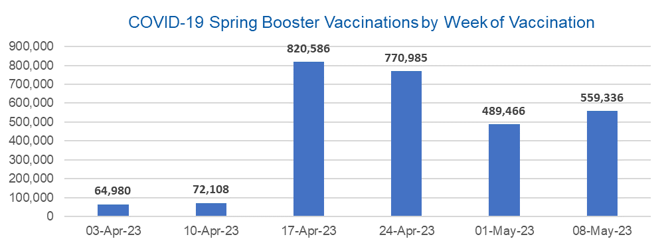

Week Commencing |  | Number of people who have had a spring booster vaccination | Cumulative number of people who have had a spring booster vaccination
Total |  | 2,777,461 | -
2023-04-03 |  | 64,980 | 64,980
2023-04-10 |  | 72,108 | 137,088
2023-04-17 |  | 820,586 | 957,674
2023-04-24 |  | 770,985 | 1,728,659
2023-05-01 |  | 489,466 | 2,218,125
2023-05-08 |  | 559,336 | 2,777,461 | In the week commencing 8 May 2023, 559,336 spring booster vaccinations were delivered. This brings the total spring booster vaccinations delivered to 2,777,461.

Data quality notes:
1. Data was extracted from the National Immunisation Management System on 16 May 2023.
2. See 'Definitions' tab for more information.

Total by Vaccination Week
Title: | COVID-19 Vaccinations by Week of Vaccination
Summary: | The number of COVID-19 vaccinations delivered in England, by week of vaccination.
Period1,2: | 8 December 2020 to 14 May 2023
Source: | National Immunisation Management System (NIMS), NHS England
Basis: | England
Published: | 18 May 2023
Status: | Published
Definitions: | These figures include all vaccinations administered in England, even if individuals vaccinated do not have an NHS number, are resident outside of England or are no longer alive.

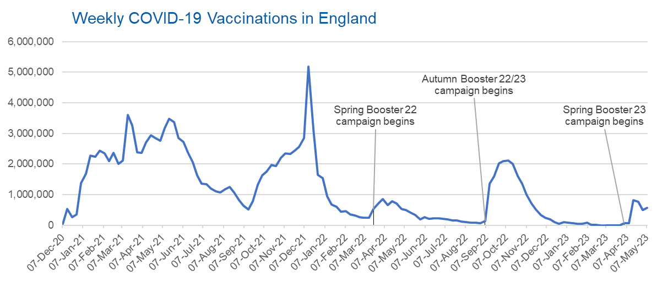
Week Commencing | Number of vaccinations delivered | Cumulative number of vaccinations delivered

Total | 147,611,007 | -
2020-12-07 | 57,766 | 57,766
2020-12-14 | 527,409 | 585,175
2020-12-21 | 272,880 | 858,055
2020-12-28 | 355,660 | 1,213,715
2021-01-04 | 1,370,967 | 2,584,682
2021-01-11 | 1,675,486 | 4,260,168
2021-01-18 | 2,284,790 | 6,544,958
2021-01-25 | 2,241,195 | 8,786,153
2021-02-01 | 2,440,213 | 11,226,366
2021-02-08 | 2,351,861 | 13,578,227
2021-02-15 | 2,096,746 | 15,674,973
2021-02-22 | 2,358,258 | 18,033,231
2021-03-01 | 2,002,617 | 20,035,848 | In the week commencing 8 May 2023, 563,177 vaccinations were delivered, taking the total number of COVID-19 vaccinations delivered to 147,611,007.
2021-03-08 | 2,118,626 | 22,154,474
2021-03-15 | 3,599,800 | 25,754,274
2021-03-22 | 3,268,947 | 29,023,221
2021-03-29 | 2,389,583 | 31,412,804
2021-04-05 | 2,371,685 | 33,784,489
2021-04-12 | 2,708,714 | 36,493,203
2021-04-19 | 2,942,553 | 39,435,756
2021-04-26 | 2,841,349 | 42,277,105
2021-05-03 | 2,753,921 | 45,031,026
2021-05-10 | 3,165,023 | 48,196,049
2021-05-17 | 3,477,309 | 51,673,358
2021-05-24 | 3,378,643 | 55,052,001
2021-05-31 | 2,849,450 | 57,901,451
2021-06-07 | 2,728,977 | 60,630,428
2021-06-14 | 2,391,129 | 63,021,557
2021-06-21 | 2,055,053 | 65,076,610
2021-06-28 | 1,631,342 | 66,707,952
2021-07-05 | 1,366,264 | 68,074,216
2021-07-12 | 1,339,360 | 69,413,576
2021-07-19 | 1,194,699 | 70,608,275
2021-07-26 | 1,112,172 | 71,720,447
2021-08-02 | 1,077,922 | 72,798,369
2021-08-09 | 1,178,262 | 73,976,631
2021-08-16 | 1,248,170 | 75,224,801
2021-08-23 | 1,065,182 | 76,289,983
2021-08-30 | 829,517 | 77,119,500
2021-09-06 | 647,476 | 77,766,976
2021-09-13 | 522,768 | 78,289,744
2021-09-20 | 784,619 | 79,074,363
2021-09-27 | 1,321,779 | 80,396,142
2021-10-04 | 1,626,112 | 82,022,254
2021-10-11 | 1,760,468 | 83,782,722
2021-10-18 | 1,971,087 | 85,753,809
2021-10-25 | 1,933,806 | 87,687,615
2021-11-01 | 2,202,829 | 89,890,444
2021-11-08 | 2,347,316 | 92,237,760
2021-11-15 | 2,335,837 | 94,573,597
2021-11-22 | 2,443,964 | 97,017,561
2021-11-29 | 2,563,222 | 99,580,783
2021-12-06 | 2,844,845 | 102,425,628
2021-12-13 | 5,182,666 | 107,608,294
2021-12-20 | 3,133,025 | 110,741,319
2021-12-27 | 1,646,399 | 112,387,718
2022-01-03 | 1,545,291 | 113,933,009
2022-01-10 | 945,516 | 114,878,525
2022-01-17 | 671,749 | 115,550,274
2022-01-24 | 602,164 | 116,152,438
2022-01-31 | 447,451 | 116,599,889
2022-02-07 | 454,351 | 117,054,240
2022-02-14 | 352,473 | 117,406,713
2022-02-21 | 323,488 | 117,730,201
2022-02-28 | 272,447 | 118,002,648
2022-03-07 | 254,924 | 118,257,572
2022-03-14 | 245,339 | 118,502,911
2022-03-21 | 528,402 | 119,031,313
2022-03-28 | 719,419 | 119,750,732
2022-04-04 | 859,005 | 120,609,737
2022-04-11 | 662,149 | 121,271,886
2022-04-18 | 786,438 | 122,058,324
2022-04-25 | 718,503 | 122,776,827
2022-05-02 | 538,149 | 123,314,976
2022-05-09 | 503,601 | 123,818,577
2022-05-16 | 408,935 | 124,227,512
2022-05-23 | 343,361 | 124,570,873
2022-05-30 | 192,022 | 124,762,895
2022-06-06 | 264,391 | 125,027,286
2022-06-13 | 214,200 | 125,241,486
2022-06-20 | 222,210 | 125,463,696
2022-06-27 | 221,949 | 125,685,645
2022-07-04 | 210,236 | 125,895,881
2022-07-11 | 192,812 | 126,088,693
2022-07-18 | 162,367 | 126,251,060
2022-07-25 | 157,583 | 126,408,643
2022-08-01 | 116,353 | 126,524,996
2022-08-08 | 95,153 | 126,620,149
2022-08-15 | 89,996 | 126,710,145
2022-08-22 | 82,671 | 126,792,816
2022-08-29 | 63,968 | 126,856,784
2022-09-05 | 143,767 | 127,000,551
2022-09-12 | 1,361,944 | 128,362,495
2022-09-19 | 1,589,849 | 129,952,344
2022-09-26 | 2,026,141 | 131,978,485
2022-10-03 | 2,102,972 | 134,081,457
2022-10-10 | 2,108,462 | 136,189,919
2022-10-17 | 2,010,676 | 138,200,595
2022-10-24 | 1,608,330 | 139,808,925
2022-10-31 | 1,365,307 | 141,174,232
2022-11-07 | 1,008,992 | 142,183,224
2022-11-14 | 710,620 | 142,893,844
2022-11-21 | 516,172 | 143,410,016
2022-11-28 | 341,878 | 143,751,894
2022-12-05 | 250,344 | 144,002,238
2022-12-12 | 186,162 | 144,188,400
2022-12-19 | 104,711 | 144,293,111
2022-12-26 | 47,085 | 144,340,196
2023-01-02 | 99,019 | 144,439,215
2023-01-09 | 86,286 | 144,525,501
2023-01-16 | 60,143 | 144,585,644
2023-01-23 | 54,262 | 144,639,906
2023-01-30 | 50,117 | 144,690,023
2023-02-06 | 85,902 | 144,775,925
2023-02-13 | 11,296 | 144,787,221
2023-02-20 | 6,549 | 144,793,770
2023-02-27 | 4,972 | 144,798,742
2023-03-06 | 4,080 | 144,802,822
2023-03-13 | 3,772 | 144,806,594
2023-03-20 | 3,224 | 144,809,818
2023-03-27 | 2,085 | 144,811,903
2023-04-03 | 66,887 | 144,878,790
2023-04-10 | 74,033 | 144,952,823
2023-04-17 | 825,631 | 145,778,454
2023-04-24 | 776,266 | 146,554,720
2023-05-01 | 493,110 | 147,047,830
2023-05-08 | 563,177 | 147,611,007

Data quality notes:
1. Data was extracted from the National Immunisation Management System on 16 May 2023.
2. Note these figures may be updated as more information becomes available from local systems.

