Definitions
Title: | COVID-19 Vaccination Statistics Definitions
Summary: | This file contains information on the number of vaccinations for COVID-19 delivered to English residents and all other individuals who have been vaccinated in England (including those living outside of England). All vaccinations included in this publication were administered during the period specified below and are recorded against the date of vaccination. The source of all vaccination data in this publication is DPS (Data Processing Service) Direct Flow.
Period: | Data to 15 October 2023
Source: | DPS (Data Processing Service) Direct Flow, NHS England
Basis: | England
Published: | 19 October 2023
Status: | Published

Data Definitions
All data on the number of people vaccinated in this publication are taken from DPS (Data Processing Service) Direct Flow, unless otherwise specified. This was previously the National Immunisation Management System (NIMS).
Data marked as DPS (Data Processing Service) Direct Flow NHS England' includes any vaccinations given in England, regardless of whether the recipient is alive or resident in England.
Where figures are shown for NHS geographies (region), these are based on the place of residence of the vaccinated individual. The health geographical boundaries used are defined as at July 2023.
Autumn 2023/24 vaccinations definition
The total autumn vaccinations figure includes any vaccination administered after the start of the autumn campaign on 11 September 2023 to any individuals in an eligible cohort.
NHS England estimates that approximately 21.5 million people will be eligible for an autumn booster during the campaign. This figure includes individuals who are in an eligible cohort and had a first dose vaccination prior to the start of the campaign. Eligible cohorts we report in this publication include adults aged 65 and over, immunosuppressed individuals aged 5 to 64, individuals in a clinical risk group aged 5 to 64 and frontline healthcare workers. There are approximately 25.5 million people that are in an eligible cohort.
Separate cohort figures are published for individuals in an eligible autumn vaccination cohorts:
Aged 65+ - In line with JCVI guidance, age is as at 31 March 2024, as recorded in the Master Patient Index. Therefore, some vaccinations delivered to this cohort will be to individuals who have not yet turned 65.
Immunosuppressed (aged 5-64) - The Immunosuppressed (IS) cohort reported in this publication is based on the CaaS cohort definition as outlined in the Green Book (chapter 14). This cohort is a subset of the 'in a clinical risk group' cohort. Please note that the IS cohort might fluctuate as individuals move in and out of this cohort.
In a clinical risk group (aged 5-64) - The 'in a clinical risk group' cohort reported in this publication is based on the CaaS cohort definition as outlined in the Green Book (chapter 14). Please note that the in a clinical at risk cohort might fluctuate as individuals move in and out of this cohort.
Frontline healthcare workers - These figures represent only those NHS healthcare workers who appear in the NHS Electronic Staff Record (ESR), were employed by an NHS Trust as at the extract date and are in an occupational group designated as a frontline healthcare worker. This covers directly employed staff in NHS Trusts who are paid through ESR, which will include some NHS Bank staff. The figures do not include data on staff that are not paid through ESR, or staff on ESR who could not be matched to DPS. It also does not include data on primary care staff or social care workers.
Care home residents are also eligible for an autumn vaccination during the campaign but are not reported in this publication. Information on care home residents will be published separately.
The figures include any vaccinations delivered in England, regardless of whether the individual is still alive or resident in England. Not all vaccinations delivered up to this date will be included in these figures. At 21 September 2023, 95.0% of vaccinations recorded in the DPS database were reported within 1 day of being administered and 97.9% of vaccinations were reported within 7 days.
Age definition
Age is as at the end of March 2024, as recorded in the Master Patient Index (MPI). This is to ensure vaccinations delivered to 64 year olds will be counted in this figure if they turn 65 by the end of March. Vaccinations to children will be counted as an autumn vaccination if they turn 5 before the start of the campaign on 11 September 2023 and are in an eligible cohort.
 |  | j

Links
JCVI advises on eligible groups for 2023 autumn booster - GOV.UK (www.gov.uk)

Autumn vaccinations by week
Title: | COVID-19 Autumn Vaccinations by Week of Vaccination
Summary: | The number of people who have had a 'Autumn' vaccination for COVID-19 in England since the start of the Autumn 2023 campaign, by week of vaccination.
Period1: | 11 September 2023 to 15 October 2023
Source: | DPS (Data Processing Service) Direct Flow, NHS England
Basis: | England
Published: | 19 October 2023
Status: | Published
Definitions: | The data in this release includes all individuals with a 'Autumn' vaccination administered in England, even if individuals are resident outside of England, do not have an NHS number or are no longer alive. This includes vaccinations administered as part of clinical trials.
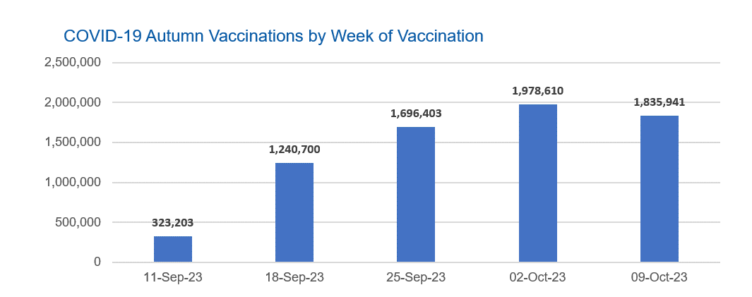

Week Commencing |  | Number of people who have had an Autumn vaccination to date | Cumulative number of people who have had an Autumn vaccination to date
Total |  | 7,074,857 | -
2023-09-11 |  | 323,203 | 323,203
2023-09-18 |  | 1,240,700 | 1,563,903
2023-09-25 |  | 1,696,403 | 3,260,306
2023-10-02 |  | 1,978,610 | 5,238,916
2023-10-09 |  | 1,835,941 | 7,074,857

Data quality notes: |  |  |  | In the week commencing 9 October 2023, 1,835,941 autumn vaccinations were delivered. This brings the total number of autumn vaccinations delivered to 7,074,857.
1. Data was extracted from the DPS (Data Processing Service) Direct Flow on 17 October 2023.
2. See 'Definitions' tab for more information.

Total vaccinations by week
Title: | COVID-19 Vaccinations by Week of Vaccination
Summary: | The number of COVID-19 vaccinations delivered in England, by week of vaccination.
Period1,2: | 8 December 2020 to 15 October 2023
Source: | DPS (Data Processing Service) Direct Flow, NHS England
Basis: | England
Published: | 19 October 2023
Status: | Published
Definitions: | These figures include all vaccinations administered in England, even if individuals vaccinated do not have an NHS number, are resident outside of England or are no longer alive.

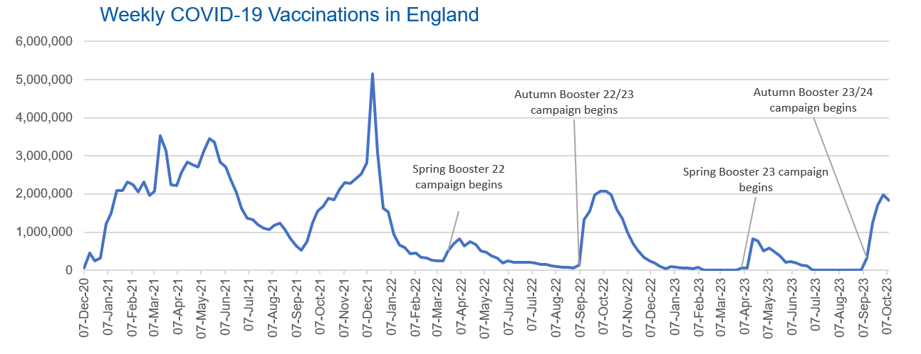
Week Commencing | Number of vaccinations delivered | Cumulative number of vaccinations delivered

Total | 152,730,117 | -
2020-12-07 | 54,724 | 54,724
2020-12-14 | 456,569 | 511,293
2020-12-21 | 243,435 | 754,728
2020-12-28 | 316,411 | 1,071,139
2021-01-04 | 1,213,234 | 2,284,373
2021-01-11 | 1,498,480 | 3,782,853
2021-01-18 | 2,090,108 | 5,872,961
2021-01-25 | 2,093,382 | 7,966,343
2021-02-01 | 2,311,255 | 10,277,598
2021-02-08 | 2,252,309 | 12,529,907
2021-02-15 | 2,050,462 | 14,580,369
2021-02-22 | 2,316,853 | 16,897,222
2021-03-01 | 1,956,571 | 18,853,793 | In the week commencing 9 October 2023, 1,835,941 vaccinations were delivered, taking the total number of COVID-19 vaccinations delivered to 152,730,177.
2021-03-08 | 2,067,365 | 20,921,158
2021-03-15 | 3,529,615 | 24,450,773
2021-03-22 | 3,136,532 | 27,587,305
2021-03-29 | 2,245,631 | 29,832,936
2021-04-05 | 2,221,558 | 32,054,494
2021-04-12 | 2,576,891 | 34,631,385
2021-04-19 | 2,831,910 | 37,463,295
2021-04-26 | 2,760,685 | 40,223,980
2021-05-03 | 2,705,354 | 42,929,334
2021-05-10 | 3,125,426 | 46,054,760
2021-05-17 | 3,447,623 | 49,502,383
2021-05-24 | 3,354,342 | 52,856,725
2021-05-31 | 2,832,946 | 55,689,671
2021-06-07 | 2,714,248 | 58,403,919
2021-06-14 | 2,380,704 | 60,784,623
2021-06-21 | 2,046,795 | 62,831,418
2021-06-28 | 1,625,054 | 64,456,472
2021-07-05 | 1,361,019 | 65,817,491
2021-07-12 | 1,334,620 | 67,152,111
2021-07-19 | 1,190,766 | 68,342,877
2021-07-26 | 1,108,548 | 69,451,425
2021-08-02 | 1,074,817 | 70,526,242
2021-08-09 | 1,175,646 | 71,701,888
2021-08-16 | 1,245,498 | 72,947,386
2021-08-23 | 1,062,844 | 74,010,230
2021-08-30 | 827,790 | 74,838,020
2021-09-06 | 645,926 | 75,483,946
2021-09-13 | 519,855 | 76,003,801
2021-09-20 | 760,146 | 76,763,947
2021-09-27 | 1,261,788 | 78,025,735
2021-10-04 | 1,547,832 | 79,573,567
2021-10-11 | 1,677,093 | 81,250,660
2021-10-18 | 1,884,780 | 83,135,440
2021-10-25 | 1,860,828 | 84,996,268
2021-11-01 | 2,137,742 | 87,134,010
2021-11-08 | 2,290,923 | 89,424,933
2021-11-15 | 2,288,981 | 91,713,914
2021-11-22 | 2,403,180 | 94,117,094
2021-11-29 | 2,527,289 | 96,644,383
2021-12-06 | 2,814,655 | 99,459,038
2021-12-13 | 5,145,142 | 104,604,180
2021-12-20 | 3,107,986 | 107,712,166
2021-12-27 | 1,637,200 | 109,349,366
2022-01-03 | 1,535,299 | 110,884,665
2022-01-10 | 936,746 | 111,821,411
2022-01-17 | 665,265 | 112,486,676
2022-01-24 | 595,794 | 113,082,470
2022-01-31 | 442,803 | 113,525,273
2022-02-07 | 447,061 | 113,972,334
2022-02-14 | 346,934 | 114,319,268
2022-02-21 | 318,438 | 114,637,706
2022-02-28 | 268,529 | 114,906,235
2022-03-07 | 251,545 | 115,157,780
2022-03-14 | 242,117 | 115,399,897
2022-03-21 | 510,318 | 115,910,215
2022-03-28 | 689,369 | 116,599,584
2022-04-04 | 820,310 | 117,419,894
2022-04-11 | 632,680 | 118,052,574
2022-04-18 | 753,185 | 118,805,759
2022-04-25 | 680,457 | 119,486,216
2022-05-02 | 512,434 | 119,998,650
2022-05-09 | 476,306 | 120,474,956
2022-05-16 | 386,678 | 120,861,634
2022-05-23 | 324,510 | 121,186,144
2022-05-30 | 183,951 | 121,370,095
2022-06-06 | 252,102 | 121,622,197
2022-06-13 | 203,889 | 121,826,086
2022-06-20 | 212,731 | 122,038,817
2022-06-27 | 214,415 | 122,253,232
2022-07-04 | 205,202 | 122,458,434
2022-07-11 | 188,828 | 122,647,262
2022-07-18 | 159,522 | 122,806,784
2022-07-25 | 155,178 | 122,961,962
2022-08-01 | 114,794 | 123,076,756
2022-08-08 | 93,982 | 123,170,738
2022-08-15 | 89,117 | 123,259,855
2022-08-22 | 82,028 | 123,341,883
2022-08-29 | 63,556 | 123,405,439
2022-09-05 | 134,332 | 123,539,771
2022-09-12 | 1,327,612 | 124,867,383
2022-09-19 | 1,556,052 | 126,423,435
2022-09-26 | 1,988,182 | 128,411,617
2022-10-03 | 2,067,030 | 130,478,647
2022-10-10 | 2,075,364 | 132,554,011
2022-10-17 | 1,984,905 | 134,538,916
2022-10-24 | 1,592,912 | 136,131,828
2022-10-31 | 1,352,135 | 137,483,963
2022-11-07 | 998,829 | 138,482,792
2022-11-14 | 702,909 | 139,185,701
2022-11-21 | 510,567 | 139,696,268
2022-11-28 | 337,860 | 140,034,128
2022-12-05 | 247,454 | 140,281,582
2022-12-12 | 184,112 | 140,465,694
2022-12-19 | 103,578 | 140,569,272
2022-12-26 | 46,825 | 140,616,097
2023-01-02 | 98,471 | 140,714,568
2023-01-09 | 85,979 | 140,800,547
2023-01-16 | 59,757 | 140,860,304
2023-01-23 | 53,897 | 140,914,201
2023-01-30 | 49,832 | 140,964,033
2023-02-06 | 85,480 | 141,049,513
2023-02-13 | 11,234 | 141,060,747
2023-02-20 | 6,525 | 141,067,272
2023-02-27 | 4,962 | 141,072,234
2023-03-06 | 4,074 | 141,076,308
2023-03-13 | 3,769 | 141,080,077
2023-03-20 | 3,262 | 141,083,339
2023-03-27 | 2,454 | 141,085,793
2023-04-03 | 64,031 | 141,149,824
2023-04-10 | 70,727 | 141,220,551
2023-04-17 | 822,857 | 142,043,408
2023-04-24 | 774,992 | 142,818,400
2023-05-01 | 506,617 | 143,325,017
2023-05-08 | 579,009 | 143,904,026
2023-05-15 | 484,377 | 144,388,403
2023-05-22 | 372,029 | 144,760,432
2023-05-29 | 219,040 | 144,979,472
2023-06-05 | 230,337 | 145,209,809
2023-06-12 | 185,278 | 145,395,087
2023-06-19 | 144,787 | 145,539,874
2023-06-26 | 111,426 | 145,651,300
2023-07-03 | 794 | 145,652,094
2023-07-10 | 300 | 145,652,394
2023-07-17 | 211 | 145,652,605
2023-07-24 | 252 | 145,652,857
2023-07-31 | 196 | 145,653,053
2023-08-07 | 192 | 145,653,245
2023-08-14 | 253 | 145,653,498
2023-08-21 | 299 | 145,653,797
2023-08-28 | 261 | 145,654,058
2023-09-04 | 1,202 | 145,655,260
2023-09-11 | 323,203 | 145,978,463
2023-09-18 | 1,240,700 | 147,219,163
2023-09-25 | 1,696,403 | 148,915,566
2023-10-02 | 1,978,610 | 150,894,176
2023-10-09 | 1,835,941 | 152,730,117

Data quality notes:
1. Data was extracted from the DPS (Data Processing Service) Direct Flow on 17 October 2023.
2. Note these figures may be updated as more information becomes available from local systems.
3. Due to a transfer of vaccination data from the National Immunisation Management System (NIMS) to DPS (Data Processing Service) the number of total vaccinations has decreased since our last weekly publication during the spring 2023 campaign on 13 July 2023 and the first weekly publication durirng the autumn campaign on 28 September 2023. This drop in vaccinations is currently under investigation.

