Definitions
Title: | COVID-19 Vaccination Statistics Definitions
Summary: | This file contains information on the number of vaccinations for COVID-19 delivered to English residents and all other individuals who have been vaccinated in England (including those living outside of England). All vaccinations included in this publication were administered during the period specified below and are recorded against the date of vaccination. The source of all vaccination data in this publication is DPS (Data Processing Service) Direct Flow.
Period: | Data to 19 May 2024
Source: | DPS (Data Processing Service) Direct Flow, NHS England
Basis: | England
Published: | 23 May 2024
Status: | Published

Data Definitions
All data on the number of vaccinations in this publication are taken from DPS (Data Processing Service) Direct Flow, unless otherwise specified. This was previously the National Immunisation Management System (NIMS).
Data marked as 'DPS (Data Processing Service) Direct Flow' includes any vaccinations given in England, regardless of whether the recipient is alive or resident in England.
Where figures are shown for NHS geographies (region), these are based on the place of residence of the vaccinated individual. The health geographical boundaries used reflect the latest organisational changes.
Spring 2024 vaccinations definition
The total spring vaccination figures include any vaccination administered after the start of the spring campaign on 15 April 2024 to any individuals in an eligible cohort. The figures include any vaccinations delivered in England, regardless of whether the individual is still alive or resident in England. Not all vaccinations delivered up to this date will be included in these figures. At 07 May 2024, 94.5% of Covid-19 vaccinations recorded in the DPS Direct Flow database were reported within 1 day of being administered and 97.7% of Covid-19 vaccinations were reported within 7 days.
NHS England estimates that approximately 7.3 million people will be eligible for a spring vaccination during the campaign. This figure includes individuals who are in an eligible cohort. Eligible cohorts we report in this publication include residents in older adult care homes, adults aged 75 and over and immunosuppressed individuals aged 6 months and over.
Separate cohort figures are published for individuals in an eligible spring vaccination cohort:
Older adult care home residents - Those individuals who reside in a care home designated as an older adult care home as per the monthly Care Quality Commission (CQC) release for April 2024.
Aged 75+ - In line with JCVI guidance, age is as at 30 June 2024, as recorded in the Master Patient Index. Therefore, some vaccinations delivered to this cohort will be to individuals who have not yet turned 75.
Immunosuppressed (aged 6 months and over) - The Immunosuppressed (IS) cohort reported in this publication is based on the CaaS cohort definition as outlined in the Green Book (chapter 14a). Please note that the IS cohort might fluctuate as individuals move in and out of this cohort.
Age definition
Age is as at the end of June 2024, as recorded in the Master Patient Index (MPI). This is to ensure vaccinations delivered to 74 year olds will be counted in this figure if they turn 75 by the end of June. Vaccinations to immunosuppressed children will be counted as a spring vaccination if they are aged 6 months or over before the start of the campaign on 15 April 2024.
 |  | j

Links
JCVI statement on COVID-19 vaccination in spring 2024 and considerations on future COVID-19 vaccination

Spring vaccinations by week
Title: | COVID-19 Spring Vaccinations by Week of Vaccination
Summary: | The number of 'Spring' vaccinations for COVID-19 in England since the start of the Spring 2024 campaign, by week of vaccination.
Period1: | 15 April 2024 to 19 May 2024
Source: | DPS (Data Processing Service) Direct Flow, NHS England
Basis: | England
Published: | 23 May 2024
Status: | Published
Definitions: | The data in this release includes all 'Spring' vaccinations administered in England, even if individuals are resident outside of England, do not have an NHS number or are no longer alive.

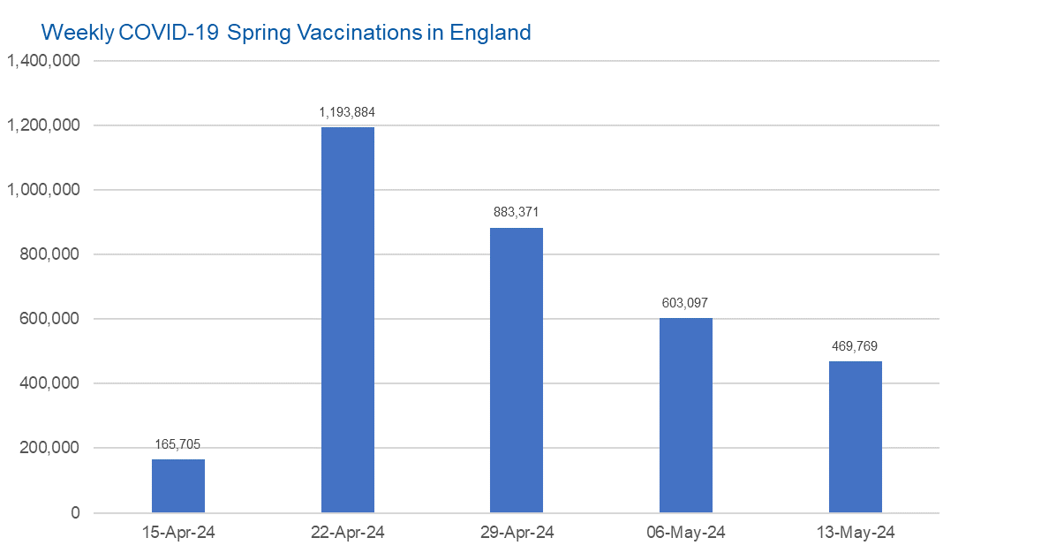

Week Commencing | Number of spring vaccinations | Cumulative number of spring vaccinations
Total | 3,315,826 | -
2024-04-15 | 165,705 | 165,705
2024-04-22 | 1,193,884 | 1,359,589
2024-04-29 | 883,371 | 2,242,960
2024-05-06 | 603,097 | 2,846,057
2024-05-13 | 469,769 | 3,315,826

Data quality notes:
1. Data was extracted from the DPS (Data Processing Service) Direct Flow on 21 May 2024.
2. See 'Definitions' tab for more information.

 |  |  | In the week commencing 13 May, 469,769 spring vaccinations were delivered. This brings the total number of spring vaccinations delivered to 3,315,826.

Total vaccinations by week
Title: | COVID-19 Vaccinations by Week of Vaccination
Summary: | The number of COVID-19 vaccinations delivered in England since the start of the COVID-19 vaccination programme, by week of vaccination.
Period1,2: | 8 December 2020 to 19 May 2024
Source: | DPS (Data Processing Service) Direct Flow, NHS England
Basis: | England
Published: | 23 May 2024
Status: | Published
Definitions: | These figures include all vaccinations administered in England, even if individuals vaccinated do not have an NHS number, are resident outside of England or are no longer alive.
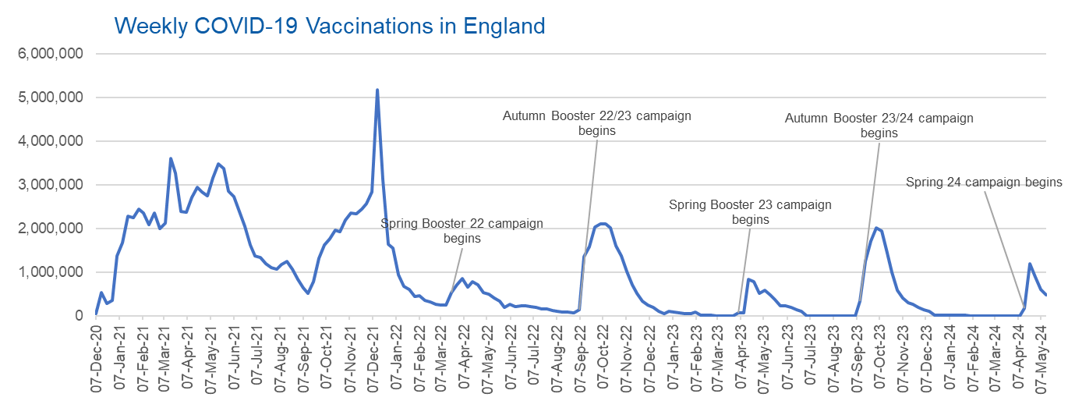

Week Commencing | Number of vaccinations delivered | Cumulative number of vaccinations delivered

Total | 164,523,370 | -
2020-12-07 | 57,722 | 57,722
2020-12-14 | 527,308 | 585,030
2020-12-21 | 272,766 | 857,796
2020-12-28 | 359,107 | 1,216,903
2021-01-04 | 1,370,385 | 2,587,288
2021-01-11 | 1,682,310 | 4,269,598
2021-01-18 | 2,291,390 | 6,560,988
2021-01-25 | 2,239,763 | 8,800,751
2021-02-01 | 2,439,406 | 11,240,157
2021-02-08 | 2,351,125 | 13,591,282
2021-02-15 | 2,095,907 | 15,687,189
2021-02-22 | 2,357,155 | 18,044,344
2021-03-01 | 2,001,661 | 20,046,005 | In the week commencing 13 May, 469,769 vaccinations were delivered, taking the total number of COVID-19 vaccinations delivered to 164,523,370.
2021-03-08 | 2,117,636 | 22,163,641
2021-03-15 | 3,598,200 | 25,761,841
2021-03-22 | 3,267,279 | 29,029,120
2021-03-29 | 2,388,863 | 31,417,983
2021-04-05 | 2,370,763 | 33,788,746
2021-04-12 | 2,707,850 | 36,496,596
2021-04-19 | 2,941,788 | 39,438,384
2021-04-26 | 2,840,811 | 42,279,195
2021-05-03 | 2,753,206 | 45,032,401
2021-05-10 | 3,164,022 | 48,196,423
2021-05-17 | 3,476,216 | 51,672,639
2021-05-24 | 3,377,490 | 55,050,129
2021-05-31 | 2,848,309 | 57,898,438
2021-06-07 | 2,727,603 | 60,626,041
2021-06-14 | 2,390,111 | 63,016,152
2021-06-21 | 2,053,470 | 65,069,622
2021-06-28 | 1,630,226 | 66,699,848
2021-07-05 | 1,365,164 | 68,065,012
2021-07-12 | 1,338,422 | 69,403,434
2021-07-19 | 1,193,821 | 70,597,255
2021-07-26 | 1,111,256 | 71,708,511
2021-08-02 | 1,077,076 | 72,785,587
2021-08-09 | 1,177,534 | 73,963,121
2021-08-16 | 1,247,243 | 75,210,364
2021-08-23 | 1,064,543 | 76,274,907
2021-08-30 | 828,850 | 77,103,757
2021-09-06 | 646,977 | 77,750,734
2021-09-13 | 522,341 | 78,273,075
2021-09-20 | 784,173 | 79,057,248
2021-09-27 | 1,321,367 | 80,378,615
2021-10-04 | 1,625,663 | 82,004,278
2021-10-11 | 1,760,026 | 83,764,304
2021-10-18 | 1,970,631 | 85,734,935
2021-10-25 | 1,933,470 | 87,668,405
2021-11-01 | 2,202,480 | 89,870,885
2021-11-08 | 2,346,891 | 92,217,776
2021-11-15 | 2,335,405 | 94,553,181
2021-11-22 | 2,443,550 | 96,996,731
2021-11-29 | 2,562,704 | 99,559,435
2021-12-06 | 2,844,210 | 102,403,645
2021-12-13 | 5,181,392 | 107,585,037
2021-12-20 | 3,131,375 | 110,716,412
2021-12-27 | 1,645,507 | 112,361,919
2022-01-03 | 1,544,394 | 113,906,313
2022-01-10 | 944,888 | 114,851,201
2022-01-17 | 671,231 | 115,522,432
2022-01-24 | 601,760 | 116,124,192
2022-01-31 | 447,226 | 116,571,418
2022-02-07 | 454,089 | 117,025,507
2022-02-14 | 352,346 | 117,377,853
2022-02-21 | 323,345 | 117,701,198
2022-02-28 | 271,997 | 117,973,195
2022-03-07 | 254,483 | 118,227,678
2022-03-14 | 244,843 | 118,472,521
2022-03-21 | 527,847 | 119,000,368
2022-03-28 | 718,811 | 119,719,179
2022-04-04 | 858,371 | 120,577,550
2022-04-11 | 661,539 | 121,239,089
2022-04-18 | 785,577 | 122,024,666
2022-04-25 | 717,830 | 122,742,496
2022-05-02 | 537,558 | 123,280,054
2022-05-09 | 503,200 | 123,783,254
2022-05-16 | 408,442 | 124,191,696
2022-05-23 | 342,895 | 124,534,591
2022-05-30 | 191,700 | 124,726,291
2022-06-06 | 264,057 | 124,990,348
2022-06-13 | 213,860 | 125,204,208
2022-06-20 | 221,838 | 125,426,046
2022-06-27 | 221,593 | 125,647,639
2022-07-04 | 209,935 | 125,857,574
2022-07-11 | 192,521 | 126,050,095
2022-07-18 | 162,139 | 126,212,234
2022-07-25 | 157,507 | 126,369,741
2022-08-01 | 116,177 | 126,485,918
2022-08-08 | 94,972 | 126,580,890
2022-08-15 | 89,843 | 126,670,733
2022-08-22 | 82,530 | 126,753,263
2022-08-29 | 63,853 | 126,817,116
2022-09-05 | 143,597 | 126,960,713
2022-09-12 | 1,361,125 | 128,321,838
2022-09-19 | 1,589,023 | 129,910,861
2022-09-26 | 2,024,889 | 131,935,750
2022-10-03 | 2,101,593 | 134,037,343
2022-10-10 | 2,107,407 | 136,144,750
2022-10-17 | 2,009,512 | 138,154,262
2022-10-24 | 1,607,441 | 139,761,703
2022-10-31 | 1,364,485 | 141,126,188
2022-11-07 | 1,008,331 | 142,134,519
2022-11-14 | 710,142 | 142,844,661
2022-11-21 | 515,788 | 143,360,449
2022-11-28 | 341,610 | 143,702,059
2022-12-05 | 250,151 | 143,952,210
2022-12-12 | 185,986 | 144,138,196
2022-12-19 | 104,594 | 144,242,790
2022-12-26 | 47,031 | 144,289,821
2023-01-02 | 98,921 | 144,388,742
2023-01-09 | 86,520 | 144,475,262
2023-01-16 | 60,091 | 144,535,353
2023-01-23 | 54,251 | 144,589,604
2023-01-30 | 50,113 | 144,639,717
2023-02-06 | 85,839 | 144,725,556
2023-02-13 | 11,300 | 144,736,856
2023-02-20 | 6,551 | 144,743,407
2023-02-27 | 4,984 | 144,748,391
2023-03-06 | 4,085 | 144,752,476
2023-03-13 | 3,775 | 144,756,251
2023-03-20 | 3,264 | 144,759,515
2023-03-27 | 2,460 | 144,761,975
2023-04-03 | 68,419 | 144,830,394
2023-04-10 | 74,534 | 144,904,928
2023-04-17 | 828,599 | 145,733,527
2023-04-24 | 779,471 | 146,512,998
2023-05-01 | 508,918 | 147,021,916
2023-05-08 | 580,915 | 147,602,831
2023-05-15 | 485,973 | 148,088,804
2023-05-22 | 373,206 | 148,462,010
2023-05-29 | 219,470 | 148,681,480
2023-06-05 | 230,675 | 148,912,155
2023-06-12 | 185,484 | 149,097,639
2023-06-19 | 144,867 | 149,242,506
2023-06-26 | 111,450 | 149,353,956
2023-07-03 | 801 | 149,354,757
2023-07-10 | 301 | 149,355,058
2023-07-17 | 212 | 149,355,270
2023-07-24 | 252 | 149,355,522
2023-07-31 | 199 | 149,355,721
2023-08-07 | 193 | 149,355,914
2023-08-14 | 253 | 149,356,167
2023-08-21 | 301 | 149,356,468
2023-08-28 | 273 | 149,356,741
2023-09-04 | 1,221 | 149,357,962
2023-09-11 | 328,746 | 149,686,708
2023-09-18 | 1,255,954 | 150,942,662
2023-09-25 | 1,716,773 | 152,659,435
2023-10-02 | 2,021,641 | 154,681,076
2023-10-09 | 1,940,400 | 156,621,476
2023-10-16 | 1,509,614 | 158,131,090
2023-10-23 | 992,959 | 159,124,049
2023-10-30 | 586,215 | 159,710,264
2023-11-06 | 407,895 | 160,118,159
2023-11-13 | 301,637 | 160,419,796
2023-11-20 | 267,395 | 160,687,191
2023-11-27 | 190,543 | 160,877,734
2023-12-04 | 131,348 | 161,009,082
2023-12-11 | 108,701 | 161,117,783
2023-12-18 | 22,368 | 161,140,151
2023-12-25 | 4,702 | 161,144,853
2024-01-01 | 11,096 | 161,155,949
2024-01-08 | 15,610 | 161,171,559
2024-01-15 | 13,714 | 161,185,273
2024-01-22 | 12,851 | 161,198,124
2024-01-29 | 7,768 | 161,205,892
2024-02-05 | 233 | 161,206,125
2024-02-12 | 122 | 161,206,247
2024-02-19 | 107 | 161,206,354
2024-02-26 | 86 | 161,206,440
2024-03-04 | 128 | 161,206,568
2024-03-11 | 67 | 161,206,635
2024-03-18 | 63 | 161,206,698
2024-03-25 | 68 | 161,206,766
2024-04-01 | 86 | 161,206,852
2024-04-08 | 692 | 161,207,544
2024-04-15 | 165,705 | 161,373,249
2024-04-22 | 1,193,884 | 162,567,133
2024-04-29 | 883,371 | 163,450,504
2024-05-06 | 603,097 | 164,053,601
2024-05-13 | 469,769 | 164,523,370

Data quality notes:
1. Data was extracted from the DPS (Data Processing Service) Direct Flow on 21 May 2024.
2. Note these figures may be updated as more information becomes available from local systems.

