Definitions
Title: | COVID-19 Vaccination Statistics Definitions
Summary: | This file contains information on the number of vaccinations for COVID-19 delivered to English residents and all other individuals who have been vaccinated in England (including those living outside of England). All vaccinations included in this publication were administered during the period specified below and are recorded against the date of vaccination. The source of all vaccination data in this publication is DPS (Data Processing Service) Direct Flow.
Period: | Data to 19 November 2023
Source: | DPS (Data Processing Service) Direct Flow, NHS England
Basis: | England
Published: | 23 November 2023
Status: | Published

Data Definitions
All data on the number of people vaccinated in this publication are taken from DPS (Data Processing Service) Direct Flow, unless otherwise specified. This was previously the National Immunisation Management System (NIMS).
Data marked as DPS (Data Processing Service) Direct Flow NHS England' includes any vaccinations given in England, regardless of whether the recipient is alive or resident in England.
Where figures are shown for NHS geographies (region), these are based on the place of residence of the vaccinated individual. The health geographical boundaries used are defined as at July 2023.
Autumn 2023/24 vaccinations definition
The total autumn vaccinations figure includes any vaccination administered after the start of the autumn campaign on 11 September 2023 to any individuals in an eligible cohort.
NHS England estimates that approximately 21.5 million people will be eligible for an autumn booster during the campaign. This figure includes individuals who are in an eligible cohort and had a first dose vaccination prior to the start of the campaign. Eligible cohorts we report in this publication include adults aged 65 and over, immunosuppressed individuals aged 5 to 64, individuals in a clinical risk group aged 5 to 64 and frontline healthcare workers. There are approximately 25.5 million people that are in an eligible cohort.
Separate cohort figures are published for individuals in an eligible autumn vaccination cohorts:
Aged 65+ - In line with JCVI guidance, age is as at 31 March 2024, as recorded in the Master Patient Index. Therefore, some vaccinations delivered to this cohort will be to individuals who have not yet turned 65.
Immunosuppressed (aged 5-64) - The Immunosuppressed (IS) cohort reported in this publication is based on the CaaS cohort definition as outlined in the Green Book (chapter 14). This cohort is a subset of the 'in a clinical risk group' cohort. Please note that the IS cohort might fluctuate as individuals move in and out of this cohort.
In a clinical risk group (aged 5-64) - The 'in a clinical risk group' cohort reported in this publication is based on the CaaS cohort definition as outlined in the Green Book (chapter 14). Please note that the in a clinical at risk cohort might fluctuate as individuals move in and out of this cohort.
Frontline healthcare workers - These figures represent only those NHS healthcare workers who appear in the NHS Electronic Staff Record (ESR), were employed by an NHS Trust as at the extract date and are in an occupational group designated as a frontline healthcare worker. This covers directly employed staff in NHS Trusts who are paid through ESR, which will include some NHS Bank staff. The figures do not include data on staff that are not paid through ESR, or staff on ESR who could not be matched to DPS. It also does not include data on primary care staff or social care workers.
Care home residents are also eligible for an autumn vaccination during the campaign but are not reported in this publication. Information on care home residents will be published separately.
The figures include any vaccinations delivered in England, regardless of whether the individual is still alive or resident in England. Not all vaccinations delivered up to this date will be included in these figures. At 21 September 2023, 95.0% of vaccinations recorded in the DPS database were reported within 1 day of being administered and 97.9% of vaccinations were reported within 7 days.
Age definition
Age is as at the end of March 2024, as recorded in the Master Patient Index (MPI). This is to ensure vaccinations delivered to 64 year olds will be counted in this figure if they turn 65 by the end of March. Vaccinations to children will be counted as an autumn vaccination if they turn 5 before the start of the campaign on 11 September 2023 and are in an eligible cohort.
 |  | j

Links
JCVI advises on eligible groups for 2023 autumn booster - GOV.UK (www.gov.uk)

Autumn vaccinations by week
Title: | COVID-19 Autumn Vaccinations by Week of Vaccination
Summary: | The number of people who have had a 'Autumn' vaccination for COVID-19 in England since the start of the Autumn 2023 campaign, by week of vaccination.
Period1: | 11 September 2023 to 19 November 2023
Source: | DPS (Data Processing Service) Direct Flow, NHS England
Basis: | England
Published: | 23 November 2023
Status: | Published
Definitions: | The data in this release includes all individuals with a 'Autumn' vaccination administered in England, even if individuals are resident outside of England, do not have an NHS number or are no longer alive. This includes vaccinations administered as part of clinical trials.

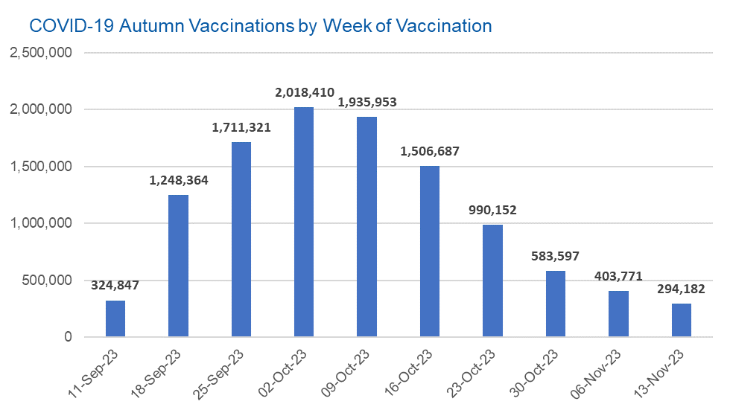

Week Commencing |  | Number of people who have had an Autumn vaccination to date | Cumulative number of people who have had an Autumn vaccination to date
Total |  | 11,017,284 | -
2023-09-11 |  | 324,847 | 324,847
2023-09-18 |  | 1,248,364 | 1,573,211
2023-09-25 |  | 1,711,321 | 3,284,532
2023-10-02 |  | 2,018,410 | 5,302,942
2023-10-09 |  | 1,935,953 | 7,238,895
2023-10-16 |  | 1,506,687 | 8,745,582
2023-10-23 |  | 990,152 | 9,735,734
2023-10-30 |  | 583,597 | 10,319,331
2023-11-06 |  | 403,771 | 10,723,102
2023-11-13 |  | 294,182 | 11,017,284

Data quality notes: |  |  |  | In the week commencing 13 November 2023, 294,182 autumn vaccinations were delivered. This brings the total number of autumn vaccinations delivered to 11,017,284.
1. Data was extracted from the DPS (Data Processing Service) Direct Flow on 21 November 2023.
2. See 'Definitions' tab for more information.

Total vaccinations by week
Title: | COVID-19 Vaccinations by Week of Vaccination
Summary: | The number of COVID-19 vaccinations delivered in England, by week of vaccination.
Period1,2: | 8 December 2020 to 19 November 2023
Source: | DPS (Data Processing Service) Direct Flow, NHS England
Basis: | England
Published: | 23 November 2023
Status: | Published
Definitions: | These figures include all vaccinations administered in England, even if individuals vaccinated do not have an NHS number, are resident outside of England or are no longer alive.
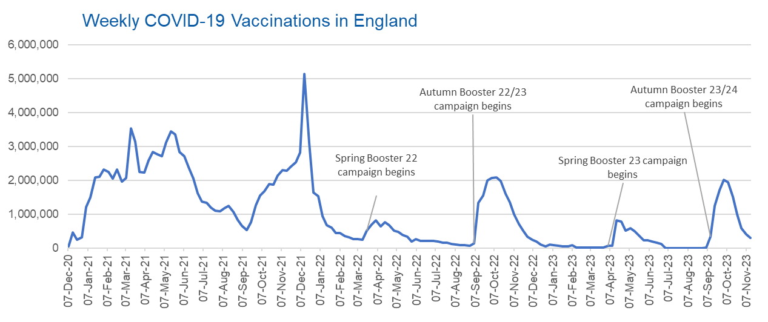

Week Commencing | Number of vaccinations delivered | Cumulative number of vaccinations delivered

Total | 156,671,062 | -
2020-12-07 | 54,722 | 54,722
2020-12-14 | 456,567 | 511,289
2020-12-21 | 243,432 | 754,721
2020-12-28 | 316,405 | 1,071,126
2021-01-04 | 1,213,221 | 2,284,347
2021-01-11 | 1,498,467 | 3,782,814
2021-01-18 | 2,090,093 | 5,872,907
2021-01-25 | 2,093,371 | 7,966,278
2021-02-01 | 2,311,250 | 10,277,528
2021-02-08 | 2,252,295 | 12,529,823
2021-02-15 | 2,050,452 | 14,580,275
2021-02-22 | 2,316,845 | 16,897,120
2021-03-01 | 1,956,564 | 18,853,684 | In the week commencing 13 November 2023, 294,182 vaccinations were delivered, taking the total number of COVID-19 vaccinations delivered to 156,671,062.
2021-03-08 | 2,067,356 | 20,921,040
2021-03-15 | 3,529,603 | 24,450,643
2021-03-22 | 3,136,510 | 27,587,153
2021-03-29 | 2,245,622 | 29,832,775
2021-04-05 | 2,221,541 | 32,054,316
2021-04-12 | 2,576,878 | 34,631,194
2021-04-19 | 2,831,905 | 37,463,099
2021-04-26 | 2,760,669 | 40,223,768
2021-05-03 | 2,705,342 | 42,929,110
2021-05-10 | 3,125,415 | 46,054,525
2021-05-17 | 3,447,609 | 49,502,134
2021-05-24 | 3,354,321 | 52,856,455
2021-05-31 | 2,832,921 | 55,689,376
2021-06-07 | 2,714,226 | 58,403,602
2021-06-14 | 2,380,687 | 60,784,289
2021-06-21 | 2,046,782 | 62,831,071
2021-06-28 | 1,625,049 | 64,456,120
2021-07-05 | 1,361,010 | 65,817,130
2021-07-12 | 1,334,610 | 67,151,740
2021-07-19 | 1,190,756 | 68,342,496
2021-07-26 | 1,108,542 | 69,451,038
2021-08-02 | 1,074,801 | 70,525,839
2021-08-09 | 1,175,632 | 71,701,471
2021-08-16 | 1,245,487 | 72,946,958
2021-08-23 | 1,062,828 | 74,009,786
2021-08-30 | 827,771 | 74,837,557
2021-09-06 | 645,917 | 75,483,474
2021-09-13 | 519,853 | 76,003,327
2021-09-20 | 760,136 | 76,763,463
2021-09-27 | 1,261,764 | 78,025,227
2021-10-04 | 1,547,791 | 79,573,018
2021-10-11 | 1,677,068 | 81,250,086
2021-10-18 | 1,884,759 | 83,134,845
2021-10-25 | 1,860,801 | 84,995,646
2021-11-01 | 2,137,699 | 87,133,345
2021-11-08 | 2,290,875 | 89,424,220
2021-11-15 | 2,288,934 | 91,713,154
2021-11-22 | 2,403,128 | 94,116,282
2021-11-29 | 2,527,261 | 96,643,543
2021-12-06 | 2,814,622 | 99,458,165
2021-12-13 | 5,145,081 | 104,603,246
2021-12-20 | 3,107,945 | 107,711,191
2021-12-27 | 1,637,182 | 109,348,373
2022-01-03 | 1,535,281 | 110,883,654
2022-01-10 | 936,739 | 111,820,393
2022-01-17 | 665,258 | 112,485,651
2022-01-24 | 595,782 | 113,081,433
2022-01-31 | 442,801 | 113,524,234
2022-02-07 | 447,056 | 113,971,290
2022-02-14 | 346,954 | 114,318,244
2022-02-21 | 318,454 | 114,636,698
2022-02-28 | 268,528 | 114,905,226
2022-03-07 | 251,544 | 115,156,770
2022-03-14 | 242,115 | 115,398,885
2022-03-21 | 510,305 | 115,909,190
2022-03-28 | 689,357 | 116,598,547
2022-04-04 | 820,302 | 117,418,849
2022-04-11 | 632,665 | 118,051,514
2022-04-18 | 753,172 | 118,804,686
2022-04-25 | 680,445 | 119,485,131
2022-05-02 | 512,425 | 119,997,556
2022-05-09 | 476,298 | 120,473,854
2022-05-16 | 386,672 | 120,860,526
2022-05-23 | 324,508 | 121,185,034
2022-05-30 | 183,950 | 121,368,984
2022-06-06 | 252,101 | 121,621,085
2022-06-13 | 203,886 | 121,824,971
2022-06-20 | 212,725 | 122,037,696
2022-06-27 | 214,411 | 122,252,107
2022-07-04 | 205,200 | 122,457,307
2022-07-11 | 188,825 | 122,646,132
2022-07-18 | 159,521 | 122,805,653
2022-07-25 | 155,176 | 122,960,829
2022-08-01 | 114,791 | 123,075,620
2022-08-08 | 93,979 | 123,169,599
2022-08-15 | 89,115 | 123,258,714
2022-08-22 | 82,026 | 123,340,740
2022-08-29 | 63,555 | 123,404,295
2022-09-05 | 134,332 | 123,538,627
2022-09-12 | 1,327,585 | 124,866,212
2022-09-19 | 1,556,018 | 126,422,230
2022-09-26 | 1,988,135 | 128,410,365
2022-10-03 | 2,066,951 | 130,477,316
2022-10-10 | 2,075,312 | 132,552,628
2022-10-17 | 1,984,867 | 134,537,495
2022-10-24 | 1,592,886 | 136,130,381
2022-10-31 | 1,352,122 | 137,482,503
2022-11-07 | 998,809 | 138,481,312
2022-11-14 | 702,903 | 139,184,215
2022-11-21 | 510,559 | 139,694,774
2022-11-28 | 337,858 | 140,032,632
2022-12-05 | 247,454 | 140,280,086
2022-12-12 | 184,107 | 140,464,193
2022-12-19 | 103,579 | 140,567,772
2022-12-26 | 46,825 | 140,614,597
2023-01-02 | 98,470 | 140,713,067
2023-01-09 | 85,977 | 140,799,044
2023-01-16 | 59,757 | 140,858,801
2023-01-23 | 53,897 | 140,912,698
2023-01-30 | 49,831 | 140,962,529
2023-02-06 | 85,480 | 141,048,009
2023-02-13 | 11,234 | 141,059,243
2023-02-20 | 6,524 | 141,065,767
2023-02-27 | 4,962 | 141,070,729
2023-03-06 | 4,074 | 141,074,803
2023-03-13 | 3,769 | 141,078,572
2023-03-20 | 3,262 | 141,081,834
2023-03-27 | 2,454 | 141,084,288
2023-04-03 | 64,013 | 141,148,301
2023-04-10 | 70,727 | 141,219,028
2023-04-17 | 822,858 | 142,041,886
2023-04-24 | 774,998 | 142,816,884
2023-05-01 | 506,620 | 143,323,504
2023-05-08 | 579,002 | 143,902,506
2023-05-15 | 484,380 | 144,386,886
2023-05-22 | 372,031 | 144,758,917
2023-05-29 | 219,040 | 144,977,957
2023-06-05 | 230,339 | 145,208,296
2023-06-12 | 185,280 | 145,393,576
2023-06-19 | 144,788 | 145,538,364
2023-06-26 | 111,427 | 145,649,791
2023-07-03 | 795 | 145,650,586
2023-07-10 | 300 | 145,650,886
2023-07-17 | 212 | 145,651,098
2023-07-24 | 252 | 145,651,350
2023-07-31 | 199 | 145,651,549
2023-08-07 | 193 | 145,651,742
2023-08-14 | 253 | 145,651,995
2023-08-21 | 301 | 145,652,296
2023-08-28 | 268 | 145,652,564
2023-09-04 | 1,214 | 145,653,778
2023-09-11 | 324,847 | 145,978,625
2023-09-18 | 1,248,364 | 147,226,989
2023-09-25 | 1,711,321 | 148,938,310
2023-10-02 | 2,018,410 | 150,956,720
2023-10-09 | 1,935,953 | 152,892,673
2023-10-16 | 1,506,687 | 154,399,360
2023-10-23 | 990,152 | 155,389,512
2023-10-30 | 583,597 | 155,973,109
2023-11-06 | 403,771 | 156,376,880
2023-11-13 | 294,182 | 156,671,062

Data quality notes:
1. Data was extracted from the DPS (Data Processing Service) Direct Flow on 21 November 2023.
2. Note these figures may be updated as more information becomes available from local systems.
3. Due to a transfer of vaccination data from the National Immunisation Management System (NIMS) to DPS (Data Processing Service) the number of total vaccinations decreased when comparing our last weekly publication during the spring 2023 campaign on 13 July 2023 and the first weekly publication during the autumn campaign on 28 September 2023. This drop in vaccinations is under investigation.

