Definitions
Title: | COVID-19 Vaccination Statistics Definitions
Summary: | This file contains information on the number of vaccinations for COVID-19 delivered to English residents and all other individuals who have been vaccinated in England (including those living outside of England). All vaccinations included in this publication were administered during the period specified below and are recorded against the date of vaccination. The source of all vaccination data in this publication is DPS (Data Processing Service) Direct Flow.
Period: | Data to 21 January 2024
Source: | DPS (Data Processing Service) Direct Flow, NHS England
Basis: | England
Published: | 25 January 2024
Status: | Published

Data Definitions
All data on the number of people vaccinated in this publication are taken from DPS (Data Processing Service) Direct Flow, unless otherwise specified. This was previously the National Immunisation Management System (NIMS).
Data marked as DPS (Data Processing Service) Direct Flow NHS England' includes any vaccinations given in England, regardless of whether the recipient is alive or resident in England.
Where figures are shown for NHS geographies (region), these are based on the place of residence of the vaccinated individual. The health geographical boundaries used are defined as at July 2023.
Autumn 2023/24 vaccinations definition
The total autumn vaccinations figure includes any vaccination administered after the start of the autumn campaign on 11 September 2023 to any individuals in an eligible cohort.
NHS England estimates that approximately 21.5 million people will be eligible for an autumn booster during the campaign. This figure includes individuals who are in an eligible cohort and had a first dose vaccination prior to the start of the campaign. Eligible cohorts we report in this publication include adults aged 65 and over, immunosuppressed individuals aged 5 to 64, individuals in a clinical risk group aged 5 to 64 and frontline healthcare workers. There are approximately 25.5 million people that are in an eligible cohort.
Separate cohort figures are published for individuals in an eligible autumn vaccination cohorts:
Aged 65+ - In line with JCVI guidance, age is as at 31 March 2024, as recorded in the Master Patient Index. Therefore, some vaccinations delivered to this cohort will be to individuals who have not yet turned 65.
Immunosuppressed (aged 5-64) - The Immunosuppressed (IS) cohort reported in this publication is based on the CaaS cohort definition as outlined in the Green Book (chapter 14). This cohort is a subset of the 'in a clinical risk group' cohort. Please note that the IS cohort might fluctuate as individuals move in and out of this cohort.
In a clinical risk group (aged 5-64) - The 'in a clinical risk group' cohort reported in this publication is based on the CaaS cohort definition as outlined in the Green Book (chapter 14). Please note that the in a clinical at risk cohort might fluctuate as individuals move in and out of this cohort.
Frontline healthcare workers - These figures represent only those NHS healthcare workers who appear in the NHS Electronic Staff Record (ESR), were employed by an NHS Trust as at the extract date and are in an occupational group designated as a frontline healthcare worker. This covers directly employed staff in NHS Trusts who are paid through ESR, which will include some NHS Bank staff. The figures do not include data on staff that are not paid through ESR, or staff on ESR who could not be matched to DPS. It also does not include data on primary care staff or social care workers.
Care home residents are also eligible for an autumn vaccination during the campaign but are not reported in this publication. Information on care home residents will be published separately.
The figures include any vaccinations delivered in England, regardless of whether the individual is still alive or resident in England. Not all vaccinations delivered up to this date will be included in these figures. At 2 January 2024, 94.8% of vaccinations recorded in the DPS Direct Flow database were reported within 1 day of being administered and 97.9% of vaccinations were reported within 7 days.
Age definition
Age is as at the end of March 2024, as recorded in the Master Patient Index (MPI). This is to ensure vaccinations delivered to 64 year olds will be counted in this figure if they turn 65 by the end of March. Vaccinations to children will be counted as an autumn vaccination if they turn 5 before the start of the campaign on 11 September 2023 and are in an eligible cohort.
 |  | j

Links
JCVI advises on eligible groups for 2023 autumn booster - GOV.UK (www.gov.uk)

Autumn vaccinations by week
Title: | COVID-19 Autumn Vaccinations by Week of Vaccination
Summary: | The number of people who have had a 'Autumn' vaccination for COVID-19 in England since the start of the Autumn 2023 campaign, by week of vaccination.
Period1: | 11 September 2023 to 21 January 2024
Source: | DPS (Data Processing Service) Direct Flow, NHS England
Basis: | England
Published: | 25 January 2024
Status: | Published
Definitions: | The data in this release includes all individuals with a 'Autumn' vaccination administered in England, even if individuals are resident outside of England, do not have an NHS number or are no longer alive. This includes vaccinations administered as part of clinical trials.

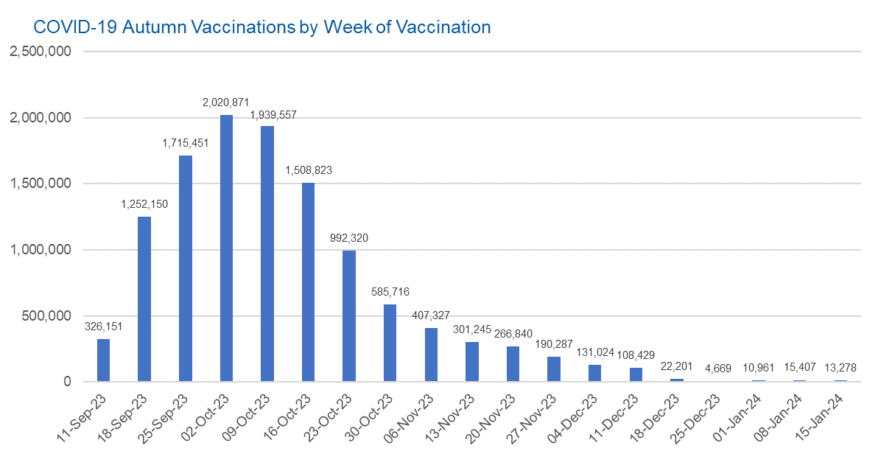

Week Commencing |  | Number of people who have had an Autumn vaccination to date | Cumulative number of people who have had an Autumn vaccination to date
Total |  | 11,812,707 | -
2023-09-11 |  | 326,151 | 326,151
2023-09-18 |  | 1,252,150 | 1,578,301
2023-09-25 |  | 1,715,451 | 3,293,752
2023-10-02 |  | 2,020,871 | 5,314,623
2023-10-09 |  | 1,939,557 | 7,254,180
2023-10-16 |  | 1,508,823 | 8,763,003
2023-10-23 |  | 992,320 | 9,755,323
2023-10-30 |  | 585,716 | 10,341,039
2023-11-06 |  | 407,327 | 10,748,366
2023-11-13 |  | 301,245 | 11,049,611
2023-11-20 |  | 266,840 | 11,316,451
2023-11-27 |  | 190,287 | 11,506,738
2023-12-04 |  | 131,024 | 11,637,762
2023-12-11 |  | 108,429 | 11,746,191
2023-12-18 |  | 22,201 | 11,768,392 | In the week commencing 15 January 2024, 13,278 autumn vaccinations were delivered. This brings the total number of autumn vaccinations delivered to 11,812,707.
2023-12-25 |  | 4,669 | 11,773,061
2024-01-01 |  | 10,961 | 11,784,022
2024-01-08 |  | 15,407 | 11,799,429
2024-01-15 |  | 13,278 | 11,812,707

Data quality notes:
1. Data was extracted from the DPS (Data Processing Service) Direct Flow on 23 January 2024.
2. See 'Definitions' tab for more information.

Total vaccinations by week
Title: | COVID-19 Vaccinations by Week of Vaccination
Summary: | The number of COVID-19 vaccinations delivered in England, by week of vaccination.
Period1,2: | 8 December 2020 to 21 January 2024
Source: | DPS (Data Processing Service) Direct Flow, NHS England
Basis: | England
Published: | 25 January 2024
Status: | Published
Definitions: | These figures include all vaccinations administered in England, even if individuals vaccinated do not have an NHS number, are resident outside of England or are no longer alive.
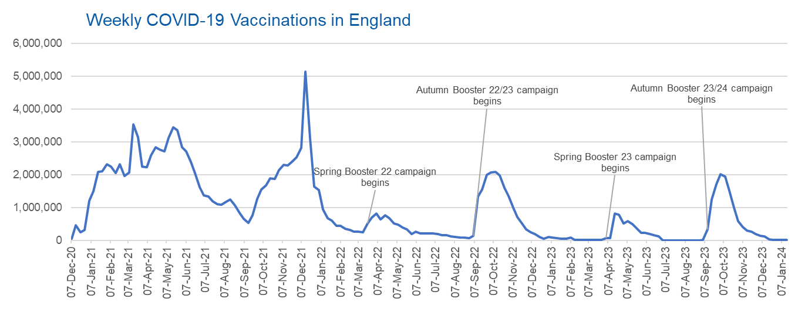

Week Commencing | Number of vaccinations delivered | Cumulative number of vaccinations delivered

Total | 157,465,550 | -
2020-12-07 | 54,720 | 54,720
2020-12-14 | 456,560 | 511,280
2020-12-21 | 243,430 | 754,710
2020-12-28 | 316,402 | 1,071,112
2021-01-04 | 1,213,209 | 2,284,321
2021-01-11 | 1,498,444 | 3,782,765
2021-01-18 | 2,090,076 | 5,872,841
2021-01-25 | 2,093,363 | 7,966,204
2021-02-01 | 2,311,241 | 10,277,445
2021-02-08 | 2,252,279 | 12,529,724
2021-02-15 | 2,050,446 | 14,580,170
2021-02-22 | 2,316,838 | 16,897,008
2021-03-01 | 1,956,554 | 18,853,562 |  | In the week commencing 15 January 2024, 13,278 vaccinations were delivered, taking the total number of COVID-19 vaccinations delivered to 157,465,550
2021-03-08 | 2,067,342 | 20,920,904
2021-03-15 | 3,529,594 | 24,450,498
2021-03-22 | 3,136,492 | 27,586,990
2021-03-29 | 2,245,601 | 29,832,591
2021-04-05 | 2,221,527 | 32,054,118
2021-04-12 | 2,576,866 | 34,630,984
2021-04-19 | 2,831,895 | 37,462,879
2021-04-26 | 2,760,660 | 40,223,539
2021-05-03 | 2,705,333 | 42,928,872
2021-05-10 | 3,125,407 | 46,054,279
2021-05-17 | 3,447,598 | 49,501,877
2021-05-24 | 3,354,304 | 52,856,181
2021-05-31 | 2,832,899 | 55,689,080
2021-06-07 | 2,714,204 | 58,403,284
2021-06-14 | 2,380,671 | 60,783,955
2021-06-21 | 2,046,768 | 62,830,723
2021-06-28 | 1,625,033 | 64,455,756
2021-07-05 | 1,361,000 | 65,816,756
2021-07-12 | 1,334,602 | 67,151,358
2021-07-19 | 1,190,748 | 68,342,106
2021-07-26 | 1,108,533 | 69,450,639
2021-08-02 | 1,074,788 | 70,525,427
2021-08-09 | 1,175,612 | 71,701,039
2021-08-16 | 1,245,468 | 72,946,507
2021-08-23 | 1,062,807 | 74,009,314
2021-08-30 | 827,763 | 74,837,077
2021-09-06 | 645,911 | 75,482,988
2021-09-13 | 519,841 | 76,002,829
2021-09-20 | 760,117 | 76,762,946
2021-09-27 | 1,261,740 | 78,024,686
2021-10-04 | 1,547,764 | 79,572,450
2021-10-11 | 1,677,040 | 81,249,490
2021-10-18 | 1,884,732 | 83,134,222
2021-10-25 | 1,860,774 | 84,994,996
2021-11-01 | 2,137,679 | 87,132,675
2021-11-08 | 2,290,847 | 89,423,522
2021-11-15 | 2,288,888 | 91,712,410
2021-11-22 | 2,403,101 | 94,115,511
2021-11-29 | 2,527,221 | 96,642,732
2021-12-06 | 2,814,586 | 99,457,318
2021-12-13 | 5,145,001 | 104,602,319
2021-12-20 | 3,107,908 | 107,710,227
2021-12-27 | 1,637,160 | 109,347,387
2022-01-03 | 1,535,265 | 110,882,652
2022-01-10 | 936,726 | 111,819,378
2022-01-17 | 665,248 | 112,484,626
2022-01-24 | 595,775 | 113,080,401
2022-01-31 | 442,791 | 113,523,192
2022-02-07 | 447,052 | 113,970,244
2022-02-14 | 346,950 | 114,317,194
2022-02-21 | 318,459 | 114,635,653
2022-02-28 | 268,551 | 114,904,204
2022-03-07 | 251,558 | 115,155,762
2022-03-14 | 242,111 | 115,397,873
2022-03-21 | 510,310 | 115,908,183
2022-03-28 | 689,366 | 116,597,549
2022-04-04 | 820,318 | 117,417,867
2022-04-11 | 632,753 | 118,050,620
2022-04-18 | 753,158 | 118,803,778
2022-04-25 | 680,477 | 119,484,255
2022-05-02 | 512,427 | 119,996,682
2022-05-09 | 476,307 | 120,472,989
2022-05-16 | 386,670 | 120,859,659
2022-05-23 | 324,502 | 121,184,161
2022-05-30 | 183,948 | 121,368,109
2022-06-06 | 252,124 | 121,620,233
2022-06-13 | 203,887 | 121,824,120
2022-06-20 | 212,722 | 122,036,842
2022-06-27 | 214,409 | 122,251,251
2022-07-04 | 205,202 | 122,456,453
2022-07-11 | 188,824 | 122,645,277
2022-07-18 | 159,519 | 122,804,796
2022-07-25 | 155,174 | 122,959,970
2022-08-01 | 114,791 | 123,074,761
2022-08-08 | 93,978 | 123,168,739
2022-08-15 | 89,114 | 123,257,853
2022-08-22 | 82,024 | 123,339,877
2022-08-29 | 63,553 | 123,403,430
2022-09-05 | 134,328 | 123,537,758
2022-09-12 | 1,327,576 | 124,865,334
2022-09-19 | 1,555,996 | 126,421,330
2022-09-26 | 1,988,097 | 128,409,427
2022-10-03 | 2,066,926 | 130,476,353
2022-10-10 | 2,075,258 | 132,551,611
2022-10-17 | 1,984,826 | 134,536,437
2022-10-24 | 1,592,865 | 136,129,302
2022-10-31 | 1,352,101 | 137,481,403
2022-11-07 | 998,791 | 138,480,194
2022-11-14 | 702,888 | 139,183,082
2022-11-21 | 510,550 | 139,693,632
2022-11-28 | 337,853 | 140,031,485
2022-12-05 | 247,455 | 140,278,940
2022-12-12 | 184,099 | 140,463,039
2022-12-19 | 103,578 | 140,566,617
2022-12-26 | 46,825 | 140,613,442
2023-01-02 | 98,469 | 140,711,911
2023-01-09 | 85,975 | 140,797,886
2023-01-16 | 59,754 | 140,857,640
2023-01-23 | 53,894 | 140,911,534
2023-01-30 | 49,828 | 140,961,362
2023-02-06 | 85,479 | 141,046,841
2023-02-13 | 11,234 | 141,058,075
2023-02-20 | 6,524 | 141,064,599
2023-02-27 | 4,962 | 141,069,561
2023-03-06 | 4,074 | 141,073,635
2023-03-13 | 3,769 | 141,077,404
2023-03-20 | 3,262 | 141,080,666
2023-03-27 | 2,455 | 141,083,121
2023-04-03 | 64,013 | 141,147,134 | 23,729,267
2023-04-10 | 70,727 | 141,217,861
2023-04-17 | 822,857 | 142,040,718
2023-04-24 | 775,181 | 142,815,899
2023-05-01 | 506,646 | 143,322,545
2023-05-08 | 579,011 | 143,901,556
2023-05-15 | 484,378 | 144,385,934
2023-05-22 | 372,028 | 144,757,962
2023-05-29 | 219,040 | 144,977,002
2023-06-05 | 230,339 | 145,207,341
2023-06-12 | 185,280 | 145,392,621
2023-06-19 | 144,788 | 145,537,409
2023-06-26 | 111,439 | 145,648,848
2023-07-03 | 795 | 145,649,643
2023-07-10 | 301 | 145,649,944
2023-07-17 | 212 | 145,650,156
2023-07-24 | 252 | 145,650,408
2023-07-31 | 199 | 145,650,607
2023-08-07 | 193 | 145,650,800
2023-08-14 | 253 | 145,651,053
2023-08-21 | 301 | 145,651,354
2023-08-28 | 272 | 145,651,626
2023-09-04 | 1,217 | 145,652,843
2023-09-11 | 326,151 | 145,978,994
2023-09-18 | 1,252,150 | 147,231,144
2023-09-25 | 1,715,451 | 148,946,595
2023-10-02 | 2,020,871 | 150,967,466
2023-10-09 | 1,939,557 | 152,907,023
2023-10-16 | 1,508,823 | 154,415,846
2023-10-23 | 992,320 | 155,408,166
2023-10-30 | 585,716 | 155,993,882
2023-11-06 | 407,327 | 156,401,209
2023-11-13 | 301,245 | 156,702,454
2023-11-20 | 266,840 | 156,969,294
2023-11-27 | 190,287 | 157,159,581
2023-12-04 | 131,024 | 157,290,605
2023-12-11 | 108,429 | 157,399,034
2023-12-18 | 22,201 | 157,421,235
2023-12-25 | 4,669 | 157,425,904
2024-01-01 | 10,961 | 157,436,865
2024-01-08 | 15,407 | 157,452,272
2024-01-15 | 13,278 | 157,465,550 | 16,318,416

Data quality notes:
1. Data was extracted from the DPS (Data Processing Service) Direct Flow on 23 January 2024.
2. Note these figures may be updated as more information becomes available from local systems.
3. Due to a transfer of vaccination data from the National Immunisation Management System (NIMS) to DPS (Data Processing Service) the number of total vaccinations decreased when comparing our last weekly publication during the spring 2023 campaign on 13 July 2023 and the first weekly publication during the autumn campaign on 28 September 2023. This drop in vaccinations is under investigation.

