Definitions
Title: | COVID-19 Vaccination Statistics Definitions
Summary: | This file contains information on the number of vaccinations for COVID-19 delivered to English residents and all other individuals who have been vaccinated in England (including those living outside of England). All vaccinations included in this publication were administered during the period specified below and are recorded against the date of vaccination. The source of all vaccination data in this publication is DPS (Data Processing Service) Direct Flow.
Period: | Data to 28 January 2024
Source: | DPS (Data Processing Service) Direct Flow, NHS England
Basis: | England
Published: | 1 February 2024
Status: | Published

Data Definitions
All data on the number of people vaccinated in this publication are taken from DPS (Data Processing Service) Direct Flow, unless otherwise specified. This was previously the National Immunisation Management System (NIMS).
Data marked as DPS (Data Processing Service) Direct Flow NHS England' includes any vaccinations given in England, regardless of whether the recipient is alive or resident in England.
Where figures are shown for NHS geographies (region), these are based on the place of residence of the vaccinated individual. The health geographical boundaries used are defined as at July 2023.
Autumn 2023/24 vaccinations definition
The total autumn vaccinations figure includes any vaccination administered after the start of the autumn campaign on 11 September 2023 to any individuals in an eligible cohort.
NHS England estimates that approximately 21.5 million people will be eligible for an autumn booster during the campaign. This figure includes individuals who are in an eligible cohort and had a first dose vaccination prior to the start of the campaign. Eligible cohorts we report in this publication include adults aged 65 and over, immunosuppressed individuals aged 5 to 64, individuals in a clinical risk group aged 5 to 64 and frontline healthcare workers. There are approximately 25.5 million people that are in an eligible cohort.
Separate cohort figures are published for individuals in an eligible autumn vaccination cohorts:
Aged 65+ - In line with JCVI guidance, age is as at 31 March 2024, as recorded in the Master Patient Index. Therefore, some vaccinations delivered to this cohort will be to individuals who have not yet turned 65.
Immunosuppressed (aged 5-64) - The Immunosuppressed (IS) cohort reported in this publication is based on the CaaS cohort definition as outlined in the Green Book (chapter 14). This cohort is a subset of the 'in a clinical risk group' cohort. Please note that the IS cohort might fluctuate as individuals move in and out of this cohort.
In a clinical risk group (aged 5-64) - The 'in a clinical risk group' cohort reported in this publication is based on the CaaS cohort definition as outlined in the Green Book (chapter 14). Please note that the in a clinical at risk cohort might fluctuate as individuals move in and out of this cohort.
Frontline healthcare workers - These figures represent only those NHS healthcare workers who appear in the NHS Electronic Staff Record (ESR), were employed by an NHS Trust as at the extract date and are in an occupational group designated as a frontline healthcare worker. This covers directly employed staff in NHS Trusts who are paid through ESR, which will include some NHS Bank staff. The figures do not include data on staff that are not paid through ESR, or staff on ESR who could not be matched to DPS. It also does not include data on primary care staff or social care workers.
Care home residents are also eligible for an autumn vaccination during the campaign but are not reported in this publication. Information on care home residents will be published separately.
The figures include any vaccinations delivered in England, regardless of whether the individual is still alive or resident in England. Not all vaccinations delivered up to this date will be included in these figures. At 2 January 2024, 94.8% of vaccinations recorded in the DPS Direct Flow database were reported within 1 day of being administered and 97.9% of vaccinations were reported within 7 days.
Age definition
Age is as at the end of March 2024, as recorded in the Master Patient Index (MPI). This is to ensure vaccinations delivered to 64 year olds will be counted in this figure if they turn 65 by the end of March. Vaccinations to children will be counted as an autumn vaccination if they turn 5 before the start of the campaign on 11 September 2023 and are in an eligible cohort.
 |  | j

Links
JCVI advises on eligible groups for 2023 autumn booster - GOV.UK (www.gov.uk)

Autumn vaccinations by week
Title: | COVID-19 Autumn Vaccinations by Week of Vaccination
Summary: | The number of people who have had a 'Autumn' vaccination for COVID-19 in England since the start of the Autumn 2023 campaign, by week of vaccination.
Period1: | 11 September 2023 to 28 January 2024
Source: | DPS (Data Processing Service) Direct Flow, NHS England
Basis: | England
Published: | 1 February 2024
Status: | Published
Definitions: | The data in this release includes all individuals with a 'Autumn' vaccination administered in England, even if individuals are resident outside of England, do not have an NHS number or are no longer alive. This includes vaccinations administered as part of clinical trials.

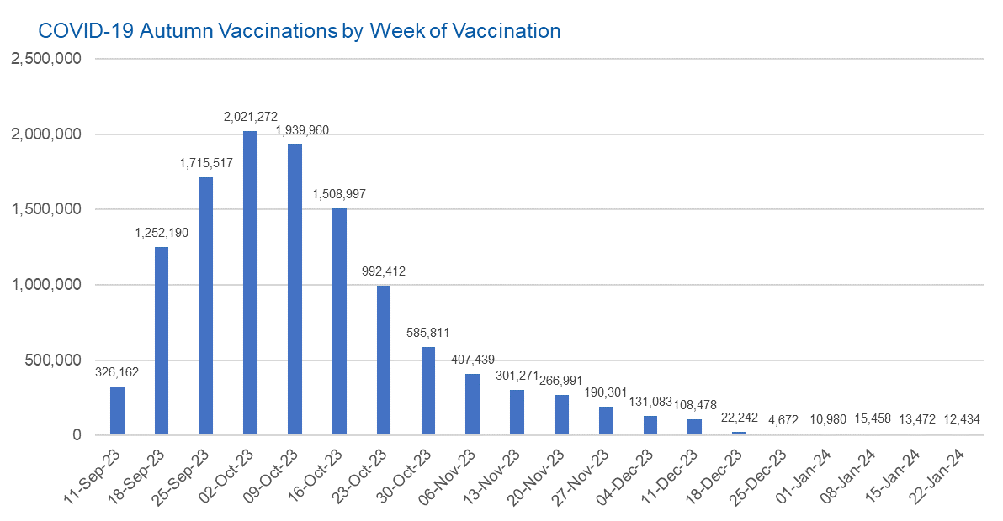

Week Commencing |  | Number of people who have had an Autumn vaccination to date | Cumulative number of people who have had an Autumn vaccination to date
Total |  | 11,827,142 | -
2023-09-11 |  | 326,162 | 326,162
2023-09-18 |  | 1,252,190 | 1,578,352
2023-09-25 |  | 1,715,517 | 3,293,869
2023-10-02 |  | 2,021,272 | 5,315,141
2023-10-09 |  | 1,939,960 | 7,255,101
2023-10-16 |  | 1,508,997 | 8,764,098
2023-10-23 |  | 992,412 | 9,756,510
2023-10-30 |  | 585,811 | 10,342,321
2023-11-06 |  | 407,439 | 10,749,760
2023-11-13 |  | 301,271 | 11,051,031
2023-11-20 |  | 266,991 | 11,318,022
2023-11-27 |  | 190,301 | 11,508,323
2023-12-04 |  | 131,083 | 11,639,406
2023-12-11 |  | 108,478 | 11,747,884
2023-12-18 |  | 22,242 | 11,770,126 | In the week commencing 22 January 2024, 12,434 autumn vaccinations were delivered. This brings the total number of autumn vaccinations delivered to 11,827,142.
2023-12-25 |  | 4,672 | 11,774,798
2024-01-01 |  | 10,980 | 11,785,778
2024-01-08 |  | 15,458 | 11,801,236
2024-01-15 |  | 13,472 | 11,814,708
2024-01-22 |  | 12,434 | 11,827,142

Data quality notes:
1. Data was extracted from the DPS (Data Processing Service) Direct Flow on 30 January 2024.
2. See 'Definitions' tab for more information.

Total vaccinations by week
Title: | COVID-19 Vaccinations by Week of Vaccination
Summary: | The number of COVID-19 vaccinations delivered in England, by week of vaccination.
Period1,2: | 8 December 2020 to 28 January 2024
Source: | DPS (Data Processing Service) Direct Flow, NHS England
Basis: | England
Published: | 1 February 2024
Status: | Published
Definitions: | These figures include all vaccinations administered in England, even if individuals vaccinated do not have an NHS number, are resident outside of England or are no longer alive.
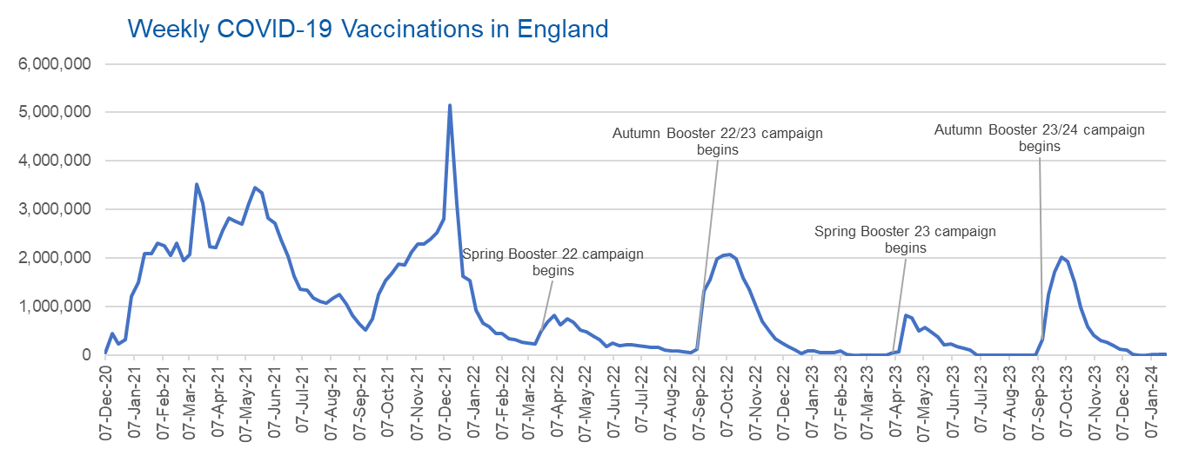

Week Commencing | Number of vaccinations delivered | Cumulative number of vaccinations delivered

Total | 157,479,874 | -
2020-12-07 | 54,719 | 54,719
2020-12-14 | 456,560 | 511,279
2020-12-21 | 243,430 | 754,709
2020-12-28 | 316,402 | 1,071,111
2021-01-04 | 1,213,208 | 2,284,319
2021-01-11 | 1,498,443 | 3,782,762
2021-01-18 | 2,090,074 | 5,872,836
2021-01-25 | 2,093,364 | 7,966,200
2021-02-01 | 2,311,241 | 10,277,441
2021-02-08 | 2,252,277 | 12,529,718
2021-02-15 | 2,050,446 | 14,580,164
2021-02-22 | 2,316,838 | 16,897,002
2021-03-01 | 1,956,554 | 18,853,556 | In the week commencing 22 January 2024, 13,472 vaccinations were delivered, taking the total number of COVID-19 vaccinations delivered to 157,479,874.
2021-03-08 | 2,067,341 | 20,920,897
2021-03-15 | 3,529,594 | 24,450,491
2021-03-22 | 3,136,491 | 27,586,982
2021-03-29 | 2,245,601 | 29,832,583
2021-04-05 | 2,221,526 | 32,054,109
2021-04-12 | 2,576,866 | 34,630,975
2021-04-19 | 2,831,895 | 37,462,870
2021-04-26 | 2,760,660 | 40,223,530
2021-05-03 | 2,705,333 | 42,928,863
2021-05-10 | 3,125,406 | 46,054,269
2021-05-17 | 3,447,597 | 49,501,866
2021-05-24 | 3,354,304 | 52,856,170
2021-05-31 | 2,832,898 | 55,689,068
2021-06-07 | 2,714,202 | 58,403,270
2021-06-14 | 2,380,671 | 60,783,941
2021-06-21 | 2,046,767 | 62,830,708
2021-06-28 | 1,625,031 | 64,455,739
2021-07-05 | 1,360,998 | 65,816,737
2021-07-12 | 1,334,598 | 67,151,335
2021-07-19 | 1,190,748 | 68,342,083
2021-07-26 | 1,108,533 | 69,450,616
2021-08-02 | 1,074,786 | 70,525,402
2021-08-09 | 1,175,610 | 71,701,012
2021-08-16 | 1,245,464 | 72,946,476
2021-08-23 | 1,062,807 | 74,009,283
2021-08-30 | 827,762 | 74,837,045
2021-09-06 | 645,910 | 75,482,955
2021-09-13 | 519,839 | 76,002,794
2021-09-20 | 760,115 | 76,762,909
2021-09-27 | 1,261,739 | 78,024,648
2021-10-04 | 1,547,764 | 79,572,412
2021-10-11 | 1,677,036 | 81,249,448
2021-10-18 | 1,884,728 | 83,134,176
2021-10-25 | 1,860,773 | 84,994,949
2021-11-01 | 2,137,678 | 87,132,627
2021-11-08 | 2,290,844 | 89,423,471
2021-11-15 | 2,288,885 | 91,712,356
2021-11-22 | 2,403,098 | 94,115,454
2021-11-29 | 2,527,218 | 96,642,672
2021-12-06 | 2,814,586 | 99,457,258
2021-12-13 | 5,144,991 | 104,602,249
2021-12-20 | 3,107,905 | 107,710,154
2021-12-27 | 1,637,160 | 109,347,314
2022-01-03 | 1,535,264 | 110,882,578
2022-01-10 | 936,725 | 111,819,303
2022-01-17 | 665,245 | 112,484,548
2022-01-24 | 595,773 | 113,080,321
2022-01-31 | 442,790 | 113,523,111
2022-02-07 | 447,052 | 113,970,163
2022-02-14 | 346,950 | 114,317,113
2022-02-21 | 318,458 | 114,635,571
2022-02-28 | 268,551 | 114,904,122
2022-03-07 | 251,556 | 115,155,678
2022-03-14 | 242,111 | 115,397,789
2022-03-21 | 510,310 | 115,908,099
2022-03-28 | 689,364 | 116,597,463
2022-04-04 | 820,318 | 117,417,781
2022-04-11 | 632,753 | 118,050,534
2022-04-18 | 753,157 | 118,803,691
2022-04-25 | 680,476 | 119,484,167
2022-05-02 | 512,427 | 119,996,594
2022-05-09 | 476,307 | 120,472,901
2022-05-16 | 386,669 | 120,859,570
2022-05-23 | 324,502 | 121,184,072
2022-05-30 | 183,947 | 121,368,019
2022-06-06 | 252,124 | 121,620,143
2022-06-13 | 203,887 | 121,824,030
2022-06-20 | 212,721 | 122,036,751
2022-06-27 | 214,409 | 122,251,160
2022-07-04 | 205,202 | 122,456,362
2022-07-11 | 188,824 | 122,645,186
2022-07-18 | 159,519 | 122,804,705
2022-07-25 | 155,174 | 122,959,879
2022-08-01 | 114,791 | 123,074,670
2022-08-08 | 93,978 | 123,168,648
2022-08-15 | 89,114 | 123,257,762
2022-08-22 | 82,024 | 123,339,786
2022-08-29 | 63,553 | 123,403,339
2022-09-05 | 134,328 | 123,537,667
2022-09-12 | 1,327,573 | 124,865,240
2022-09-19 | 1,555,994 | 126,421,234
2022-09-26 | 1,988,095 | 128,409,329
2022-10-03 | 2,066,923 | 130,476,252
2022-10-10 | 2,075,257 | 132,551,509
2022-10-17 | 1,984,824 | 134,536,333
2022-10-24 | 1,592,864 | 136,129,197
2022-10-31 | 1,352,097 | 137,481,294
2022-11-07 | 998,790 | 138,480,084
2022-11-14 | 702,888 | 139,182,972
2022-11-21 | 510,550 | 139,693,522
2022-11-28 | 337,853 | 140,031,375
2022-12-05 | 247,455 | 140,278,830
2022-12-12 | 184,099 | 140,462,929
2022-12-19 | 103,578 | 140,566,507
2022-12-26 | 46,824 | 140,613,331
2023-01-02 | 98,468 | 140,711,799
2023-01-09 | 85,975 | 140,797,774
2023-01-16 | 59,754 | 140,857,528
2023-01-23 | 53,896 | 140,911,424
2023-01-30 | 49,828 | 140,961,252
2023-02-06 | 85,478 | 141,046,730
2023-02-13 | 11,234 | 141,057,964
2023-02-20 | 6,524 | 141,064,488
2023-02-27 | 4,962 | 141,069,450
2023-03-06 | 4,074 | 141,073,524
2023-03-13 | 3,769 | 141,077,293
2023-03-20 | 3,262 | 141,080,555
2023-03-27 | 2,455 | 141,083,010
2023-04-03 | 64,013 | 141,147,023
2023-04-10 | 70,727 | 141,217,750
2023-04-17 | 822,857 | 142,040,607
2023-04-24 | 775,181 | 142,815,788
2023-05-01 | 506,646 | 143,322,434
2023-05-08 | 579,011 | 143,901,445
2023-05-15 | 484,378 | 144,385,823
2023-05-22 | 372,028 | 144,757,851
2023-05-29 | 219,040 | 144,976,891
2023-06-05 | 230,339 | 145,207,230
2023-06-12 | 185,280 | 145,392,510
2023-06-19 | 144,788 | 145,537,298
2023-06-26 | 111,439 | 145,648,737
2023-07-03 | 795 | 145,649,532
2023-07-10 | 301 | 145,649,833
2023-07-17 | 212 | 145,650,045
2023-07-24 | 252 | 145,650,297
2023-07-31 | 199 | 145,650,496
2023-08-07 | 193 | 145,650,689
2023-08-14 | 253 | 145,650,942
2023-08-21 | 301 | 145,651,243
2023-08-28 | 272 | 145,651,515
2023-09-04 | 1,217 | 145,652,732
2023-09-11 | 326,162 | 145,978,894
2023-09-18 | 1,252,190 | 147,231,084
2023-09-25 | 1,715,517 | 148,946,601
2023-10-02 | 2,021,272 | 150,967,873
2023-10-09 | 1,939,960 | 152,907,833
2023-10-16 | 1,508,997 | 154,416,830
2023-10-23 | 992,412 | 155,409,242
2023-10-30 | 585,811 | 155,995,053
2023-11-06 | 407,439 | 156,402,492
2023-11-13 | 301,271 | 156,703,763
2023-11-20 | 266,991 | 156,970,754
2023-11-27 | 190,301 | 157,161,055
2023-12-04 | 131,083 | 157,292,138
2023-12-11 | 108,478 | 157,400,616
2023-12-18 | 22,242 | 157,422,858
2023-12-25 | 4,672 | 157,427,530
2024-01-01 | 10,980 | 157,438,510
2024-01-08 | 15,458 | 157,453,968
2024-01-15 | 13,472 | 157,467,440
2024-01-22 | 12,434 | 157,479,874

Data quality notes:
1. Data was extracted from the DPS (Data Processing Service) Direct Flow on 30 January 2024.
2. Note these figures may be updated as more information becomes available from local systems.
3. Due to a transfer of vaccination data from the National Immunisation Management System (NIMS) to DPS (Data Processing Service) the number of total vaccinations decreased when comparing our last weekly publication during the spring 2023 campaign on 13 July 2023 and the first weekly publication during the autumn campaign on 28 September 2023. This drop in vaccinations is under investigation.

