Definitions
Title: | COVID-19 Vaccination Statistics Definitions
Summary: | This file contains information on the number of vaccinations for COVID-19 delivered to English residents and all other individuals who have been vaccinated in England (including those living outside of England). All vaccinations included in this publication were administered during the period specified below and are recorded against the date of vaccination. The source of all vaccination data in this publication is the National Immunisation Management System (NIMS) database.
Period: | Data to 28 May 2023
Source: | National Immunisation Management System (NIMS)
Basis: | England
Published: | 1 June 2023
Status: | Published

Data Definitions
All data on the number of people vaccinated in this publication are taken from the National Immunisation Management System (NIMS) dataset, unless otherwise specified.
Data marked as 'National Immunisation Management System (NIMS), NHS England' includes any vaccinations given in England, regardless of whether the recipient is alive or resident in England.
Where figures are shown for NHS geographies (region), these are based on the place of residence of the vaccinated individual. The health geographical boundaries used are as defined at July 2022. An individual's NHS region of residence is taken from the NHS Master Patient Index (MPI).
Spring booster definition
The total spring booster figure includes any vaccination with a dose greater than or equal to 3, administered on or after 3 April 2023. This includes a small number of first boosters delivered to those not in an eligible spring booster cohort.
NHS England estimates that approximately 6.6 million people will be eligible for a spring booster during the campaign. This figure includes individuals who are in an eligible cohort and had a second dose vaccination prior to the start of the campaign. Eligible cohorts include care home residents, adults aged 75 and over, and immunosuppressed individuals.
Separate cohort figures are published for individuals in an eligible spring booster cohort:
Aged 75+ - In line with JCVI guidance, age is as at 30 June 2023, as recorded in the MPI. Therefore, some vaccinations delivered to this cohort will be to individuals who have not yet turned 75.
Immunosuppressed (Aged 5-74) - The IS cohort reported in this publication is based on the CaaS cohort definition as outlined in the Green Book (chapter 14). This cohort is a subset of the 'At risk' cohort. Please note that the IS cohort might fluctuate as individuals move in and out of this cohort.
Care home residents are also eligible for a spring booster during the campaign but are not reported on in this publication. Information on care home residents are published separately.
The figures include any vaccinations delivered in England, regardless of whether the individual is still alive or resident in England. Not all vaccinations delivered up to this date will be included in these figures. At 2 May 2023, 94.7% of vaccinations recorded in the NIMS database were reported within 1 day of being administered and 97.8% of vaccinations were reported within 7 days.
Age definition
In line with JCVI eligibility guidance, age is reported as at 30 June 2023.
Links
Spring 2023 COVID-19 vaccination programme: JCVI advice, 22 February 2023 - GOV.UK (www.gov.uk)
 |  | j

Spring Boosters by Vacc Week
Title: | COVID-19 Spring Booster Vaccinations by Week of Vaccination
Summary: | The number of people who have had a 'Spring Booster' vaccination for COVID-19 in England since the start of the Spring 2023 campaign, by week of vaccination.
Period1: | 3 April 2023 to 28 May 2023
Source: | National Immunisation Management System (NIMS), NHS England
Basis: | England
Published: | 1 June 2023
Status: | Published
Definitions: | The data in this release includes all individuals with a 'Spring Booster' vaccination administered in England, even if individuals are resident outside of England, do not have an NHS number or are no longer alive. This includes vaccinations administered as part of clinical trials.
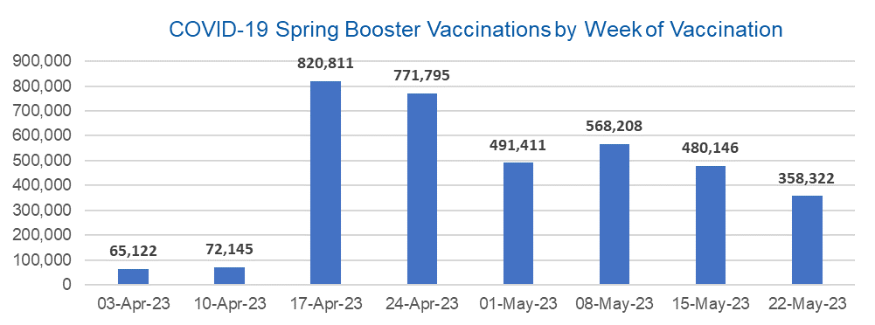

Week Commencing |  | Number of people who have had a spring booster vaccination | Cumulative number of people who have had a spring booster vaccination
Total |  | 3,627,960 | -
2023-04-03 |  | 65,122 | 65,122
2023-04-10 |  | 72,145 | 137,267
2023-04-17 |  | 820,811 | 958,078
2023-04-24 |  | 771,795 | 1,729,873
2023-05-01 |  | 491,411 | 2,221,284
2023-05-08 |  | 568,208 | 2,789,492 | In the week commencing 22 May 2023, 358,322 spring booster vaccinations were delivered. This brings the total spring booster vaccinations delivered to 3,627,960.
2023-05-15 |  | 480,146 | 3,269,638
2023-05-22 |  | 358,322 | 3,627,960

Data quality notes:
1. Data was extracted from the National Immunisation Management System on 30 May 2023.
2. See 'Definitions' tab for more information.

Total by Vaccination Week
Title: | COVID-19 Vaccinations by Week of Vaccination
Summary: | The number of COVID-19 vaccinations delivered in England, by week of vaccination.
Period1,2: | 8 December 2020 to 28 May 2023
Source: | National Immunisation Management System (NIMS), NHS England
Basis: | England
Published: | 1 June 2023
Status: | Published
Definitions: | These figures include all vaccinations administered in England, even if individuals vaccinated do not have an NHS number, are resident outside of England or are no longer alive.

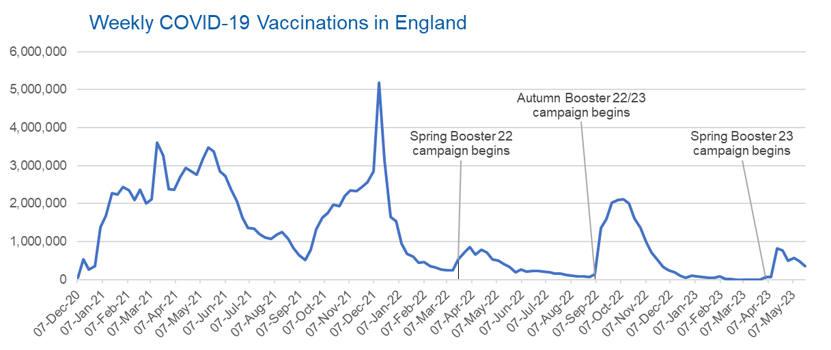
Week Commencing | Number of vaccinations delivered | Cumulative number of vaccinations delivered

Total | 148,468,256 | -
2020-12-07 | 57,766 | 57,766
2020-12-14 | 527,409 | 585,175
2020-12-21 | 272,880 | 858,055
2020-12-28 | 355,660 | 1,213,715
2021-01-04 | 1,370,967 | 2,584,682
2021-01-11 | 1,675,485 | 4,260,167
2021-01-18 | 2,284,790 | 6,544,957
2021-01-25 | 2,241,195 | 8,786,152
2021-02-01 | 2,440,213 | 11,226,365
2021-02-08 | 2,351,861 | 13,578,226
2021-02-15 | 2,096,746 | 15,674,972
2021-02-22 | 2,358,258 | 18,033,230
2021-03-01 | 2,002,617 | 20,035,847 | In the week commencing 15 May 2023, 478,937 vaccinations were delivered, taking the total number of COVID-19 vaccinations delivered to 148,100,047.
2021-03-08 | 2,118,628 | 22,154,475
2021-03-15 | 3,599,800 | 25,754,275
2021-03-22 | 3,268,947 | 29,023,222
2021-03-29 | 2,389,582 | 31,412,804
2021-04-05 | 2,371,686 | 33,784,490
2021-04-12 | 2,708,714 | 36,493,204
2021-04-19 | 2,942,553 | 39,435,757
2021-04-26 | 2,841,349 | 42,277,106
2021-05-03 | 2,754,012 | 45,031,118
2021-05-10 | 3,165,026 | 48,196,144
2021-05-17 | 3,477,310 | 51,673,454
2021-05-24 | 3,378,645 | 55,052,099
2021-05-31 | 2,849,449 | 57,901,548
2021-06-07 | 2,728,977 | 60,630,525
2021-06-14 | 2,391,127 | 63,021,652
2021-06-21 | 2,055,054 | 65,076,706
2021-06-28 | 1,631,342 | 66,708,048
2021-07-05 | 1,366,265 | 68,074,313
2021-07-12 | 1,339,360 | 69,413,673
2021-07-19 | 1,194,697 | 70,608,370
2021-07-26 | 1,112,172 | 71,720,542
2021-08-02 | 1,077,921 | 72,798,463
2021-08-09 | 1,178,258 | 73,976,721
2021-08-16 | 1,248,169 | 75,224,890
2021-08-23 | 1,065,183 | 76,290,073
2021-08-30 | 829,518 | 77,119,591
2021-09-06 | 647,476 | 77,767,067
2021-09-13 | 522,767 | 78,289,834
2021-09-20 | 784,617 | 79,074,451
2021-09-27 | 1,321,780 | 80,396,231
2021-10-04 | 1,626,111 | 82,022,342
2021-10-11 | 1,760,469 | 83,782,811
2021-10-18 | 1,971,088 | 85,753,899
2021-10-25 | 1,933,806 | 87,687,705
2021-11-01 | 2,202,827 | 89,890,532
2021-11-08 | 2,347,315 | 92,237,847
2021-11-15 | 2,335,836 | 94,573,683
2021-11-22 | 2,443,966 | 97,017,649
2021-11-29 | 2,563,219 | 99,580,868
2021-12-06 | 2,844,845 | 102,425,713
2021-12-13 | 5,182,661 | 107,608,374
2021-12-20 | 3,133,020 | 110,741,394
2021-12-27 | 1,646,398 | 112,387,792
2022-01-03 | 1,545,291 | 113,933,083
2022-01-10 | 945,516 | 114,878,599
2022-01-17 | 671,749 | 115,550,348
2022-01-24 | 602,164 | 116,152,512
2022-01-31 | 447,451 | 116,599,963
2022-02-07 | 454,350 | 117,054,313
2022-02-14 | 352,475 | 117,406,788
2022-02-21 | 323,488 | 117,730,276
2022-02-28 | 272,448 | 118,002,724
2022-03-07 | 254,943 | 118,257,667
2022-03-14 | 245,339 | 118,503,006
2022-03-21 | 528,399 | 119,031,405
2022-03-28 | 719,419 | 119,750,824
2022-04-04 | 859,004 | 120,609,828
2022-04-11 | 662,149 | 121,271,977
2022-04-18 | 786,439 | 122,058,416
2022-04-25 | 718,502 | 122,776,918
2022-05-02 | 538,148 | 123,315,066
2022-05-09 | 503,602 | 123,818,668
2022-05-16 | 408,935 | 124,227,603
2022-05-23 | 343,360 | 124,570,963
2022-05-30 | 192,023 | 124,762,986
2022-06-06 | 264,389 | 125,027,375
2022-06-13 | 214,200 | 125,241,575
2022-06-20 | 222,208 | 125,463,783
2022-06-27 | 221,949 | 125,685,732
2022-07-04 | 210,237 | 125,895,969
2022-07-11 | 192,812 | 126,088,781
2022-07-18 | 162,367 | 126,251,148
2022-07-25 | 157,647 | 126,408,795
2022-08-01 | 116,355 | 126,525,150
2022-08-08 | 95,152 | 126,620,302
2022-08-15 | 89,996 | 126,710,298
2022-08-22 | 82,668 | 126,792,966
2022-08-29 | 63,967 | 126,856,933
2022-09-05 | 143,765 | 127,000,698
2022-09-12 | 1,361,967 | 128,362,665
2022-09-19 | 1,589,842 | 129,952,507
2022-09-26 | 2,026,135 | 131,978,642
2022-10-03 | 2,102,969 | 134,081,611
2022-10-10 | 2,108,459 | 136,190,070
2022-10-17 | 2,010,678 | 138,200,748
2022-10-24 | 1,608,329 | 139,809,077
2022-10-31 | 1,365,314 | 141,174,391
2022-11-07 | 1,008,991 | 142,183,382
2022-11-14 | 710,622 | 142,894,004
2022-11-21 | 516,171 | 143,410,175
2022-11-28 | 341,879 | 143,752,054
2022-12-05 | 250,344 | 144,002,398
2022-12-12 | 186,162 | 144,188,560
2022-12-19 | 104,713 | 144,293,273
2022-12-26 | 47,085 | 144,340,358
2023-01-02 | 99,018 | 144,439,376
2023-01-09 | 86,288 | 144,525,664
2023-01-16 | 60,149 | 144,585,813
2023-01-23 | 54,265 | 144,640,078
2023-01-30 | 50,118 | 144,690,196
2023-02-06 | 85,906 | 144,776,102
2023-02-13 | 11,303 | 144,787,405
2023-02-20 | 6,549 | 144,793,954
2023-02-27 | 4,973 | 144,798,927
2023-03-06 | 4,080 | 144,803,007
2023-03-13 | 3,780 | 144,806,787
2023-03-20 | 3,224 | 144,810,011
2023-03-27 | 2,087 | 144,812,098
2023-04-03 | 66,929 | 144,879,027
2023-04-10 | 74,069 | 144,953,096
2023-04-17 | 825,856 | 145,778,952
2023-04-24 | 777,084 | 146,556,036
2023-05-01 | 495,086 | 147,051,122
2023-05-08 | 572,078 | 147,623,200
2023-05-15 | 483,820 | 148,107,020
2023-05-22 | 361,236 | 148,468,256

Data quality notes:
1. Data was extracted from the National Immunisation Management System on 30 May 2023.
2. Note these figures may be updated as more information becomes available from local systems.

