Definitions
Title: | COVID-19 Vaccination Statistics Definitions
Summary: | This file contains information on the number of vaccinations for COVID-19 delivered to English residents and all other individuals who have been vaccinated in England (including those living outside of England). All vaccinations included in this publication were administered during the period specified below and are recorded against the date of vaccination. The source of all vaccination data in this publication is DPS (Data Processing Service) Direct Flow.
Period: | Data to 28 April 2024
Source: | DPS (Data Processing Service) Direct Flow, NHS England
Basis: | England
Published: | 2 May 2024
Status: | Published

Data Definitions
All data on the number of vaccinations in this publication are taken from DPS (Data Processing Service) Direct Flow, unless otherwise specified. This was previously the National Immunisation Management System (NIMS).
Data marked as 'DPS (Data Processing Service) Direct Flow' includes any vaccinations given in England, regardless of whether the recipient is alive or resident in England.
Where figures are shown for NHS geographies (region), these are based on the place of residence of the vaccinated individual. The health geographical boundaries used reflect the latest organisational changes.
Spring 2024 vaccinations definition
The total spring vaccination figures include any vaccination administered after the start of the spring campaign on 15 April 2024 to any individuals in an eligible cohort. The figures include any vaccinations delivered in England, regardless of whether the individual is still alive or resident in England. Not all vaccinations delivered up to this date will be included in these figures. At 29 April 2024, 94.5% of Covid-19 vaccinations recorded in the DPS Direct Flow database were reported within 1 day of being administered and 97.7% of Covid-19 vaccinations were reported within 7 days.
NHS England estimates that approximately 7.3 million people will be eligible for a spring vaccination during the campaign. This figure includes individuals who are in an eligible cohort. Eligible cohorts we report in this publication include residents in older adult care homes, adults aged 75 and over and immunosuppressed individuals aged 6 months and over.
Separate cohort figures are published for individuals in an eligible spring vaccination cohort:
Older adult care home residents - Those individuals who reside in a care home designated as an older adult care home as per the monthly Care Quality Commission (CQC) release for April 2024.
Aged 75+ - In line with JCVI guidance, age is as at 30 June 2024, as recorded in the Master Patient Index. Therefore, some vaccinations delivered to this cohort will be to individuals who have not yet turned 75.
Immunosuppressed (aged 6 months and over) - The Immunosuppressed (IS) cohort reported in this publication is based on the CaaS cohort definition as outlined in the Green Book (chapter 14a). Please note that the IS cohort might fluctuate as individuals move in and out of this cohort.
Age definition
Age is as at the end of June 2024, as recorded in the Master Patient Index (MPI). This is to ensure vaccinations delivered to 74 year olds will be counted in this figure if they turn 75 by the end of June. Vaccinations to immunosuppresed children will be counted as a spring vaccination if they are aged 6 months or over before the start of the campaign on 15 April 2024.
 |  | j

Links
JCVI statement on COVID-19 vaccination in spring 2024 and considerations on future COVID-19 vaccination

Spring vaccinations by week
Title: | COVID-19 Spring Vaccinations by Week of Vaccination
Summary: | The number of 'Spring' vaccinations for COVID-19 in England since the start of the Spring 2024 campaign, by week of vaccination.
Period1: | 15 April 2024 to 28 April 2024
Source: | DPS (Data Processing Service) Direct Flow, NHS England
Basis: | England
Published: | 2 May 2024
Status: | Published
Definitions: | The data in this release includes all 'Spring' vaccinations administered in England, even if individuals are resident outside of England, do not have an NHS number or are no longer alive.

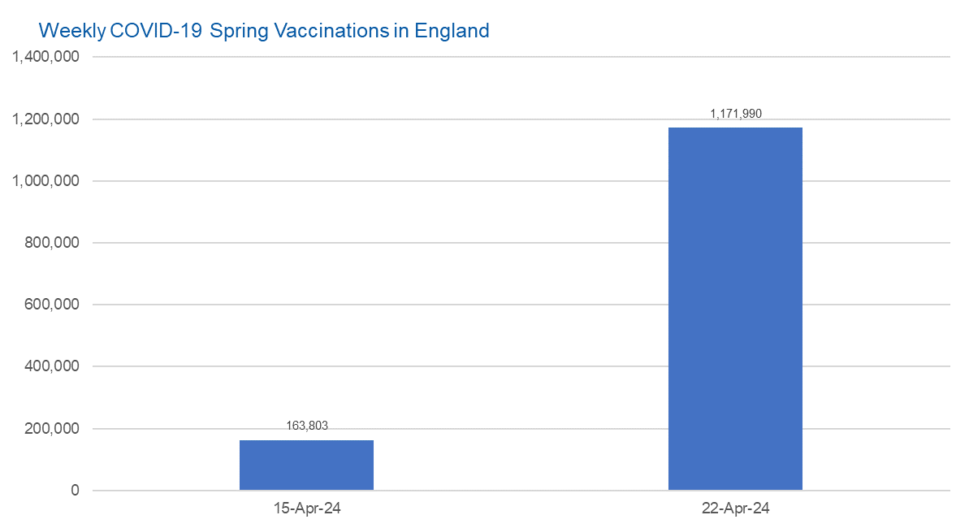

Week Commencing | Number of spring vaccinations | Cumulative number of spring vaccinations
Total | 1,335,793 | -
2024-04-15 | 163,803 | 163,803
2024-04-22 | 1,171,990 | 1,335,793

Data quality notes:
1. Data was extracted from the DPS (Data Processing Service) Direct Flow on 30 April 2024.
2. See 'Definitions' tab for more information.

 |  |  | In the week commencing 22 April 2024, 1,171,990 spring vaccinations were delivered. This brings the total number of spring vaccinations delivered to 1,335,793.

Total vaccinations by week
Title: | COVID-19 Vaccinations by Week of Vaccination
Summary: | The number of COVID-19 vaccinations delivered in England since the start of the COVID-19 vaccination programme, by week of vaccination.
Period1,2: | 8 December 2020 to 28 April 2024
Source: | DPS (Data Processing Service) Direct Flow, NHS England
Basis: | England
Published: | 2 May 2024
Status: | Published
Definitions: | These figures include all vaccinations administered in England, even if individuals vaccinated do not have an NHS number, are resident outside of England or are no longer alive.
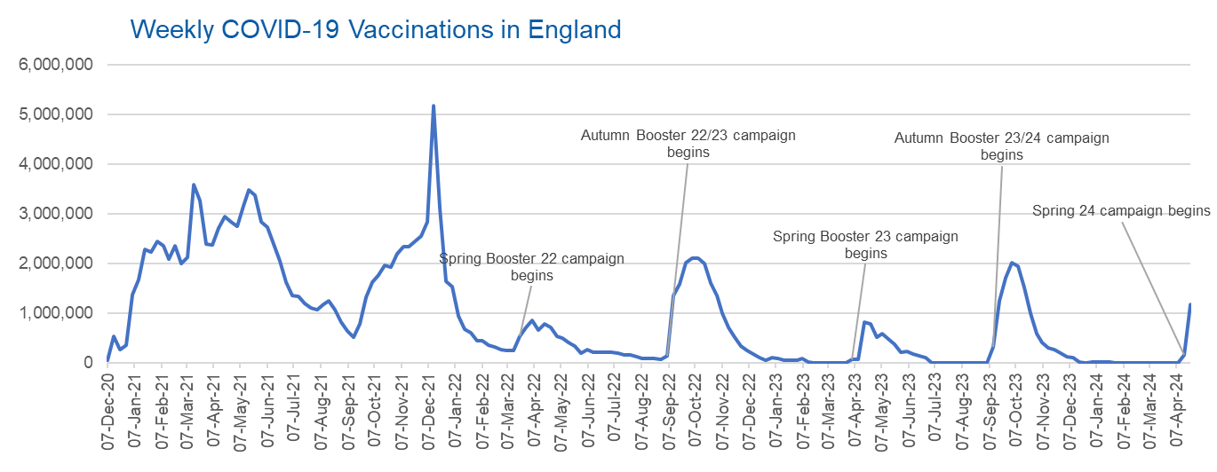

Week Commencing | Number of vaccinations delivered | Cumulative number of vaccinations delivered

Total | 162,543,303 | -
2020-12-07 | 57,722 | 57,722
2020-12-14 | 527,308 | 585,030
2020-12-21 | 272,766 | 857,796
2020-12-28 | 359,107 | 1,216,903
2021-01-04 | 1,370,385 | 2,587,288
2021-01-11 | 1,682,310 | 4,269,598
2021-01-18 | 2,291,390 | 6,560,988
2021-01-25 | 2,239,763 | 8,800,751
2021-02-01 | 2,439,406 | 11,240,157
2021-02-08 | 2,351,125 | 13,591,282
2021-02-15 | 2,095,908 | 15,687,190
2021-02-22 | 2,357,155 | 18,044,345
2021-03-01 | 2,001,661 | 20,046,006 | In the week commencing 22 April 2024, 1,171,990 vaccinations were delivered, taking the total number of COVID-19 vaccinations delivered to 162,543,303.
2021-03-08 | 2,117,636 | 22,163,642
2021-03-15 | 3,598,201 | 25,761,843
2021-03-22 | 3,267,279 | 29,029,122
2021-03-29 | 2,388,863 | 31,417,985
2021-04-05 | 2,370,763 | 33,788,748
2021-04-12 | 2,707,850 | 36,496,598
2021-04-19 | 2,941,788 | 39,438,386
2021-04-26 | 2,840,812 | 42,279,198
2021-05-03 | 2,753,207 | 45,032,405
2021-05-10 | 3,164,021 | 48,196,426
2021-05-17 | 3,476,215 | 51,672,641
2021-05-24 | 3,377,491 | 55,050,132
2021-05-31 | 2,848,309 | 57,898,441
2021-06-07 | 2,727,604 | 60,626,045
2021-06-14 | 2,390,110 | 63,016,155
2021-06-21 | 2,053,470 | 65,069,625
2021-06-28 | 1,630,226 | 66,699,851
2021-07-05 | 1,365,163 | 68,065,014
2021-07-12 | 1,338,422 | 69,403,436
2021-07-19 | 1,193,821 | 70,597,257
2021-07-26 | 1,111,256 | 71,708,513
2021-08-02 | 1,077,076 | 72,785,589
2021-08-09 | 1,177,534 | 73,963,123
2021-08-16 | 1,247,243 | 75,210,366
2021-08-23 | 1,064,543 | 76,274,909
2021-08-30 | 828,850 | 77,103,759
2021-09-06 | 646,977 | 77,750,736
2021-09-13 | 522,341 | 78,273,077
2021-09-20 | 784,173 | 79,057,250
2021-09-27 | 1,321,367 | 80,378,617
2021-10-04 | 1,625,663 | 82,004,280
2021-10-11 | 1,760,026 | 83,764,306
2021-10-18 | 1,970,631 | 85,734,937
2021-10-25 | 1,933,470 | 87,668,407
2021-11-01 | 2,202,480 | 89,870,887
2021-11-08 | 2,346,891 | 92,217,778
2021-11-15 | 2,335,405 | 94,553,183
2021-11-22 | 2,443,550 | 96,996,733
2021-11-29 | 2,562,705 | 99,559,438
2021-12-06 | 2,844,210 | 102,403,648
2021-12-13 | 5,181,391 | 107,585,039
2021-12-20 | 3,131,375 | 110,716,414
2021-12-27 | 1,645,507 | 112,361,921
2022-01-03 | 1,544,395 | 113,906,316
2022-01-10 | 944,888 | 114,851,204
2022-01-17 | 671,232 | 115,522,436
2022-01-24 | 601,760 | 116,124,196
2022-01-31 | 447,226 | 116,571,422
2022-02-07 | 454,089 | 117,025,511
2022-02-14 | 352,346 | 117,377,857
2022-02-21 | 323,345 | 117,701,202
2022-02-28 | 271,997 | 117,973,199
2022-03-07 | 254,483 | 118,227,682
2022-03-14 | 244,843 | 118,472,525
2022-03-21 | 527,847 | 119,000,372
2022-03-28 | 718,811 | 119,719,183
2022-04-04 | 858,371 | 120,577,554
2022-04-11 | 661,539 | 121,239,093
2022-04-18 | 785,579 | 122,024,672
2022-04-25 | 717,830 | 122,742,502
2022-05-02 | 537,558 | 123,280,060
2022-05-09 | 503,200 | 123,783,260
2022-05-16 | 408,443 | 124,191,703
2022-05-23 | 342,895 | 124,534,598
2022-05-30 | 191,700 | 124,726,298
2022-06-06 | 264,057 | 124,990,355
2022-06-13 | 213,860 | 125,204,215
2022-06-20 | 221,838 | 125,426,053
2022-06-27 | 221,593 | 125,647,646
2022-07-04 | 209,935 | 125,857,581
2022-07-11 | 192,521 | 126,050,102
2022-07-18 | 162,139 | 126,212,241
2022-07-25 | 157,507 | 126,369,748
2022-08-01 | 116,177 | 126,485,925
2022-08-08 | 94,972 | 126,580,897
2022-08-15 | 89,843 | 126,670,740
2022-08-22 | 82,530 | 126,753,270
2022-08-29 | 63,853 | 126,817,123
2022-09-05 | 143,597 | 126,960,720
2022-09-12 | 1,361,125 | 128,321,845
2022-09-19 | 1,589,023 | 129,910,868
2022-09-26 | 2,024,889 | 131,935,757
2022-10-03 | 2,101,593 | 134,037,350
2022-10-10 | 2,107,407 | 136,144,757
2022-10-17 | 2,009,512 | 138,154,269
2022-10-24 | 1,607,442 | 139,761,711
2022-10-31 | 1,364,484 | 141,126,195
2022-11-07 | 1,008,331 | 142,134,526
2022-11-14 | 710,142 | 142,844,668
2022-11-21 | 515,789 | 143,360,457
2022-11-28 | 341,610 | 143,702,067
2022-12-05 | 250,151 | 143,952,218
2022-12-12 | 185,986 | 144,138,204
2022-12-19 | 104,594 | 144,242,798
2022-12-26 | 47,031 | 144,289,829
2023-01-02 | 98,921 | 144,388,750
2023-01-09 | 86,520 | 144,475,270
2023-01-16 | 60,091 | 144,535,361
2023-01-23 | 54,251 | 144,589,612
2023-01-30 | 50,113 | 144,639,725
2023-02-06 | 85,839 | 144,725,564
2023-02-13 | 11,300 | 144,736,864
2023-02-20 | 6,551 | 144,743,415
2023-02-27 | 4,984 | 144,748,399
2023-03-06 | 4,085 | 144,752,484
2023-03-13 | 3,775 | 144,756,259
2023-03-20 | 3,264 | 144,759,523
2023-03-27 | 2,460 | 144,761,983
2023-04-03 | 68,419 | 144,830,402
2023-04-10 | 74,535 | 144,904,937
2023-04-17 | 828,599 | 145,733,536
2023-04-24 | 779,472 | 146,513,008
2023-05-01 | 508,918 | 147,021,926
2023-05-08 | 580,916 | 147,602,842
2023-05-15 | 485,971 | 148,088,813
2023-05-22 | 373,207 | 148,462,020
2023-05-29 | 219,472 | 148,681,492
2023-06-05 | 230,675 | 148,912,167
2023-06-12 | 185,484 | 149,097,651
2023-06-19 | 144,867 | 149,242,518
2023-06-26 | 111,450 | 149,353,968
2023-07-03 | 801 | 149,354,769
2023-07-10 | 301 | 149,355,070
2023-07-17 | 212 | 149,355,282
2023-07-24 | 252 | 149,355,534
2023-07-31 | 199 | 149,355,733
2023-08-07 | 193 | 149,355,926
2023-08-14 | 253 | 149,356,179
2023-08-21 | 301 | 149,356,480
2023-08-28 | 273 | 149,356,753
2023-09-04 | 1,221 | 149,357,974
2023-09-11 | 328,746 | 149,686,720
2023-09-18 | 1,255,954 | 150,942,674
2023-09-25 | 1,716,775 | 152,659,449
2023-10-02 | 2,021,637 | 154,681,086
2023-10-09 | 1,940,396 | 156,621,482
2023-10-16 | 1,509,611 | 158,131,093
2023-10-23 | 992,959 | 159,124,052
2023-10-30 | 586,214 | 159,710,266
2023-11-06 | 407,891 | 160,118,157
2023-11-13 | 301,639 | 160,419,796
2023-11-20 | 267,372 | 160,687,168
2023-11-27 | 190,542 | 160,877,710
2023-12-04 | 131,347 | 161,009,057
2023-12-11 | 108,701 | 161,117,758
2023-12-18 | 22,368 | 161,140,126
2023-12-25 | 4,701 | 161,144,827
2024-01-01 | 11,089 | 161,155,916
2024-01-08 | 15,611 | 161,171,527
2024-01-15 | 13,708 | 161,185,235
2024-01-22 | 12,850 | 161,198,085
2024-01-29 | 7,763 | 161,205,848
2024-02-05 | 231 | 161,206,079
2024-02-12 | 122 | 161,206,201
2024-02-19 | 106 | 161,206,307
2024-02-26 | 86 | 161,206,393
2024-03-04 | 127 | 161,206,520
2024-03-11 | 66 | 161,206,586
2024-03-18 | 63 | 161,206,649
2024-03-25 | 66 | 161,206,715
2024-04-01 | 49 | 161,206,764
2024-04-08 | 746 | 161,207,510
2024-04-15 | 163,803 | 161,371,313
2024-04-22 | 1,171,990 | 162,543,303

Data quality notes:
1. Data was extracted from the DPS (Data Processing Service) Direct Flow on 30 April 2024.
2. Note these figures may be updated as more information becomes available from local systems.

