Definitions
Title: | COVID-19 Vaccination Statistics Definitions
Summary: | This file contains information on the number of vaccinations for COVID-19 delivered to English residents and all other individuals who have been vaccinated in England (including those living outside of England). All vaccinations included in this publication were administered during the period specified below and are recorded against the date of vaccination. The source of all vaccination data in this publication is DPS (Data Processing Service) Direct Flow.
Period: | Data to 29 October 2023
Source: | DPS (Data Processing Service) Direct Flow, NHS England
Basis: | England
Published: | 2 November 2023
Status: | Published

Data Definitions
All data on the number of people vaccinated in this publication are taken from DPS (Data Processing Service) Direct Flow, unless otherwise specified. This was previously the National Immunisation Management System (NIMS).
Data marked as DPS (Data Processing Service) Direct Flow NHS England' includes any vaccinations given in England, regardless of whether the recipient is alive or resident in England.
Where figures are shown for NHS geographies (region), these are based on the place of residence of the vaccinated individual. The health geographical boundaries used are defined as at July 2023.
Autumn 2023/24 vaccinations definition
The total autumn vaccinations figure includes any vaccination administered after the start of the autumn campaign on 11 September 2023 to any individuals in an eligible cohort.
NHS England estimates that approximately 21.5 million people will be eligible for an autumn booster during the campaign. This figure includes individuals who are in an eligible cohort and had a first dose vaccination prior to the start of the campaign. Eligible cohorts we report in this publication include adults aged 65 and over, immunosuppressed individuals aged 5 to 64, individuals in a clinical risk group aged 5 to 64 and frontline healthcare workers. There are approximately 25.5 million people that are in an eligible cohort.
Separate cohort figures are published for individuals in an eligible autumn vaccination cohorts:
Aged 65+ - In line with JCVI guidance, age is as at 31 March 2024, as recorded in the Master Patient Index. Therefore, some vaccinations delivered to this cohort will be to individuals who have not yet turned 65.
Immunosuppressed (aged 5-64) - The Immunosuppressed (IS) cohort reported in this publication is based on the CaaS cohort definition as outlined in the Green Book (chapter 14). This cohort is a subset of the 'in a clinical risk group' cohort. Please note that the IS cohort might fluctuate as individuals move in and out of this cohort.
In a clinical risk group (aged 5-64) - The 'in a clinical risk group' cohort reported in this publication is based on the CaaS cohort definition as outlined in the Green Book (chapter 14). Please note that the in a clinical at risk cohort might fluctuate as individuals move in and out of this cohort.
Frontline healthcare workers - These figures represent only those NHS healthcare workers who appear in the NHS Electronic Staff Record (ESR), were employed by an NHS Trust as at the extract date and are in an occupational group designated as a frontline healthcare worker. This covers directly employed staff in NHS Trusts who are paid through ESR, which will include some NHS Bank staff. The figures do not include data on staff that are not paid through ESR, or staff on ESR who could not be matched to DPS. It also does not include data on primary care staff or social care workers.
Care home residents are also eligible for an autumn vaccination during the campaign but are not reported in this publication. Information on care home residents will be published separately.
The figures include any vaccinations delivered in England, regardless of whether the individual is still alive or resident in England. Not all vaccinations delivered up to this date will be included in these figures. At 21 September 2023, 94.9% of vaccinations recorded in the DPS database were reported within 1 day of being administered and 97.9% of vaccinations were reported within 7 days.
Age definition
Age is as at the end of March 2024, as recorded in the Master Patient Index (MPI). This is to ensure vaccinations delivered to 64 year olds will be counted in this figure if they turn 65 by the end of March. Vaccinations to children will be counted as an autumn vaccination if they turn 5 before the start of the campaign on 11 September 2023 and are in an eligible cohort.
 |  | j

Links
JCVI advises on eligible groups for 2023 autumn booster - GOV.UK (www.gov.uk)

Autumn vaccinations by week
Title: | COVID-19 Autumn Vaccinations by Week of Vaccination
Summary: | The number of people who have had a 'Autumn' vaccination for COVID-19 in England since the start of the Autumn 2023 campaign, by week of vaccination.
Period1: | 11 September 2023 to 29 October 2023
Source: | DPS (Data Processing Service) Direct Flow, NHS England
Basis: | England
Published: | 2 November 2023
Status: | Published
Definitions: | The data in this release includes all individuals with a 'Autumn' vaccination administered in England, even if individuals are resident outside of England, do not have an NHS number or are no longer alive. This includes vaccinations administered as part of clinical trials.

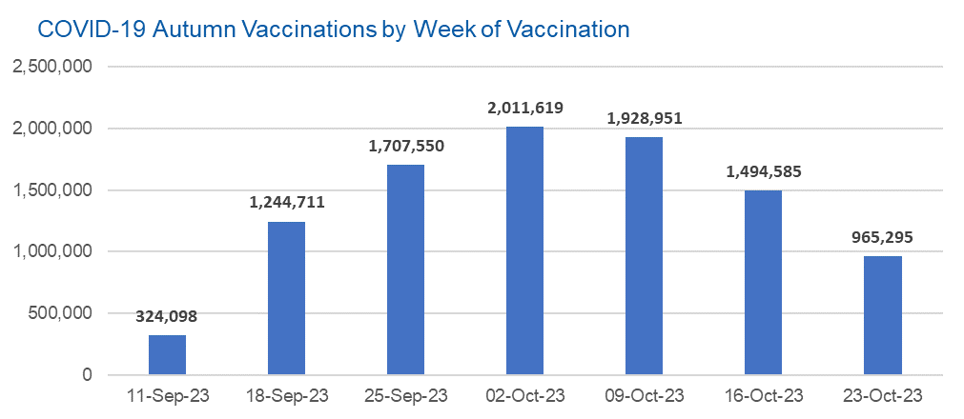

Week Commencing |  | Number of people who have had an Autumn vaccination to date | Cumulative number of people who have had an Autumn vaccination to date
Total |  | 9,676,809 | -
2023-09-11 |  | 324,098 | 324,098
2023-09-18 |  | 1,244,711 | 1,568,809
2023-09-25 |  | 1,707,550 | 3,276,359
2023-10-02 |  | 2,011,619 | 5,287,978
2023-10-09 |  | 1,928,951 | 7,216,929
2023-10-16 |  | 1,494,585 | 8,711,514
2023-10-23 |  | 965,295 | 9,676,809

Data quality notes: |  |  |  | In the week commencing 23 October 2023, 965,295 autumn vaccinations were delivered. This brings the total number of autumn vaccinations delivered to 9,676,809.
1. Data was extracted from the DPS (Data Processing Service) Direct Flow on 31 October 2023.
2. See 'Definitions' tab for more information.

Total vaccinations by week
Title: | COVID-19 Vaccinations by Week of Vaccination
Summary: | The number of COVID-19 vaccinations delivered in England, by week of vaccination.
Period1,2: | 8 December 2020 to 29 October 2023
Source: | DPS (Data Processing Service) Direct Flow, NHS England
Basis: | England
Published: | 2 November 2023
Status: | Published
Definitions: | These figures include all vaccinations administered in England, even if individuals vaccinated do not have an NHS number, are resident outside of England or are no longer alive.
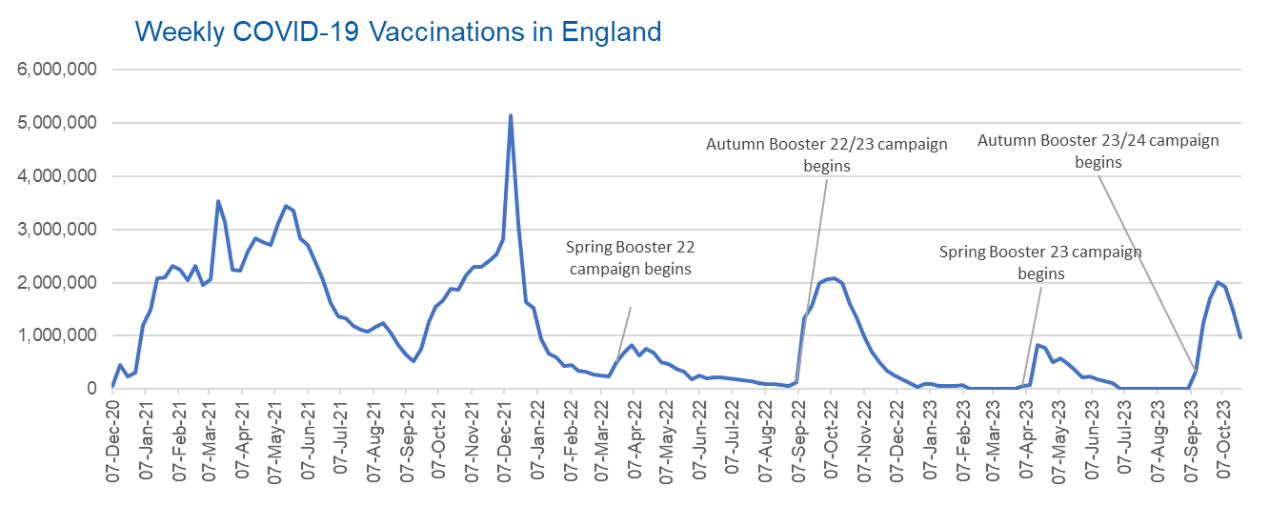

Week Commencing | Number of vaccinations delivered | Cumulative number of vaccinations delivered

Total | 155,331,396 | -
2020-12-07 | 54,723 | 54,723
2020-12-14 | 456,567 | 511,290
2020-12-21 | 243,434 | 754,724
2020-12-28 | 316,406 | 1,071,130
2021-01-04 | 1,213,227 | 2,284,357
2021-01-11 | 1,498,474 | 3,782,831
2021-01-18 | 2,090,099 | 5,872,930
2021-01-25 | 2,093,375 | 7,966,305
2021-02-01 | 2,311,254 | 10,277,559
2021-02-08 | 2,252,305 | 12,529,864
2021-02-15 | 2,050,458 | 14,580,322
2021-02-22 | 2,316,849 | 16,897,171
2021-03-01 | 1,956,569 | 18,853,740 | In the week commencing 23 October 2023, 965,295 vaccinations were delivered, taking the total number of COVID-19 vaccinations delivered to 155,331,396.
2021-03-08 | 2,067,362 | 20,921,102
2021-03-15 | 3,529,610 | 24,450,712
2021-03-22 | 3,136,523 | 27,587,235
2021-03-29 | 2,245,624 | 29,832,859
2021-04-05 | 2,221,549 | 32,054,408
2021-04-12 | 2,576,884 | 34,631,292
2021-04-19 | 2,831,906 | 37,463,198
2021-04-26 | 2,760,680 | 40,223,878
2021-05-03 | 2,705,350 | 42,929,228
2021-05-10 | 3,125,420 | 46,054,648
2021-05-17 | 3,447,616 | 49,502,264
2021-05-24 | 3,354,333 | 52,856,597
2021-05-31 | 2,832,937 | 55,689,534
2021-06-07 | 2,714,238 | 58,403,772
2021-06-14 | 2,380,698 | 60,784,470
2021-06-21 | 2,046,788 | 62,831,258
2021-06-28 | 1,625,050 | 64,456,308
2021-07-05 | 1,361,015 | 65,817,323
2021-07-12 | 1,334,615 | 67,151,938
2021-07-19 | 1,190,762 | 68,342,700
2021-07-26 | 1,108,546 | 69,451,246
2021-08-02 | 1,074,811 | 70,526,057
2021-08-09 | 1,175,641 | 71,701,698
2021-08-16 | 1,245,494 | 72,947,192
2021-08-23 | 1,062,841 | 74,010,033
2021-08-30 | 827,784 | 74,837,817
2021-09-06 | 645,919 | 75,483,736
2021-09-13 | 519,853 | 76,003,589
2021-09-20 | 760,142 | 76,763,731
2021-09-27 | 1,261,778 | 78,025,509
2021-10-04 | 1,547,812 | 79,573,321
2021-10-11 | 1,677,082 | 81,250,403
2021-10-18 | 1,884,770 | 83,135,173
2021-10-25 | 1,860,816 | 84,995,989
2021-11-01 | 2,137,723 | 87,133,712
2021-11-08 | 2,290,906 | 89,424,618
2021-11-15 | 2,288,960 | 91,713,578
2021-11-22 | 2,403,152 | 94,116,730
2021-11-29 | 2,527,279 | 96,644,009
2021-12-06 | 2,814,642 | 99,458,651
2021-12-13 | 5,145,110 | 104,603,761
2021-12-20 | 3,107,965 | 107,711,726
2021-12-27 | 1,637,194 | 109,348,920
2022-01-03 | 1,535,289 | 110,884,209
2022-01-10 | 936,742 | 111,820,951
2022-01-17 | 665,262 | 112,486,213
2022-01-24 | 595,792 | 113,082,005
2022-01-31 | 442,802 | 113,524,807
2022-02-07 | 447,058 | 113,971,865
2022-02-14 | 346,933 | 114,318,798
2022-02-21 | 318,436 | 114,637,234
2022-02-28 | 268,529 | 114,905,763
2022-03-07 | 251,545 | 115,157,308
2022-03-14 | 242,117 | 115,399,425
2022-03-21 | 510,312 | 115,909,737
2022-03-28 | 689,363 | 116,599,100
2022-04-04 | 820,305 | 117,419,405
2022-04-11 | 632,674 | 118,052,079
2022-04-18 | 753,180 | 118,805,259
2022-04-25 | 680,450 | 119,485,709
2022-05-02 | 512,430 | 119,998,139
2022-05-09 | 476,301 | 120,474,440
2022-05-16 | 386,678 | 120,861,118
2022-05-23 | 324,509 | 121,185,627
2022-05-30 | 183,950 | 121,369,577
2022-06-06 | 252,102 | 121,621,679
2022-06-13 | 203,888 | 121,825,567
2022-06-20 | 212,731 | 122,038,298
2022-06-27 | 214,414 | 122,252,712
2022-07-04 | 205,202 | 122,457,914
2022-07-11 | 188,828 | 122,646,742
2022-07-18 | 159,521 | 122,806,263
2022-07-25 | 155,178 | 122,961,441
2022-08-01 | 114,793 | 123,076,234
2022-08-08 | 93,979 | 123,170,213
2022-08-15 | 89,115 | 123,259,328
2022-08-22 | 82,027 | 123,341,355
2022-08-29 | 63,555 | 123,404,910
2022-09-05 | 134,332 | 123,539,242
2022-09-12 | 1,327,600 | 124,866,842
2022-09-19 | 1,556,040 | 126,422,882
2022-09-26 | 1,988,161 | 128,411,043
2022-10-03 | 2,066,992 | 130,478,035
2022-10-10 | 2,075,339 | 132,553,374
2022-10-17 | 1,984,891 | 134,538,265
2022-10-24 | 1,592,899 | 136,131,164
2022-10-31 | 1,352,132 | 137,483,296
2022-11-07 | 998,819 | 138,482,115
2022-11-14 | 702,907 | 139,185,022
2022-11-21 | 510,563 | 139,695,585
2022-11-28 | 337,857 | 140,033,442
2022-12-05 | 247,455 | 140,280,897
2022-12-12 | 184,109 | 140,465,006
2022-12-19 | 103,578 | 140,568,584
2022-12-26 | 46,826 | 140,615,410
2023-01-02 | 98,470 | 140,713,880
2023-01-09 | 85,977 | 140,799,857
2023-01-16 | 59,758 | 140,859,615
2023-01-23 | 53,897 | 140,913,512
2023-01-30 | 49,831 | 140,963,343
2023-02-06 | 85,480 | 141,048,823
2023-02-13 | 11,234 | 141,060,057
2023-02-20 | 6,525 | 141,066,582
2023-02-27 | 4,962 | 141,071,544
2023-03-06 | 4,074 | 141,075,618
2023-03-13 | 3,769 | 141,079,387
2023-03-20 | 3,262 | 141,082,649
2023-03-27 | 2,454 | 141,085,103
2023-04-03 | 64,013 | 141,149,116
2023-04-10 | 70,727 | 141,219,843
2023-04-17 | 822,856 | 142,042,699
2023-04-24 | 775,001 | 142,817,700
2023-05-01 | 506,620 | 143,324,320
2023-05-08 | 579,003 | 143,903,323
2023-05-15 | 484,380 | 144,387,703
2023-05-22 | 372,031 | 144,759,734
2023-05-29 | 219,040 | 144,978,774
2023-06-05 | 230,338 | 145,209,112
2023-06-12 | 185,281 | 145,394,393
2023-06-19 | 144,789 | 145,539,182
2023-06-26 | 111,427 | 145,650,609
2023-07-03 | 794 | 145,651,403
2023-07-10 | 300 | 145,651,703
2023-07-17 | 212 | 145,651,915
2023-07-24 | 252 | 145,652,167
2023-07-31 | 199 | 145,652,366
2023-08-07 | 193 | 145,652,559
2023-08-14 | 253 | 145,652,812
2023-08-21 | 301 | 145,653,113
2023-08-28 | 268 | 145,653,381
2023-09-04 | 1,206 | 145,654,587
2023-09-11 | 324,098 | 145,978,685
2023-09-18 | 1,244,711 | 147,223,396
2023-09-25 | 1,707,550 | 148,930,946
2023-10-02 | 2,011,619 | 150,942,565
2023-10-09 | 1,928,951 | 152,871,516
2023-10-16 | 1,494,585 | 154,366,101
2023-10-23 | 965,295 | 155,331,396

Data quality notes:
1. Data was extracted from the DPS (Data Processing Service) Direct Flow on 31 October 2023.
2. Note these figures may be updated as more information becomes available from local systems.
3. Due to a transfer of vaccination data from the National Immunisation Management System (NIMS) to DPS (Data Processing Service) the number of total vaccinations has decreased since our last weekly publication during the spring 2023 campaign on 13 July 2023 and the first weekly publication durirng the autumn campaign on 28 September 2023. This drop in vaccinations is currently under investigation.

