Definitions
Title: | COVID-19 Vaccination Statistics Definitions
Summary: | This file contains information on the number of vaccinations for COVID-19 delivered to English residents and all other individuals who have been vaccinated in England (including those living outside of England). All vaccinations included in this publication were administered during the period specified below and are recorded against the date of vaccination. The source of all vaccination data in this publication is DPS (Data Processing Service) Direct Flow.
Period: | Data to 1 October 2023
Source: | DPS (Data Processing Service) Direct Flow, NHS England
Basis: | England
Published: | 2023-10-05
Status: | Published

Data Definitions
All data on the number of people vaccinated in this publication are taken from DPS (Data Processing Service) Direct Flow, unless otherwise specified. This was previously the National Immunisation Management System (NIMS).
Data marked as DPS (Data Processing Service) Direct Flow NHS England' includes any vaccinations given in England, regardless of whether the recipient is alive or resident in England.
Where figures are shown for NHS geographies (region), these are based on the place of residence of the vaccinated individual. The health geographical boundaries used are defined as at July 2023.
Autumn 2023/24 vaccinations definition
The total autumn vaccinations figure includes any vaccination administered after the start of the autumn campaign on 11 September 2023 to any individuals in an eligible cohort.
NHS England estimates that approximately 21.5 million people will be eligible for an autumn booster during the campaign. This figure includes individuals who are in an eligible cohort and had a first dose vaccination prior to the start of the campaign. Eligible cohorts we report in this publication include adults aged 65 and over, immunosuppressed individuals aged 5 to 64, individuals in a clinical risk group aged 5 to 64 and frontline healthcare workers. There are approximately 25.5 million people that are in an eligible cohort.
Separate cohort figures are published for individuals in an eligible autumn vaccination cohorts:
Aged 65+ - In line with JCVI guidance, age is as at 31 March 2024, as recorded in the Master Patient Index. Therefore, some vaccinations delivered to this cohort will be to individuals who have not yet turned 65.
Immunosuppressed (aged 5-64) - The Immunosuppressed (IS) cohort reported in this publication is based on the CaaS cohort definition as outlined in the Green Book (chapter 14). This cohort is a subset of the 'in a clinical risk group' cohort. Please note that the IS cohort might fluctuate as individuals move in and out of this cohort.
In a clinical risk group (aged 5-64) - The 'in a clinical risk group' cohort reported in this publication is based on the CaaS cohort definition as outlined in the Green Book (chapter 14). Please note that the in a clinical at risk cohort might fluctuate as individuals move in and out of this cohort.
Frontline healthcare workers - These figures represent only those NHS healthcare workers who appear in the NHS Electronic Staff Record (ESR), were employed by an NHS Trust as at the extract date and are in an occupational group designated as a frontline healthcare worker. This covers directly employed staff in NHS Trusts who are paid through ESR, which will include some NHS Bank staff. The figures do not include data on staff that are not paid through ESR, or staff on ESR who could not be matched to DPS. It also does not include data on primary care staff or social care workers.
Care home residents are also eligible for an autumn vaccination during the campaign but are not reported in this publication. Information on care home residents will be published separately.
The figures include any vaccinations delivered in England, regardless of whether the individual is still alive or resident in England. Not all vaccinations delivered up to this date will be included in these figures. At 21 September 2023, 95.0% of vaccinations recorded in the DPS database were reported within 1 day of being administered and 97.9% of vaccinations were reported within 7 days.
Age definition
Age is as at the end of March 2024, as recorded in the Master Patient Index (MPI). This is to ensure vaccinations delivered to 64 year olds will be counted in this figure if they turn 65 by the end of March. Vaccinations to children will be counted as an autumn vaccination if they turn 5 before the start of the campaign on 11 September 2023 and are in an eligible cohort.
 |  | j

Links
JCVI advises on eligible groups for 2023 autumn booster - GOV.UK (www.gov.uk)

Autumn vaccinations by week
Title: | COVID-19 Autumn Vaccinations by Week of Vaccination
Summary: | The number of people who have had a 'Autumn' vaccination for COVID-19 in England since the start of the Autumn 2023 campaign, by week of vaccination.
Period1: | 11 September 2023 to 1 October 2023
Source: | DPS (Data Processing Service) Direct Flow, NHS England
Basis: | England
Published: | 2023-10-05
Revised: | 23 November 2023 - Figures have been corrected to include all data up to 1 October 2023.
Status: | Published - revised
Definitions: | The data in this release includes all individuals with a 'Autumn' vaccination administered in England, even if individuals are resident outside of England, do not have an NHS number or are no longer alive. This includes vaccinations administered as part of clinical trials.

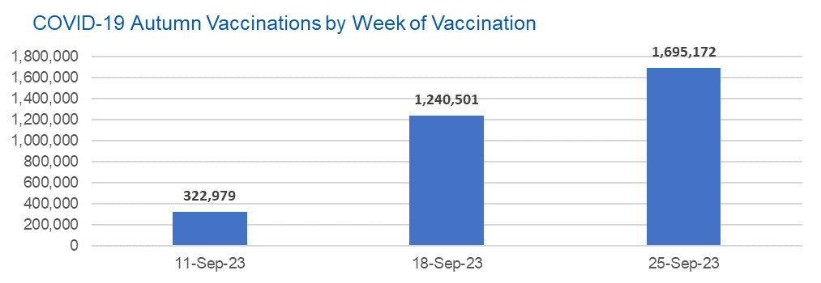

Week Commencing |  | Number of people who have had an Autumn vaccination to date | Cumulative number of people who have had an Autumn vaccination to date
Total |  | 3,258,652 | -
2023-09-11 |  | 322,979 | 322,979
2023-09-18 |  | 1,240,501 | 1,563,480
2023-09-25 |  | 1,695,172 | 3,258,652

Data quality notes: |  |  |  | In the week commencing 25 September 2023, 1,695,172 autumn vaccinations were delivered. This brings the total number of autumn vaccinations delivered to 3,258,652.
1. Data was extracted from the DPS (Data Processing Service) Direct Flow on 16 October 2023.
2. See 'Definitions' tab for more information.

Total vaccinations by week
Title: | COVID-19 Vaccinations by Week of Vaccination
Summary: | The number of COVID-19 vaccinations delivered in England, by week of vaccination.
Period1,2: | 8 December 2020 to 1 October 2023
Source: | DPS (Data Processing Service) Direct Flow, NHS England
Basis: | England
Published: | 2023-10-05
Revised: | 23 November 2023 - Figures have been rerun to match the updated weekly figures in the 'Autumn vaccinations by week' tab.
Status: | Published - revised
Definitions: | These figures include all vaccinations administered in England, even if individuals vaccinated do not have an NHS number, are resident outside of England or are no longer alive.

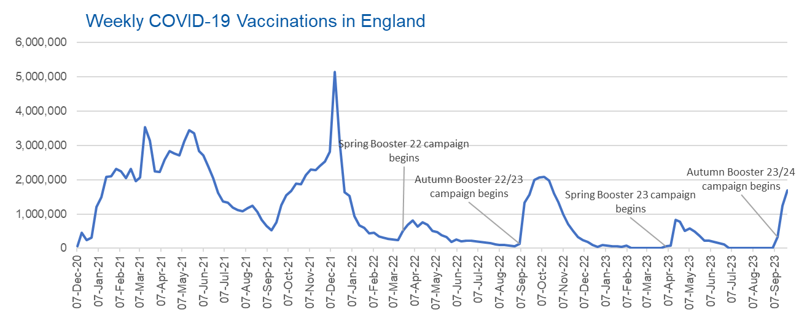
Week Commencing | Number of vaccinations delivered | Cumulative number of vaccinations delivered

Total | 148,913,921 | -
2020-12-07 | 54,725 | 54,725
2020-12-14 | 456,570 | 511,295
2020-12-21 | 243,436 | 754,731
2020-12-28 | 316,411 | 1,071,142
2021-01-04 | 1,213,234 | 2,284,376
2021-01-11 | 1,498,481 | 3,782,857
2021-01-18 | 2,090,108 | 5,872,965
2021-01-25 | 2,093,382 | 7,966,347
2021-02-01 | 2,311,255 | 10,277,602
2021-02-08 | 2,252,309 | 12,529,911
2021-02-15 | 2,050,462 | 14,580,373
2021-02-22 | 2,316,853 | 16,897,226
2021-03-01 | 1,956,571 | 18,853,797 | In the week commencing 25 September 2023, 1,695,172 vaccinations were delivered, taking the total number of COVID-19 vaccinations delivered to 148,913,921.
2021-03-08 | 2,067,365 | 20,921,162
2021-03-15 | 3,529,615 | 24,450,777
2021-03-22 | 3,136,532 | 27,587,309
2021-03-29 | 2,245,631 | 29,832,940
2021-04-05 | 2,221,558 | 32,054,498
2021-04-12 | 2,576,891 | 34,631,389
2021-04-19 | 2,831,910 | 37,463,299
2021-04-26 | 2,760,685 | 40,223,984
2021-05-03 | 2,705,354 | 42,929,338
2021-05-10 | 3,125,426 | 46,054,764
2021-05-17 | 3,447,623 | 49,502,387
2021-05-24 | 3,354,342 | 52,856,729
2021-05-31 | 2,832,946 | 55,689,675
2021-06-07 | 2,714,248 | 58,403,923
2021-06-14 | 2,380,704 | 60,784,627
2021-06-21 | 2,046,796 | 62,831,423
2021-06-28 | 1,625,054 | 64,456,477
2021-07-05 | 1,361,019 | 65,817,496
2021-07-12 | 1,334,620 | 67,152,116
2021-07-19 | 1,190,766 | 68,342,882
2021-07-26 | 1,108,548 | 69,451,430
2021-08-02 | 1,074,817 | 70,526,247
2021-08-09 | 1,175,646 | 71,701,893
2021-08-16 | 1,245,498 | 72,947,391
2021-08-23 | 1,062,844 | 74,010,235
2021-08-30 | 827,790 | 74,838,025
2021-09-06 | 645,926 | 75,483,951
2021-09-13 | 519,855 | 76,003,806
2021-09-20 | 760,147 | 76,763,953
2021-09-27 | 1,261,788 | 78,025,741
2021-10-04 | 1,547,832 | 79,573,573
2021-10-11 | 1,677,093 | 81,250,666
2021-10-18 | 1,884,780 | 83,135,446
2021-10-25 | 1,860,828 | 84,996,274
2021-11-01 | 2,137,743 | 87,134,017
2021-11-08 | 2,290,923 | 89,424,940
2021-11-15 | 2,288,981 | 91,713,921
2021-11-22 | 2,403,181 | 94,117,102
2021-11-29 | 2,527,290 | 96,644,392
2021-12-06 | 2,814,655 | 99,459,047
2021-12-13 | 5,145,142 | 104,604,189
2021-12-20 | 3,107,986 | 107,712,175
2021-12-27 | 1,637,200 | 109,349,375
2022-01-03 | 1,535,299 | 110,884,674
2022-01-10 | 936,746 | 111,821,420
2022-01-17 | 665,266 | 112,486,686
2022-01-24 | 595,794 | 113,082,480
2022-01-31 | 442,803 | 113,525,283
2022-02-07 | 447,061 | 113,972,344
2022-02-14 | 346,934 | 114,319,278
2022-02-21 | 318,438 | 114,637,716
2022-02-28 | 268,529 | 114,906,245
2022-03-07 | 251,545 | 115,157,790
2022-03-14 | 242,117 | 115,399,907
2022-03-21 | 510,318 | 115,910,225
2022-03-28 | 689,369 | 116,599,594
2022-04-04 | 820,310 | 117,419,904
2022-04-11 | 632,680 | 118,052,584
2022-04-18 | 753,185 | 118,805,769
2022-04-25 | 680,457 | 119,486,226
2022-05-02 | 512,434 | 119,998,660
2022-05-09 | 476,306 | 120,474,966
2022-05-16 | 386,678 | 120,861,644
2022-05-23 | 324,510 | 121,186,154
2022-05-30 | 183,951 | 121,370,105
2022-06-06 | 252,102 | 121,622,207
2022-06-13 | 203,889 | 121,826,096
2022-06-20 | 212,731 | 122,038,827
2022-06-27 | 214,415 | 122,253,242
2022-07-04 | 205,202 | 122,458,444
2022-07-11 | 188,828 | 122,647,272
2022-07-18 | 159,522 | 122,806,794
2022-07-25 | 155,178 | 122,961,972
2022-08-01 | 114,794 | 123,076,766
2022-08-08 | 93,982 | 123,170,748
2022-08-15 | 89,117 | 123,259,865
2022-08-22 | 82,028 | 123,341,893
2022-08-29 | 63,556 | 123,405,449
2022-09-05 | 134,332 | 123,539,781
2022-09-12 | 1,327,613 | 124,867,394
2022-09-19 | 1,556,052 | 126,423,446
2022-09-26 | 1,988,183 | 128,411,629
2022-10-03 | 2,067,033 | 130,478,662
2022-10-10 | 2,075,363 | 132,554,025
2022-10-17 | 1,984,904 | 134,538,929
2022-10-24 | 1,592,912 | 136,131,841
2022-10-31 | 1,352,134 | 137,483,975
2022-11-07 | 998,829 | 138,482,804
2022-11-14 | 702,908 | 139,185,712
2022-11-21 | 510,567 | 139,696,279
2022-11-28 | 337,860 | 140,034,139
2022-12-05 | 247,454 | 140,281,593
2022-12-12 | 184,112 | 140,465,705
2022-12-19 | 103,578 | 140,569,283
2022-12-26 | 46,824 | 140,616,107
2023-01-02 | 98,471 | 140,714,578
2023-01-09 | 85,979 | 140,800,557
2023-01-16 | 59,757 | 140,860,314
2023-01-23 | 53,896 | 140,914,210
2023-01-30 | 49,832 | 140,964,042
2023-02-06 | 85,480 | 141,049,522
2023-02-13 | 11,234 | 141,060,756
2023-02-20 | 6,525 | 141,067,281
2023-02-27 | 4,962 | 141,072,243
2023-03-06 | 4,074 | 141,076,317
2023-03-13 | 3,769 | 141,080,086
2023-03-20 | 3,262 | 141,083,348
2023-03-27 | 2,454 | 141,085,802
2023-04-03 | 64,031 | 141,149,833
2023-04-10 | 70,727 | 141,220,560
2023-04-17 | 822,857 | 142,043,417
2023-04-24 | 774,993 | 142,818,410
2023-05-01 | 506,617 | 143,325,027
2023-05-08 | 579,008 | 143,904,035
2023-05-15 | 484,377 | 144,388,412
2023-05-22 | 372,030 | 144,760,442
2023-05-29 | 219,040 | 144,979,482
2023-06-05 | 230,337 | 145,209,819
2023-06-12 | 185,277 | 145,395,096
2023-06-19 | 144,787 | 145,539,883
2023-06-26 | 111,426 | 145,651,309
2023-07-03 | 794 | 145,652,103
2023-07-10 | 300 | 145,652,403
2023-07-17 | 211 | 145,652,614
2023-07-24 | 252 | 145,652,866
2023-07-31 | 196 | 145,653,062
2023-08-07 | 192 | 145,653,254
2023-08-14 | 253 | 145,653,507
2023-08-21 | 299 | 145,653,806
2023-08-28 | 261 | 145,654,067
2023-09-04 | 1,202 | 145,655,269
2023-09-11 | 322,979 | 145,978,248
2023-09-18 | 1,240,501 | 147,218,749
2023-09-25 | 1,695,172 | 148,913,921

Data quality notes:
1. Data was extracted from the DPS (Data Processing Service) Direct Flow on 16 October 2023.
2. Note these figures may be updated as more information becomes available from local systems.
3. Due to a transfer of vaccination data from the National Immunisation Management System (NIMS) to DPS (Data Processing Service) the number of total vaccinations has decreased since our last weekly publication during the spring 2023 campaign on 13 July 2023 and the first weekly publication durirng the autumn campaign on 28 September 2023. This drop in vaccinations is currently under investigation.

