Definitions
Title: | COVID-19 Vaccination Statistics Definitions
Summary: | This file contains information on the number of vaccinations for COVID-19 delivered to English residents and all other individuals who have been vaccinated in England (including those living outside of England). All vaccinations included in this publication were administered during the period specified below and are recorded against the date of vaccination. The source of all vaccination data in this publication is the National Immunisation Management System (NIMS) database.
Period: | Data to 2 July 2023
Source: | National Immunisation Management System (NIMS)
Basis: | England
Published: | 6 July 2023
Status: | Published

Data Definitions
All data on the number of people vaccinated in this publication are taken from the National Immunisation Management System (NIMS) dataset, unless otherwise specified.
Data marked as 'National Immunisation Management System (NIMS), NHS England' includes any vaccinations given in England, regardless of whether the recipient is alive or resident in England.
Where figures are shown for NHS geographies (region), these are based on the place of residence of the vaccinated individual. The health geographical boundaries used are as defined at July 2022. An individual's NHS region of residence is taken from the NHS Master Patient Index (MPI).
Spring booster definition
The total spring booster figure includes any vaccination with a dose greater than or equal to 3, administered on or after 3 April 2023. This includes a small number of first boosters delivered to those not in an eligible spring booster cohort.
NHS England estimates that approximately 6.6 million people will be eligible for a spring booster during the campaign. This figure includes individuals who are in an eligible cohort and had a second dose vaccination prior to the start of the campaign. Eligible cohorts include care home residents, adults aged 75 and over, and immunosuppressed individuals.
Separate cohort figures are published for individuals in an eligible spring booster cohort:
Aged 75+ - In line with JCVI guidance, age is as at 30 June 2023, as recorded in the MPI. Therefore, some vaccinations delivered to this cohort will be to individuals who have not yet turned 75.
Immunosuppressed (Aged 5-74) - The IS cohort reported in this publication is based on the CaaS cohort definition as outlined in the Green Book (chapter 14). This cohort is a subset of the 'At risk' cohort. Please note that the IS cohort might fluctuate as individuals move in and out of this cohort.
Care home residents are also eligible for a spring booster during the campaign but are not reported on in this publication. Information on care home residents will be published separately.
The figures include any vaccinations delivered in England, regardless of whether the individual is still alive or resident in England. Not all vaccinations delivered up to this date will be included in these figures. At 3 July 2023, 94.7% of vaccinations recorded in the NIMS database were reported within 1 day of being administered and 97.8% of vaccinations were reported within 7 days.
Age definition
In line with JCVI eligibility guidance, age is reported as at 30 June 2023.
Links
Spring 2023 COVID-19 vaccination programme: JCVI advice, 22 February 2023 - GOV.UK (www.gov.uk)
 |  | j

Spring Boosters by Vacc Week
Title: | COVID-19 Spring Booster Vaccinations by Week of Vaccination
Summary: | The number of people who have had a 'Spring Booster' vaccination for COVID-19 in England since the start of the Spring 2023 campaign, by week of vaccination.
Period1: | 3 April 2023 to 2 July 2023
Source: | National Immunisation Management System (NIMS), NHS England
Basis: | England
Published: | 6 July 2023
Status: | Published
Definitions: | The data in this release includes all individuals with a 'Spring Booster' vaccination administered in England, even if individuals are resident outside of England, do not have an NHS number or are no longer alive. This includes vaccinations administered as part of clinical trials.
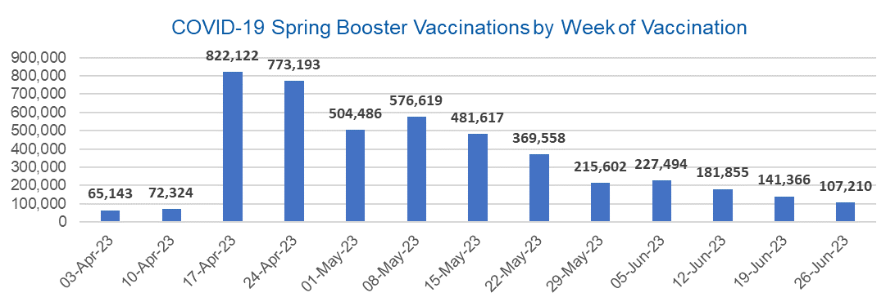

Week Commencing |  | Number of people who have had a spring booster vaccination | Cumulative number of people who have had a spring booster vaccination
Total |  | 4,538,589 | -
2023-04-03 |  | 65,143 | 65,143
2023-04-10 |  | 72,324 | 137,467
2023-04-17 |  | 822,122 | 959,589
2023-04-24 |  | 773,193 | 1,732,782
2023-05-01 |  | 504,486 | 2,237,268
2023-05-08 |  | 576,619 | 2,813,887 | In the week commencing 26 June 2023, 107,210 spring booster vaccinations were delivered. This brings the total spring booster vaccinations delivered to 4,538,589.
2023-05-15 |  | 481,617 | 3,295,504
2023-05-22 |  | 369,558 | 3,665,062
2023-05-29 |  | 215,602 | 3,880,664
2023-06-05 |  | 227,494 | 4,108,158
2023-06-12 |  | 181,855 | 4,290,013
2023-06-19 |  | 141,366 | 4,431,379
2023-06-26 |  | 107,210 | 4,538,589

Data quality notes:
1. Data was extracted from the National Immunisation Management System on 4 July 2023.
2. See 'Definitions' tab for more information.

Total by Vaccination Week
Title: | COVID-19 Vaccinations by Week of Vaccination
Summary: | The number of COVID-19 vaccinations delivered in England, by week of vaccination.
Period1,2: | 8 December 2020 to 2 July 2023
Source: | National Immunisation Management System (NIMS), NHS England
Basis: | England
Published: | 6 July 2023
Status: | Published
Definitions: | These figures include all vaccinations administered in England, even if individuals vaccinated do not have an NHS number, are resident outside of England or are no longer alive.

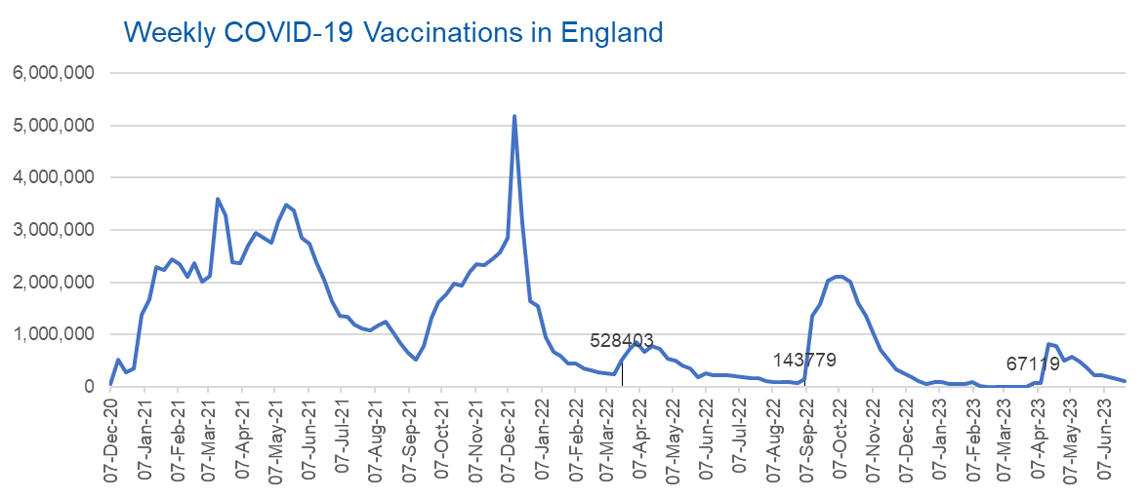
Week Commencing | Number of vaccinations delivered | Cumulative number of vaccinations delivered

Total | 149,394,829 | -
2020-12-07 | 57,766 | 57,766
2020-12-14 | 527,411 | 585,177
2020-12-21 | 272,880 | 858,057
2020-12-28 | 355,661 | 1,213,718
2021-01-04 | 1,370,970 | 2,584,688
2021-01-11 | 1,675,489 | 4,260,177
2021-01-18 | 2,284,792 | 6,544,969
2021-01-25 | 2,241,204 | 8,786,173
2021-02-01 | 2,440,216 | 11,226,389
2021-02-08 | 2,351,866 | 13,578,255
2021-02-15 | 2,096,750 | 15,675,005
2021-02-22 | 2,358,270 | 18,033,275
2021-03-01 | 2,002,622 | 20,035,897 | In the week commencing 26 June 2023, 109,666 vaccinations were delivered, taking the total number of COVID-19 vaccinations delivered to 149,394,829.
2021-03-08 | 2,118,639 | 22,154,536
2021-03-15 | 3,599,809 | 25,754,345
2021-03-22 | 3,268,952 | 29,023,297
2021-03-29 | 2,389,598 | 31,412,895
2021-04-05 | 2,371,693 | 33,784,588
2021-04-12 | 2,708,720 | 36,493,308
2021-04-19 | 2,942,561 | 39,435,869
2021-04-26 | 2,841,355 | 42,277,224
2021-05-03 | 2,754,022 | 45,031,246
2021-05-10 | 3,165,037 | 48,196,283
2021-05-17 | 3,477,329 | 51,673,612
2021-05-24 | 3,378,661 | 55,052,273
2021-05-31 | 2,849,466 | 57,901,739
2021-06-07 | 2,728,997 | 60,630,736
2021-06-14 | 2,391,146 | 63,021,882
2021-06-21 | 2,055,069 | 65,076,951
2021-06-28 | 1,631,353 | 66,708,304
2021-07-05 | 1,366,274 | 68,074,578
2021-07-12 | 1,339,368 | 69,413,946
2021-07-19 | 1,194,706 | 70,608,652
2021-07-26 | 1,112,189 | 71,720,841
2021-08-02 | 1,077,932 | 72,798,773
2021-08-09 | 1,178,271 | 73,977,044
2021-08-16 | 1,248,180 | 75,225,224
2021-08-23 | 1,065,195 | 76,290,419
2021-08-30 | 829,530 | 77,119,949
2021-09-06 | 647,485 | 77,767,434
2021-09-13 | 522,770 | 78,290,204
2021-09-20 | 784,625 | 79,074,829
2021-09-27 | 1,321,791 | 80,396,620
2021-10-04 | 1,626,120 | 82,022,740
2021-10-11 | 1,760,479 | 83,783,219
2021-10-18 | 1,971,093 | 85,754,312
2021-10-25 | 1,933,815 | 87,688,127
2021-11-01 | 2,202,830 | 89,890,957
2021-11-08 | 2,347,323 | 92,238,280
2021-11-15 | 2,335,843 | 94,574,123
2021-11-22 | 2,443,980 | 97,018,103
2021-11-29 | 2,563,227 | 99,581,330
2021-12-06 | 2,844,857 | 102,426,187
2021-12-13 | 5,182,676 | 107,608,863
2021-12-20 | 3,133,047 | 110,741,910
2021-12-27 | 1,646,412 | 112,388,322
2022-01-03 | 1,545,305 | 113,933,627
2022-01-10 | 945,522 | 114,879,149
2022-01-17 | 671,758 | 115,550,907
2022-01-24 | 602,175 | 116,153,082
2022-01-31 | 447,458 | 116,600,540
2022-02-07 | 454,355 | 117,054,895
2022-02-14 | 352,484 | 117,407,379
2022-02-21 | 323,492 | 117,730,871
2022-02-28 | 272,456 | 118,003,327
2022-03-07 | 254,965 | 118,258,292
2022-03-14 | 245,341 | 118,503,633
2022-03-21 | 528,403 | 119,032,036
2022-03-28 | 719,421 | 119,751,457
2022-04-04 | 859,007 | 120,610,464
2022-04-11 | 662,150 | 121,272,614
2022-04-18 | 786,442 | 122,059,056
2022-04-25 | 718,505 | 122,777,561
2022-05-02 | 538,147 | 123,315,708
2022-05-09 | 503,606 | 123,819,314
2022-05-16 | 408,947 | 124,228,261
2022-05-23 | 343,361 | 124,571,622
2022-05-30 | 192,025 | 124,763,647
2022-06-06 | 264,393 | 125,028,040
2022-06-13 | 214,205 | 125,242,245
2022-06-20 | 222,210 | 125,464,455
2022-06-27 | 221,949 | 125,686,404
2022-07-04 | 210,237 | 125,896,641
2022-07-11 | 192,818 | 126,089,459
2022-07-18 | 162,376 | 126,251,835
2022-07-25 | 157,744 | 126,409,579
2022-08-01 | 116,368 | 126,525,947
2022-08-08 | 95,152 | 126,621,099
2022-08-15 | 90,000 | 126,711,099
2022-08-22 | 82,673 | 126,793,772
2022-08-29 | 63,968 | 126,857,740
2022-09-05 | 143,779 | 127,001,519
2022-09-12 | 1,362,001 | 128,363,520
2022-09-19 | 1,589,863 | 129,953,383
2022-09-26 | 2,026,181 | 131,979,564
2022-10-03 | 2,102,999 | 134,082,563
2022-10-10 | 2,108,517 | 136,191,080
2022-10-17 | 2,010,715 | 138,201,795
2022-10-24 | 1,608,369 | 139,810,164
2022-10-31 | 1,365,327 | 141,175,491
2022-11-07 | 1,009,021 | 142,184,512
2022-11-14 | 710,640 | 142,895,152
2022-11-21 | 516,175 | 143,411,327
2022-11-28 | 341,884 | 143,753,211
2022-12-05 | 250,356 | 144,003,567
2022-12-12 | 186,178 | 144,189,745
2022-12-19 | 104,727 | 144,294,472
2022-12-26 | 47,087 | 144,341,559
2023-01-02 | 99,021 | 144,440,580
2023-01-09 | 86,292 | 144,526,872
2023-01-16 | 60,168 | 144,587,040
2023-01-23 | 54,306 | 144,641,346
2023-01-30 | 50,127 | 144,691,473
2023-02-06 | 85,918 | 144,777,391
2023-02-13 | 11,311 | 144,788,702
2023-02-20 | 6,558 | 144,795,260
2023-02-27 | 4,978 | 144,800,238
2023-03-06 | 4,081 | 144,804,319
2023-03-13 | 3,785 | 144,808,104
2023-03-20 | 3,252 | 144,811,356
2023-03-27 | 2,137 | 144,813,493
2023-04-03 | 67,119 | 144,880,612
2023-04-10 | 74,252 | 144,954,864
2023-04-17 | 827,175 | 145,782,039
2023-04-24 | 778,493 | 146,560,532
2023-05-01 | 508,234 | 147,068,766
2023-05-08 | 580,542 | 147,649,308
2023-05-15 | 485,338 | 148,134,646
2023-05-22 | 372,617 | 148,507,263
2023-05-29 | 218,859 | 148,726,122
2023-06-05 | 230,091 | 148,956,213
2023-06-12 | 184,778 | 149,140,991
2023-06-19 | 144,172 | 149,285,163
2023-06-26 | 109,666 | 149,394,829

Data quality notes:
1. Data was extracted from the National Immunisation Management System on 4 July 2023.
2. Note these figures may be updated as more information becomes available from local systems.

