Definitions
Title: | COVID-19 Vaccination Statistics Definitions
Summary: | This file contains information on the number of vaccinations for COVID-19 delivered to English residents and all other individuals who have been vaccinated in England (including those living outside of England). All vaccinations included in this publication were administered during the period specified below and are recorded against the date of vaccination. The source of all vaccination data in this publication is DPS (Data Processing Service) Direct Flow.
Period: | Data to 2 June 2024
Source: | DPS (Data Processing Service) Direct Flow, NHS England
Basis: | England
Published: | 6 June 2024
Status: | Published

Data Definitions
All data on the number of vaccinations in this publication are taken from DPS (Data Processing Service) Direct Flow, unless otherwise specified. This was previously the National Immunisation Management System (NIMS).
Data marked as 'DPS (Data Processing Service) Direct Flow' includes any vaccinations given in England, regardless of whether the recipient is alive or resident in England.
Where figures are shown for NHS geographies (region), these are based on the place of residence of the vaccinated individual. The health geographical boundaries used reflect the latest organisational changes.
Spring 2024 vaccinations definition
The total spring vaccination figures include any vaccination administered after the start of the spring campaign on 15 April 2024 to any individuals in an eligible cohort. The figures include any vaccinations delivered in England, regardless of whether the individual is still alive or resident in England. Not all vaccinations delivered up to this date will be included in these figures. At 07 May 2024, 94.5% of Covid-19 vaccinations recorded in the DPS Direct Flow database were reported within 1 day of being administered and 97.7% of Covid-19 vaccinations were reported within 7 days.
NHS England estimates that approximately 7.3 million people will be eligible for a spring vaccination during the campaign. This figure includes individuals who are in an eligible cohort. Eligible cohorts we report in this publication include residents in older adult care homes, adults aged 75 and over and immunosuppressed individuals aged 6 months and over.
Separate cohort figures are published for individuals in an eligible spring vaccination cohort:
Older adult care home residents - Those individuals who reside in a care home designated as an older adult care home as per the monthly Care Quality Commission (CQC) release for April 2024.
Aged 75+ - In line with JCVI guidance, age is as at 30 June 2024, as recorded in the Master Patient Index. Therefore, some vaccinations delivered to this cohort will be to individuals who have not yet turned 75.
Immunosuppressed (aged 6 months and over) - The Immunosuppressed (IS) cohort reported in this publication is based on the CaaS cohort definition as outlined in the Green Book (chapter 14a). Please note that the IS cohort might fluctuate as individuals move in and out of this cohort.
Age definition
Age is as at the end of June 2024, as recorded in the Master Patient Index (MPI). This is to ensure vaccinations delivered to 74 year olds will be counted in this figure if they turn 75 by the end of June. Vaccinations to immunosuppressed children will be counted as a spring vaccination if they are aged 6 months or over before the start of the campaign on 15 April 2024.
 |  | j

Links
JCVI statement on COVID-19 vaccination in spring 2024 and considerations on future COVID-19 vaccination

Spring vaccinations by week
Title: | COVID-19 Spring Vaccinations by Week of Vaccination
Summary: | The number of 'Spring' vaccinations for COVID-19 in England since the start of the Spring 2024 campaign, by week of vaccination.
Period1: | 15 April 2024 to 2 June 2024
Source: | DPS (Data Processing Service) Direct Flow, NHS England
Basis: | England
Published: | 6 June 2024
Status: | Published
Definitions: | The data in this release includes all 'Spring' vaccinations administered in England, even if individuals are resident outside of England, do not have an NHS number or are no longer alive.

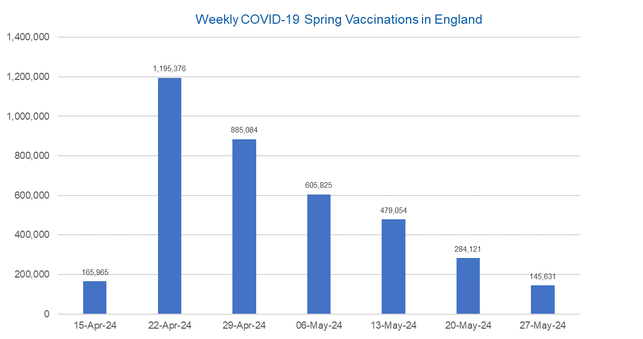

Week Commencing | Number of spring vaccinations | Cumulative number of spring vaccinations
Total | 3,761,056 | -
2024-04-15 | 165,965 | 165,965
2024-04-22 | 1,195,376 | 1,361,341
2024-04-29 | 885,084 | 2,246,425
2024-05-06 | 605,825 | 2,852,250
2024-05-13 | 479,054 | 3,331,304
2024-05-20 | 284,121 | 3,615,425
2024-05-27 | 145,631 | 3,761,056

Data quality notes:
1. Data was extracted from the DPS (Data Processing Service) Direct Flow on 4 June 2024.
2. See 'Definitions' tab for more information.

 |  |  | In the week commencing 27 May, 145,631 spring vaccinations were delivered. This brings the total number of spring vaccinations delivered to 3,761,056.

Total vaccinations by week
Title: | COVID-19 Vaccinations by Week of Vaccination
Summary: | The number of COVID-19 vaccinations delivered in England since the start of the COVID-19 vaccination programme, by week of vaccination.
Period1,2: | 8 December 2020 to 2 June 2024
Source: | DPS (Data Processing Service) Direct Flow, NHS England
Basis: | England
Published: | 6 June 2024
Status: | Published
Definitions: | These figures include all vaccinations administered in England, even if individuals vaccinated do not have an NHS number, are resident outside of England or are no longer alive.
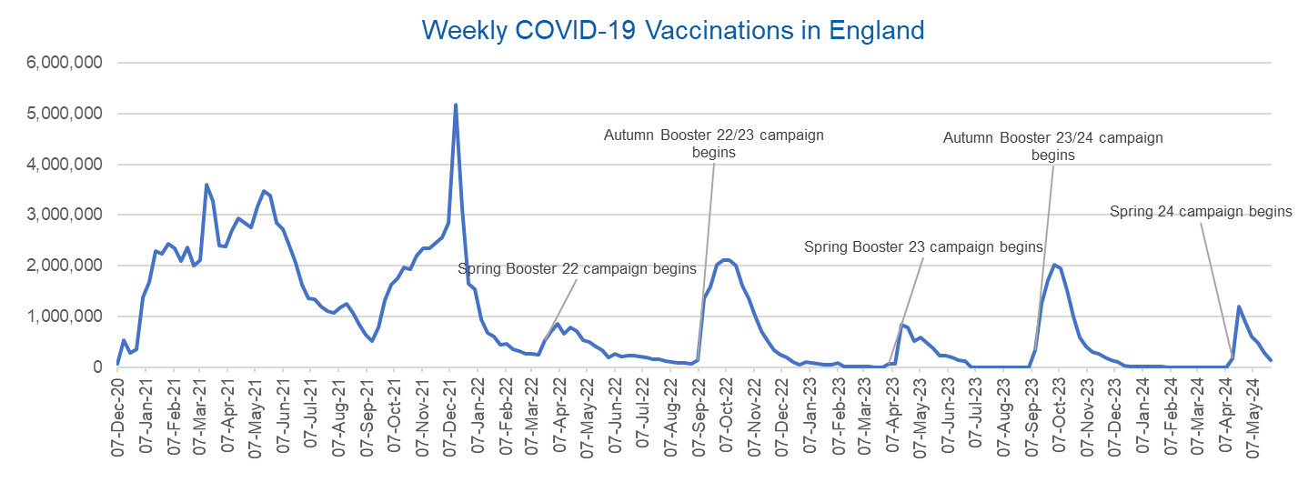

Week Commencing | Number of vaccinations delivered | Cumulative number of vaccinations delivered

Total | 164,968,697 | -
2020-12-07 | 57,722 | 57,722
2020-12-14 | 527,308 | 585,030
2020-12-21 | 272,766 | 857,796
2020-12-28 | 359,107 | 1,216,903
2021-01-04 | 1,370,385 | 2,587,288
2021-01-11 | 1,682,310 | 4,269,598
2021-01-18 | 2,291,390 | 6,560,988
2021-01-25 | 2,239,763 | 8,800,751
2021-02-01 | 2,439,406 | 11,240,157
2021-02-08 | 2,351,125 | 13,591,282
2021-02-15 | 2,095,907 | 15,687,189
2021-02-22 | 2,357,155 | 18,044,344
2021-03-01 | 2,001,661 | 20,046,005 | In the week commencing 27 May, 145,631 vaccinations were delivered, taking the total number of COVID-19 vaccinations delivered to 164,968,697.
2021-03-08 | 2,117,636 | 22,163,641
2021-03-15 | 3,598,200 | 25,761,841
2021-03-22 | 3,267,279 | 29,029,120
2021-03-29 | 2,388,863 | 31,417,983
2021-04-05 | 2,370,763 | 33,788,746
2021-04-12 | 2,707,850 | 36,496,596
2021-04-19 | 2,941,788 | 39,438,384
2021-04-26 | 2,840,811 | 42,279,195
2021-05-03 | 2,753,206 | 45,032,401
2021-05-10 | 3,164,022 | 48,196,423
2021-05-17 | 3,476,216 | 51,672,639
2021-05-24 | 3,377,490 | 55,050,129
2021-05-31 | 2,848,309 | 57,898,438
2021-06-07 | 2,727,603 | 60,626,041
2021-06-14 | 2,390,111 | 63,016,152
2021-06-21 | 2,053,470 | 65,069,622
2021-06-28 | 1,630,226 | 66,699,848
2021-07-05 | 1,365,164 | 68,065,012
2021-07-12 | 1,338,422 | 69,403,434
2021-07-19 | 1,193,821 | 70,597,255
2021-07-26 | 1,111,256 | 71,708,511
2021-08-02 | 1,077,076 | 72,785,587
2021-08-09 | 1,177,534 | 73,963,121
2021-08-16 | 1,247,243 | 75,210,364
2021-08-23 | 1,064,543 | 76,274,907
2021-08-30 | 828,850 | 77,103,757
2021-09-06 | 646,977 | 77,750,734
2021-09-13 | 522,341 | 78,273,075
2021-09-20 | 784,173 | 79,057,248
2021-09-27 | 1,321,367 | 80,378,615
2021-10-04 | 1,625,663 | 82,004,278
2021-10-11 | 1,760,027 | 83,764,305
2021-10-18 | 1,970,631 | 85,734,936
2021-10-25 | 1,933,470 | 87,668,406
2021-11-01 | 2,202,480 | 89,870,886
2021-11-08 | 2,346,891 | 92,217,777
2021-11-15 | 2,335,405 | 94,553,182
2021-11-22 | 2,443,550 | 96,996,732
2021-11-29 | 2,562,704 | 99,559,436
2021-12-06 | 2,844,210 | 102,403,646
2021-12-13 | 5,181,391 | 107,585,037
2021-12-20 | 3,131,375 | 110,716,412
2021-12-27 | 1,645,507 | 112,361,919
2022-01-03 | 1,544,394 | 113,906,313
2022-01-10 | 944,888 | 114,851,201
2022-01-17 | 671,231 | 115,522,432
2022-01-24 | 601,760 | 116,124,192
2022-01-31 | 447,225 | 116,571,417
2022-02-07 | 454,089 | 117,025,506
2022-02-14 | 352,346 | 117,377,852
2022-02-21 | 323,345 | 117,701,197
2022-02-28 | 271,997 | 117,973,194
2022-03-07 | 254,483 | 118,227,677
2022-03-14 | 244,843 | 118,472,520
2022-03-21 | 527,847 | 119,000,367
2022-03-28 | 718,811 | 119,719,178
2022-04-04 | 858,371 | 120,577,549
2022-04-11 | 661,539 | 121,239,088
2022-04-18 | 785,577 | 122,024,665
2022-04-25 | 717,830 | 122,742,495
2022-05-02 | 537,558 | 123,280,053
2022-05-09 | 503,200 | 123,783,253
2022-05-16 | 408,442 | 124,191,695
2022-05-23 | 342,895 | 124,534,590
2022-05-30 | 191,700 | 124,726,290
2022-06-06 | 264,057 | 124,990,347
2022-06-13 | 213,860 | 125,204,207
2022-06-20 | 221,838 | 125,426,045
2022-06-27 | 221,593 | 125,647,638
2022-07-04 | 209,935 | 125,857,573
2022-07-11 | 192,521 | 126,050,094
2022-07-18 | 162,139 | 126,212,233
2022-07-25 | 157,507 | 126,369,740
2022-08-01 | 116,177 | 126,485,917
2022-08-08 | 94,972 | 126,580,889
2022-08-15 | 89,843 | 126,670,732
2022-08-22 | 82,530 | 126,753,262
2022-08-29 | 63,853 | 126,817,115
2022-09-05 | 143,597 | 126,960,712
2022-09-12 | 1,361,125 | 128,321,837
2022-09-19 | 1,589,023 | 129,910,860
2022-09-26 | 2,024,888 | 131,935,748
2022-10-03 | 2,101,593 | 134,037,341
2022-10-10 | 2,107,407 | 136,144,748
2022-10-17 | 2,009,511 | 138,154,259
2022-10-24 | 1,607,441 | 139,761,700
2022-10-31 | 1,364,485 | 141,126,185
2022-11-07 | 1,008,329 | 142,134,514
2022-11-14 | 710,142 | 142,844,656
2022-11-21 | 515,788 | 143,360,444
2022-11-28 | 341,610 | 143,702,054
2022-12-05 | 250,151 | 143,952,205
2022-12-12 | 185,986 | 144,138,191
2022-12-19 | 104,594 | 144,242,785
2022-12-26 | 47,031 | 144,289,816
2023-01-02 | 98,921 | 144,388,737
2023-01-09 | 86,520 | 144,475,257
2023-01-16 | 60,091 | 144,535,348
2023-01-23 | 54,251 | 144,589,599
2023-01-30 | 50,113 | 144,639,712
2023-02-06 | 85,839 | 144,725,551
2023-02-13 | 11,300 | 144,736,851
2023-02-20 | 6,551 | 144,743,402
2023-02-27 | 4,984 | 144,748,386
2023-03-06 | 4,085 | 144,752,471
2023-03-13 | 3,775 | 144,756,246
2023-03-20 | 3,264 | 144,759,510
2023-03-27 | 2,460 | 144,761,970
2023-04-03 | 68,419 | 144,830,389
2023-04-10 | 74,534 | 144,904,923
2023-04-17 | 828,599 | 145,733,522
2023-04-24 | 779,470 | 146,512,992
2023-05-01 | 508,918 | 147,021,910
2023-05-08 | 580,915 | 147,602,825
2023-05-15 | 485,973 | 148,088,798
2023-05-22 | 373,204 | 148,462,002
2023-05-29 | 219,470 | 148,681,472
2023-06-05 | 230,675 | 148,912,147
2023-06-12 | 185,484 | 149,097,631
2023-06-19 | 144,867 | 149,242,498
2023-06-26 | 111,450 | 149,353,948
2023-07-03 | 801 | 149,354,749
2023-07-10 | 301 | 149,355,050
2023-07-17 | 212 | 149,355,262
2023-07-24 | 252 | 149,355,514
2023-07-31 | 199 | 149,355,713
2023-08-07 | 193 | 149,355,906
2023-08-14 | 253 | 149,356,159
2023-08-21 | 301 | 149,356,460
2023-08-28 | 273 | 149,356,733
2023-09-04 | 1,221 | 149,357,954
2023-09-11 | 328,745 | 149,686,699
2023-09-18 | 1,255,955 | 150,942,654
2023-09-25 | 1,716,771 | 152,659,425
2023-10-02 | 2,021,643 | 154,681,068
2023-10-09 | 1,940,402 | 156,621,470
2023-10-16 | 1,509,615 | 158,131,085
2023-10-23 | 992,959 | 159,124,044
2023-10-30 | 586,215 | 159,710,259
2023-11-06 | 407,895 | 160,118,154
2023-11-13 | 301,637 | 160,419,791
2023-11-20 | 267,398 | 160,687,189
2023-11-27 | 190,545 | 160,877,734
2023-12-04 | 131,349 | 161,009,083
2023-12-11 | 108,701 | 161,117,784
2023-12-18 | 22,370 | 161,140,154
2023-12-25 | 4,702 | 161,144,856
2024-01-01 | 11,096 | 161,155,952
2024-01-08 | 15,610 | 161,171,562
2024-01-15 | 13,714 | 161,185,276
2024-01-22 | 12,851 | 161,198,127
2024-01-29 | 7,769 | 161,205,896
2024-02-05 | 233 | 161,206,129
2024-02-12 | 122 | 161,206,251
2024-02-19 | 107 | 161,206,358
2024-02-26 | 86 | 161,206,444
2024-03-04 | 128 | 161,206,572
2024-03-11 | 67 | 161,206,639
2024-03-18 | 65 | 161,206,704
2024-03-25 | 68 | 161,206,772
2024-04-01 | 87 | 161,206,859
2024-04-08 | 782 | 161,207,641
2024-04-15 | 165,965 | 161,373,606
2024-04-22 | 1,195,376 | 162,568,982
2024-04-29 | 885,084 | 163,454,066
2024-05-06 | 605,825 | 164,059,891
2024-05-13 | 479,054 | 164,538,945
2024-05-20 | 284,121 | 164,823,066
2024-05-27 | 145,631 | 164,968,697

Data quality notes:
1. Data was extracted from the DPS (Data Processing Service) Direct Flow on 4 June 2024.
2. Note these figures may be updated as more information becomes available from local systems.

