Definitions
Title: | COVID-19 Vaccination Statistics Definitions
Summary: | This file contains information on the number of vaccinations for COVID-19 delivered to English residents and all other individuals who have been vaccinated in England (including those living outside of England). All vaccinations included in this publication were administered during the period specified below and are recorded against the date of vaccination. The source of all vaccination data in this publication is DPS (Data Processing Service) Direct Flow.
Period: | Data to 3 December 2023
Source: | DPS (Data Processing Service) Direct Flow, NHS England
Basis: | England
Published: | 7 December 2023
Status: | Published

Data Definitions
All data on the number of people vaccinated in this publication are taken from DPS (Data Processing Service) Direct Flow, unless otherwise specified. This was previously the National Immunisation Management System (NIMS).
Data marked as DPS (Data Processing Service) Direct Flow NHS England' includes any vaccinations given in England, regardless of whether the recipient is alive or resident in England.
Where figures are shown for NHS geographies (region), these are based on the place of residence of the vaccinated individual. The health geographical boundaries used are defined as at July 2023.
Autumn 2023/24 vaccinations definition
The total autumn vaccinations figure includes any vaccination administered after the start of the autumn campaign on 11 September 2023 to any individuals in an eligible cohort.
NHS England estimates that approximately 21.5 million people will be eligible for an autumn booster during the campaign. This figure includes individuals who are in an eligible cohort and had a first dose vaccination prior to the start of the campaign. Eligible cohorts we report in this publication include adults aged 65 and over, immunosuppressed individuals aged 5 to 64, individuals in a clinical risk group aged 5 to 64 and frontline healthcare workers. There are approximately 25.5 million people that are in an eligible cohort.
Separate cohort figures are published for individuals in an eligible autumn vaccination cohorts:
Aged 65+ - In line with JCVI guidance, age is as at 31 March 2024, as recorded in the Master Patient Index. Therefore, some vaccinations delivered to this cohort will be to individuals who have not yet turned 65.
Immunosuppressed (aged 5-64) - The Immunosuppressed (IS) cohort reported in this publication is based on the CaaS cohort definition as outlined in the Green Book (chapter 14). This cohort is a subset of the 'in a clinical risk group' cohort. Please note that the IS cohort might fluctuate as individuals move in and out of this cohort.
In a clinical risk group (aged 5-64) - The 'in a clinical risk group' cohort reported in this publication is based on the CaaS cohort definition as outlined in the Green Book (chapter 14). Please note that the in a clinical at risk cohort might fluctuate as individuals move in and out of this cohort.
Frontline healthcare workers - These figures represent only those NHS healthcare workers who appear in the NHS Electronic Staff Record (ESR), were employed by an NHS Trust as at the extract date and are in an occupational group designated as a frontline healthcare worker. This covers directly employed staff in NHS Trusts who are paid through ESR, which will include some NHS Bank staff. The figures do not include data on staff that are not paid through ESR, or staff on ESR who could not be matched to DPS. It also does not include data on primary care staff or social care workers.
Care home residents are also eligible for an autumn vaccination during the campaign but are not reported in this publication. Information on care home residents will be published separately.
The figures include any vaccinations delivered in England, regardless of whether the individual is still alive or resident in England. Not all vaccinations delivered up to this date will be included in these figures. At 4 December 2023, 94.8% of vaccinations recorded in the DPS Direct Flow database were reported within 1 day of being administered and 97.9% of vaccinations were reported within 7 days.
Age definition
Age is as at the end of March 2024, as recorded in the Master Patient Index (MPI). This is to ensure vaccinations delivered to 64 year olds will be counted in this figure if they turn 65 by the end of March. Vaccinations to children will be counted as an autumn vaccination if they turn 5 before the start of the campaign on 11 September 2023 and are in an eligible cohort.
 |  | j

Links
JCVI advises on eligible groups for 2023 autumn booster - GOV.UK (www.gov.uk)

Autumn vaccinations by week
Title: | COVID-19 Autumn Vaccinations by Week of Vaccination
Summary: | The number of people who have had a 'Autumn' vaccination for COVID-19 in England since the start of the Autumn 2023 campaign, by week of vaccination.
Period1: | 11 September 2023 to 3 December 2023
Source: | DPS (Data Processing Service) Direct Flow, NHS England
Basis: | England
Published: | 7 December 2023
Status: | Published
Definitions: | The data in this release includes all individuals with a 'Autumn' vaccination administered in England, even if individuals are resident outside of England, do not have an NHS number or are no longer alive. This includes vaccinations administered as part of clinical trials.

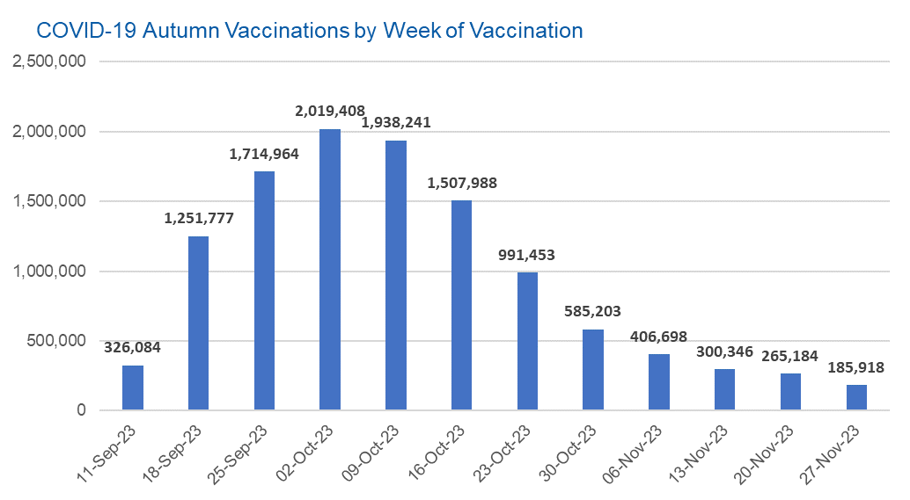

Week Commencing |  | Number of people who have had an Autumn vaccination to date | Cumulative number of people who have had an Autumn vaccination to date
Total |  | 11,493,264 | -
2023-09-11 |  | 326,084 | 326,084
2023-09-18 |  | 1,251,777 | 1,577,861
2023-09-25 |  | 1,714,964 | 3,292,825
2023-10-02 |  | 2,019,408 | 5,312,233
2023-10-09 |  | 1,938,241 | 7,250,474
2023-10-16 |  | 1,507,988 | 8,758,462
2023-10-23 |  | 991,453 | 9,749,915
2023-10-30 |  | 585,203 | 10,335,118
2023-11-06 |  | 406,698 | 10,741,816
2023-11-13 |  | 300,346 | 11,042,162
2023-11-20 |  | 265,184 | 11,307,346
2023-11-27 |  | 185,918 | 11,493,264

Data quality notes: |  |  |  | In the week commencing 27 November 2023, 185,918 autumn vaccinations were delivered. This brings the total number of autumn vaccinations delivered to 11,493,264.
1. Data was extracted from the DPS (Data Processing Service) Direct Flow on 5 December 2023.
2. See 'Definitions' tab for more information.

Total vaccinations by week
Title: | COVID-19 Vaccinations by Week of Vaccination
Summary: | The number of COVID-19 vaccinations delivered in England, by week of vaccination.
Period1,2: | 8 December 2020 to 3 December 2023
Source: | DPS (Data Processing Service) Direct Flow, NHS England
Basis: | England
Published: | 7 December 2023
Status: | Published
Definitions: | These figures include all vaccinations administered in England, even if individuals vaccinated do not have an NHS number, are resident outside of England or are no longer alive.
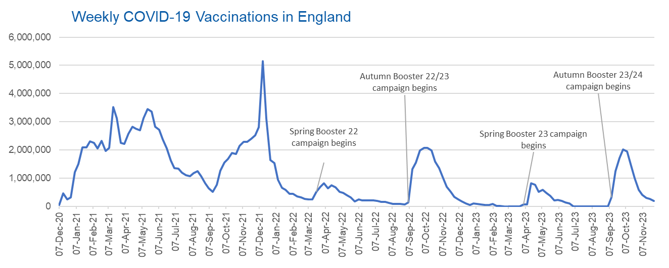

Week Commencing | Number of vaccinations delivered | Cumulative number of vaccinations delivered

Total | 157,146,643 | -
2020-12-07 | 54,722 | 54,722
2020-12-14 | 456,565 | 511,287
2020-12-21 | 243,432 | 754,719
2020-12-28 | 316,404 | 1,071,123
2021-01-04 | 1,213,217 | 2,284,340
2021-01-11 | 1,498,461 | 3,782,801
2021-01-18 | 2,090,088 | 5,872,889
2021-01-25 | 2,093,366 | 7,966,255
2021-02-01 | 2,311,247 | 10,277,502
2021-02-08 | 2,252,289 | 12,529,791
2021-02-15 | 2,050,449 | 14,580,240
2021-02-22 | 2,316,842 | 16,897,082
2021-03-01 | 1,956,560 | 18,853,642 | In the week commencing 27 November 2023, 185,918 vaccinations were delivered, taking the total number of COVID-19 vaccinations delivered to 157,146,643.
2021-03-08 | 2,067,349 | 20,920,991
2021-03-15 | 3,529,602 | 24,450,593
2021-03-22 | 3,136,505 | 27,587,098
2021-03-29 | 2,245,614 | 29,832,712
2021-04-05 | 2,221,537 | 32,054,249
2021-04-12 | 2,576,871 | 34,631,120
2021-04-19 | 2,831,902 | 37,463,022
2021-04-26 | 2,760,665 | 40,223,687
2021-05-03 | 2,705,335 | 42,929,022
2021-05-10 | 3,125,409 | 46,054,431
2021-05-17 | 3,447,606 | 49,502,037
2021-05-24 | 3,354,313 | 52,856,350
2021-05-31 | 2,832,914 | 55,689,264
2021-06-07 | 2,714,221 | 58,403,485
2021-06-14 | 2,380,681 | 60,784,166
2021-06-21 | 2,046,779 | 62,830,945
2021-06-28 | 1,625,043 | 64,455,988
2021-07-05 | 1,361,007 | 65,816,995
2021-07-12 | 1,334,608 | 67,151,603
2021-07-19 | 1,190,754 | 68,342,357
2021-07-26 | 1,108,540 | 69,450,897
2021-08-02 | 1,074,798 | 70,525,695
2021-08-09 | 1,175,625 | 71,701,320
2021-08-16 | 1,245,481 | 72,946,801
2021-08-23 | 1,062,821 | 74,009,622
2021-08-30 | 827,768 | 74,837,390
2021-09-06 | 645,916 | 75,483,306
2021-09-13 | 519,849 | 76,003,155
2021-09-20 | 760,130 | 76,763,285
2021-09-27 | 1,261,759 | 78,025,044
2021-10-04 | 1,547,780 | 79,572,824
2021-10-11 | 1,677,058 | 81,249,882
2021-10-18 | 1,884,747 | 83,134,629
2021-10-25 | 1,860,792 | 84,995,421
2021-11-01 | 2,137,693 | 87,133,114
2021-11-08 | 2,290,862 | 89,423,976
2021-11-15 | 2,288,919 | 91,712,895
2021-11-22 | 2,403,118 | 94,116,013
2021-11-29 | 2,527,240 | 96,643,253
2021-12-06 | 2,814,613 | 99,457,866
2021-12-13 | 5,145,057 | 104,602,923
2021-12-20 | 3,107,932 | 107,710,855
2021-12-27 | 1,637,175 | 109,348,030
2022-01-03 | 1,535,272 | 110,883,302
2022-01-10 | 936,737 | 111,820,039
2022-01-17 | 665,256 | 112,485,295
2022-01-24 | 595,781 | 113,081,076
2022-01-31 | 442,797 | 113,523,873
2022-02-07 | 447,056 | 113,970,929
2022-02-14 | 346,952 | 114,317,881
2022-02-21 | 318,463 | 114,636,344
2022-02-28 | 268,553 | 114,904,897
2022-03-07 | 251,563 | 115,156,460
2022-03-14 | 242,113 | 115,398,573
2022-03-21 | 510,316 | 115,908,889
2022-03-28 | 689,372 | 116,598,261
2022-04-04 | 820,298 | 117,418,559
2022-04-11 | 632,663 | 118,051,222
2022-04-18 | 753,164 | 118,804,386
2022-04-25 | 680,442 | 119,484,828
2022-05-02 | 512,421 | 119,997,249
2022-05-09 | 476,297 | 120,473,546
2022-05-16 | 386,672 | 120,860,218
2022-05-23 | 324,506 | 121,184,724
2022-05-30 | 183,950 | 121,368,674
2022-06-06 | 252,109 | 121,620,783
2022-06-13 | 203,889 | 121,824,672
2022-06-20 | 212,724 | 122,037,396
2022-06-27 | 214,409 | 122,251,805
2022-07-04 | 205,200 | 122,457,005
2022-07-11 | 188,825 | 122,645,830
2022-07-18 | 159,521 | 122,805,351
2022-07-25 | 155,175 | 122,960,526
2022-08-01 | 114,791 | 123,075,317
2022-08-08 | 93,979 | 123,169,296
2022-08-15 | 89,113 | 123,258,409
2022-08-22 | 82,025 | 123,340,434
2022-08-29 | 63,555 | 123,403,989
2022-09-05 | 134,330 | 123,538,319
2022-09-12 | 1,327,583 | 124,865,902
2022-09-19 | 1,556,011 | 126,421,913
2022-09-26 | 1,988,123 | 128,410,036
2022-10-03 | 2,066,939 | 130,476,975
2022-10-10 | 2,075,294 | 132,552,269
2022-10-17 | 1,984,856 | 134,537,125
2022-10-24 | 1,592,880 | 136,130,005
2022-10-31 | 1,352,114 | 137,482,119
2022-11-07 | 998,801 | 138,480,920
2022-11-14 | 702,897 | 139,183,817
2022-11-21 | 510,560 | 139,694,377
2022-11-28 | 337,862 | 140,032,239
2022-12-05 | 247,454 | 140,279,693
2022-12-12 | 184,104 | 140,463,797
2022-12-19 | 103,580 | 140,567,377
2022-12-26 | 46,825 | 140,614,202
2023-01-02 | 98,471 | 140,712,673
2023-01-09 | 85,977 | 140,798,650
2023-01-16 | 59,754 | 140,858,404
2023-01-23 | 53,895 | 140,912,299
2023-01-30 | 49,829 | 140,962,128
2023-02-06 | 85,479 | 141,047,607
2023-02-13 | 11,234 | 141,058,841
2023-02-20 | 6,524 | 141,065,365
2023-02-27 | 4,962 | 141,070,327
2023-03-06 | 4,074 | 141,074,401
2023-03-13 | 3,769 | 141,078,170
2023-03-20 | 3,262 | 141,081,432
2023-03-27 | 2,454 | 141,083,886
2023-04-03 | 64,013 | 141,147,899
2023-04-10 | 70,727 | 141,218,626
2023-04-17 | 822,857 | 142,041,483
2023-04-24 | 775,000 | 142,816,483
2023-05-01 | 506,621 | 143,323,104
2023-05-08 | 579,002 | 143,902,106
2023-05-15 | 484,378 | 144,386,484
2023-05-22 | 372,030 | 144,758,514
2023-05-29 | 219,040 | 144,977,554
2023-06-05 | 230,339 | 145,207,893
2023-06-12 | 185,280 | 145,393,173
2023-06-19 | 144,788 | 145,537,961
2023-06-26 | 111,427 | 145,649,388
2023-07-03 | 795 | 145,650,183
2023-07-10 | 300 | 145,650,483
2023-07-17 | 212 | 145,650,695
2023-07-24 | 252 | 145,650,947
2023-07-31 | 199 | 145,651,146
2023-08-07 | 193 | 145,651,339
2023-08-14 | 253 | 145,651,592
2023-08-21 | 301 | 145,651,893
2023-08-28 | 270 | 145,652,163
2023-09-04 | 1,216 | 145,653,379
2023-09-11 | 326,084 | 145,979,463
2023-09-18 | 1,251,777 | 147,231,240
2023-09-25 | 1,714,964 | 148,946,204
2023-10-02 | 2,019,408 | 150,965,612
2023-10-09 | 1,938,241 | 152,903,853
2023-10-16 | 1,507,988 | 154,411,841
2023-10-23 | 991,453 | 155,403,294
2023-10-30 | 585,203 | 155,988,497
2023-11-06 | 406,698 | 156,395,195
2023-11-13 | 300,346 | 156,695,541
2023-11-20 | 265,184 | 156,960,725
2023-11-27 | 185,918 | 157,146,643

Data quality notes:
1. Data was extracted from the DPS (Data Processing Service) Direct Flow on 5 December 2023.
2. Note these figures may be updated as more information becomes available from local systems.
3. Due to a transfer of vaccination data from the National Immunisation Management System (NIMS) to DPS (Data Processing Service) the number of total vaccinations decreased when comparing our last weekly publication during the spring 2023 campaign on 13 July 2023 and the first weekly publication during the autumn campaign on 28 September 2023. This drop in vaccinations is under investigation.

