Definitions
Title: | COVID-19 Vaccination Statistics Definitions
Summary: | This file contains information on the number of vaccinations for COVID-19 delivered to English residents and all other individuals who have been vaccinated in England (including those living outside of England). All vaccinations included in this publication were administered during the period specified below and are recorded against the date of vaccination. The source of all vaccination data in this publication is DPS (Data Processing Service) Direct Flow.
Period: | Data to 4 February 2024
Source: | DPS (Data Processing Service) Direct Flow, NHS England
Basis: | England
Published: | 8 February 2024
Status: | Published

Data Definitions
All data on the number of people vaccinated in this publication are taken from DPS (Data Processing Service) Direct Flow, unless otherwise specified. This was previously the National Immunisation Management System (NIMS).
Data marked as DPS (Data Processing Service) Direct Flow NHS England' includes any vaccinations given in England, regardless of whether the recipient is alive or resident in England.
Where figures are shown for NHS geographies (region), these are based on the place of residence of the vaccinated individual. The health geographical boundaries used are defined as at July 2023.
Autumn 2023/24 vaccinations definition
The total autumn vaccinations figure includes any vaccination administered after the start of the autumn campaign on 11 September 2023 to any individuals in an eligible cohort.
NHS England estimates that approximately 21.5 million people will be eligible for an autumn booster during the campaign. This figure includes individuals who are in an eligible cohort and had a first dose vaccination prior to the start of the campaign. Eligible cohorts we report in this publication include adults aged 65 and over, immunosuppressed individuals aged 5 to 64, individuals in a clinical risk group aged 5 to 64 and frontline healthcare workers. There are approximately 25.5 million people that are in an eligible cohort.
Separate cohort figures are published for individuals in an eligible autumn vaccination cohorts:
Aged 65+ - In line with JCVI guidance, age is as at 31 March 2024, as recorded in the Master Patient Index. Therefore, some vaccinations delivered to this cohort will be to individuals who have not yet turned 65.
Immunosuppressed (aged 5-64) - The Immunosuppressed (IS) cohort reported in this publication is based on the CaaS cohort definition as outlined in the Green Book (chapter 14). This cohort is a subset of the 'in a clinical risk group' cohort. Please note that the IS cohort might fluctuate as individuals move in and out of this cohort.
In a clinical risk group (aged 5-64) - The 'in a clinical risk group' cohort reported in this publication is based on the CaaS cohort definition as outlined in the Green Book (chapter 14). Please note that the in a clinical at risk cohort might fluctuate as individuals move in and out of this cohort.
Frontline healthcare workers - These figures represent only those NHS healthcare workers who appear in the NHS Electronic Staff Record (ESR), were employed by an NHS Trust as at the extract date and are in an occupational group designated as a frontline healthcare worker. This covers directly employed staff in NHS Trusts who are paid through ESR, which will include some NHS Bank staff. The figures do not include data on staff that are not paid through ESR, or staff on ESR who could not be matched to DPS. It also does not include data on primary care staff or social care workers.
Care home residents are also eligible for an autumn vaccination during the campaign but are not reported in this publication. Information on care home residents will be published separately.
The figures include any vaccinations delivered in England, regardless of whether the individual is still alive or resident in England. Not all vaccinations delivered up to this date will be included in these figures. At 2 January 2024, 94.8% of vaccinations recorded in the DPS Direct Flow database were reported within 1 day of being administered and 97.9% of vaccinations were reported within 7 days.
Age definition
Age is as at the end of March 2024, as recorded in the Master Patient Index (MPI). This is to ensure vaccinations delivered to 64 year olds will be counted in this figure if they turn 65 by the end of March. Vaccinations to children will be counted as an autumn vaccination if they turn 5 before the start of the campaign on 11 September 2023 and are in an eligible cohort.
 |  | j

Links
JCVI advises on eligible groups for 2023 autumn booster - GOV.UK (www.gov.uk)

Autumn vaccinations by week
Title: | COVID-19 Autumn Vaccinations by Week of Vaccination
Summary: | The number of people who have had a 'Autumn' vaccination for COVID-19 in England since the start of the Autumn 2023 campaign, by week of vaccination.
Period1: | 11 September 2023 to 4 February 2024
Source: | DPS (Data Processing Service) Direct Flow, NHS England
Basis: | England
Published: | 8 February 2024
Status: | Published
Definitions: | The data in this release includes all individuals with a 'Autumn' vaccination administered in England, even if individuals are resident outside of England, do not have an NHS number or are no longer alive. This includes vaccinations administered as part of clinical trials.
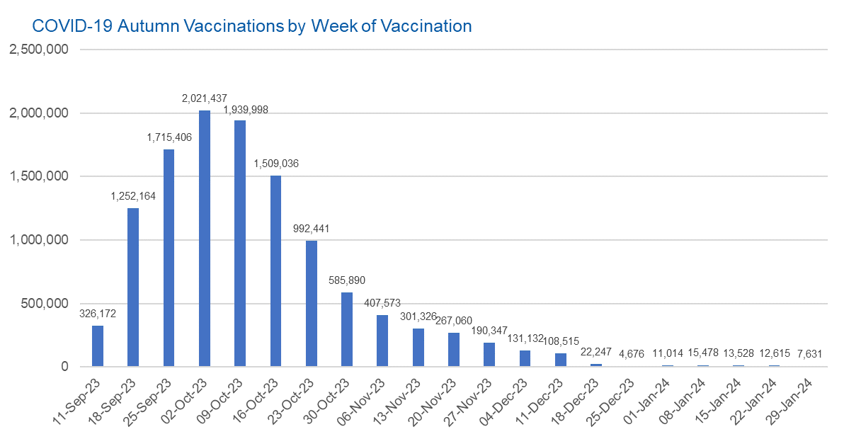

Week Commencing |  | Number of people who have had an Autumn vaccination to date | Cumulative number of people who have had an Autumn vaccination to date
Total |  | 11,835,686 | -
2023-09-11 |  | 326,172 | 326,172
2023-09-18 |  | 1,252,164 | 1,578,336
2023-09-25 |  | 1,715,406 | 3,293,742
2023-10-02 |  | 2,021,437 | 5,315,179
2023-10-09 |  | 1,939,998 | 7,255,177
2023-10-16 |  | 1,509,036 | 8,764,213
2023-10-23 |  | 992,441 | 9,756,654
2023-10-30 |  | 585,890 | 10,342,544
2023-11-06 |  | 407,573 | 10,750,117
2023-11-13 |  | 301,326 | 11,051,443
2023-11-20 |  | 267,060 | 11,318,503
2023-11-27 |  | 190,347 | 11,508,850
2023-12-04 |  | 131,132 | 11,639,982
2023-12-11 |  | 108,515 | 11,748,497
2023-12-18 |  | 22,247 | 11,770,744 | In the week commencing 29 January 2024, 7,631 autumn vaccinations were delivered. This brings the total number of autumn vaccinations delivered to 11,835,686.
2023-12-25 |  | 4,676 | 11,775,420
2024-01-01 |  | 11,014 | 11,786,434
2024-01-08 |  | 15,478 | 11,801,912
2024-01-15 |  | 13,528 | 11,815,440
2024-01-22 |  | 12,615 | 11,828,055
2024-01-29 |  | 7,631 | 11,835,686

Data quality notes:
1. Data was extracted from the DPS (Data Processing Service) Direct Flow on 6 February 2024.
2. See 'Definitions' tab for more information.
3. Please note that the number of people vaccinated includes a small number of duplicates where people had more than 1 COVID vaccination during the autumn campaign, which is currently being investigated.

Total vaccinations by week
Title: | COVID-19 Vaccinations by Week of Vaccination
Summary: | The number of COVID-19 vaccinations delivered in England, by week of vaccination.
Period1,2: | 8 December 2020 to 4 February 2024
Source: | DPS (Data Processing Service) Direct Flow, NHS England
Basis: | England
Published: | 8 February 2024
Status: | Published
Definitions: | These figures include all vaccinations administered in England, even if individuals vaccinated do not have an NHS number, are resident outside of England or are no longer alive.

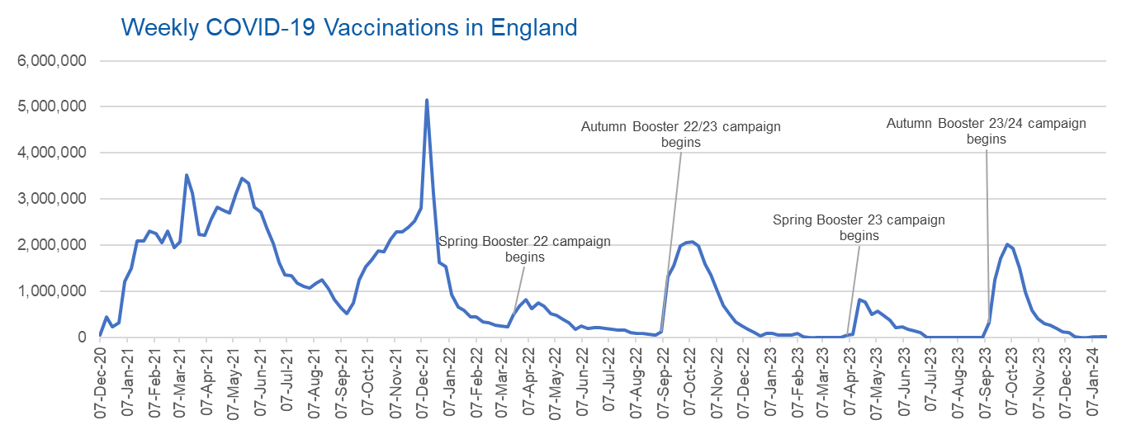
Week Commencing | Number of vaccinations delivered | Cumulative number of vaccinations delivered

Total | 157,488,334 | -
2020-12-07 | 54,719 | 54,719
2020-12-14 | 456,558 | 511,277
2020-12-21 | 243,430 | 754,707
2020-12-28 | 316,402 | 1,071,109
2021-01-04 | 1,213,208 | 2,284,317
2021-01-11 | 1,498,442 | 3,782,759
2021-01-18 | 2,090,074 | 5,872,833
2021-01-25 | 2,093,364 | 7,966,197
2021-02-01 | 2,311,241 | 10,277,438
2021-02-08 | 2,252,277 | 12,529,715
2021-02-15 | 2,050,446 | 14,580,161
2021-02-22 | 2,316,835 | 16,896,996
2021-03-01 | 1,956,554 | 18,853,550 | In the week commencing 29 January 2024, 7,631 vaccinations were delivered, taking the total number of COVID-19 vaccinations delivered to 157,488,334.
2021-03-08 | 2,067,341 | 20,920,891
2021-03-15 | 3,529,594 | 24,450,485
2021-03-22 | 3,136,489 | 27,586,974
2021-03-29 | 2,245,601 | 29,832,575
2021-04-05 | 2,221,526 | 32,054,101
2021-04-12 | 2,576,866 | 34,630,967
2021-04-19 | 2,831,895 | 37,462,862
2021-04-26 | 2,760,660 | 40,223,522
2021-05-03 | 2,705,333 | 42,928,855
2021-05-10 | 3,125,402 | 46,054,257
2021-05-17 | 3,447,596 | 49,501,853
2021-05-24 | 3,354,304 | 52,856,157
2021-05-31 | 2,832,897 | 55,689,054
2021-06-07 | 2,714,202 | 58,403,256
2021-06-14 | 2,380,670 | 60,783,926
2021-06-21 | 2,046,766 | 62,830,692
2021-06-28 | 1,625,031 | 64,455,723
2021-07-05 | 1,360,997 | 65,816,720
2021-07-12 | 1,334,597 | 67,151,317
2021-07-19 | 1,190,748 | 68,342,065
2021-07-26 | 1,108,529 | 69,450,594
2021-08-02 | 1,074,783 | 70,525,377
2021-08-09 | 1,175,608 | 71,700,985
2021-08-16 | 1,245,463 | 72,946,448
2021-08-23 | 1,062,807 | 74,009,255
2021-08-30 | 827,762 | 74,837,017
2021-09-06 | 645,908 | 75,482,925
2021-09-13 | 519,836 | 76,002,761
2021-09-20 | 760,112 | 76,762,873
2021-09-27 | 1,261,738 | 78,024,611
2021-10-04 | 1,547,762 | 79,572,373
2021-10-11 | 1,677,036 | 81,249,409
2021-10-18 | 1,884,728 | 83,134,137
2021-10-25 | 1,860,773 | 84,994,910
2021-11-01 | 2,137,678 | 87,132,588
2021-11-08 | 2,290,841 | 89,423,429
2021-11-15 | 2,288,884 | 91,712,313
2021-11-22 | 2,403,097 | 94,115,410
2021-11-29 | 2,527,216 | 96,642,626
2021-12-06 | 2,814,586 | 99,457,212
2021-12-13 | 5,144,987 | 104,602,199
2021-12-20 | 3,107,901 | 107,710,100
2021-12-27 | 1,637,158 | 109,347,258
2022-01-03 | 1,535,261 | 110,882,519
2022-01-10 | 936,725 | 111,819,244
2022-01-17 | 665,244 | 112,484,488
2022-01-24 | 595,772 | 113,080,260
2022-01-31 | 442,790 | 113,523,050
2022-02-07 | 447,051 | 113,970,101
2022-02-14 | 346,950 | 114,317,051
2022-02-21 | 318,456 | 114,635,507
2022-02-28 | 268,551 | 114,904,058
2022-03-07 | 251,556 | 115,155,614
2022-03-14 | 242,111 | 115,397,725
2022-03-21 | 510,309 | 115,908,034
2022-03-28 | 689,362 | 116,597,396
2022-04-04 | 820,318 | 117,417,714
2022-04-11 | 632,752 | 118,050,466
2022-04-18 | 753,156 | 118,803,622
2022-04-25 | 680,476 | 119,484,098
2022-05-02 | 512,427 | 119,996,525
2022-05-09 | 476,307 | 120,472,832
2022-05-16 | 386,666 | 120,859,498
2022-05-23 | 324,502 | 121,184,000
2022-05-30 | 183,947 | 121,367,947
2022-06-06 | 252,124 | 121,620,071
2022-06-13 | 203,887 | 121,823,958
2022-06-20 | 212,720 | 122,036,678
2022-06-27 | 214,409 | 122,251,087
2022-07-04 | 205,202 | 122,456,289
2022-07-11 | 188,824 | 122,645,113
2022-07-18 | 159,519 | 122,804,632
2022-07-25 | 155,174 | 122,959,806
2022-08-01 | 114,791 | 123,074,597
2022-08-08 | 93,978 | 123,168,575
2022-08-15 | 89,114 | 123,257,689
2022-08-22 | 82,024 | 123,339,713
2022-08-29 | 63,553 | 123,403,266
2022-09-05 | 134,327 | 123,537,593
2022-09-12 | 1,327,572 | 124,865,165
2022-09-19 | 1,555,992 | 126,421,157
2022-09-26 | 1,988,093 | 128,409,250
2022-10-03 | 2,066,920 | 130,476,170
2022-10-10 | 2,075,257 | 132,551,427
2022-10-17 | 1,984,822 | 134,536,249
2022-10-24 | 1,592,864 | 136,129,113
2022-10-31 | 1,352,097 | 137,481,210
2022-11-07 | 998,790 | 138,480,000
2022-11-14 | 702,888 | 139,182,888
2022-11-21 | 510,549 | 139,693,437
2022-11-28 | 337,853 | 140,031,290
2022-12-05 | 247,455 | 140,278,745
2022-12-12 | 184,099 | 140,462,844
2022-12-19 | 103,578 | 140,566,422
2022-12-26 | 46,824 | 140,613,246
2023-01-02 | 98,468 | 140,711,714
2023-01-09 | 85,975 | 140,797,689
2023-01-16 | 59,754 | 140,857,443
2023-01-23 | 53,896 | 140,911,339
2023-01-30 | 49,829 | 140,961,168
2023-02-06 | 85,478 | 141,046,646
2023-02-13 | 11,234 | 141,057,880
2023-02-20 | 6,524 | 141,064,404
2023-02-27 | 4,962 | 141,069,366
2023-03-06 | 4,074 | 141,073,440
2023-03-13 | 3,769 | 141,077,209
2023-03-20 | 3,262 | 141,080,471
2023-03-27 | 2,455 | 141,082,926
2023-04-03 | 64,013 | 141,146,939
2023-04-10 | 70,727 | 141,217,666
2023-04-17 | 822,857 | 142,040,523
2023-04-24 | 775,181 | 142,815,704
2023-05-01 | 506,646 | 143,322,350
2023-05-08 | 579,011 | 143,901,361
2023-05-15 | 484,378 | 144,385,739
2023-05-22 | 372,028 | 144,757,767
2023-05-29 | 219,040 | 144,976,807
2023-06-05 | 230,339 | 145,207,146
2023-06-12 | 185,280 | 145,392,426
2023-06-19 | 144,788 | 145,537,214
2023-06-26 | 111,439 | 145,648,653
2023-07-03 | 795 | 145,649,448
2023-07-10 | 301 | 145,649,749
2023-07-17 | 212 | 145,649,961
2023-07-24 | 252 | 145,650,213
2023-07-31 | 199 | 145,650,412
2023-08-07 | 193 | 145,650,605
2023-08-14 | 253 | 145,650,858
2023-08-21 | 301 | 145,651,159
2023-08-28 | 272 | 145,651,431
2023-09-04 | 1,217 | 145,652,648
2023-09-11 | 326,172 | 145,978,820
2023-09-18 | 1,252,164 | 147,230,984
2023-09-25 | 1,715,406 | 148,946,390
2023-10-02 | 2,021,437 | 150,967,827
2023-10-09 | 1,939,998 | 152,907,825
2023-10-16 | 1,509,036 | 154,416,861
2023-10-23 | 992,441 | 155,409,302
2023-10-30 | 585,890 | 155,995,192
2023-11-06 | 407,573 | 156,402,765
2023-11-13 | 301,326 | 156,704,091
2023-11-20 | 267,060 | 156,971,151
2023-11-27 | 190,347 | 157,161,498
2023-12-04 | 131,132 | 157,292,630
2023-12-11 | 108,515 | 157,401,145
2023-12-18 | 22,247 | 157,423,392
2023-12-25 | 4,676 | 157,428,068
2024-01-01 | 11,014 | 157,439,082
2024-01-08 | 15,478 | 157,454,560
2024-01-15 | 13,528 | 157,468,088
2024-01-22 | 12,615 | 157,480,703
2024-01-29 | 7,631 | 157,488,334

Data quality notes:
1. Data was extracted from the DPS (Data Processing Service) Direct Flow on 6 February 2024.
2. Note these figures may be updated as more information becomes available from local systems.
3. Due to a transfer of vaccination data from the National Immunisation Management System (NIMS) to DPS (Data Processing Service) the number of total vaccinations decreased when comparing our last weekly publication during the spring 2023 campaign on 13 July 2023 and the first weekly publication during the autumn campaign on 28 September 2023. This drop in vaccinations is under investigation.

