Definitions
Title: | COVID-19 Vaccination Statistics Definitions
Summary: | This file contains information on the number of vaccinations for COVID-19 delivered to English residents and all other individuals who have been vaccinated in England (including those living outside of England). All vaccinations included in this publication were administered during the period specified below and are recorded against the date of vaccination. The source of all vaccination data in this publication is DPS (Data Processing Service) Direct Flow.
Period: | Data to 17 December 2023
Source: | DPS (Data Processing Service) Direct Flow, NHS England
Basis: | England
Published: | 21 December 2023
Status: | Published

Data Definitions
All data on the number of people vaccinated in this publication are taken from DPS (Data Processing Service) Direct Flow, unless otherwise specified. This was previously the National Immunisation Management System (NIMS).
Data marked as DPS (Data Processing Service) Direct Flow NHS England' includes any vaccinations given in England, regardless of whether the recipient is alive or resident in England.
Where figures are shown for NHS geographies (region), these are based on the place of residence of the vaccinated individual. The health geographical boundaries used are defined as at July 2023.
Autumn 2023/24 vaccinations definition
The total autumn vaccinations figure includes any vaccination administered after the start of the autumn campaign on 11 September 2023 to any individuals in an eligible cohort.
NHS England estimates that approximately 21.5 million people will be eligible for an autumn booster during the campaign. This figure includes individuals who are in an eligible cohort and had a first dose vaccination prior to the start of the campaign. Eligible cohorts we report in this publication include adults aged 65 and over, immunosuppressed individuals aged 5 to 64, individuals in a clinical risk group aged 5 to 64 and frontline healthcare workers. There are approximately 25.5 million people that are in an eligible cohort.
Separate cohort figures are published for individuals in an eligible autumn vaccination cohorts:
Aged 65+ - In line with JCVI guidance, age is as at 31 March 2024, as recorded in the Master Patient Index. Therefore, some vaccinations delivered to this cohort will be to individuals who have not yet turned 65.
Immunosuppressed (aged 5-64) - The Immunosuppressed (IS) cohort reported in this publication is based on the CaaS cohort definition as outlined in the Green Book (chapter 14). This cohort is a subset of the 'in a clinical risk group' cohort. Please note that the IS cohort might fluctuate as individuals move in and out of this cohort.
In a clinical risk group (aged 5-64) - The 'in a clinical risk group' cohort reported in this publication is based on the CaaS cohort definition as outlined in the Green Book (chapter 14). Please note that the in a clinical at risk cohort might fluctuate as individuals move in and out of this cohort.
Frontline healthcare workers - These figures represent only those NHS healthcare workers who appear in the NHS Electronic Staff Record (ESR), were employed by an NHS Trust as at the extract date and are in an occupational group designated as a frontline healthcare worker. This covers directly employed staff in NHS Trusts who are paid through ESR, which will include some NHS Bank staff. The figures do not include data on staff that are not paid through ESR, or staff on ESR who could not be matched to DPS. It also does not include data on primary care staff or social care workers.
Care home residents are also eligible for an autumn vaccination during the campaign but are not reported in this publication. Information on care home residents will be published separately.
The figures include any vaccinations delivered in England, regardless of whether the individual is still alive or resident in England. Not all vaccinations delivered up to this date will be included in these figures. At 4 December 2023, 94.8% of vaccinations recorded in the DPS Direct Flow database were reported within 1 day of being administered and 97.9% of vaccinations were reported within 7 days.
Age definition
Age is as at the end of March 2024, as recorded in the Master Patient Index (MPI). This is to ensure vaccinations delivered to 64 year olds will be counted in this figure if they turn 65 by the end of March. Vaccinations to children will be counted as an autumn vaccination if they turn 5 before the start of the campaign on 11 September 2023 and are in an eligible cohort.
 |  | j

Links
JCVI advises on eligible groups for 2023 autumn booster - GOV.UK (www.gov.uk)

Autumn vaccinations by week
Title: | COVID-19 Autumn Vaccinations by Week of Vaccination
Summary: | The number of people who have had a 'Autumn' vaccination for COVID-19 in England since the start of the Autumn 2023 campaign, by week of vaccination.
Period1: | 11 September 2023 to 17 December 2023
Source: | DPS (Data Processing Service) Direct Flow, NHS England
Basis: | England
Published: | 21 December 2023
Status: | Published
Definitions: | The data in this release includes all individuals with a 'Autumn' vaccination administered in England, even if individuals are resident outside of England, do not have an NHS number or are no longer alive.

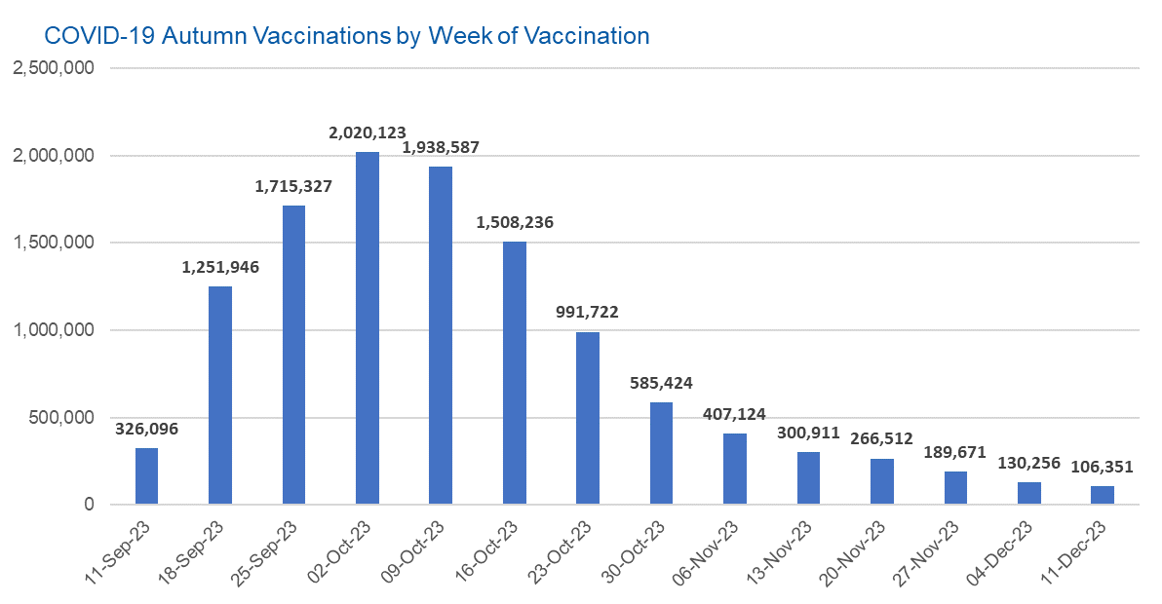

Week Commencing |  | Number of people who have had an Autumn vaccination to date | Cumulative number of people who have had an Autumn vaccination to date
Total |  | 11,738,286 | -
2023-09-11 |  | 326,096 | 326,096
2023-09-18 |  | 1,251,946 | 1,578,042
2023-09-25 |  | 1,715,327 | 3,293,369
2023-10-02 |  | 2,020,123 | 5,313,492
2023-10-09 |  | 1,938,587 | 7,252,079
2023-10-16 |  | 1,508,236 | 8,760,315
2023-10-23 |  | 991,722 | 9,752,037
2023-10-30 |  | 585,424 | 10,337,461
2023-11-06 |  | 407,124 | 10,744,585
2023-11-13 |  | 300,911 | 11,045,496
2023-11-20 |  | 266,512 | 11,312,008
2023-11-27 |  | 189,671 | 11,501,679
2023-12-04 |  | 130,256 | 11,631,935
2023-12-11 |  | 106,351 | 11,738,286

Data quality notes: |  |  |  | In the week commencing 11 December 2023, 106,351 autumn vaccinations were delivered. This brings the total number of autumn vaccinations delivered to 11,738,286.
1. Data was extracted from the DPS (Data Processing Service) Direct Flow on 19 December 2023.
2. See 'Definitions' tab for more information.

Total vaccinations by week
Title: | COVID-19 Vaccinations by Week of Vaccination
Summary: | The number of COVID-19 vaccinations delivered in England, by week of vaccination.
Period1,2: | 8 December 2020 to 17 December 2023
Source: | DPS (Data Processing Service) Direct Flow, NHS England
Basis: | England
Published: | 21 December 2023
Status: | Published
Definitions: | These figures include all vaccinations administered in England, even if individuals vaccinated do not have an NHS number, are resident outside of England or are no longer alive.
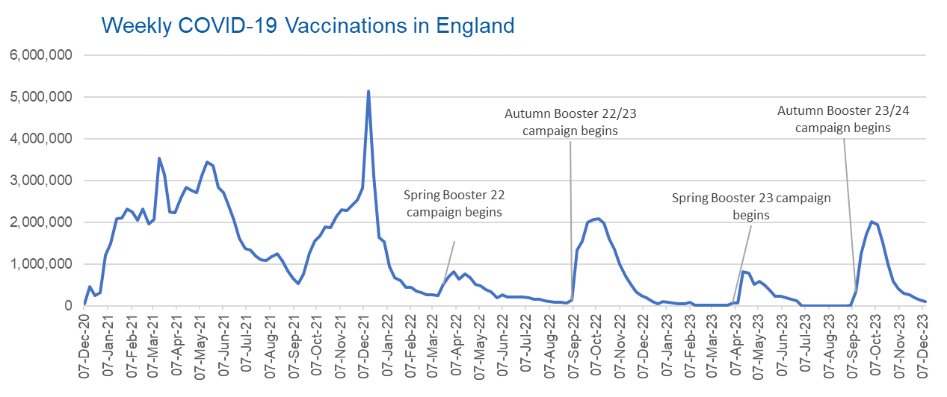

Week Commencing | Number of vaccinations delivered | Cumulative number of vaccinations delivered

Total | 157,391,598 | -
2020-12-07 | 54,722 | 54,722
2020-12-14 | 456,562 | 511,284
2020-12-21 | 243,431 | 754,715
2020-12-28 | 316,404 | 1,071,119
2021-01-04 | 1,213,213 | 2,284,332
2021-01-11 | 1,498,458 | 3,782,790
2021-01-18 | 2,090,086 | 5,872,876
2021-01-25 | 2,093,364 | 7,966,240
2021-02-01 | 2,311,243 | 10,277,483
2021-02-08 | 2,252,284 | 12,529,767
2021-02-15 | 2,050,449 | 14,580,216
2021-02-22 | 2,316,842 | 16,897,058
2021-03-01 | 1,956,558 | 18,853,616 | In the week commencing 11 December 2023, 106,351 vaccinations were delivered, taking the total number of COVID-19 vaccinations delivered to 157,391,598.
2021-03-08 | 2,067,347 | 20,920,963
2021-03-15 | 3,529,597 | 24,450,560
2021-03-22 | 3,136,501 | 27,587,061
2021-03-29 | 2,245,611 | 29,832,672
2021-04-05 | 2,221,534 | 32,054,206
2021-04-12 | 2,576,869 | 34,631,075
2021-04-19 | 2,831,897 | 37,462,972
2021-04-26 | 2,760,663 | 40,223,635
2021-05-03 | 2,705,334 | 42,928,969
2021-05-10 | 3,125,409 | 46,054,378
2021-05-17 | 3,447,601 | 49,501,979
2021-05-24 | 3,354,311 | 52,856,290
2021-05-31 | 2,832,906 | 55,689,196
2021-06-07 | 2,714,216 | 58,403,412
2021-06-14 | 2,380,676 | 60,784,088
2021-06-21 | 2,046,776 | 62,830,864
2021-06-28 | 1,625,038 | 64,455,902
2021-07-05 | 1,361,006 | 65,816,908
2021-07-12 | 1,334,607 | 67,151,515
2021-07-19 | 1,190,752 | 68,342,267
2021-07-26 | 1,108,539 | 69,450,806
2021-08-02 | 1,074,795 | 70,525,601
2021-08-09 | 1,175,618 | 71,701,219
2021-08-16 | 1,245,476 | 72,946,695
2021-08-23 | 1,062,817 | 74,009,512
2021-08-30 | 827,767 | 74,837,279
2021-09-06 | 645,916 | 75,483,195
2021-09-13 | 519,844 | 76,003,039
2021-09-20 | 760,124 | 76,763,163
2021-09-27 | 1,261,753 | 78,024,916
2021-10-04 | 1,547,774 | 79,572,690
2021-10-11 | 1,677,051 | 81,249,741
2021-10-18 | 1,884,745 | 83,134,486
2021-10-25 | 1,860,782 | 84,995,268
2021-11-01 | 2,137,685 | 87,132,953
2021-11-08 | 2,290,856 | 89,423,809
2021-11-15 | 2,288,907 | 91,712,716
2021-11-22 | 2,403,111 | 94,115,827
2021-11-29 | 2,527,230 | 96,643,057
2021-12-06 | 2,814,602 | 99,457,659
2021-12-13 | 5,145,036 | 104,602,695
2021-12-20 | 3,107,924 | 107,710,619
2021-12-27 | 1,637,170 | 109,347,789
2022-01-03 | 1,535,270 | 110,883,059
2022-01-10 | 936,732 | 111,819,791
2022-01-17 | 665,253 | 112,485,044
2022-01-24 | 595,778 | 113,080,822
2022-01-31 | 442,797 | 113,523,619
2022-02-07 | 447,055 | 113,970,674
2022-02-14 | 346,952 | 114,317,626
2022-02-21 | 318,461 | 114,636,087
2022-02-28 | 268,553 | 114,904,640
2022-03-07 | 251,559 | 115,156,199
2022-03-14 | 242,112 | 115,398,311
2022-03-21 | 510,313 | 115,908,624
2022-03-28 | 689,369 | 116,597,993
2022-04-04 | 820,319 | 117,418,312
2022-04-11 | 632,716 | 118,051,028
2022-04-18 | 753,159 | 118,804,187
2022-04-25 | 680,439 | 119,484,626
2022-05-02 | 512,419 | 119,997,045
2022-05-09 | 476,293 | 120,473,338
2022-05-16 | 386,671 | 120,860,009
2022-05-23 | 324,504 | 121,184,513
2022-05-30 | 183,948 | 121,368,461
2022-06-06 | 252,123 | 121,620,584
2022-06-13 | 203,888 | 121,824,472
2022-06-20 | 212,724 | 122,037,196
2022-06-27 | 214,409 | 122,251,605
2022-07-04 | 205,198 | 122,456,803
2022-07-11 | 188,824 | 122,645,627
2022-07-18 | 159,521 | 122,805,148
2022-07-25 | 155,175 | 122,960,323
2022-08-01 | 114,792 | 123,075,115
2022-08-08 | 93,979 | 123,169,094
2022-08-15 | 89,114 | 123,258,208
2022-08-22 | 82,024 | 123,340,232
2022-08-29 | 63,555 | 123,403,787
2022-09-05 | 134,329 | 123,538,116
2022-09-12 | 1,327,580 | 124,865,696
2022-09-19 | 1,556,002 | 126,421,698
2022-09-26 | 1,988,113 | 128,409,811
2022-10-03 | 2,066,932 | 130,476,743
2022-10-10 | 2,075,280 | 132,552,023
2022-10-17 | 1,984,841 | 134,536,864
2022-10-24 | 1,592,874 | 136,129,738
2022-10-31 | 1,352,108 | 137,481,846
2022-11-07 | 998,799 | 138,480,645
2022-11-14 | 702,894 | 139,183,539
2022-11-21 | 510,555 | 139,694,094
2022-11-28 | 337,858 | 140,031,952
2022-12-05 | 247,456 | 140,279,408
2022-12-12 | 184,102 | 140,463,510
2022-12-19 | 103,580 | 140,567,090
2022-12-26 | 46,825 | 140,613,915
2023-01-02 | 98,470 | 140,712,385
2023-01-09 | 85,976 | 140,798,361
2023-01-16 | 59,755 | 140,858,116
2023-01-23 | 53,895 | 140,912,011
2023-01-30 | 49,829 | 140,961,840
2023-02-06 | 85,480 | 141,047,320
2023-02-13 | 11,234 | 141,058,554
2023-02-20 | 6,524 | 141,065,078
2023-02-27 | 4,962 | 141,070,040
2023-03-06 | 4,074 | 141,074,114
2023-03-13 | 3,769 | 141,077,883
2023-03-20 | 3,262 | 141,081,145
2023-03-27 | 2,455 | 141,083,600
2023-04-03 | 64,013 | 141,147,613
2023-04-10 | 70,727 | 141,218,340
2023-04-17 | 822,857 | 142,041,197
2023-04-24 | 775,181 | 142,816,378
2023-05-01 | 506,646 | 143,323,024
2023-05-08 | 579,010 | 143,902,034
2023-05-15 | 484,378 | 144,386,412
2023-05-22 | 372,029 | 144,758,441
2023-05-29 | 219,040 | 144,977,481
2023-06-05 | 230,339 | 145,207,820
2023-06-12 | 185,280 | 145,393,100
2023-06-19 | 144,788 | 145,537,888
2023-06-26 | 111,429 | 145,649,317
2023-07-03 | 795 | 145,650,112
2023-07-10 | 301 | 145,650,413
2023-07-17 | 212 | 145,650,625
2023-07-24 | 252 | 145,650,877
2023-07-31 | 199 | 145,651,076
2023-08-07 | 193 | 145,651,269
2023-08-14 | 253 | 145,651,522
2023-08-21 | 301 | 145,651,823
2023-08-28 | 272 | 145,652,095
2023-09-04 | 1,217 | 145,653,312
2023-09-11 | 326,096 | 145,979,408
2023-09-18 | 1,251,946 | 147,231,354
2023-09-25 | 1,715,327 | 148,946,681
2023-10-02 | 2,020,123 | 150,966,804
2023-10-09 | 1,938,587 | 152,905,391
2023-10-16 | 1,508,236 | 154,413,627
2023-10-23 | 991,722 | 155,405,349
2023-10-30 | 585,424 | 155,990,773
2023-11-06 | 407,124 | 156,397,897
2023-11-13 | 300,911 | 156,698,808
2023-11-20 | 266,512 | 156,965,320
2023-11-27 | 189,671 | 157,154,991
2023-12-04 | 130,256 | 157,285,247
2023-12-11 | 106,351 | 157,391,598

Data quality notes:
1. Data was extracted from the DPS (Data Processing Service) Direct Flow on 19 December 2023.
2. Note these figures may be updated as more information becomes available from local systems.
3. Due to a transfer of vaccination data from the National Immunisation Management System (NIMS) to DPS (Data Processing Service) the number of total vaccinations decreased when comparing our last weekly publication during the spring 2023 campaign on 13 July 2023 and the first weekly publication during the autumn campaign on 28 September 2023. This drop in vaccinations is under investigation.

