Definitions
Title: | COVID-19 Vaccination Statistics Definitions
Summary: | This file contains information on the number of vaccinations for COVID-19 delivered to English residents and all other individuals who have been vaccinated in England (including those living outside of England). All vaccinations included in this publication were administered during the period specified below and are recorded against the date of vaccination. The source of all vaccination data in this publication is the National Immunisation Management System (NIMS) database.
Period: | Data to 18 June 2023
Source: | National Immunisation Management System (NIMS)
Basis: | England
Published: | 22 June 2023
Status: | Published

Data Definitions
All data on the number of people vaccinated in this publication are taken from the National Immunisation Management System (NIMS) dataset, unless otherwise specified.
Data marked as 'National Immunisation Management System (NIMS), NHS England' includes any vaccinations given in England, regardless of whether the recipient is alive or resident in England.
Where figures are shown for NHS geographies (region), these are based on the place of residence of the vaccinated individual. The health geographical boundaries used are as defined at July 2022. An individual's NHS region of residence is taken from the NHS Master Patient Index (MPI).
Spring booster definition
The total spring booster figure includes any vaccination with a dose greater than or equal to 3, administered on or after 3 April 2023. This includes a small number of first boosters delivered to those not in an eligible spring booster cohort.
NHS England estimates that approximately 6.6 million people will be eligible for a spring booster during the campaign. This figure includes individuals who are in an eligible cohort and had a second dose vaccination prior to the start of the campaign. Eligible cohorts include care home residents, adults aged 75 and over, and immunosuppressed individuals.
Separate cohort figures are published for individuals in an eligible spring booster cohort:
Aged 75+ - In line with JCVI guidance, age is as at 30 June 2023, as recorded in the MPI. Therefore, some vaccinations delivered to this cohort will be to individuals who have not yet turned 75.
Immunosuppressed (Aged 5-74) - The IS cohort reported in this publication is based on the CaaS cohort definition as outlined in the Green Book (chapter 14). This cohort is a subset of the 'At risk' cohort. Please note that the IS cohort might fluctuate as individuals move in and out of this cohort.
Care home residents are also eligible for a spring booster during the campaign but are not reported on in this publication. Information on care home residents will be published separately.
The figures include any vaccinations delivered in England, regardless of whether the individual is still alive or resident in England. Not all vaccinations delivered up to this date will be included in these figures. At 6 June 2023, 94.7% of vaccinations recorded in the NIMS database were reported within 1 day of being administered and 97.8% of vaccinations were reported within 7 days.
Age definition
In line with JCVI eligibility guidance, age is reported as at 30 June 2023.
Links
Spring 2023 COVID-19 vaccination programme: JCVI advice, 22 February 2023 - GOV.UK (www.gov.uk)
 |  | j

Spring Boosters by Vacc Week
Title: | COVID-19 Spring Booster Vaccinations by Week of Vaccination
Summary: | The number of people who have had a 'Spring Booster' vaccination for COVID-19 in England since the start of the Spring 2023 campaign, by week of vaccination.
Period1: | 3 April 2023 to 18 June 2023
Source: | National Immunisation Management System (NIMS), NHS England
Basis: | England
Published: | 22 June 2023
Status: | Published
Definitions: | The data in this release includes all individuals with a 'Spring Booster' vaccination administered in England, even if individuals are resident outside of England, do not have an NHS number or are no longer alive. This includes vaccinations administered as part of clinical trials.
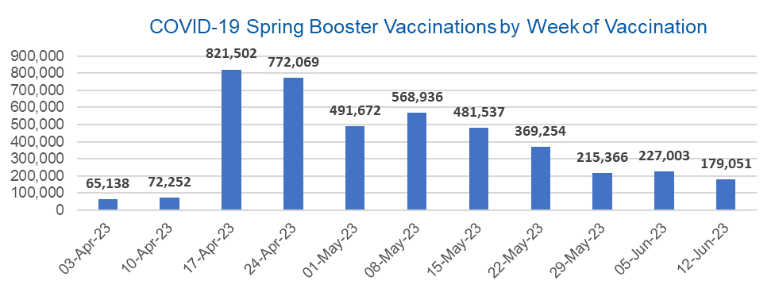

Week Commencing |  | Number of people who have had a spring booster vaccination | Cumulative number of people who have had a spring booster vaccination
Total |  | 4,263,780 | -
2023-04-03 |  | 65,138 | 65,138
2023-04-10 |  | 72,252 | 137,390
2023-04-17 |  | 821,502 | 958,892
2023-04-24 |  | 772,069 | 1,730,961
2023-05-01 |  | 491,672 | 2,222,633
2023-05-08 |  | 568,936 | 2,791,569 | In the week commencing 12 June 2023, 179,051 spring booster vaccinations were delivered. This brings the total spring booster vaccinations delivered to 4,263,780.
2023-05-15 |  | 481,537 | 3,273,106
2023-05-22 |  | 369,254 | 3,642,360
2023-05-29 |  | 215,366 | 3,857,726
2023-06-05 |  | 227,003 | 4,084,729
2023-06-12 |  | 179,051 | 4,263,780

Data quality notes:
1. Data was extracted from the National Immunisation Management System on 20 June 2023.
2. See 'Definitions' tab for more information.

Total by Vaccination Week
Title: | COVID-19 Vaccinations by Week of Vaccination
Summary: | The number of COVID-19 vaccinations delivered in England, by week of vaccination.
Period1,2: | 8 December 2020 to 18 June 2023
Source: | National Immunisation Management System (NIMS), NHS England
Basis: | England
Published: | 22 June 2023
Status: | Published
Definitions: | These figures include all vaccinations administered in England, even if individuals vaccinated do not have an NHS number, are resident outside of England or are no longer alive.

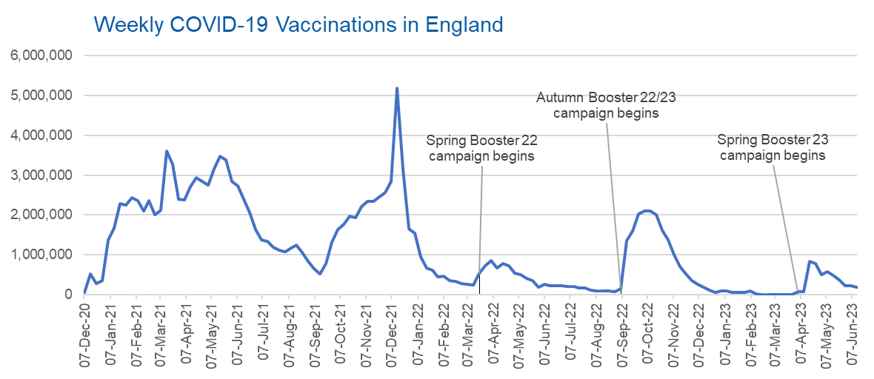
Week Commencing | Number of vaccinations delivered | Cumulative number of vaccinations delivered

Total | 149,114,413 | -
2020-12-07 | 57,766 | 57,766
2020-12-14 | 527,411 | 585,177
2020-12-21 | 272,880 | 858,057
2020-12-28 | 355,661 | 1,213,718
2021-01-04 | 1,370,969 | 2,584,687
2021-01-11 | 1,675,490 | 4,260,177
2021-01-18 | 2,284,791 | 6,544,968
2021-01-25 | 2,241,203 | 8,786,171
2021-02-01 | 2,440,216 | 11,226,387
2021-02-08 | 2,351,866 | 13,578,253
2021-02-15 | 2,096,750 | 15,675,003
2021-02-22 | 2,358,270 | 18,033,273
2021-03-01 | 2,002,621 | 20,035,894 | In the week commencing 12 June 2023, 181,960 vaccinations were delivered, taking the total number of COVID-19 vaccinations delivered to 149,114,413.
2021-03-08 | 2,118,639 | 22,154,533
2021-03-15 | 3,599,809 | 25,754,342
2021-03-22 | 3,268,951 | 29,023,293
2021-03-29 | 2,389,597 | 31,412,890
2021-04-05 | 2,371,693 | 33,784,583
2021-04-12 | 2,708,719 | 36,493,302
2021-04-19 | 2,942,561 | 39,435,863
2021-04-26 | 2,841,354 | 42,277,217
2021-05-03 | 2,754,021 | 45,031,238
2021-05-10 | 3,165,035 | 48,196,273
2021-05-17 | 3,477,327 | 51,673,600
2021-05-24 | 3,378,662 | 55,052,262
2021-05-31 | 2,849,465 | 57,901,727
2021-06-07 | 2,728,999 | 60,630,726
2021-06-14 | 2,391,146 | 63,021,872
2021-06-21 | 2,055,069 | 65,076,941
2021-06-28 | 1,631,350 | 66,708,291
2021-07-05 | 1,366,273 | 68,074,564
2021-07-12 | 1,339,365 | 69,413,929
2021-07-19 | 1,194,707 | 70,608,636
2021-07-26 | 1,112,190 | 71,720,826
2021-08-02 | 1,077,933 | 72,798,759
2021-08-09 | 1,178,269 | 73,977,028
2021-08-16 | 1,248,178 | 75,225,206
2021-08-23 | 1,065,196 | 76,290,402
2021-08-30 | 829,529 | 77,119,931
2021-09-06 | 647,484 | 77,767,415
2021-09-13 | 522,770 | 78,290,185
2021-09-20 | 784,622 | 79,074,807
2021-09-27 | 1,321,790 | 80,396,597
2021-10-04 | 1,626,119 | 82,022,716
2021-10-11 | 1,760,477 | 83,783,193
2021-10-18 | 1,971,094 | 85,754,287
2021-10-25 | 1,933,815 | 87,688,102
2021-11-01 | 2,202,830 | 89,890,932
2021-11-08 | 2,347,324 | 92,238,256
2021-11-15 | 2,335,843 | 94,574,099
2021-11-22 | 2,443,979 | 97,018,078
2021-11-29 | 2,563,226 | 99,581,304
2021-12-06 | 2,844,858 | 102,426,162
2021-12-13 | 5,182,675 | 107,608,837
2021-12-20 | 3,133,045 | 110,741,882
2021-12-27 | 1,646,410 | 112,388,292
2022-01-03 | 1,545,305 | 113,933,597
2022-01-10 | 945,524 | 114,879,121
2022-01-17 | 671,758 | 115,550,879
2022-01-24 | 602,174 | 116,153,053
2022-01-31 | 447,458 | 116,600,511
2022-02-07 | 454,355 | 117,054,866
2022-02-14 | 352,484 | 117,407,350
2022-02-21 | 323,492 | 117,730,842
2022-02-28 | 272,453 | 118,003,295
2022-03-07 | 254,947 | 118,258,242
2022-03-14 | 245,340 | 118,503,582
2022-03-21 | 528,403 | 119,031,985
2022-03-28 | 719,422 | 119,751,407
2022-04-04 | 859,007 | 120,610,414
2022-04-11 | 662,150 | 121,272,564
2022-04-18 | 786,443 | 122,059,007
2022-04-25 | 718,504 | 122,777,511
2022-05-02 | 538,146 | 123,315,657
2022-05-09 | 503,606 | 123,819,263
2022-05-16 | 408,948 | 124,228,211
2022-05-23 | 343,361 | 124,571,572
2022-05-30 | 192,025 | 124,763,597
2022-06-06 | 264,390 | 125,027,987
2022-06-13 | 214,204 | 125,242,191
2022-06-20 | 222,209 | 125,464,400
2022-06-27 | 221,949 | 125,686,349
2022-07-04 | 210,237 | 125,896,586
2022-07-11 | 192,818 | 126,089,404
2022-07-18 | 162,374 | 126,251,778
2022-07-25 | 157,730 | 126,409,508
2022-08-01 | 116,368 | 126,525,876
2022-08-08 | 95,152 | 126,621,028
2022-08-15 | 90,000 | 126,711,028
2022-08-22 | 82,671 | 126,793,699
2022-08-29 | 63,968 | 126,857,667
2022-09-05 | 143,779 | 127,001,446
2022-09-12 | 1,362,000 | 128,363,446
2022-09-19 | 1,589,858 | 129,953,304
2022-09-26 | 2,026,171 | 131,979,475
2022-10-03 | 2,102,993 | 134,082,468
2022-10-10 | 2,108,514 | 136,190,982
2022-10-17 | 2,010,703 | 138,201,685
2022-10-24 | 1,608,358 | 139,810,043
2022-10-31 | 1,365,323 | 141,175,366
2022-11-07 | 1,009,012 | 142,184,378
2022-11-14 | 710,636 | 142,895,014
2022-11-21 | 516,175 | 143,411,189
2022-11-28 | 341,883 | 143,753,072
2022-12-05 | 250,347 | 144,003,419
2022-12-12 | 186,172 | 144,189,591
2022-12-19 | 104,722 | 144,294,313
2022-12-26 | 47,086 | 144,341,399
2023-01-02 | 99,021 | 144,440,420
2023-01-09 | 86,291 | 144,526,711
2023-01-16 | 60,167 | 144,586,878
2023-01-23 | 54,299 | 144,641,177
2023-01-30 | 50,127 | 144,691,304
2023-02-06 | 85,915 | 144,777,219
2023-02-13 | 11,309 | 144,788,528
2023-02-20 | 6,558 | 144,795,086
2023-02-27 | 4,977 | 144,800,063
2023-03-06 | 4,081 | 144,804,144
2023-03-13 | 3,783 | 144,807,927
2023-03-20 | 3,245 | 144,811,172
2023-03-27 | 2,121 | 144,813,293
2023-04-03 | 67,102 | 144,880,395
2023-04-10 | 74,180 | 144,954,575
2023-04-17 | 826,553 | 145,781,128
2023-04-24 | 777,366 | 146,558,494
2023-05-01 | 495,347 | 147,053,841
2023-05-08 | 572,839 | 147,626,680
2023-05-15 | 485,254 | 148,111,934
2023-05-22 | 372,306 | 148,484,240
2023-05-29 | 218,612 | 148,702,852
2023-06-05 | 229,601 | 148,932,453
2023-06-12 | 181,960 | 149,114,413

Data quality notes:
1. Data was extracted from the National Immunisation Management System on 20 June 2023.
2. Note these figures may be updated as more information becomes available from local systems.

