Definitions
Title: | COVID-19 Vaccination Statistics Definitions
Summary: | This file contains information on the number of vaccinations for COVID-19 delivered to English residents and all other individuals who have been vaccinated in England (including those living outside of England). All vaccinations included in this publication were administered during the period specified below and are recorded against the date of vaccination. The source of all vaccination data in this publication is DPS (Data Processing Service) Direct Flow.
Period: | Data to 12 May 2024
Source: | DPS (Data Processing Service) Direct Flow, NHS England
Basis: | England
Published: | 16 May 2024
Status: | Published

Data Definitions
All data on the number of vaccinations in this publication are taken from DPS (Data Processing Service) Direct Flow, unless otherwise specified. This was previously the National Immunisation Management System (NIMS).
Data marked as 'DPS (Data Processing Service) Direct Flow' includes any vaccinations given in England, regardless of whether the recipient is alive or resident in England.
Where figures are shown for NHS geographies (region), these are based on the place of residence of the vaccinated individual. The health geographical boundaries used reflect the latest organisational changes.
Spring 2024 vaccinations definition
The total spring vaccination figures include any vaccination administered after the start of the spring campaign on 15 April 2024 to any individuals in an eligible cohort. The figures include any vaccinations delivered in England, regardless of whether the individual is still alive or resident in England. Not all vaccinations delivered up to this date will be included in these figures. At 29 April 2024, 94.5% of Covid-19 vaccinations recorded in the DPS Direct Flow database were reported within 1 day of being administered and 97.7% of Covid-19 vaccinations were reported within 7 days.
NHS England estimates that approximately 7.3 million people will be eligible for a spring vaccination during the campaign. This figure includes individuals who are in an eligible cohort. Eligible cohorts we report in this publication include residents in older adult care homes, adults aged 75 and over and immunosuppressed individuals aged 6 months and over.
Separate cohort figures are published for individuals in an eligible spring vaccination cohort:
Older adult care home residents - Those individuals who reside in a care home designated as an older adult care home as per the monthly Care Quality Commission (CQC) release for April 2024.
Aged 75+ - In line with JCVI guidance, age is as at 30 June 2024, as recorded in the Master Patient Index. Therefore, some vaccinations delivered to this cohort will be to individuals who have not yet turned 75.
Immunosuppressed (aged 6 months and over) - The Immunosuppressed (IS) cohort reported in this publication is based on the CaaS cohort definition as outlined in the Green Book (chapter 14a). Please note that the IS cohort might fluctuate as individuals move in and out of this cohort.
Age definition
Age is as at the end of June 2024, as recorded in the Master Patient Index (MPI). This is to ensure vaccinations delivered to 74 year olds will be counted in this figure if they turn 75 by the end of June. Vaccinations to immunosuppresed children will be counted as a spring vaccination if they are aged 6 months or over before the start of the campaign on 15 April 2024.
 |  | j

Links
JCVI statement on COVID-19 vaccination in spring 2024 and considerations on future COVID-19 vaccination

Spring vaccinations by week
Title: | COVID-19 Spring Vaccinations by Week of Vaccination
Summary: | The number of 'Spring' vaccinations for COVID-19 in England since the start of the Spring 2024 campaign, by week of vaccination.
Period1: | 15 April 2024 to 12 May 2024
Source: | DPS (Data Processing Service) Direct Flow, NHS England
Basis: | England
Published: | 16 May 2024
Status: | Published
Definitions: | The data in this release includes all 'Spring' vaccinations administered in England, even if individuals are resident outside of England, do not have an NHS number or are no longer alive.

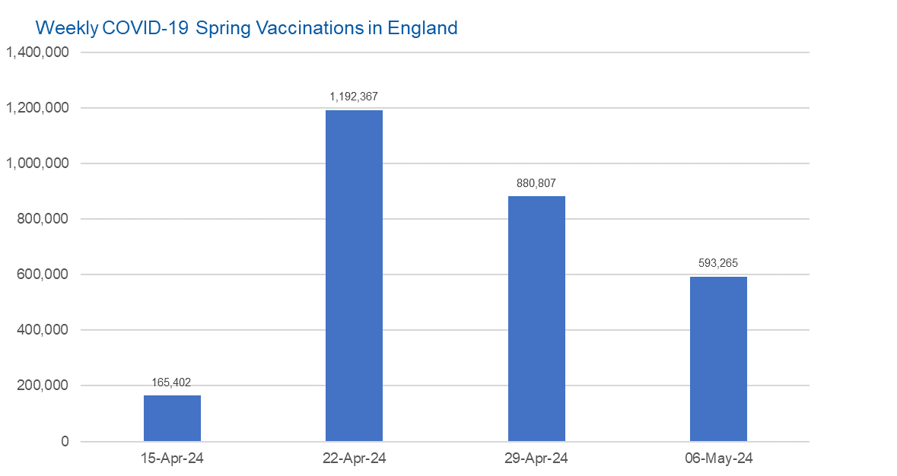

Week Commencing | Number of spring vaccinations | Cumulative number of spring vaccinations
Total | 2,831,841 | -
2024-04-15 | 165,402 | 165,402
2024-04-22 | 1,192,367 | 1,357,769
2024-04-29 | 880,807 | 2,238,576
2024-05-06 | 593,265 | 2,831,841

Data quality notes:
1. Data was extracted from the DPS (Data Processing Service) Direct Flow on 14 May 2024.
2. See 'Definitions' tab for more information.

 |  |  | In the week commencing 6 May, 593,265 spring vaccinations were delivered. This brings the total number of spring vaccinations delivered to 2,831,841.

Total vaccinations by week
Title: | COVID-19 Vaccinations by Week of Vaccination
Summary: | The number of COVID-19 vaccinations delivered in England since the start of the COVID-19 vaccination programme, by week of vaccination.
Period1,2: | 8 December 2020 to 12 May 2024
Source: | DPS (Data Processing Service) Direct Flow, NHS England
Basis: | England
Published: | 16 May 2024
Status: | Published
Definitions: | These figures include all vaccinations administered in England, even if individuals vaccinated do not have an NHS number, are resident outside of England or are no longer alive.
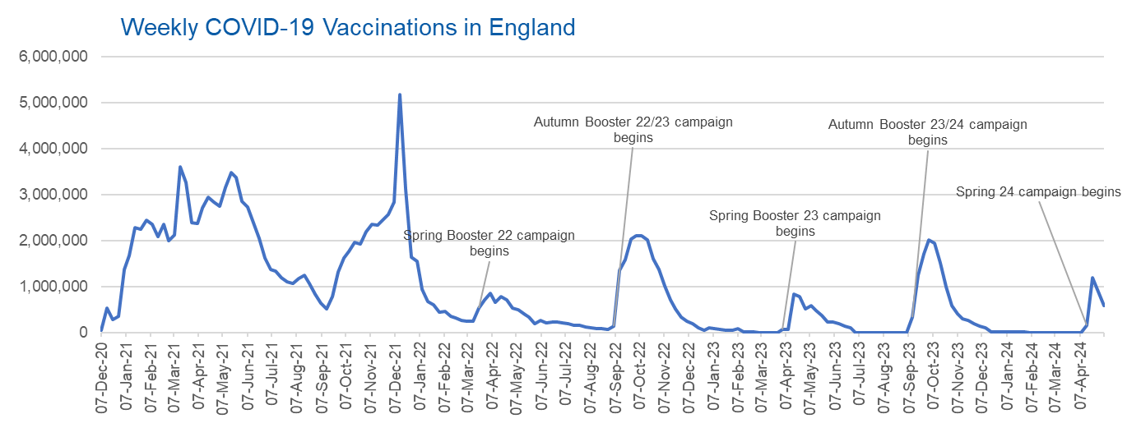

Week Commencing | Number of vaccinations delivered | Cumulative number of vaccinations delivered

Total | 164,039,383 | -
2020-12-07 | 57,722 | 57,722
2020-12-14 | 527,308 | 585,030
2020-12-21 | 272,766 | 857,796
2020-12-28 | 359,107 | 1,216,903
2021-01-04 | 1,370,385 | 2,587,288
2021-01-11 | 1,682,310 | 4,269,598
2021-01-18 | 2,291,390 | 6,560,988
2021-01-25 | 2,239,763 | 8,800,751
2021-02-01 | 2,439,406 | 11,240,157
2021-02-08 | 2,351,125 | 13,591,282
2021-02-15 | 2,095,907 | 15,687,189
2021-02-22 | 2,357,155 | 18,044,344
2021-03-01 | 2,001,661 | 20,046,005 | In the week commencing 6 May, 593,265 vaccinations were delivered, taking the total number of COVID-19 vaccinations delivered to 164,039,383.
2021-03-08 | 2,117,636 | 22,163,641
2021-03-15 | 3,598,200 | 25,761,841
2021-03-22 | 3,267,279 | 29,029,120
2021-03-29 | 2,388,863 | 31,417,983
2021-04-05 | 2,370,763 | 33,788,746
2021-04-12 | 2,707,850 | 36,496,596
2021-04-19 | 2,941,788 | 39,438,384
2021-04-26 | 2,840,811 | 42,279,195
2021-05-03 | 2,753,206 | 45,032,401
2021-05-10 | 3,164,022 | 48,196,423
2021-05-17 | 3,476,216 | 51,672,639
2021-05-24 | 3,377,490 | 55,050,129
2021-05-31 | 2,848,309 | 57,898,438
2021-06-07 | 2,727,604 | 60,626,042
2021-06-14 | 2,390,111 | 63,016,153
2021-06-21 | 2,053,470 | 65,069,623
2021-06-28 | 1,630,226 | 66,699,849
2021-07-05 | 1,365,164 | 68,065,013
2021-07-12 | 1,338,422 | 69,403,435
2021-07-19 | 1,193,821 | 70,597,256
2021-07-26 | 1,111,256 | 71,708,512
2021-08-02 | 1,077,076 | 72,785,588
2021-08-09 | 1,177,534 | 73,963,122
2021-08-16 | 1,247,243 | 75,210,365
2021-08-23 | 1,064,543 | 76,274,908
2021-08-30 | 828,850 | 77,103,758
2021-09-06 | 646,977 | 77,750,735
2021-09-13 | 522,341 | 78,273,076
2021-09-20 | 784,173 | 79,057,249
2021-09-27 | 1,321,367 | 80,378,616
2021-10-04 | 1,625,663 | 82,004,279
2021-10-11 | 1,760,026 | 83,764,305
2021-10-18 | 1,970,631 | 85,734,936
2021-10-25 | 1,933,470 | 87,668,406
2021-11-01 | 2,202,480 | 89,870,886
2021-11-08 | 2,346,891 | 92,217,777
2021-11-15 | 2,335,405 | 94,553,182
2021-11-22 | 2,443,550 | 96,996,732
2021-11-29 | 2,562,704 | 99,559,436
2021-12-06 | 2,844,210 | 102,403,646
2021-12-13 | 5,181,392 | 107,585,038
2021-12-20 | 3,131,375 | 110,716,413
2021-12-27 | 1,645,507 | 112,361,920
2022-01-03 | 1,544,394 | 113,906,314
2022-01-10 | 944,888 | 114,851,202
2022-01-17 | 671,232 | 115,522,434
2022-01-24 | 601,760 | 116,124,194
2022-01-31 | 447,226 | 116,571,420
2022-02-07 | 454,089 | 117,025,509
2022-02-14 | 352,346 | 117,377,855
2022-02-21 | 323,345 | 117,701,200
2022-02-28 | 271,997 | 117,973,197
2022-03-07 | 254,483 | 118,227,680
2022-03-14 | 244,843 | 118,472,523
2022-03-21 | 527,847 | 119,000,370
2022-03-28 | 718,811 | 119,719,181
2022-04-04 | 858,371 | 120,577,552
2022-04-11 | 661,539 | 121,239,091
2022-04-18 | 785,578 | 122,024,669
2022-04-25 | 717,830 | 122,742,499
2022-05-02 | 537,558 | 123,280,057
2022-05-09 | 503,200 | 123,783,257
2022-05-16 | 408,442 | 124,191,699
2022-05-23 | 342,895 | 124,534,594
2022-05-30 | 191,700 | 124,726,294
2022-06-06 | 264,057 | 124,990,351
2022-06-13 | 213,860 | 125,204,211
2022-06-20 | 221,838 | 125,426,049
2022-06-27 | 221,593 | 125,647,642
2022-07-04 | 209,935 | 125,857,577
2022-07-11 | 192,521 | 126,050,098
2022-07-18 | 162,139 | 126,212,237
2022-07-25 | 157,507 | 126,369,744
2022-08-01 | 116,177 | 126,485,921
2022-08-08 | 94,972 | 126,580,893
2022-08-15 | 89,843 | 126,670,736
2022-08-22 | 82,530 | 126,753,266
2022-08-29 | 63,853 | 126,817,119
2022-09-05 | 143,597 | 126,960,716
2022-09-12 | 1,361,125 | 128,321,841
2022-09-19 | 1,589,023 | 129,910,864
2022-09-26 | 2,024,889 | 131,935,753
2022-10-03 | 2,101,593 | 134,037,346
2022-10-10 | 2,107,407 | 136,144,753
2022-10-17 | 2,009,512 | 138,154,265
2022-10-24 | 1,607,441 | 139,761,706
2022-10-31 | 1,364,485 | 141,126,191
2022-11-07 | 1,008,331 | 142,134,522
2022-11-14 | 710,142 | 142,844,664
2022-11-21 | 515,788 | 143,360,452
2022-11-28 | 341,610 | 143,702,062
2022-12-05 | 250,151 | 143,952,213
2022-12-12 | 185,986 | 144,138,199
2022-12-19 | 104,594 | 144,242,793
2022-12-26 | 47,031 | 144,289,824
2023-01-02 | 98,921 | 144,388,745
2023-01-09 | 86,520 | 144,475,265
2023-01-16 | 60,091 | 144,535,356
2023-01-23 | 54,251 | 144,589,607
2023-01-30 | 50,113 | 144,639,720
2023-02-06 | 85,839 | 144,725,559
2023-02-13 | 11,300 | 144,736,859
2023-02-20 | 6,551 | 144,743,410
2023-02-27 | 4,984 | 144,748,394
2023-03-06 | 4,085 | 144,752,479
2023-03-13 | 3,775 | 144,756,254
2023-03-20 | 3,264 | 144,759,518
2023-03-27 | 2,460 | 144,761,978
2023-04-03 | 68,419 | 144,830,397
2023-04-10 | 74,534 | 144,904,931
2023-04-17 | 828,599 | 145,733,530
2023-04-24 | 779,471 | 146,513,001
2023-05-01 | 508,918 | 147,021,919
2023-05-08 | 580,915 | 147,602,834
2023-05-15 | 485,972 | 148,088,806
2023-05-22 | 373,206 | 148,462,012
2023-05-29 | 219,472 | 148,681,484
2023-06-05 | 230,675 | 148,912,159
2023-06-12 | 185,484 | 149,097,643
2023-06-19 | 144,867 | 149,242,510
2023-06-26 | 111,450 | 149,353,960
2023-07-03 | 801 | 149,354,761
2023-07-10 | 301 | 149,355,062
2023-07-17 | 212 | 149,355,274
2023-07-24 | 252 | 149,355,526
2023-07-31 | 199 | 149,355,725
2023-08-07 | 193 | 149,355,918
2023-08-14 | 253 | 149,356,171
2023-08-21 | 301 | 149,356,472
2023-08-28 | 273 | 149,356,745
2023-09-04 | 1,221 | 149,357,966
2023-09-11 | 328,746 | 149,686,712
2023-09-18 | 1,255,952 | 150,942,664
2023-09-25 | 1,716,773 | 152,659,437
2023-10-02 | 2,021,641 | 154,681,078
2023-10-09 | 1,940,399 | 156,621,477
2023-10-16 | 1,509,614 | 158,131,091
2023-10-23 | 992,959 | 159,124,050
2023-10-30 | 586,217 | 159,710,267
2023-11-06 | 407,894 | 160,118,161
2023-11-13 | 301,638 | 160,419,799
2023-11-20 | 267,395 | 160,687,194
2023-11-27 | 190,543 | 160,877,737
2023-12-04 | 131,347 | 161,009,084
2023-12-11 | 108,701 | 161,117,785
2023-12-18 | 22,368 | 161,140,153
2023-12-25 | 4,701 | 161,144,854
2024-01-01 | 11,096 | 161,155,950
2024-01-08 | 15,610 | 161,171,560
2024-01-15 | 13,714 | 161,185,274
2024-01-22 | 12,851 | 161,198,125
2024-01-29 | 7,767 | 161,205,892
2024-02-05 | 232 | 161,206,124
2024-02-12 | 122 | 161,206,246
2024-02-19 | 107 | 161,206,353
2024-02-26 | 86 | 161,206,439
2024-03-04 | 128 | 161,206,567
2024-03-11 | 67 | 161,206,634
2024-03-18 | 63 | 161,206,697
2024-03-25 | 68 | 161,206,765
2024-04-01 | 85 | 161,206,850
2024-04-08 | 692 | 161,207,542
2024-04-15 | 165,402 | 161,372,944
2024-04-22 | 1,192,367 | 162,565,311
2024-04-29 | 880,807 | 163,446,118
2024-05-06 | 593,265 | 164,039,383

Data quality notes:
1. Data was extracted from the DPS (Data Processing Service) Direct Flow on 14 May 2024.
2. Note these figures may be updated as more information becomes available from local systems.

