Definitions
Title: | COVID-19 Vaccination Statistics Definitions
Summary: | This file contains information on the number of vaccinations for COVID-19 delivered to English residents and all other individuals who have been vaccinated in England (including those living outside of England). All vaccinations included in this publication were administered during the period specified below and are recorded against the date of vaccination. The source of all vaccination data in this publication is the National Immunisation Management System (NIMS) database.
Period: | Data to 4 June 2023
Source: | National Immunisation Management System (NIMS)
Basis: | England
Published: | 8 June 2023
Status: | Published

Data Definitions
All data on the number of people vaccinated in this publication are taken from the National Immunisation Management System (NIMS) dataset, unless otherwise specified.
Data marked as 'National Immunisation Management System (NIMS), NHS England' includes any vaccinations given in England, regardless of whether the recipient is alive or resident in England.
Where figures are shown for NHS geographies (region), these are based on the place of residence of the vaccinated individual. The health geographical boundaries used are as defined at July 2022. An individual's NHS region of residence is taken from the NHS Master Patient Index (MPI).
Spring booster definition
The total spring booster figure includes any vaccination with a dose greater than or equal to 3, administered on or after 3 April 2023. This includes a small number of first boosters delivered to those not in an eligible spring booster cohort.
NHS England estimates that approximately 6.6 million people will be eligible for a spring booster during the campaign. This figure includes individuals who are in an eligible cohort and had a second dose vaccination prior to the start of the campaign. Eligible cohorts include care home residents, adults aged 75 and over, and immunosuppressed individuals.
Separate cohort figures are published for individuals in an eligible spring booster cohort:
Aged 75+ - In line with JCVI guidance, age is as at 30 June 2023, as recorded in the MPI. Therefore, some vaccinations delivered to this cohort will be to individuals who have not yet turned 75.
Immunosuppressed (Aged 5-74) - The IS cohort reported in this publication is based on the CaaS cohort definition as outlined in the Green Book (chapter 14). This cohort is a subset of the 'At risk' cohort. Please note that the IS cohort might fluctuate as individuals move in and out of this cohort.
Care home residents are also eligible for a spring booster during the campaign but are not reported on in this publication. Information on care home residents will be published separately.
The figures include any vaccinations delivered in England, regardless of whether the individual is still alive or resident in England. Not all vaccinations delivered up to this date will be included in these figures. At 6 June 2023, 94.7% of vaccinations recorded in the NIMS database were reported within 1 day of being administered and 97.8% of vaccinations were reported within 7 days.
Age definition
In line with JCVI eligibility guidance, age is reported as at 30 June 2023.
Links
Spring 2023 COVID-19 vaccination programme: JCVI advice, 22 February 2023 - GOV.UK (www.gov.uk)
 |  | j

Spring Boosters by Vacc Week
Title: | COVID-19 Spring Booster Vaccinations by Week of Vaccination
Summary: | The number of people who have had a 'Spring Booster' vaccination for COVID-19 in England since the start of the Spring 2023 campaign, by week of vaccination.
Period1: | 3 April 2023 to 4 June 2023
Source: | National Immunisation Management System (NIMS), NHS England
Basis: | England
Published: | 8 June 2023
Status: | Published
Definitions: | The data in this release includes all individuals with a 'Spring Booster' vaccination administered in England, even if individuals are resident outside of England, do not have an NHS number or are no longer alive. This includes vaccinations administered as part of clinical trials.
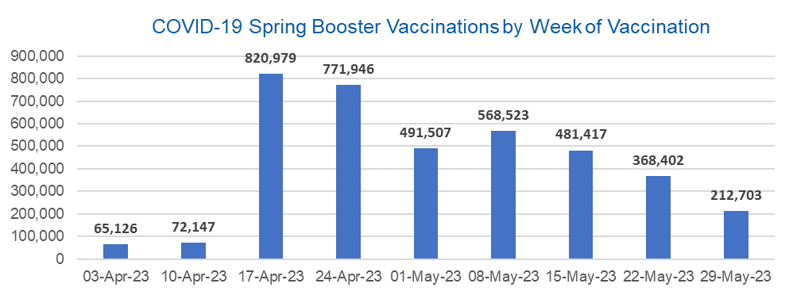

Week Commencing |  | Number of people who have had a spring booster vaccination | Cumulative number of people who have had a spring booster vaccination
Total |  | 3,852,750 | -
2023-04-03 |  | 65,126 | 65,126
2023-04-10 |  | 72,147 | 137,273
2023-04-17 |  | 820,979 | 958,252
2023-04-24 |  | 771,946 | 1,730,198
2023-05-01 |  | 491,507 | 2,221,705
2023-05-08 |  | 568,523 | 2,790,228 | In the week commencing 29 May 2023, 212,703 spring booster vaccinations were delivered. This brings the total spring booster vaccinations delivered to 3,852,750.
2023-05-15 |  | 481,417 | 3,271,645
2023-05-22 |  | 368,402 | 3,640,047
2023-05-29 |  | 212,703 | 3,852,750

Data quality notes:
1. Data was extracted from the National Immunisation Management System on 6 June 2023.
2. See 'Definitions' tab for more information.

Total by Vaccination Week
Title: | COVID-19 Vaccinations by Week of Vaccination
Summary: | The number of COVID-19 vaccinations delivered in England, by week of vaccination.
Period1,2: | 8 December 2020 to 4 June 2023
Source: | National Immunisation Management System (NIMS), NHS England
Basis: | England
Published: | 8 June 2023
Status: | Published
Definitions: | These figures include all vaccinations administered in England, even if individuals vaccinated do not have an NHS number, are resident outside of England or are no longer alive.

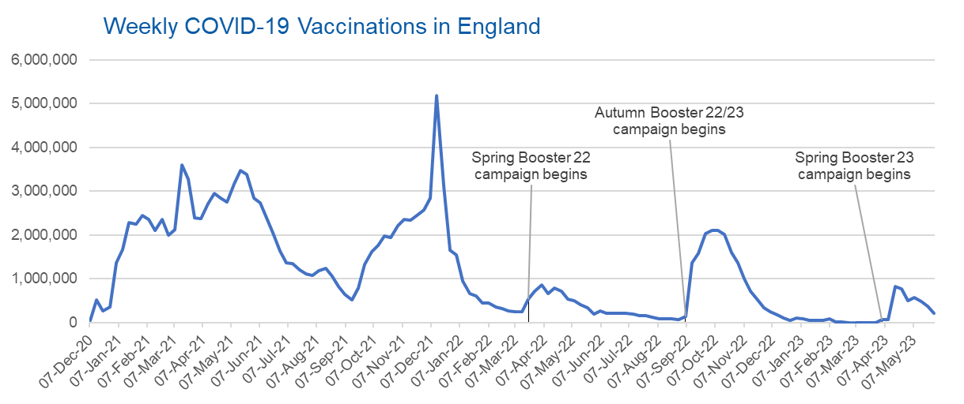
Week Commencing | Number of vaccinations delivered | Cumulative number of vaccinations delivered

Total | 148,697,478 | -
2020-12-07 | 57,766 | 57,766
2020-12-14 | 527,411 | 585,177
2020-12-21 | 272,881 | 858,058
2020-12-28 | 355,661 | 1,213,719
2021-01-04 | 1,370,969 | 2,584,688
2021-01-11 | 1,675,488 | 4,260,176
2021-01-18 | 2,284,791 | 6,544,967
2021-01-25 | 2,241,202 | 8,786,169
2021-02-01 | 2,440,217 | 11,226,386
2021-02-08 | 2,351,865 | 13,578,251
2021-02-15 | 2,096,750 | 15,675,001
2021-02-22 | 2,358,269 | 18,033,270
2021-03-01 | 2,002,621 | 20,035,891 | In the week commencing 29 May 2023, 215,932 vaccinations were delivered, taking the total number of COVID-19 vaccinations delivered to 148,697,478.
2021-03-08 | 2,118,636 | 22,154,527
2021-03-15 | 3,599,809 | 25,754,336
2021-03-22 | 3,268,952 | 29,023,288
2021-03-29 | 2,389,596 | 31,412,884
2021-04-05 | 2,371,693 | 33,784,577
2021-04-12 | 2,708,718 | 36,493,295
2021-04-19 | 2,942,559 | 39,435,854
2021-04-26 | 2,841,356 | 42,277,210
2021-05-03 | 2,754,021 | 45,031,231
2021-05-10 | 3,165,034 | 48,196,265
2021-05-17 | 3,477,324 | 51,673,589
2021-05-24 | 3,378,659 | 55,052,248
2021-05-31 | 2,849,463 | 57,901,711
2021-06-07 | 2,728,998 | 60,630,709
2021-06-14 | 2,391,146 | 63,021,855
2021-06-21 | 2,055,069 | 65,076,924
2021-06-28 | 1,631,352 | 66,708,276
2021-07-05 | 1,366,273 | 68,074,549
2021-07-12 | 1,339,363 | 69,413,912
2021-07-19 | 1,194,706 | 70,608,618
2021-07-26 | 1,112,188 | 71,720,806
2021-08-02 | 1,077,934 | 72,798,740
2021-08-09 | 1,178,269 | 73,977,009
2021-08-16 | 1,248,180 | 75,225,189
2021-08-23 | 1,065,194 | 76,290,383
2021-08-30 | 829,529 | 77,119,912
2021-09-06 | 647,485 | 77,767,397
2021-09-13 | 522,771 | 78,290,168
2021-09-20 | 784,621 | 79,074,789
2021-09-27 | 1,321,789 | 80,396,578
2021-10-04 | 1,626,117 | 82,022,695
2021-10-11 | 1,760,477 | 83,783,172
2021-10-18 | 1,971,093 | 85,754,265
2021-10-25 | 1,933,813 | 87,688,078
2021-11-01 | 2,202,831 | 89,890,909
2021-11-08 | 2,347,324 | 92,238,233
2021-11-15 | 2,335,844 | 94,574,077
2021-11-22 | 2,443,978 | 97,018,055
2021-11-29 | 2,563,225 | 99,581,280
2021-12-06 | 2,844,857 | 102,426,137
2021-12-13 | 5,182,672 | 107,608,809
2021-12-20 | 3,133,044 | 110,741,853
2021-12-27 | 1,646,408 | 112,388,261
2022-01-03 | 1,545,305 | 113,933,566
2022-01-10 | 945,524 | 114,879,090
2022-01-17 | 671,758 | 115,550,848
2022-01-24 | 602,171 | 116,153,019
2022-01-31 | 447,458 | 116,600,477
2022-02-07 | 454,355 | 117,054,832
2022-02-14 | 352,482 | 117,407,314
2022-02-21 | 323,492 | 117,730,806
2022-02-28 | 272,452 | 118,003,258
2022-03-07 | 254,947 | 118,258,205
2022-03-14 | 245,340 | 118,503,545
2022-03-21 | 528,403 | 119,031,948
2022-03-28 | 719,422 | 119,751,370
2022-04-04 | 859,007 | 120,610,377
2022-04-11 | 662,150 | 121,272,527
2022-04-18 | 786,441 | 122,058,968
2022-04-25 | 718,504 | 122,777,472
2022-05-02 | 538,148 | 123,315,620
2022-05-09 | 503,605 | 123,819,225
2022-05-16 | 408,940 | 124,228,165
2022-05-23 | 343,361 | 124,571,526
2022-05-30 | 192,025 | 124,763,551
2022-06-06 | 264,389 | 125,027,940
2022-06-13 | 214,204 | 125,242,144
2022-06-20 | 222,209 | 125,464,353
2022-06-27 | 221,949 | 125,686,302
2022-07-04 | 210,237 | 125,896,539
2022-07-11 | 192,817 | 126,089,356
2022-07-18 | 162,369 | 126,251,725
2022-07-25 | 157,674 | 126,409,399
2022-08-01 | 116,362 | 126,525,761
2022-08-08 | 95,152 | 126,620,913
2022-08-15 | 90,000 | 126,710,913
2022-08-22 | 82,671 | 126,793,584
2022-08-29 | 63,968 | 126,857,552
2022-09-05 | 143,768 | 127,001,320
2022-09-12 | 1,361,976 | 128,363,296
2022-09-19 | 1,589,850 | 129,953,146
2022-09-26 | 2,026,160 | 131,979,306
2022-10-03 | 2,102,990 | 134,082,296
2022-10-10 | 2,108,507 | 136,190,803
2022-10-17 | 2,010,695 | 138,201,498
2022-10-24 | 1,608,354 | 139,809,852
2022-10-31 | 1,365,321 | 141,175,173
2022-11-07 | 1,009,009 | 142,184,182
2022-11-14 | 710,638 | 142,894,820
2022-11-21 | 516,173 | 143,410,993
2022-11-28 | 341,882 | 143,752,875
2022-12-05 | 250,344 | 144,003,219
2022-12-12 | 186,172 | 144,189,391
2022-12-19 | 104,722 | 144,294,113
2022-12-26 | 47,086 | 144,341,199
2023-01-02 | 99,022 | 144,440,221
2023-01-09 | 86,291 | 144,526,512
2023-01-16 | 60,159 | 144,586,671
2023-01-23 | 54,272 | 144,640,943
2023-01-30 | 50,120 | 144,691,063
2023-02-06 | 85,912 | 144,776,975
2023-02-13 | 11,304 | 144,788,279
2023-02-20 | 6,554 | 144,794,833
2023-02-27 | 4,975 | 144,799,808
2023-03-06 | 4,080 | 144,803,888
2023-03-13 | 3,783 | 144,807,671
2023-03-20 | 3,225 | 144,810,896
2023-03-27 | 2,103 | 144,812,999
2023-04-03 | 67,059 | 144,880,058
2023-04-10 | 74,075 | 144,954,133
2023-04-17 | 826,024 | 145,780,157
2023-04-24 | 777,240 | 146,557,397
2023-05-01 | 495,183 | 147,052,580
2023-05-08 | 572,420 | 147,625,000
2023-05-15 | 485,121 | 148,110,121
2023-05-22 | 371,425 | 148,481,546
2023-05-29 | 215,932 | 148,697,478

Data quality notes:
1. Data was extracted from the National Immunisation Management System on 6 June 2023.
2. Note these figures may be updated as more information becomes available from local systems.

