Definitions
Title: | COVID-19 Vaccination Statistics Definitions
Summary: | This file contains information on the number of vaccinations for COVID-19 delivered to English residents and all other individuals who have been vaccinated in England (including those living outside of England). All vaccinations included in this publication were administered during the period specified below and are recorded against the date of vaccination. The source of all vaccination data in this publication is DPS (Data Processing Service) Direct Flow.
Period: | Data to 5 May 2024
Source: | DPS (Data Processing Service) Direct Flow, NHS England
Basis: | England
Published: | 9 May 2024
Status: | Published

Data Definitions
All data on the number of vaccinations in this publication are taken from DPS (Data Processing Service) Direct Flow, unless otherwise specified. This was previously the National Immunisation Management System (NIMS).
Data marked as 'DPS (Data Processing Service) Direct Flow' includes any vaccinations given in England, regardless of whether the recipient is alive or resident in England.
Where figures are shown for NHS geographies (region), these are based on the place of residence of the vaccinated individual. The health geographical boundaries used reflect the latest organisational changes.
Spring 2024 vaccinations definition
The total spring vaccination figures include any vaccination administered after the start of the spring campaign on 15 April 2024 to any individuals in an eligible cohort. The figures include any vaccinations delivered in England, regardless of whether the individual is still alive or resident in England. Not all vaccinations delivered up to this date will be included in these figures. At 29 April 2024, 94.5% of Covid-19 vaccinations recorded in the DPS Direct Flow database were reported within 1 day of being administered and 97.7% of Covid-19 vaccinations were reported within 7 days.
NHS England estimates that approximately 7.3 million people will be eligible for a spring vaccination during the campaign. This figure includes individuals who are in an eligible cohort. Eligible cohorts we report in this publication include residents in older adult care homes, adults aged 75 and over and immunosuppressed individuals aged 6 months and over.
Separate cohort figures are published for individuals in an eligible spring vaccination cohort:
Older adult care home residents - Those individuals who reside in a care home designated as an older adult care home as per the monthly Care Quality Commission (CQC) release for April 2024.
Aged 75+ - In line with JCVI guidance, age is as at 30 June 2024, as recorded in the Master Patient Index. Therefore, some vaccinations delivered to this cohort will be to individuals who have not yet turned 75.
Immunosuppressed (aged 6 months and over) - The Immunosuppressed (IS) cohort reported in this publication is based on the CaaS cohort definition as outlined in the Green Book (chapter 14a). Please note that the IS cohort might fluctuate as individuals move in and out of this cohort.
Age definition
Age is as at the end of June 2024, as recorded in the Master Patient Index (MPI). This is to ensure vaccinations delivered to 74 year olds will be counted in this figure if they turn 75 by the end of June. Vaccinations to immunosuppresed children will be counted as a spring vaccination if they are aged 6 months or over before the start of the campaign on 15 April 2024.
 |  | j

Links
JCVI statement on COVID-19 vaccination in spring 2024 and considerations on future COVID-19 vaccination

Spring vaccinations by week
Title: | COVID-19 Spring Vaccinations by Week of Vaccination
Summary: | The number of 'Spring' vaccinations for COVID-19 in England since the start of the Spring 2024 campaign, by week of vaccination.
Period1: | 15 April 2024 to 5 May 2024
Source: | DPS (Data Processing Service) Direct Flow, NHS England
Basis: | England
Published: | 9 May 2024
Status: | Published
Definitions: | The data in this release includes all 'Spring' vaccinations administered in England, even if individuals are resident outside of England, do not have an NHS number or are no longer alive.

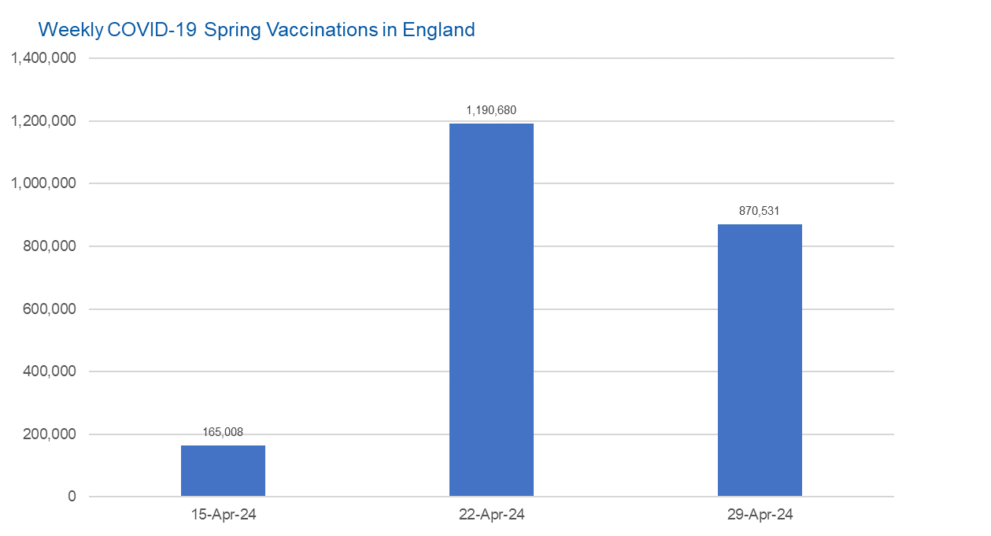

Week Commencing | Number of spring vaccinations | Cumulative number of spring vaccinations
Total | 2,226,219 | -
2024-04-15 | 165,008 | 165,008
2024-04-22 | 1,190,680 | 1,355,688
2024-04-29 | 870,531 | 2,226,219

Data quality notes:
1. Data was extracted from the DPS (Data Processing Service) Direct Flow on 7 May 2024.
2. See 'Definitions' tab for more information.

 |  |  | In the week commencing 29 April 2024, 870,531 spring vaccinations were delivered. This brings the total number of spring vaccinations delivered to 2,226,219.

Total vaccinations by week
Title: | COVID-19 Vaccinations by Week of Vaccination
Summary: | The number of COVID-19 vaccinations delivered in England since the start of the COVID-19 vaccination programme, by week of vaccination.
Period1,2: | 8 December 2020 to 5 May 2024
Source: | DPS (Data Processing Service) Direct Flow, NHS England
Basis: | England
Published: | 9 May 2024
Status: | Published
Definitions: | These figures include all vaccinations administered in England, even if individuals vaccinated do not have an NHS number, are resident outside of England or are no longer alive.
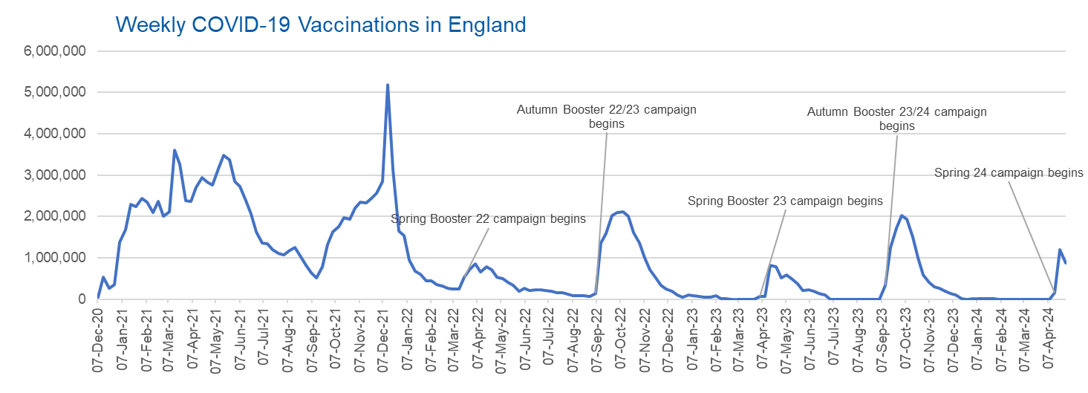

Week Commencing | Number of vaccinations delivered | Cumulative number of vaccinations delivered

Total | 163,433,738 | -
2020-12-07 | 57,722 | 57,722
2020-12-14 | 527,308 | 585,030
2020-12-21 | 272,766 | 857,796
2020-12-28 | 359,107 | 1,216,903
2021-01-04 | 1,370,385 | 2,587,288
2021-01-11 | 1,682,310 | 4,269,598
2021-01-18 | 2,291,390 | 6,560,988
2021-01-25 | 2,239,763 | 8,800,751
2021-02-01 | 2,439,406 | 11,240,157
2021-02-08 | 2,351,125 | 13,591,282
2021-02-15 | 2,095,907 | 15,687,189
2021-02-22 | 2,357,155 | 18,044,344
2021-03-01 | 2,001,661 | 20,046,005 | In the week commencing 29 April 2024, 870,531 vaccinations were delivered, taking the total number of COVID-19 vaccinations delivered to 163,433,738.
2021-03-08 | 2,117,636 | 22,163,641
2021-03-15 | 3,598,200 | 25,761,841
2021-03-22 | 3,267,279 | 29,029,120
2021-03-29 | 2,388,863 | 31,417,983
2021-04-05 | 2,370,763 | 33,788,746
2021-04-12 | 2,707,850 | 36,496,596
2021-04-19 | 2,941,788 | 39,438,384
2021-04-26 | 2,840,811 | 42,279,195
2021-05-03 | 2,753,206 | 45,032,401
2021-05-10 | 3,164,022 | 48,196,423
2021-05-17 | 3,476,216 | 51,672,639
2021-05-24 | 3,377,490 | 55,050,129
2021-05-31 | 2,848,309 | 57,898,438
2021-06-07 | 2,727,604 | 60,626,042
2021-06-14 | 2,390,111 | 63,016,153
2021-06-21 | 2,053,470 | 65,069,623
2021-06-28 | 1,630,226 | 66,699,849
2021-07-05 | 1,365,164 | 68,065,013
2021-07-12 | 1,338,422 | 69,403,435
2021-07-19 | 1,193,821 | 70,597,256
2021-07-26 | 1,111,256 | 71,708,512
2021-08-02 | 1,077,076 | 72,785,588
2021-08-09 | 1,177,534 | 73,963,122
2021-08-16 | 1,247,243 | 75,210,365
2021-08-23 | 1,064,543 | 76,274,908
2021-08-30 | 828,850 | 77,103,758
2021-09-06 | 646,977 | 77,750,735
2021-09-13 | 522,341 | 78,273,076
2021-09-20 | 784,173 | 79,057,249
2021-09-27 | 1,321,367 | 80,378,616
2021-10-04 | 1,625,663 | 82,004,279
2021-10-11 | 1,760,026 | 83,764,305
2021-10-18 | 1,970,631 | 85,734,936
2021-10-25 | 1,933,470 | 87,668,406
2021-11-01 | 2,202,480 | 89,870,886
2021-11-08 | 2,346,891 | 92,217,777
2021-11-15 | 2,335,405 | 94,553,182
2021-11-22 | 2,443,550 | 96,996,732
2021-11-29 | 2,562,704 | 99,559,436
2021-12-06 | 2,844,210 | 102,403,646
2021-12-13 | 5,181,392 | 107,585,038
2021-12-20 | 3,131,375 | 110,716,413
2021-12-27 | 1,645,507 | 112,361,920
2022-01-03 | 1,544,394 | 113,906,314
2022-01-10 | 944,888 | 114,851,202
2022-01-17 | 671,232 | 115,522,434
2022-01-24 | 601,760 | 116,124,194
2022-01-31 | 447,226 | 116,571,420
2022-02-07 | 454,089 | 117,025,509
2022-02-14 | 352,346 | 117,377,855
2022-02-21 | 323,345 | 117,701,200
2022-02-28 | 271,997 | 117,973,197
2022-03-07 | 254,483 | 118,227,680
2022-03-14 | 244,843 | 118,472,523
2022-03-21 | 527,847 | 119,000,370
2022-03-28 | 718,811 | 119,719,181
2022-04-04 | 858,371 | 120,577,552
2022-04-11 | 661,539 | 121,239,091
2022-04-18 | 785,579 | 122,024,670
2022-04-25 | 717,830 | 122,742,500
2022-05-02 | 537,558 | 123,280,058
2022-05-09 | 503,200 | 123,783,258
2022-05-16 | 408,442 | 124,191,700
2022-05-23 | 342,895 | 124,534,595
2022-05-30 | 191,700 | 124,726,295
2022-06-06 | 264,057 | 124,990,352
2022-06-13 | 213,860 | 125,204,212
2022-06-20 | 221,838 | 125,426,050
2022-06-27 | 221,593 | 125,647,643
2022-07-04 | 209,935 | 125,857,578
2022-07-11 | 192,521 | 126,050,099
2022-07-18 | 162,139 | 126,212,238
2022-07-25 | 157,507 | 126,369,745
2022-08-01 | 116,177 | 126,485,922
2022-08-08 | 94,972 | 126,580,894
2022-08-15 | 89,843 | 126,670,737
2022-08-22 | 82,530 | 126,753,267
2022-08-29 | 63,853 | 126,817,120
2022-09-05 | 143,597 | 126,960,717
2022-09-12 | 1,361,125 | 128,321,842
2022-09-19 | 1,589,023 | 129,910,865
2022-09-26 | 2,024,889 | 131,935,754
2022-10-03 | 2,101,593 | 134,037,347
2022-10-10 | 2,107,407 | 136,144,754
2022-10-17 | 2,009,512 | 138,154,266
2022-10-24 | 1,607,441 | 139,761,707
2022-10-31 | 1,364,485 | 141,126,192
2022-11-07 | 1,008,331 | 142,134,523
2022-11-14 | 710,142 | 142,844,665
2022-11-21 | 515,788 | 143,360,453
2022-11-28 | 341,610 | 143,702,063
2022-12-05 | 250,151 | 143,952,214
2022-12-12 | 185,986 | 144,138,200
2022-12-19 | 104,594 | 144,242,794
2022-12-26 | 47,031 | 144,289,825
2023-01-02 | 98,921 | 144,388,746
2023-01-09 | 86,520 | 144,475,266
2023-01-16 | 60,091 | 144,535,357
2023-01-23 | 54,251 | 144,589,608
2023-01-30 | 50,113 | 144,639,721
2023-02-06 | 85,839 | 144,725,560
2023-02-13 | 11,300 | 144,736,860
2023-02-20 | 6,551 | 144,743,411
2023-02-27 | 4,984 | 144,748,395
2023-03-06 | 4,085 | 144,752,480
2023-03-13 | 3,775 | 144,756,255
2023-03-20 | 3,264 | 144,759,519
2023-03-27 | 2,460 | 144,761,979
2023-04-03 | 68,419 | 144,830,398
2023-04-10 | 74,535 | 144,904,933
2023-04-17 | 828,599 | 145,733,532
2023-04-24 | 779,471 | 146,513,003
2023-05-01 | 508,918 | 147,021,921
2023-05-08 | 580,915 | 147,602,836
2023-05-15 | 485,972 | 148,088,808
2023-05-22 | 373,206 | 148,462,014
2023-05-29 | 219,472 | 148,681,486
2023-06-05 | 230,675 | 148,912,161
2023-06-12 | 185,484 | 149,097,645
2023-06-19 | 144,867 | 149,242,512
2023-06-26 | 111,450 | 149,353,962
2023-07-03 | 801 | 149,354,763
2023-07-10 | 301 | 149,355,064
2023-07-17 | 212 | 149,355,276
2023-07-24 | 252 | 149,355,528
2023-07-31 | 199 | 149,355,727
2023-08-07 | 193 | 149,355,920
2023-08-14 | 253 | 149,356,173
2023-08-21 | 301 | 149,356,474
2023-08-28 | 273 | 149,356,747
2023-09-04 | 1,221 | 149,357,968
2023-09-11 | 328,746 | 149,686,714
2023-09-18 | 1,255,952 | 150,942,666
2023-09-25 | 1,716,773 | 152,659,439
2023-10-02 | 2,021,639 | 154,681,078
2023-10-09 | 1,940,397 | 156,621,475
2023-10-16 | 1,509,613 | 158,131,088
2023-10-23 | 992,959 | 159,124,047
2023-10-30 | 586,216 | 159,710,263
2023-11-06 | 407,892 | 160,118,155
2023-11-13 | 301,637 | 160,419,792
2023-11-20 | 267,394 | 160,687,186
2023-11-27 | 190,543 | 160,877,729
2023-12-04 | 131,347 | 161,009,076
2023-12-11 | 108,701 | 161,117,777
2023-12-18 | 22,368 | 161,140,145
2023-12-25 | 4,701 | 161,144,846
2024-01-01 | 11,089 | 161,155,935
2024-01-08 | 15,610 | 161,171,545
2024-01-15 | 13,712 | 161,185,257
2024-01-22 | 12,851 | 161,198,108
2024-01-29 | 7,764 | 161,205,872
2024-02-05 | 231 | 161,206,103
2024-02-12 | 122 | 161,206,225
2024-02-19 | 107 | 161,206,332
2024-02-26 | 86 | 161,206,418
2024-03-04 | 128 | 161,206,546
2024-03-11 | 67 | 161,206,613
2024-03-18 | 63 | 161,206,676
2024-03-25 | 68 | 161,206,744
2024-04-01 | 83 | 161,206,827
2024-04-08 | 692 | 161,207,519
2024-04-15 | 165,008 | 161,372,527
2024-04-22 | 1,190,680 | 162,563,207
2024-04-29 | 870,531 | 163,433,738

Data quality notes:
1. Data was extracted from the DPS (Data Processing Service) Direct Flow on 7 May 2024.
2. Note these figures may be updated as more information becomes available from local systems.

