Definitions
Title: | COVID-19 Vaccination Statistics Definitions
Summary: | This file contains information on the number of vaccinations for COVID-19 delivered to English residents and all other individuals who have been vaccinated in England (including those living outside of England). All vaccinations included in this publication were administered during the period specified below and are recorded against the date of vaccination. The source of all vaccination data in this publication is DPS (Data Processing Service) Direct Flow.
Period: | Data to 5 November 2023
Source: | DPS (Data Processing Service) Direct Flow, NHS England
Basis: | England
Published: | 9 November 2023
Status: | Published

Data Definitions
All data on the number of people vaccinated in this publication are taken from DPS (Data Processing Service) Direct Flow, unless otherwise specified. This was previously the National Immunisation Management System (NIMS).
Data marked as DPS (Data Processing Service) Direct Flow NHS England' includes any vaccinations given in England, regardless of whether the recipient is alive or resident in England.
Where figures are shown for NHS geographies (region), these are based on the place of residence of the vaccinated individual. The health geographical boundaries used are defined as at July 2023.
Autumn 2023/24 vaccinations definition
The total autumn vaccinations figure includes any vaccination administered after the start of the autumn campaign on 11 September 2023 to any individuals in an eligible cohort.
NHS England estimates that approximately 21.5 million people will be eligible for an autumn booster during the campaign. This figure includes individuals who are in an eligible cohort and had a first dose vaccination prior to the start of the campaign. Eligible cohorts we report in this publication include adults aged 65 and over, immunosuppressed individuals aged 5 to 64, individuals in a clinical risk group aged 5 to 64 and frontline healthcare workers. There are approximately 25.5 million people that are in an eligible cohort.
Separate cohort figures are published for individuals in an eligible autumn vaccination cohorts:
Aged 65+ - In line with JCVI guidance, age is as at 31 March 2024, as recorded in the Master Patient Index. Therefore, some vaccinations delivered to this cohort will be to individuals who have not yet turned 65.
Immunosuppressed (aged 5-64) - The Immunosuppressed (IS) cohort reported in this publication is based on the CaaS cohort definition as outlined in the Green Book (chapter 14). This cohort is a subset of the 'in a clinical risk group' cohort. Please note that the IS cohort might fluctuate as individuals move in and out of this cohort.
In a clinical risk group (aged 5-64) - The 'in a clinical risk group' cohort reported in this publication is based on the CaaS cohort definition as outlined in the Green Book (chapter 14). Please note that the in a clinical at risk cohort might fluctuate as individuals move in and out of this cohort.
Frontline healthcare workers - These figures represent only those NHS healthcare workers who appear in the NHS Electronic Staff Record (ESR), were employed by an NHS Trust as at the extract date and are in an occupational group designated as a frontline healthcare worker. This covers directly employed staff in NHS Trusts who are paid through ESR, which will include some NHS Bank staff. The figures do not include data on staff that are not paid through ESR, or staff on ESR who could not be matched to DPS. It also does not include data on primary care staff or social care workers.
Care home residents are also eligible for an autumn vaccination during the campaign but are not reported in this publication. Information on care home residents will be published separately.
The figures include any vaccinations delivered in England, regardless of whether the individual is still alive or resident in England. Not all vaccinations delivered up to this date will be included in these figures. At 21 September 2023, 94.9% of vaccinations recorded in the DPS database were reported within 1 day of being administered and 97.9% of vaccinations were reported within 7 days.
Age definition
Age is as at the end of March 2024, as recorded in the Master Patient Index (MPI). This is to ensure vaccinations delivered to 64 year olds will be counted in this figure if they turn 65 by the end of March. Vaccinations to children will be counted as an autumn vaccination if they turn 5 before the start of the campaign on 11 September 2023 and are in an eligible cohort.
 |  | j

Links
JCVI advises on eligible groups for 2023 autumn booster - GOV.UK (www.gov.uk)

Autumn vaccinations by week
Title: | COVID-19 Autumn Vaccinations by Week of Vaccination
Summary: | The number of people who have had a 'Autumn' vaccination for COVID-19 in England since the start of the Autumn 2023 campaign, by week of vaccination.
Period1: | 11 September 2023 to 5 November 2023
Source: | DPS (Data Processing Service) Direct Flow, NHS England
Basis: | England
Published: | 9 November 2023
Status: | Published
Definitions: | The data in this release includes all individuals with a 'Autumn' vaccination administered in England, even if individuals are resident outside of England, do not have an NHS number or are no longer alive. This includes vaccinations administered as part of clinical trials.

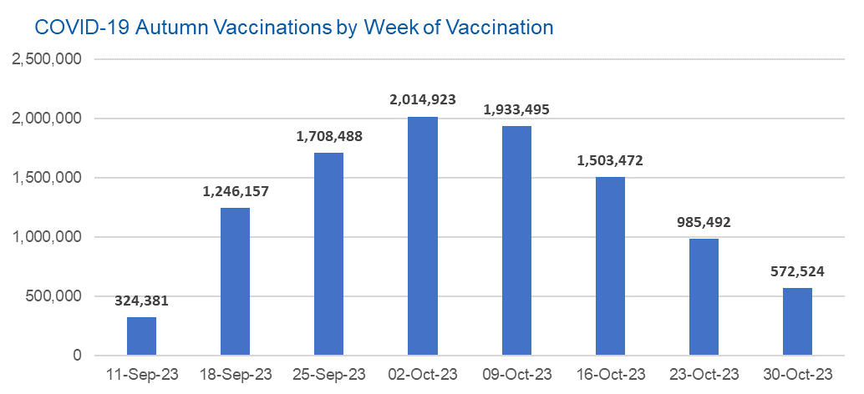

Week Commencing |  | Number of people who have had an Autumn vaccination to date | Cumulative number of people who have had an Autumn vaccination to date
Total |  | 10,288,932 | -
2023-09-11 |  | 324,381 | 324,381
2023-09-18 |  | 1,246,157 | 1,570,538
2023-09-25 |  | 1,708,488 | 3,279,026
2023-10-02 |  | 2,014,923 | 5,293,949
2023-10-09 |  | 1,933,495 | 7,227,444
2023-10-16 |  | 1,503,472 | 8,730,916
2023-10-23 |  | 985,492 | 9,716,408
2023-10-30 |  | 572,524 | 10,288,932

Data quality notes: |  |  |  | In the week commencing 30 October 2023, 572,524 autumn vaccinations were delivered. This brings the total number of autumn vaccinations delivered to 10,288,932.
1. Data was extracted from the DPS (Data Processing Service) Direct Flow on 7 November 2023.
2. See 'Definitions' tab for more information.

Total vaccinations by week
Title: | COVID-19 Vaccinations by Week of Vaccination
Summary: | The number of COVID-19 vaccinations delivered in England, by week of vaccination.
Period1,2: | 8 December 2020 to 5 November 2023
Source: | DPS (Data Processing Service) Direct Flow, NHS England
Basis: | England
Published: | 9 November 2023
Status: | Published
Definitions: | These figures include all vaccinations administered in England, even if individuals vaccinated do not have an NHS number, are resident outside of England or are no longer alive.
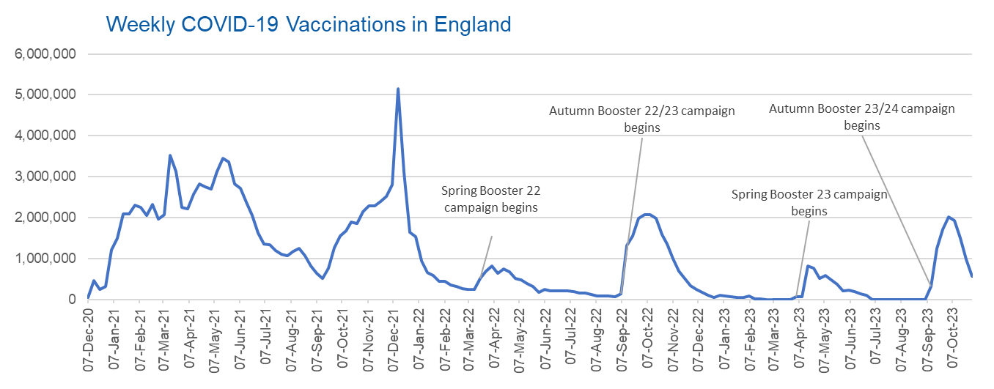

Week Commencing | Number of vaccinations delivered | Cumulative number of vaccinations delivered

Total | 155,943,263 | -
2020-12-07 | 54,723 | 54,723
2020-12-14 | 456,567 | 511,290
2020-12-21 | 243,434 | 754,724
2020-12-28 | 316,406 | 1,071,130
2021-01-04 | 1,213,227 | 2,284,357
2021-01-11 | 1,498,472 | 3,782,829
2021-01-18 | 2,090,096 | 5,872,925
2021-01-25 | 2,093,373 | 7,966,298
2021-02-01 | 2,311,252 | 10,277,550
2021-02-08 | 2,252,302 | 12,529,852
2021-02-15 | 2,050,457 | 14,580,309
2021-02-22 | 2,316,848 | 16,897,157
2021-03-01 | 1,956,567 | 18,853,724 | In the week commencing 30 October 2023, 572,524 vaccinations were delivered, taking the total number of COVID-19 vaccinations delivered to 155,943,263.
2021-03-08 | 2,067,359 | 20,921,083
2021-03-15 | 3,529,607 | 24,450,690
2021-03-22 | 3,136,522 | 27,587,212
2021-03-29 | 2,245,624 | 29,832,836
2021-04-05 | 2,221,546 | 32,054,382
2021-04-12 | 2,576,882 | 34,631,264
2021-04-19 | 2,831,904 | 37,463,168
2021-04-26 | 2,760,677 | 40,223,845
2021-05-03 | 2,705,349 | 42,929,194
2021-05-10 | 3,125,418 | 46,054,612
2021-05-17 | 3,447,614 | 49,502,226
2021-05-24 | 3,354,328 | 52,856,554
2021-05-31 | 2,832,930 | 55,689,484
2021-06-07 | 2,714,234 | 58,403,718
2021-06-14 | 2,380,694 | 60,784,412
2021-06-21 | 2,046,787 | 62,831,199
2021-06-28 | 1,625,050 | 64,456,249
2021-07-05 | 1,361,012 | 65,817,261
2021-07-12 | 1,334,614 | 67,151,875
2021-07-19 | 1,190,761 | 68,342,636
2021-07-26 | 1,108,546 | 69,451,182
2021-08-02 | 1,074,810 | 70,525,992
2021-08-09 | 1,175,634 | 71,701,626
2021-08-16 | 1,245,492 | 72,947,118
2021-08-23 | 1,062,838 | 74,009,956
2021-08-30 | 827,779 | 74,837,735
2021-09-06 | 645,918 | 75,483,653
2021-09-13 | 519,853 | 76,003,506
2021-09-20 | 760,139 | 76,763,645
2021-09-27 | 1,261,774 | 78,025,419
2021-10-04 | 1,547,804 | 79,573,223
2021-10-11 | 1,677,079 | 81,250,302
2021-10-18 | 1,884,768 | 83,135,070
2021-10-25 | 1,860,812 | 84,995,882
2021-11-01 | 2,137,713 | 87,133,595
2021-11-08 | 2,290,895 | 89,424,490
2021-11-15 | 2,288,949 | 91,713,439
2021-11-22 | 2,403,142 | 94,116,581
2021-11-29 | 2,527,274 | 96,643,855
2021-12-06 | 2,814,637 | 99,458,492
2021-12-13 | 5,145,099 | 104,603,591
2021-12-20 | 3,107,961 | 107,711,552
2021-12-27 | 1,637,191 | 109,348,743
2022-01-03 | 1,535,287 | 110,884,030
2022-01-10 | 936,741 | 111,820,771
2022-01-17 | 665,260 | 112,486,031
2022-01-24 | 595,789 | 113,081,820
2022-01-31 | 442,801 | 113,524,621
2022-02-07 | 447,057 | 113,971,678
2022-02-14 | 346,933 | 114,318,611
2022-02-21 | 318,434 | 114,637,045
2022-02-28 | 268,529 | 114,905,574
2022-03-07 | 251,544 | 115,157,118
2022-03-14 | 242,116 | 115,399,234
2022-03-21 | 510,310 | 115,909,544
2022-03-28 | 689,360 | 116,598,904
2022-04-04 | 820,304 | 117,419,208
2022-04-11 | 632,673 | 118,051,881
2022-04-18 | 753,177 | 118,805,058
2022-04-25 | 680,449 | 119,485,507
2022-05-02 | 512,429 | 119,997,936
2022-05-09 | 476,301 | 120,474,237
2022-05-16 | 386,677 | 120,860,914
2022-05-23 | 324,508 | 121,185,422
2022-05-30 | 183,950 | 121,369,372
2022-06-06 | 252,102 | 121,621,474
2022-06-13 | 203,886 | 121,825,360
2022-06-20 | 212,729 | 122,038,089
2022-06-27 | 214,413 | 122,252,502
2022-07-04 | 205,202 | 122,457,704
2022-07-11 | 188,826 | 122,646,530
2022-07-18 | 159,521 | 122,806,051
2022-07-25 | 155,178 | 122,961,229
2022-08-01 | 114,793 | 123,076,022
2022-08-08 | 93,979 | 123,170,001
2022-08-15 | 89,115 | 123,259,116
2022-08-22 | 82,027 | 123,341,143
2022-08-29 | 63,555 | 123,404,698
2022-09-05 | 134,332 | 123,539,030
2022-09-12 | 1,327,591 | 124,866,621
2022-09-19 | 1,556,030 | 126,422,651
2022-09-26 | 1,988,151 | 128,410,802
2022-10-03 | 2,066,977 | 130,477,779
2022-10-10 | 2,075,327 | 132,553,106
2022-10-17 | 1,984,882 | 134,537,988
2022-10-24 | 1,592,893 | 136,130,881
2022-10-31 | 1,352,128 | 137,483,009
2022-11-07 | 998,816 | 138,481,825
2022-11-14 | 702,904 | 139,184,729
2022-11-21 | 510,562 | 139,695,291
2022-11-28 | 337,859 | 140,033,150
2022-12-05 | 247,455 | 140,280,605
2022-12-12 | 184,109 | 140,464,714
2022-12-19 | 103,578 | 140,568,292
2022-12-26 | 46,826 | 140,615,118
2023-01-02 | 98,470 | 140,713,588
2023-01-09 | 85,977 | 140,799,565
2023-01-16 | 59,758 | 140,859,323
2023-01-23 | 53,897 | 140,913,220
2023-01-30 | 49,831 | 140,963,051
2023-02-06 | 85,480 | 141,048,531
2023-02-13 | 11,234 | 141,059,765
2023-02-20 | 6,525 | 141,066,290
2023-02-27 | 4,962 | 141,071,252
2023-03-06 | 4,074 | 141,075,326
2023-03-13 | 3,769 | 141,079,095
2023-03-20 | 3,262 | 141,082,357
2023-03-27 | 2,454 | 141,084,811
2023-04-03 | 64,013 | 141,148,824
2023-04-10 | 70,727 | 141,219,551
2023-04-17 | 822,857 | 142,042,408
2023-04-24 | 775,000 | 142,817,408
2023-05-01 | 506,620 | 143,324,028
2023-05-08 | 579,003 | 143,903,031
2023-05-15 | 484,380 | 144,387,411
2023-05-22 | 372,032 | 144,759,443
2023-05-29 | 219,040 | 144,978,483
2023-06-05 | 230,338 | 145,208,821
2023-06-12 | 185,280 | 145,394,101
2023-06-19 | 144,789 | 145,538,890
2023-06-26 | 111,427 | 145,650,317
2023-07-03 | 795 | 145,651,112
2023-07-10 | 300 | 145,651,412
2023-07-17 | 212 | 145,651,624
2023-07-24 | 252 | 145,651,876
2023-07-31 | 199 | 145,652,075
2023-08-07 | 193 | 145,652,268
2023-08-14 | 253 | 145,652,521
2023-08-21 | 301 | 145,652,822
2023-08-28 | 269 | 145,653,091
2023-09-04 | 1,240 | 145,654,331
2023-09-11 | 324,381 | 145,978,712
2023-09-18 | 1,246,157 | 147,224,869
2023-09-25 | 1,708,488 | 148,933,357
2023-10-02 | 2,014,923 | 150,948,280
2023-10-09 | 1,933,495 | 152,881,775
2023-10-16 | 1,503,472 | 154,385,247
2023-10-23 | 985,492 | 155,370,739
2023-10-30 | 572,524 | 155,943,263

Data quality notes:
1. Data was extracted from the DPS (Data Processing Service) Direct Flow on 7 November 2023.
2. Note these figures may be updated as more information becomes available from local systems.
3. Due to a transfer of vaccination data from the National Immunisation Management System (NIMS) to DPS (Data Processing Service) the number of total vaccinations has decreased since our last weekly publication during the spring 2023 campaign on 13 July 2023 and the first weekly publication durirng the autumn campaign on 28 September 2023. This drop in vaccinations is currently under investigation.

