Definitions
Title: | COVID-19 Vaccination Statistics Definitions
Summary: | This file contains information on the number of vaccinations for COVID-19 delivered to English residents and all other individuals who have been vaccinated in England (including those living outside of England). All vaccinations included in this publication were administered during the period specified below and are recorded against the date of vaccination. The source of all vaccination data in this publication is DPS (Data Processing Service) Direct Flow.
Period: | Data to 10 December 2023
Source: | DPS (Data Processing Service) Direct Flow, NHS England
Basis: | England
Published: | 14 December 2023
Status: | Published

Data Definitions
All data on the number of people vaccinated in this publication are taken from DPS (Data Processing Service) Direct Flow, unless otherwise specified. This was previously the National Immunisation Management System (NIMS).
Data marked as DPS (Data Processing Service) Direct Flow NHS England' includes any vaccinations given in England, regardless of whether the recipient is alive or resident in England.
Where figures are shown for NHS geographies (region), these are based on the place of residence of the vaccinated individual. The health geographical boundaries used are defined as at July 2023.
Autumn 2023/24 vaccinations definition
The total autumn vaccinations figure includes any vaccination administered after the start of the autumn campaign on 11 September 2023 to any individuals in an eligible cohort.
NHS England estimates that approximately 21.5 million people will be eligible for an autumn booster during the campaign. This figure includes individuals who are in an eligible cohort and had a first dose vaccination prior to the start of the campaign. Eligible cohorts we report in this publication include adults aged 65 and over, immunosuppressed individuals aged 5 to 64, individuals in a clinical risk group aged 5 to 64 and frontline healthcare workers. There are approximately 25.5 million people that are in an eligible cohort.
Separate cohort figures are published for individuals in an eligible autumn vaccination cohorts:
Aged 65+ - In line with JCVI guidance, age is as at 31 March 2024, as recorded in the Master Patient Index. Therefore, some vaccinations delivered to this cohort will be to individuals who have not yet turned 65.
Immunosuppressed (aged 5-64) - The Immunosuppressed (IS) cohort reported in this publication is based on the CaaS cohort definition as outlined in the Green Book (chapter 14). This cohort is a subset of the 'in a clinical risk group' cohort. Please note that the IS cohort might fluctuate as individuals move in and out of this cohort.
In a clinical risk group (aged 5-64) - The 'in a clinical risk group' cohort reported in this publication is based on the CaaS cohort definition as outlined in the Green Book (chapter 14). Please note that the in a clinical at risk cohort might fluctuate as individuals move in and out of this cohort.
Frontline healthcare workers - These figures represent only those NHS healthcare workers who appear in the NHS Electronic Staff Record (ESR), were employed by an NHS Trust as at the extract date and are in an occupational group designated as a frontline healthcare worker. This covers directly employed staff in NHS Trusts who are paid through ESR, which will include some NHS Bank staff. The figures do not include data on staff that are not paid through ESR, or staff on ESR who could not be matched to DPS. It also does not include data on primary care staff or social care workers.
Care home residents are also eligible for an autumn vaccination during the campaign but are not reported in this publication. Information on care home residents will be published separately.
The figures include any vaccinations delivered in England, regardless of whether the individual is still alive or resident in England. Not all vaccinations delivered up to this date will be included in these figures. At 4 December 2023, 94.8% of vaccinations recorded in the DPS Direct Flow database were reported within 1 day of being administered and 97.9% of vaccinations were reported within 7 days.
Age definition
Age is as at the end of March 2024, as recorded in the Master Patient Index (MPI). This is to ensure vaccinations delivered to 64 year olds will be counted in this figure if they turn 65 by the end of March. Vaccinations to children will be counted as an autumn vaccination if they turn 5 before the start of the campaign on 11 September 2023 and are in an eligible cohort.
 |  | j

Links
JCVI advises on eligible groups for 2023 autumn booster - GOV.UK (www.gov.uk)

Autumn vaccinations by week
Title: | COVID-19 Autumn Vaccinations by Week of Vaccination
Summary: | The number of people who have had a 'Autumn' vaccination for COVID-19 in England since the start of the Autumn 2023 campaign, by week of vaccination.
Period1: | 11 September 2023 to 10 December 2023
Source: | DPS (Data Processing Service) Direct Flow, NHS England
Basis: | England
Published: | 14 December 2023
Status: | Published
Definitions: | The data in this release includes all individuals with a 'Autumn' vaccination administered in England, even if individuals are resident outside of England, do not have an NHS number or are no longer alive. This includes vaccinations administered as part of clinical trials.

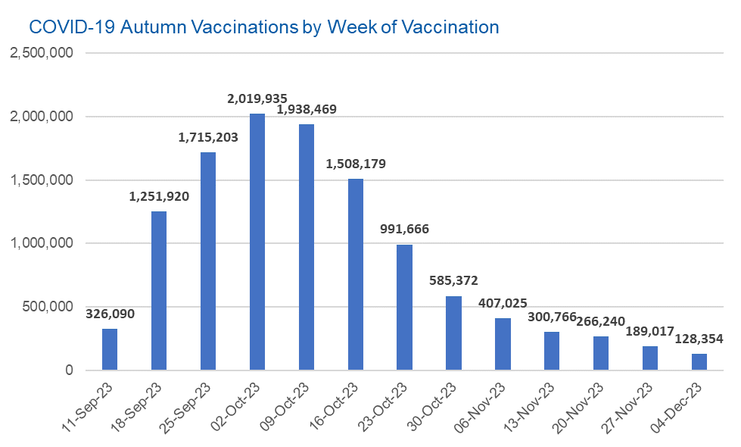

Week Commencing |  | Number of people who have had an Autumn vaccination to date | Cumulative number of people who have had an Autumn vaccination to date
Total |  | 11,628,236 | -
2023-09-11 |  | 326,090 | 326,090
2023-09-18 |  | 1,251,920 | 1,578,010
2023-09-25 |  | 1,715,203 | 3,293,213
2023-10-02 |  | 2,019,935 | 5,313,148
2023-10-09 |  | 1,938,469 | 7,251,617
2023-10-16 |  | 1,508,179 | 8,759,796
2023-10-23 |  | 991,666 | 9,751,462
2023-10-30 |  | 585,372 | 10,336,834
2023-11-06 |  | 407,025 | 10,743,859
2023-11-13 |  | 300,766 | 11,044,625
2023-11-20 |  | 266,240 | 11,310,865
2023-11-27 |  | 189,017 | 11,499,882
2023-12-04 |  | 128,354 | 11,628,236

Data quality notes: |  |  |  | In the week commencing 4 December 2023, 128,354 autumn vaccinations were delivered. This brings the total number of autumn vaccinations delivered to 11,628,236.
1. Data was extracted from the DPS (Data Processing Service) Direct Flow on 12 December 2023.
2. See 'Definitions' tab for more information.

Total vaccinations by week
Title: | COVID-19 Vaccinations by Week of Vaccination
Summary: | The number of COVID-19 vaccinations delivered in England, by week of vaccination.
Period1,2: | 8 December 2020 to 10 December 2023
Source: | DPS (Data Processing Service) Direct Flow, NHS England
Basis: | England
Published: | 14 December 2023
Status: | Published
Definitions: | These figures include all vaccinations administered in England, even if individuals vaccinated do not have an NHS number, are resident outside of England or are no longer alive.
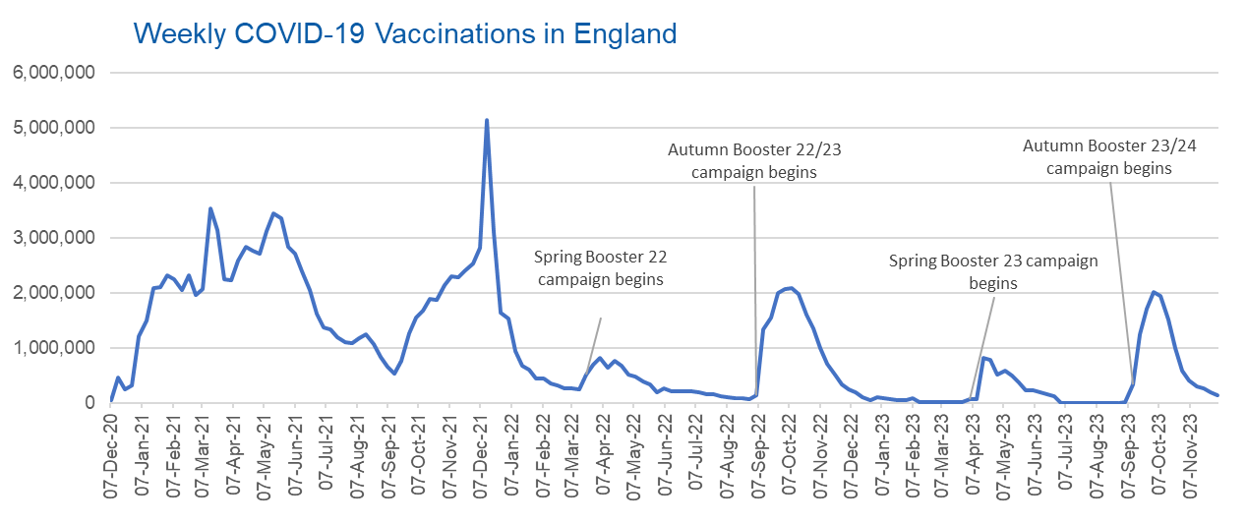

Week Commencing | Number of vaccinations delivered | Cumulative number of vaccinations delivered

Total | 157,281,439 | -
2020-12-07 | 54,722 | 54,722
2020-12-14 | 456,564 | 511,286
2020-12-21 | 243,432 | 754,718
2020-12-28 | 316,404 | 1,071,122
2021-01-04 | 1,213,216 | 2,284,338
2021-01-11 | 1,498,460 | 3,782,798
2021-01-18 | 2,090,087 | 5,872,885
2021-01-25 | 2,093,365 | 7,966,250
2021-02-01 | 2,311,245 | 10,277,495
2021-02-08 | 2,252,287 | 12,529,782
2021-02-15 | 2,050,449 | 14,580,231
2021-02-22 | 2,316,842 | 16,897,073
2021-03-01 | 1,956,558 | 18,853,631 | In the week commencing 4 December 2023, 128,354 vaccinations were delivered, taking the total number of COVID-19 vaccinations delivered to 157,281,439.
2021-03-08 | 2,067,348 | 20,920,979
2021-03-15 | 3,529,600 | 24,450,579
2021-03-22 | 3,136,503 | 27,587,082
2021-03-29 | 2,245,614 | 29,832,696
2021-04-05 | 2,221,536 | 32,054,232
2021-04-12 | 2,576,871 | 34,631,103
2021-04-19 | 2,831,899 | 37,463,002
2021-04-26 | 2,760,664 | 40,223,666
2021-05-03 | 2,705,334 | 42,929,000
2021-05-10 | 3,125,409 | 46,054,409
2021-05-17 | 3,447,603 | 49,502,012
2021-05-24 | 3,354,312 | 52,856,324
2021-05-31 | 2,832,910 | 55,689,234
2021-06-07 | 2,714,218 | 58,403,452
2021-06-14 | 2,380,678 | 60,784,130
2021-06-21 | 2,046,779 | 62,830,909
2021-06-28 | 1,625,041 | 64,455,950
2021-07-05 | 1,361,007 | 65,816,957
2021-07-12 | 1,334,608 | 67,151,565
2021-07-19 | 1,190,753 | 68,342,318
2021-07-26 | 1,108,539 | 69,450,857
2021-08-02 | 1,074,797 | 70,525,654
2021-08-09 | 1,175,620 | 71,701,274
2021-08-16 | 1,245,478 | 72,946,752
2021-08-23 | 1,062,818 | 74,009,570
2021-08-30 | 827,767 | 74,837,337
2021-09-06 | 645,916 | 75,483,253
2021-09-13 | 519,846 | 76,003,099
2021-09-20 | 760,128 | 76,763,227
2021-09-27 | 1,261,756 | 78,024,983
2021-10-04 | 1,547,777 | 79,572,760
2021-10-11 | 1,677,057 | 81,249,817
2021-10-18 | 1,884,746 | 83,134,563
2021-10-25 | 1,860,784 | 84,995,347
2021-11-01 | 2,137,689 | 87,133,036
2021-11-08 | 2,290,859 | 89,423,895
2021-11-15 | 2,288,914 | 91,712,809
2021-11-22 | 2,403,112 | 94,115,921
2021-11-29 | 2,527,234 | 96,643,155
2021-12-06 | 2,814,608 | 99,457,763
2021-12-13 | 5,145,049 | 104,602,812
2021-12-20 | 3,107,927 | 107,710,739
2021-12-27 | 1,637,172 | 109,347,911
2022-01-03 | 1,535,270 | 110,883,181
2022-01-10 | 936,734 | 111,819,915
2022-01-17 | 665,255 | 112,485,170
2022-01-24 | 595,780 | 113,080,950
2022-01-31 | 442,797 | 113,523,747
2022-02-07 | 447,055 | 113,970,802
2022-02-14 | 346,952 | 114,317,754
2022-02-21 | 318,462 | 114,636,216
2022-02-28 | 268,553 | 114,904,769
2022-03-07 | 251,560 | 115,156,329
2022-03-14 | 242,113 | 115,398,442
2022-03-21 | 510,314 | 115,908,756
2022-03-28 | 689,370 | 116,598,126
2022-04-04 | 820,297 | 117,418,423
2022-04-11 | 632,662 | 118,051,085
2022-04-18 | 753,160 | 118,804,245
2022-04-25 | 680,442 | 119,484,687
2022-05-02 | 512,420 | 119,997,107
2022-05-09 | 476,294 | 120,473,401
2022-05-16 | 386,671 | 120,860,072
2022-05-23 | 324,506 | 121,184,578
2022-05-30 | 183,950 | 121,368,528
2022-06-06 | 252,108 | 121,620,636
2022-06-13 | 203,889 | 121,824,525
2022-06-20 | 212,724 | 122,037,249
2022-06-27 | 214,409 | 122,251,658
2022-07-04 | 205,200 | 122,456,858
2022-07-11 | 188,825 | 122,645,683
2022-07-18 | 159,522 | 122,805,205
2022-07-25 | 155,175 | 122,960,380
2022-08-01 | 114,792 | 123,075,172
2022-08-08 | 93,979 | 123,169,151
2022-08-15 | 89,114 | 123,258,265
2022-08-22 | 82,025 | 123,340,290
2022-08-29 | 63,555 | 123,403,845
2022-09-05 | 134,330 | 123,538,175
2022-09-12 | 1,327,582 | 124,865,757
2022-09-19 | 1,556,006 | 126,421,763
2022-09-26 | 1,988,119 | 128,409,882
2022-10-03 | 2,066,935 | 130,476,817
2022-10-10 | 2,075,291 | 132,552,108
2022-10-17 | 1,984,847 | 134,536,955
2022-10-24 | 1,592,876 | 136,129,831
2022-10-31 | 1,352,110 | 137,481,941
2022-11-07 | 998,801 | 138,480,742
2022-11-14 | 702,896 | 139,183,638
2022-11-21 | 510,556 | 139,694,194
2022-11-28 | 337,859 | 140,032,053
2022-12-05 | 247,456 | 140,279,509
2022-12-12 | 184,103 | 140,463,612
2022-12-19 | 103,580 | 140,567,192
2022-12-26 | 46,825 | 140,614,017
2023-01-02 | 98,471 | 140,712,488
2023-01-09 | 85,977 | 140,798,465
2023-01-16 | 59,756 | 140,858,221
2023-01-23 | 53,895 | 140,912,116
2023-01-30 | 49,829 | 140,961,945
2023-02-06 | 85,480 | 141,047,425
2023-02-13 | 11,234 | 141,058,659
2023-02-20 | 6,524 | 141,065,183
2023-02-27 | 4,962 | 141,070,145
2023-03-06 | 4,074 | 141,074,219
2023-03-13 | 3,769 | 141,077,988
2023-03-20 | 3,262 | 141,081,250
2023-03-27 | 2,455 | 141,083,705
2023-04-03 | 64,013 | 141,147,718
2023-04-10 | 70,727 | 141,218,445
2023-04-17 | 822,857 | 142,041,302
2023-04-24 | 775,001 | 142,816,303
2023-05-01 | 506,621 | 143,322,924
2023-05-08 | 579,002 | 143,901,926
2023-05-15 | 484,378 | 144,386,304
2023-05-22 | 372,030 | 144,758,334
2023-05-29 | 219,040 | 144,977,374
2023-06-05 | 230,339 | 145,207,713
2023-06-12 | 185,280 | 145,392,993
2023-06-19 | 144,788 | 145,537,781
2023-06-26 | 111,428 | 145,649,209
2023-07-03 | 795 | 145,650,004
2023-07-10 | 301 | 145,650,305
2023-07-17 | 212 | 145,650,517
2023-07-24 | 252 | 145,650,769
2023-07-31 | 199 | 145,650,968
2023-08-07 | 193 | 145,651,161
2023-08-14 | 253 | 145,651,414
2023-08-21 | 301 | 145,651,715
2023-08-28 | 272 | 145,651,987
2023-09-04 | 1,216 | 145,653,203
2023-09-11 | 326,090 | 145,979,293
2023-09-18 | 1,251,920 | 147,231,213
2023-09-25 | 1,715,203 | 148,946,416
2023-10-02 | 2,019,935 | 150,966,351
2023-10-09 | 1,938,469 | 152,904,820
2023-10-16 | 1,508,179 | 154,412,999
2023-10-23 | 991,666 | 155,404,665
2023-10-30 | 585,372 | 155,990,037
2023-11-06 | 407,025 | 156,397,062
2023-11-13 | 300,766 | 156,697,828
2023-11-20 | 266,240 | 156,964,068
2023-11-27 | 189,017 | 157,153,085
2023-12-04 | 128,354 | 157,281,439

Data quality notes:
1. Data was extracted from the DPS (Data Processing Service) Direct Flow on 12 December 2023.
2. Note these figures may be updated as more information becomes available from local systems.
3. Due to a transfer of vaccination data from the National Immunisation Management System (NIMS) to DPS (Data Processing Service) the number of total vaccinations decreased when comparing our last weekly publication during the spring 2023 campaign on 13 July 2023 and the first weekly publication during the autumn campaign on 28 September 2023. This drop in vaccinations is under investigation.

