Definitions
Title: | COVID-19 Vaccination Statistics Definitions
Summary: | This file contains information on the number of vaccinations for COVID-19 delivered to English residents and all other individuals who have been vaccinated in England (including those living outside of England). All vaccinations included in this publication were administered during the period specified below and are recorded against the date of vaccination. The source of all vaccination data in this publication is the National Immunisation Management System (NIMS) database.
Period: | Data to 11 June 2023
Source: | National Immunisation Management System (NIMS)
Basis: | England
Published: | 15 June 2023
Status: | Published

Data Definitions
All data on the number of people vaccinated in this publication are taken from the National Immunisation Management System (NIMS) dataset, unless otherwise specified.
Data marked as 'National Immunisation Management System (NIMS), NHS England' includes any vaccinations given in England, regardless of whether the recipient is alive or resident in England.
Where figures are shown for NHS geographies (region), these are based on the place of residence of the vaccinated individual. The health geographical boundaries used are as defined at July 2022. An individual's NHS region of residence is taken from the NHS Master Patient Index (MPI).
Spring booster definition
The total spring booster figure includes any vaccination with a dose greater than or equal to 3, administered on or after 3 April 2023. This includes a small number of first boosters delivered to those not in an eligible spring booster cohort.
NHS England estimates that approximately 6.6 million people will be eligible for a spring booster during the campaign. This figure includes individuals who are in an eligible cohort and had a second dose vaccination prior to the start of the campaign. Eligible cohorts include care home residents, adults aged 75 and over, and immunosuppressed individuals.
Separate cohort figures are published for individuals in an eligible spring booster cohort:
Aged 75+ - In line with JCVI guidance, age is as at 30 June 2023, as recorded in the MPI. Therefore, some vaccinations delivered to this cohort will be to individuals who have not yet turned 75.
Immunosuppressed (Aged 5-74) - The IS cohort reported in this publication is based on the CaaS cohort definition as outlined in the Green Book (chapter 14). This cohort is a subset of the 'At risk' cohort. Please note that the IS cohort might fluctuate as individuals move in and out of this cohort.
Care home residents are also eligible for a spring booster during the campaign but are not reported on in this publication. Information on care home residents will be published separately.
The figures include any vaccinations delivered in England, regardless of whether the individual is still alive or resident in England. Not all vaccinations delivered up to this date will be included in these figures. At 6 June 2023, 94.7% of vaccinations recorded in the NIMS database were reported within 1 day of being administered and 97.8% of vaccinations were reported within 7 days.
Age definition
In line with JCVI eligibility guidance, age is reported as at 30 June 2023.
Links
Spring 2023 COVID-19 vaccination programme: JCVI advice, 22 February 2023 - GOV.UK (www.gov.uk)
 |  | j

Spring Boosters by Vacc Week
Title: | COVID-19 Spring Booster Vaccinations by Week of Vaccination
Summary: | The number of people who have had a 'Spring Booster' vaccination for COVID-19 in England since the start of the Spring 2023 campaign, by week of vaccination.
Period1: | 3 April 2023 to 11 June 2023
Source: | National Immunisation Management System (NIMS), NHS England
Basis: | England
Published: | 15 June 2023
Status: | Published
Definitions: | The data in this release includes all individuals with a 'Spring Booster' vaccination administered in England, even if individuals are resident outside of England, do not have an NHS number or are no longer alive. This includes vaccinations administered as part of clinical trials.
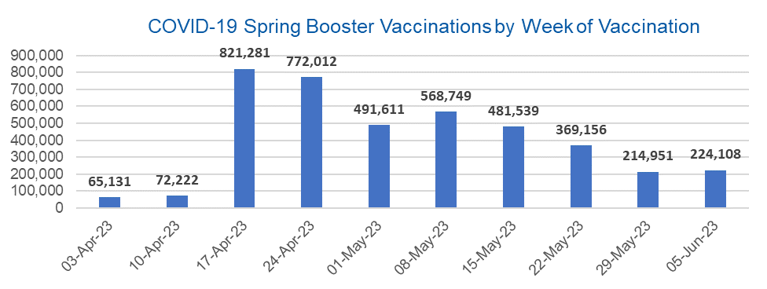

Week Commencing |  | Number of people who have had a spring booster vaccination | Cumulative number of people who have had a spring booster vaccination
Total |  | 4,080,760 | -
2023-04-03 |  | 65,131 | 65,131
2023-04-10 |  | 72,222 | 137,353
2023-04-17 |  | 821,281 | 958,634
2023-04-24 |  | 772,012 | 1,730,646
2023-05-01 |  | 491,611 | 2,222,257
2023-05-08 |  | 568,749 | 2,791,006 | In the week commencing 5 June 2023, 224,108 spring booster vaccinations were delivered. This brings the total spring booster vaccinations delivered to 4,080,760.
2023-05-15 |  | 481,539 | 3,272,545
2023-05-22 |  | 369,156 | 3,641,701
2023-05-29 |  | 214,951 | 3,856,652
2023-06-05 |  | 224,108 | 4,080,760

Data quality notes:
1. Data was extracted from the National Immunisation Management System on 13 June 2023.
2. See 'Definitions' tab for more information.

Total by Vaccination Week
Title: | COVID-19 Vaccinations by Week of Vaccination
Summary: | The number of COVID-19 vaccinations delivered in England, by week of vaccination.
Period1,2: | 8 December 2020 to 11 June 2023
Source: | National Immunisation Management System (NIMS), NHS England
Basis: | England
Published: | 15 June 2023
Status: | Published
Definitions: | These figures include all vaccinations administered in England, even if individuals vaccinated do not have an NHS number, are resident outside of England or are no longer alive.

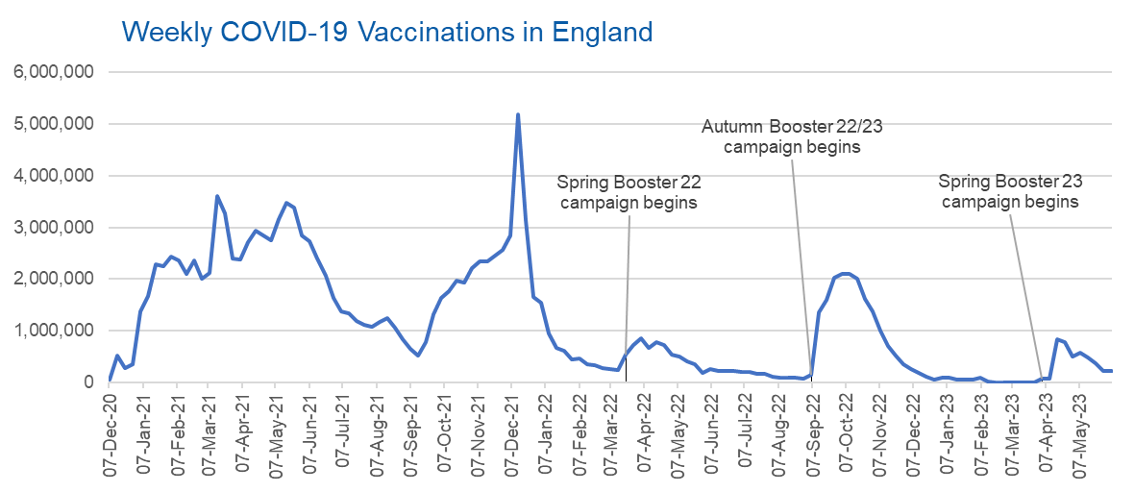
Week Commencing | Number of vaccinations delivered | Cumulative number of vaccinations delivered

Total | 148,928,307 | -
2020-12-07 | 57,766 | 57,766
2020-12-14 | 527,411 | 585,177
2020-12-21 | 272,881 | 858,058
2020-12-28 | 355,661 | 1,213,719
2021-01-04 | 1,370,969 | 2,584,688
2021-01-11 | 1,675,490 | 4,260,178
2021-01-18 | 2,284,791 | 6,544,969
2021-01-25 | 2,241,202 | 8,786,171
2021-02-01 | 2,440,217 | 11,226,388
2021-02-08 | 2,351,866 | 13,578,254
2021-02-15 | 2,096,750 | 15,675,004
2021-02-22 | 2,358,270 | 18,033,274
2021-03-01 | 2,002,621 | 20,035,895 | In the week commencing 5 June 2023, 226,695 vaccinations were delivered, taking the total number of COVID-19 vaccinations delivered to 148,928,307.
2021-03-08 | 2,118,637 | 22,154,532
2021-03-15 | 3,599,809 | 25,754,341
2021-03-22 | 3,268,951 | 29,023,292
2021-03-29 | 2,389,597 | 31,412,889
2021-04-05 | 2,371,693 | 33,784,582
2021-04-12 | 2,708,718 | 36,493,300
2021-04-19 | 2,942,560 | 39,435,860
2021-04-26 | 2,841,356 | 42,277,216
2021-05-03 | 2,754,021 | 45,031,237
2021-05-10 | 3,165,035 | 48,196,272
2021-05-17 | 3,477,326 | 51,673,598
2021-05-24 | 3,378,661 | 55,052,259
2021-05-31 | 2,849,465 | 57,901,724
2021-06-07 | 2,729,000 | 60,630,724
2021-06-14 | 2,391,147 | 63,021,871
2021-06-21 | 2,055,068 | 65,076,939
2021-06-28 | 1,631,352 | 66,708,291
2021-07-05 | 1,366,273 | 68,074,564
2021-07-12 | 1,339,364 | 69,413,928
2021-07-19 | 1,194,707 | 70,608,635
2021-07-26 | 1,112,190 | 71,720,825
2021-08-02 | 1,077,934 | 72,798,759
2021-08-09 | 1,178,269 | 73,977,028
2021-08-16 | 1,248,179 | 75,225,207
2021-08-23 | 1,065,196 | 76,290,403
2021-08-30 | 829,528 | 77,119,931
2021-09-06 | 647,484 | 77,767,415
2021-09-13 | 522,771 | 78,290,186
2021-09-20 | 784,622 | 79,074,808
2021-09-27 | 1,321,790 | 80,396,598
2021-10-04 | 1,626,118 | 82,022,716
2021-10-11 | 1,760,477 | 83,783,193
2021-10-18 | 1,971,093 | 85,754,286
2021-10-25 | 1,933,815 | 87,688,101
2021-11-01 | 2,202,830 | 89,890,931
2021-11-08 | 2,347,325 | 92,238,256
2021-11-15 | 2,335,843 | 94,574,099
2021-11-22 | 2,443,980 | 97,018,079
2021-11-29 | 2,563,225 | 99,581,304
2021-12-06 | 2,844,858 | 102,426,162
2021-12-13 | 5,182,676 | 107,608,838
2021-12-20 | 3,133,045 | 110,741,883
2021-12-27 | 1,646,409 | 112,388,292
2022-01-03 | 1,545,305 | 113,933,597
2022-01-10 | 945,524 | 114,879,121
2022-01-17 | 671,758 | 115,550,879
2022-01-24 | 602,175 | 116,153,054
2022-01-31 | 447,458 | 116,600,512
2022-02-07 | 454,355 | 117,054,867
2022-02-14 | 352,483 | 117,407,350
2022-02-21 | 323,492 | 117,730,842
2022-02-28 | 272,452 | 118,003,294
2022-03-07 | 254,947 | 118,258,241
2022-03-14 | 245,340 | 118,503,581
2022-03-21 | 528,403 | 119,031,984
2022-03-28 | 719,422 | 119,751,406
2022-04-04 | 859,007 | 120,610,413
2022-04-11 | 662,150 | 121,272,563
2022-04-18 | 786,442 | 122,059,005
2022-04-25 | 718,504 | 122,777,509
2022-05-02 | 538,148 | 123,315,657
2022-05-09 | 503,606 | 123,819,263
2022-05-16 | 408,947 | 124,228,210
2022-05-23 | 343,361 | 124,571,571
2022-05-30 | 192,025 | 124,763,596
2022-06-06 | 264,390 | 125,027,986
2022-06-13 | 214,204 | 125,242,190
2022-06-20 | 222,209 | 125,464,399
2022-06-27 | 221,949 | 125,686,348
2022-07-04 | 210,237 | 125,896,585
2022-07-11 | 192,818 | 126,089,403
2022-07-18 | 162,370 | 126,251,773
2022-07-25 | 157,674 | 126,409,447
2022-08-01 | 116,362 | 126,525,809
2022-08-08 | 95,152 | 126,620,961
2022-08-15 | 90,000 | 126,710,961
2022-08-22 | 82,671 | 126,793,632
2022-08-29 | 63,968 | 126,857,600
2022-09-05 | 143,779 | 127,001,379
2022-09-12 | 1,361,998 | 128,363,377
2022-09-19 | 1,589,858 | 129,953,235
2022-09-26 | 2,026,170 | 131,979,405
2022-10-03 | 2,102,993 | 134,082,398
2022-10-10 | 2,108,514 | 136,190,912
2022-10-17 | 2,010,699 | 138,201,611
2022-10-24 | 1,608,358 | 139,809,969
2022-10-31 | 1,365,323 | 141,175,292
2022-11-07 | 1,009,013 | 142,184,305
2022-11-14 | 710,638 | 142,894,943
2022-11-21 | 516,174 | 143,411,117
2022-11-28 | 341,883 | 143,753,000
2022-12-05 | 250,344 | 144,003,344
2022-12-12 | 186,172 | 144,189,516
2022-12-19 | 104,722 | 144,294,238
2022-12-26 | 47,086 | 144,341,324
2023-01-02 | 99,022 | 144,440,346
2023-01-09 | 86,291 | 144,526,637
2023-01-16 | 60,159 | 144,586,796
2023-01-23 | 54,275 | 144,641,071
2023-01-30 | 50,125 | 144,691,196
2023-02-06 | 85,915 | 144,777,111
2023-02-13 | 11,305 | 144,788,416
2023-02-20 | 6,555 | 144,794,971
2023-02-27 | 4,977 | 144,799,948
2023-03-06 | 4,080 | 144,804,028
2023-03-13 | 3,783 | 144,807,811
2023-03-20 | 3,226 | 144,811,037
2023-03-27 | 2,119 | 144,813,156
2023-04-03 | 67,084 | 144,880,240
2023-04-10 | 74,150 | 144,954,390
2023-04-17 | 826,330 | 145,780,720
2023-04-24 | 777,310 | 146,558,030
2023-05-01 | 495,286 | 147,053,316
2023-05-08 | 572,651 | 147,625,967
2023-05-15 | 485,256 | 148,111,223
2023-05-22 | 372,199 | 148,483,422
2023-05-29 | 218,190 | 148,701,612
2023-06-05 | 226,695 | 148,928,307

Data quality notes:
1. Data was extracted from the National Immunisation Management System on 13 June 2023.
2. Note these figures may be updated as more information becomes available from local systems.

