Definitions
Title: | COVID-19 Vaccination Statistics Definitions
Summary: | This file contains information on the number of vaccinations for COVID-19 delivered to English residents and all other individuals who have been vaccinated in England (including those living outside of England). All vaccinations included in this publication were administered during the period specified below and are recorded against the date of vaccination. The source of all vaccination data in this publication is DPS (Data Processing Service) Direct Flow.
Period: | Data to 22 October 2023
Source: | DPS (Data Processing Service) Direct Flow, NHS England
Basis: | England
Published: | 26 October 2023
Status: | Published

Data Definitions
All data on the number of people vaccinated in this publication are taken from DPS (Data Processing Service) Direct Flow, unless otherwise specified. This was previously the National Immunisation Management System (NIMS).
Data marked as DPS (Data Processing Service) Direct Flow NHS England' includes any vaccinations given in England, regardless of whether the recipient is alive or resident in England.
Where figures are shown for NHS geographies (region), these are based on the place of residence of the vaccinated individual. The health geographical boundaries used are defined as at July 2023.
Autumn 2023/24 vaccinations definition
The total autumn vaccinations figure includes any vaccination administered after the start of the autumn campaign on 11 September 2023 to any individuals in an eligible cohort.
NHS England estimates that approximately 21.5 million people will be eligible for an autumn booster during the campaign. This figure includes individuals who are in an eligible cohort and had a first dose vaccination prior to the start of the campaign. Eligible cohorts we report in this publication include adults aged 65 and over, immunosuppressed individuals aged 5 to 64, individuals in a clinical risk group aged 5 to 64 and frontline healthcare workers. There are approximately 25.5 million people that are in an eligible cohort.
Separate cohort figures are published for individuals in an eligible autumn vaccination cohorts:
Aged 65+ - In line with JCVI guidance, age is as at 31 March 2024, as recorded in the Master Patient Index. Therefore, some vaccinations delivered to this cohort will be to individuals who have not yet turned 65.
Immunosuppressed (aged 5-64) - The Immunosuppressed (IS) cohort reported in this publication is based on the CaaS cohort definition as outlined in the Green Book (chapter 14). This cohort is a subset of the 'in a clinical risk group' cohort. Please note that the IS cohort might fluctuate as individuals move in and out of this cohort.
In a clinical risk group (aged 5-64) - The 'in a clinical risk group' cohort reported in this publication is based on the CaaS cohort definition as outlined in the Green Book (chapter 14). Please note that the in a clinical at risk cohort might fluctuate as individuals move in and out of this cohort.
Frontline healthcare workers - These figures represent only those NHS healthcare workers who appear in the NHS Electronic Staff Record (ESR), were employed by an NHS Trust as at the extract date and are in an occupational group designated as a frontline healthcare worker. This covers directly employed staff in NHS Trusts who are paid through ESR, which will include some NHS Bank staff. The figures do not include data on staff that are not paid through ESR, or staff on ESR who could not be matched to DPS. It also does not include data on primary care staff or social care workers.
Care home residents are also eligible for an autumn vaccination during the campaign but are not reported in this publication. Information on care home residents will be published separately.
The figures include any vaccinations delivered in England, regardless of whether the individual is still alive or resident in England. Not all vaccinations delivered up to this date will be included in these figures. At 19 October 2023, 94.9% of vaccinations recorded in the DPS database were reported within 1 day of being administered and 97.9% of vaccinations were reported within 7 days.
Age definition
Age is as at the end of March 2024, as recorded in the Master Patient Index (MPI). This is to ensure vaccinations delivered to 64 year olds will be counted in this figure if they turn 65 by the end of March. Vaccinations to children will be counted as an autumn vaccination if they turn 5 before the start of the campaign on 11 September 2023 and are in an eligible cohort.
 |  | j

Links
JCVI advises on eligible groups for 2023 autumn booster - GOV.UK (www.gov.uk)

Autumn vaccinations by week
Title: | COVID-19 Autumn Vaccinations by Week of Vaccination
Summary: | The number of people who have had a 'Autumn' vaccination for COVID-19 in England since the start of the Autumn 2023 campaign, by week of vaccination.
Period1: | 11 September 2023 to 22 October 2023
Source: | DPS (Data Processing Service) Direct Flow, NHS England
Basis: | England
Published: | 26 October 2023
Status: | Published
Definitions: | The data in this release includes all individuals with a 'Autumn' vaccination administered in England, even if individuals are resident outside of England, do not have an NHS number or are no longer alive. This includes vaccinations administered as part of clinical trials.

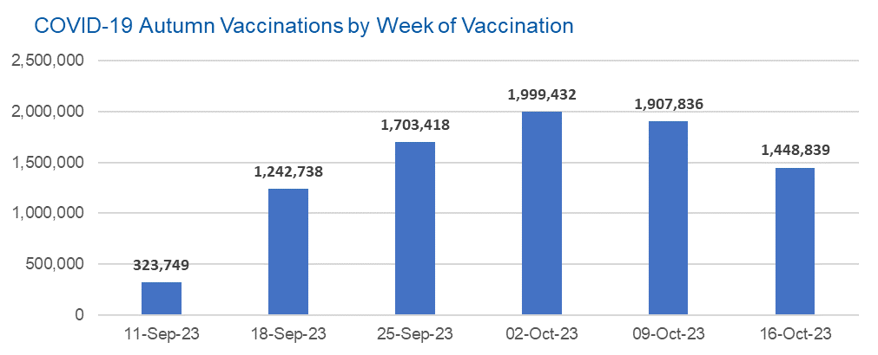

Week Commencing |  | Number of people who have had an Autumn vaccination to date | Cumulative number of people who have had an Autumn vaccination to date
Total |  | 8,626,012 | -
2023-09-11 |  | 323,749 | 323,749
2023-09-18 |  | 1,242,738 | 1,566,487
2023-09-25 |  | 1,703,418 | 3,269,905
2023-10-02 |  | 1,999,432 | 5,269,337
2023-10-09 |  | 1,907,836 | 7,177,173
2023-10-16 |  | 1,448,839 | 8,626,012

Data quality notes: |  |  |  | In the week commencing 16 October 2023, 1,448,839 autumn vaccinations were delivered. This brings the total number of autumn vaccinations delivered to 8,626,012.
1. Data was extracted from the DPS (Data Processing Service) Direct Flow on 25 October 2023.
2. See 'Definitions' tab for more information.

Total vaccinations by week
Title: | COVID-19 Vaccinations by Week of Vaccination
Summary: | The number of COVID-19 vaccinations delivered in England, by week of vaccination.
Period1,2: | 8 December 2020 to 22 October 2023
Source: | DPS (Data Processing Service) Direct Flow, NHS England
Basis: | England
Published: | 26 October 2023
Status: | Published
Definitions: | These figures include all vaccinations administered in England, even if individuals vaccinated do not have an NHS number, are resident outside of England or are no longer alive.
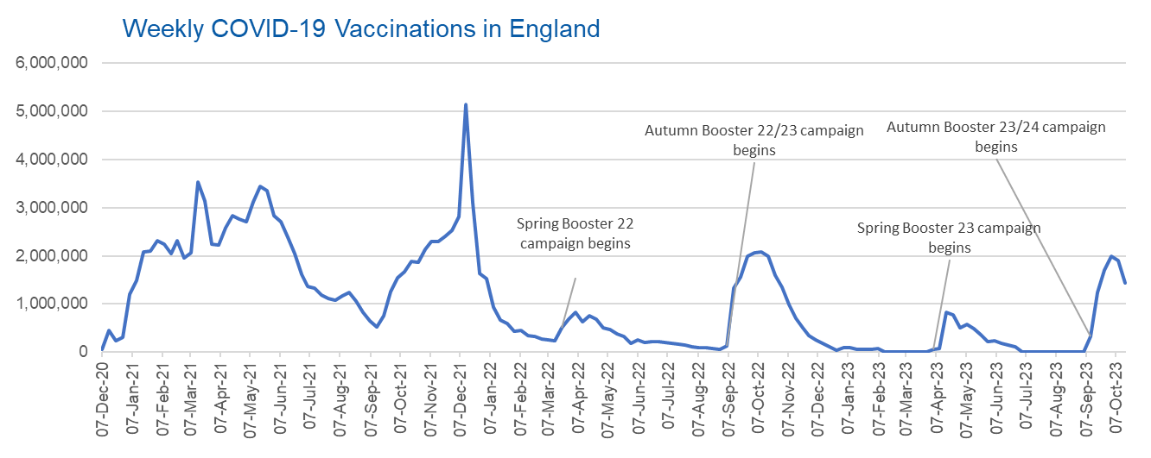

Week Commencing | Number of vaccinations delivered | Cumulative number of vaccinations delivered

Total | 154,276,589 | -
2020-12-07 | 54,723 | 54,723
2020-12-14 | 456,567 | 511,290
2020-12-21 | 243,435 | 754,725
2020-12-28 | 316,408 | 1,071,133
2021-01-04 | 1,213,228 | 2,284,361
2021-01-11 | 1,498,475 | 3,782,836
2021-01-18 | 2,090,106 | 5,872,942
2021-01-25 | 2,093,377 | 7,966,319
2021-02-01 | 2,311,254 | 10,277,573
2021-02-08 | 2,252,306 | 12,529,879
2021-02-15 | 2,050,458 | 14,580,337
2021-02-22 | 2,316,853 | 16,897,190
2021-03-01 | 1,956,570 | 18,853,760 | In the week commencing 16 October 2023, 1,448,839 vaccinations were delivered, taking the total number of COVID-19 vaccinations delivered to 154,276,589.
2021-03-08 | 2,067,365 | 20,921,125
2021-03-15 | 3,529,612 | 24,450,737
2021-03-22 | 3,136,526 | 27,587,263
2021-03-29 | 2,245,628 | 29,832,891
2021-04-05 | 2,221,553 | 32,054,444
2021-04-12 | 2,576,887 | 34,631,331
2021-04-19 | 2,831,907 | 37,463,238
2021-04-26 | 2,760,682 | 40,223,920
2021-05-03 | 2,705,350 | 42,929,270
2021-05-10 | 3,125,421 | 46,054,691
2021-05-17 | 3,447,622 | 49,502,313
2021-05-24 | 3,354,337 | 52,856,650
2021-05-31 | 2,832,945 | 55,689,595
2021-06-07 | 2,714,240 | 58,403,835
2021-06-14 | 2,380,699 | 60,784,534
2021-06-21 | 2,046,790 | 62,831,324
2021-06-28 | 1,625,051 | 64,456,375
2021-07-05 | 1,361,016 | 65,817,391
2021-07-12 | 1,334,617 | 67,152,008
2021-07-19 | 1,190,763 | 68,342,771
2021-07-26 | 1,108,546 | 69,451,317
2021-08-02 | 1,074,816 | 70,526,133
2021-08-09 | 1,175,643 | 71,701,776
2021-08-16 | 1,245,496 | 72,947,272
2021-08-23 | 1,062,843 | 74,010,115
2021-08-30 | 827,788 | 74,837,903
2021-09-06 | 645,920 | 75,483,823
2021-09-13 | 519,854 | 76,003,677
2021-09-20 | 760,143 | 76,763,820
2021-09-27 | 1,261,783 | 78,025,603
2021-10-04 | 1,547,818 | 79,573,421
2021-10-11 | 1,677,086 | 81,250,507
2021-10-18 | 1,884,775 | 83,135,282
2021-10-25 | 1,860,823 | 84,996,105
2021-11-01 | 2,137,731 | 87,133,836
2021-11-08 | 2,290,915 | 89,424,751
2021-11-15 | 2,288,970 | 91,713,721
2021-11-22 | 2,403,162 | 94,116,883
2021-11-29 | 2,527,282 | 96,644,165
2021-12-06 | 2,814,646 | 99,458,811
2021-12-13 | 5,145,127 | 104,603,938
2021-12-20 | 3,107,972 | 107,711,910
2021-12-27 | 1,637,195 | 109,349,105
2022-01-03 | 1,535,294 | 110,884,399
2022-01-10 | 936,744 | 111,821,143
2022-01-17 | 665,264 | 112,486,407
2022-01-24 | 595,793 | 113,082,200
2022-01-31 | 442,802 | 113,525,002
2022-02-07 | 447,060 | 113,972,062
2022-02-14 | 346,933 | 114,318,995
2022-02-21 | 318,437 | 114,637,432
2022-02-28 | 268,529 | 114,905,961
2022-03-07 | 251,545 | 115,157,506
2022-03-14 | 242,117 | 115,399,623
2022-03-21 | 510,314 | 115,909,937
2022-03-28 | 689,364 | 116,599,301
2022-04-04 | 820,308 | 117,419,609
2022-04-11 | 632,675 | 118,052,284
2022-04-18 | 753,184 | 118,805,468
2022-04-25 | 680,452 | 119,485,920
2022-05-02 | 512,430 | 119,998,350
2022-05-09 | 476,303 | 120,474,653
2022-05-16 | 386,678 | 120,861,331
2022-05-23 | 324,510 | 121,185,841
2022-05-30 | 183,950 | 121,369,791
2022-06-06 | 252,102 | 121,621,893
2022-06-13 | 203,888 | 121,825,781
2022-06-20 | 212,731 | 122,038,512
2022-06-27 | 214,414 | 122,252,926
2022-07-04 | 205,202 | 122,458,128
2022-07-11 | 188,828 | 122,646,956
2022-07-18 | 159,521 | 122,806,477
2022-07-25 | 155,178 | 122,961,655
2022-08-01 | 114,793 | 123,076,448
2022-08-08 | 93,980 | 123,170,428
2022-08-15 | 89,115 | 123,259,543
2022-08-22 | 82,027 | 123,341,570
2022-08-29 | 63,555 | 123,405,125
2022-09-05 | 134,332 | 123,539,457
2022-09-12 | 1,327,606 | 124,867,063
2022-09-19 | 1,556,044 | 126,423,107
2022-09-26 | 1,988,163 | 128,411,270
2022-10-03 | 2,067,010 | 130,478,280
2022-10-10 | 2,075,353 | 132,553,633
2022-10-17 | 1,984,893 | 134,538,526
2022-10-24 | 1,592,904 | 136,131,430
2022-10-31 | 1,352,132 | 137,483,562
2022-11-07 | 998,826 | 138,482,388
2022-11-14 | 702,909 | 139,185,297
2022-11-21 | 510,565 | 139,695,862
2022-11-28 | 337,859 | 140,033,721
2022-12-05 | 247,455 | 140,281,176
2022-12-12 | 184,109 | 140,465,285
2022-12-19 | 103,578 | 140,568,863
2022-12-26 | 46,825 | 140,615,688
2023-01-02 | 98,470 | 140,714,158
2023-01-09 | 85,979 | 140,800,137
2023-01-16 | 59,758 | 140,859,895
2023-01-23 | 53,897 | 140,913,792
2023-01-30 | 49,831 | 140,963,623
2023-02-06 | 85,480 | 141,049,103
2023-02-13 | 11,234 | 141,060,337
2023-02-20 | 6,525 | 141,066,862
2023-02-27 | 4,962 | 141,071,824
2023-03-06 | 4,074 | 141,075,898
2023-03-13 | 3,769 | 141,079,667
2023-03-20 | 3,262 | 141,082,929
2023-03-27 | 2,454 | 141,085,383
2023-04-03 | 64,013 | 141,149,396
2023-04-10 | 70,727 | 141,220,123
2023-04-17 | 822,855 | 142,042,978
2023-04-24 | 774,994 | 142,817,972
2023-05-01 | 506,618 | 143,324,590
2023-05-08 | 579,003 | 143,903,593
2023-05-15 | 484,379 | 144,387,972
2023-05-22 | 372,028 | 144,760,000
2023-05-29 | 219,040 | 144,979,040
2023-06-05 | 230,336 | 145,209,376
2023-06-12 | 185,278 | 145,394,654
2023-06-19 | 144,788 | 145,539,442
2023-06-26 | 111,427 | 145,650,869
2023-07-03 | 794 | 145,651,663
2023-07-10 | 300 | 145,651,963
2023-07-17 | 212 | 145,652,175
2023-07-24 | 252 | 145,652,427
2023-07-31 | 196 | 145,652,623
2023-08-07 | 192 | 145,652,815
2023-08-14 | 253 | 145,653,068
2023-08-21 | 299 | 145,653,367
2023-08-28 | 268 | 145,653,635
2023-09-04 | 1,206 | 145,654,841
2023-09-11 | 323,722 | 145,978,563
2023-09-18 | 1,242,609 | 147,221,172
2023-09-25 | 1,702,915 | 148,924,087
2023-10-02 | 1,998,016 | 150,922,103
2023-10-09 | 1,905,647 | 152,827,750
2023-10-16 | 1,448,839 | 154,276,589

Data quality notes:
1. Data was extracted from the DPS (Data Processing Service) Direct Flow on 25 October 2023.
2. Note these figures may be updated as more information becomes available from local systems.
3. Due to a transfer of vaccination data from the National Immunisation Management System (NIMS) to DPS (Data Processing Service) the number of total vaccinations has decreased since our last weekly publication during the spring 2023 campaign on 13 July 2023 and the first weekly publication durirng the autumn campaign on 28 September 2023. This drop in vaccinations is currently under investigation.

