Definitions
Title: | COVID-19 Vaccination Statistics Definitions
Summary: | This file contains information on the number of vaccinations for COVID-19 delivered to English residents and all other individuals who have been vaccinated in England (including those living outside of England). All vaccinations included in this publication were administered during the period specified below and are recorded against the date of vaccination. The source of all vaccination data in this pulication is the National Immunisation Management System (NIMS) database.
Period: | Data to 23 April 2023
Source: | National Immunisation Management System (NIMS)
Basis: | England
Published: | 27 April 2023
Status: | Published

Data Definitions
All data on the number of people vaccinated in this publication are taken from the National Immunisation Management System (NIMS) dataset, unless otherwise specified.
Data marked as 'National Immunisation Management System (NIMS), NHS England' includes any vaccinations given in England, regardless of whether the recipient is alive or resident in England.
Where figures are shown for NHS geographies (region), these are based on the place of residence of the vaccinated individual. The health geographical boundaries used are as defined at July 2022. An individual's NHS region of residence is taken from the NHS Master Patient Index (MPI).
Spring booster definition
The total spring booster figure includes any vaccination with a dose greater than or equal to 3, administered on or after 3 April 2023. This includes a small number of first boosters delivered to those not in an eligible spring booster cohort.
NHS England estimates that approximately 6.6 million people will be eligible for a spring booster during the campaign. This figure includes individuals who are in an eligible cohort and had a second dose vaccination prior to the start of the campaign. Eligible cohorts include care home residents, adults aged 75 and over, and immunosuppressed individuals.
Separate cohort figures are published for individuals in an eligible spring booster cohort:
Aged 75+ - In line with JCVI guidance, age is as at 30 June 2023, as recorded in the MPI. Therefore, some vaccinations delivered to this cohort will be to individuals who have not yet turned 75.
Immunosuppresed (Aged 5-74) - The IS cohort reported in this publication is based on the CaaS cohort definition as outlined in the Green Book (chapter 14). This cohort is a subset of the 'At risk' cohort. Please note that the IS cohort might fluctuate as individuals move in and out of this cohort.
Care home residents are also eligible for a spring booster during the campaign but are not reported on in this publication. Information on care home residents will be published separately.
The figures include any vaccinations delivered in England, regardless of whether the individual is still alive or resident in England. Not all vaccinations delivered up to this date will be included in these figures. At 5 April 2023, 94.5% of vaccinations recorded in the NIMS database were reported within 1 day of being administered and 97.7% of vaccinations were reported within 7 days.
Age definition
In line with JCVI eligibility guidance, age is reported as at 30 June 2023.
Links
Spring 2023 COVID-19 vaccination programme: JCVI advice, 22 February 2023 - GOV.UK (www.gov.uk)
 |  | j

Spring Boosters by Vacc Week
Title: | COVID-19 Spring Booster Vaccinations by Week of Vaccination
Summary: | The number of people who have had a 'Spring Booster' vaccination for COVID-19 in England since the start of the Spring 2023 campaign, by week of vaccination.
Period1: | 3 April 2023 to 23 April 2023
Source: | National Immunisation Management System (NIMS), NHS England
Basis: | England
Published: | 27 April 2023
Status: | Published
Definitions: | The data in this release includes all individuals with a 'Spring Booster' vaccination administered in England, even if individuals are resident outside of England, do not have an NHS number or are no longer alive. This includes vaccinations administered as part of clinical trials.

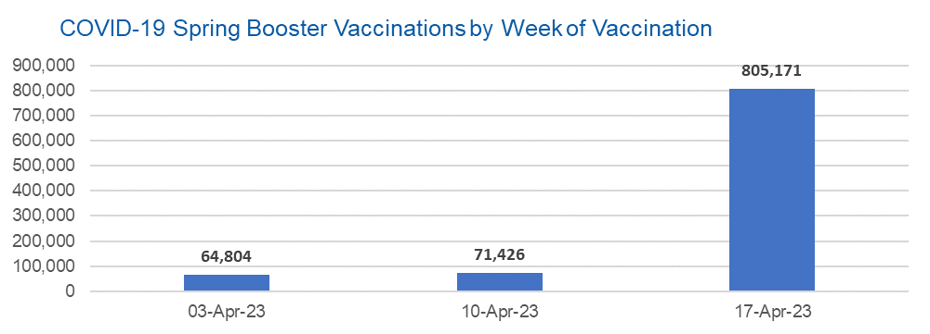

Week Commencing |  | Number of people who have had a spring booster vaccination | Cumulative number of people who have had a spring booster vaccination
Total |  | 941,401 | -
2023-04-03 |  | 64,804 | 64,804
2023-04-10 |  | 71,426 | 136,230
2023-04-17 |  | 805,171 | 941,401

Data quality notes:
1. Data was extracted from the National Immunisation Management System on 25 April 2023.
2. See 'Definitions' tab for more information. |  |  |  | In the week commencing 17 April 2023, 805,171 spring booster vaccinations were delivered. This brings the total spring booster vaccinations delivered to 941,401.

Total by Vaccination Week
Title: | COVID-19 Vaccinations by Week of Vaccination
Summary: | The number of COVID-19 vaccinations delivered in England, by week of vaccination.
Period1,2: | 8 December 2020 to 23 April 2023
Source: | National Immunisation Management System (NIMS), NHS England
Basis: | England
Published: | 27 April 2023
Status: | Published
Definitions: | These figures include all vaccinations administered in England, even if individuals vaccinated do not have an NHS number, are resident outside of England or are no longer alive.

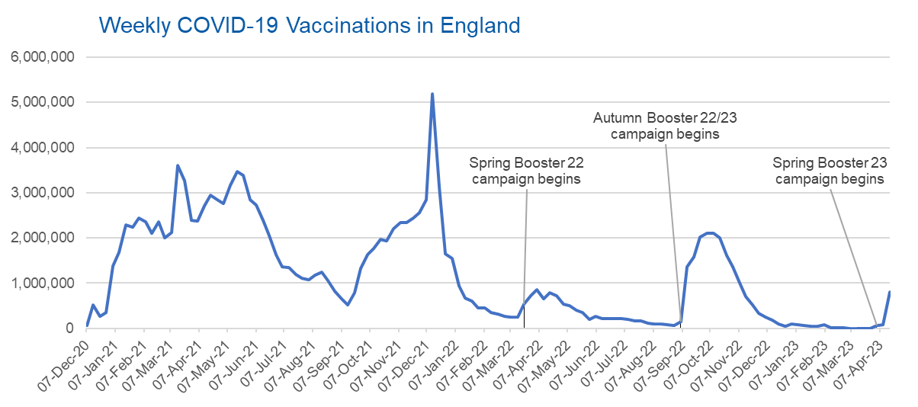
Week Commencing | Number of vaccinations delivered | Cumulative number of vaccinations delivered

Total | 145,761,115 | -
2020-12-07 | 57,766 | 57,766
2020-12-14 | 527,408 | 585,174
2020-12-21 | 272,879 | 858,053
2020-12-28 | 355,660 | 1,213,713
2021-01-04 | 1,370,966 | 2,584,679
2021-01-11 | 1,675,486 | 4,260,165
2021-01-18 | 2,284,787 | 6,544,952
2021-01-25 | 2,241,187 | 8,786,139
2021-02-01 | 2,440,212 | 11,226,351
2021-02-08 | 2,351,860 | 13,578,211
2021-02-15 | 2,096,742 | 15,674,953
2021-02-22 | 2,358,252 | 18,033,205
2021-03-01 | 2,002,611 | 20,035,816 | In the week commencing 17 April 23, 810,039 vaccinations were delivered, taking the total number of COVID-19 vaccinations delivered to 145,761,115.
2021-03-08 | 2,118,620 | 22,154,436
2021-03-15 | 3,599,792 | 25,754,228
2021-03-22 | 3,268,936 | 29,023,164
2021-03-29 | 2,389,575 | 31,412,739
2021-04-05 | 2,371,682 | 33,784,421
2021-04-12 | 2,708,709 | 36,493,130
2021-04-19 | 2,942,546 | 39,435,676
2021-04-26 | 2,841,346 | 42,277,022
2021-05-03 | 2,753,911 | 45,030,933
2021-05-10 | 3,165,013 | 48,195,946
2021-05-17 | 3,477,295 | 51,673,241
2021-05-24 | 3,378,631 | 55,051,872
2021-05-31 | 2,849,437 | 57,901,309
2021-06-07 | 2,728,961 | 60,630,270
2021-06-14 | 2,391,118 | 63,021,388
2021-06-21 | 2,055,042 | 65,076,430
2021-06-28 | 1,631,332 | 66,707,762
2021-07-05 | 1,366,254 | 68,074,016
2021-07-12 | 1,339,353 | 69,413,369
2021-07-19 | 1,194,692 | 70,608,061
2021-07-26 | 1,112,158 | 71,720,219
2021-08-02 | 1,077,911 | 72,798,130
2021-08-09 | 1,178,252 | 73,976,382
2021-08-16 | 1,248,165 | 75,224,547
2021-08-23 | 1,065,175 | 76,289,722
2021-08-30 | 829,509 | 77,119,231
2021-09-06 | 647,472 | 77,766,703
2021-09-13 | 522,761 | 78,289,464
2021-09-20 | 784,609 | 79,074,073
2021-09-27 | 1,321,778 | 80,395,851
2021-10-04 | 1,626,101 | 82,021,952
2021-10-11 | 1,760,466 | 83,782,418
2021-10-18 | 1,971,082 | 85,753,500
2021-10-25 | 1,933,800 | 87,687,300
2021-11-01 | 2,202,826 | 89,890,126
2021-11-08 | 2,347,306 | 92,237,432
2021-11-15 | 2,335,827 | 94,573,259
2021-11-22 | 2,443,953 | 97,017,212
2021-11-29 | 2,563,215 | 99,580,427
2021-12-06 | 2,844,829 | 102,425,256
2021-12-13 | 5,182,643 | 107,607,899
2021-12-20 | 3,133,014 | 110,740,913
2021-12-27 | 1,646,393 | 112,387,306
2022-01-03 | 1,545,283 | 113,932,589
2022-01-10 | 945,507 | 114,878,096
2022-01-17 | 671,741 | 115,549,837
2022-01-24 | 602,159 | 116,151,996
2022-01-31 | 447,445 | 116,599,441
2022-02-07 | 454,345 | 117,053,786
2022-02-14 | 352,466 | 117,406,252
2022-02-21 | 323,486 | 117,729,738
2022-02-28 | 272,444 | 118,002,182
2022-03-07 | 254,919 | 118,257,101
2022-03-14 | 245,339 | 118,502,440
2022-03-21 | 528,399 | 119,030,839
2022-03-28 | 719,415 | 119,750,254
2022-04-04 | 859,001 | 120,609,255
2022-04-11 | 662,148 | 121,271,403
2022-04-18 | 786,432 | 122,057,835
2022-04-25 | 718,501 | 122,776,336
2022-05-02 | 538,150 | 123,314,486
2022-05-09 | 503,600 | 123,818,086
2022-05-16 | 408,937 | 124,227,023
2022-05-23 | 343,357 | 124,570,380
2022-05-30 | 192,022 | 124,762,402
2022-06-06 | 264,390 | 125,026,792
2022-06-13 | 214,200 | 125,240,992
2022-06-20 | 222,210 | 125,463,202
2022-06-27 | 221,948 | 125,685,150
2022-07-04 | 210,236 | 125,895,386
2022-07-11 | 192,813 | 126,088,199
2022-07-18 | 162,366 | 126,250,565
2022-07-25 | 157,583 | 126,408,148
2022-08-01 | 116,353 | 126,524,501
2022-08-08 | 95,152 | 126,619,653
2022-08-15 | 89,995 | 126,709,648
2022-08-22 | 82,667 | 126,792,315
2022-08-29 | 63,967 | 126,856,282
2022-09-05 | 143,767 | 127,000,049
2022-09-12 | 1,361,942 | 128,361,991
2022-09-19 | 1,589,847 | 129,951,838
2022-09-26 | 2,026,129 | 131,977,967
2022-10-03 | 2,102,961 | 134,080,928
2022-10-10 | 2,108,454 | 136,189,382
2022-10-17 | 2,010,659 | 138,200,041
2022-10-24 | 1,608,320 | 139,808,361
2022-10-31 | 1,365,302 | 141,173,663
2022-11-07 | 1,008,986 | 142,182,649
2022-11-14 | 710,611 | 142,893,260
2022-11-21 | 516,162 | 143,409,422
2022-11-28 | 341,861 | 143,751,283
2022-12-05 | 250,301 | 144,001,584
2022-12-12 | 186,159 | 144,187,743
2022-12-19 | 104,706 | 144,292,449
2022-12-26 | 47,084 | 144,339,533
2023-01-02 | 99,015 | 144,438,548
2023-01-09 | 86,283 | 144,524,831
2023-01-16 | 60,137 | 144,584,968
2023-01-23 | 54,257 | 144,639,225
2023-01-30 | 50,112 | 144,689,337
2023-02-06 | 85,844 | 144,775,181
2023-02-13 | 11,275 | 144,786,456
2023-02-20 | 6,539 | 144,792,995
2023-02-27 | 4,972 | 144,797,967
2023-03-06 | 4,078 | 144,802,045
2023-03-13 | 3,767 | 144,805,812
2023-03-20 | 3,222 | 144,809,034
2023-03-27 | 2,081 | 144,811,115
2023-04-03 | 66,710 | 144,877,825
2023-04-10 | 73,251 | 144,951,076
2023-04-17 | 810,039 | 145,761,115

Data quality notes:
1. Data was extracted from the National Immunisation Management System on 25 April 2023.
2. Note these figures may be updated as more information becomes available from local systems.

