Definitions
Title: | COVID-19 Vaccination Statistics Definitions
Summary: | This file contains information on the number of vaccinations for COVID-19 delivered to English residents and all other individuals who have been vaccinated in England (including those living outside of England). All vaccinations included in this publication were administered during the period specified below and are recorded against the date of vaccination. The source of all vaccination data in this publication is DPS (Data Processing Service) Direct Flow.
Period: | Data to 24 December 2023
Source: | DPS (Data Processing Service) Direct Flow, NHS England
Basis: | England
Published: | 28 December 2023
Status: | Published

Data Definitions
All data on the number of people vaccinated in this publication are taken from DPS (Data Processing Service) Direct Flow, unless otherwise specified. This was previously the National Immunisation Management System (NIMS).
Data marked as DPS (Data Processing Service) Direct Flow NHS England' includes any vaccinations given in England, regardless of whether the recipient is alive or resident in England.
Where figures are shown for NHS geographies (region), these are based on the place of residence of the vaccinated individual. The health geographical boundaries used are defined as at July 2023.
Autumn 2023/24 vaccinations definition
The total autumn vaccinations figure includes any vaccination administered after the start of the autumn campaign on 11 September 2023 to any individuals in an eligible cohort.
NHS England estimates that approximately 21.5 million people will be eligible for an autumn booster during the campaign. This figure includes individuals who are in an eligible cohort and had a first dose vaccination prior to the start of the campaign. Eligible cohorts we report in this publication include adults aged 65 and over, immunosuppressed individuals aged 5 to 64, individuals in a clinical risk group aged 5 to 64 and frontline healthcare workers. There are approximately 25.5 million people that are in an eligible cohort.
Separate cohort figures are published for individuals in an eligible autumn vaccination cohorts:
Aged 65+ - In line with JCVI guidance, age is as at 31 March 2024, as recorded in the Master Patient Index. Therefore, some vaccinations delivered to this cohort will be to individuals who have not yet turned 65.
Immunosuppressed (aged 5-64) - The Immunosuppressed (IS) cohort reported in this publication is based on the CaaS cohort definition as outlined in the Green Book (chapter 14). This cohort is a subset of the 'in a clinical risk group' cohort. Please note that the IS cohort might fluctuate as individuals move in and out of this cohort.
In a clinical risk group (aged 5-64) - The 'in a clinical risk group' cohort reported in this publication is based on the CaaS cohort definition as outlined in the Green Book (chapter 14). Please note that the in a clinical at risk cohort might fluctuate as individuals move in and out of this cohort.
Frontline healthcare workers - These figures represent only those NHS healthcare workers who appear in the NHS Electronic Staff Record (ESR), were employed by an NHS Trust as at the extract date and are in an occupational group designated as a frontline healthcare worker. This covers directly employed staff in NHS Trusts who are paid through ESR, which will include some NHS Bank staff. The figures do not include data on staff that are not paid through ESR, or staff on ESR who could not be matched to DPS. It also does not include data on primary care staff or social care workers.
Care home residents are also eligible for an autumn vaccination during the campaign but are not reported in this publication. Information on care home residents will be published separately.
The figures include any vaccinations delivered in England, regardless of whether the individual is still alive or resident in England. Not all vaccinations delivered up to this date will be included in these figures. At 4 December 2023, 94.8% of vaccinations recorded in the DPS Direct Flow database were reported within 1 day of being administered and 97.9% of vaccinations were reported within 7 days.
Age definition
Age is as at the end of March 2024, as recorded in the Master Patient Index (MPI). This is to ensure vaccinations delivered to 64 year olds will be counted in this figure if they turn 65 by the end of March. Vaccinations to children will be counted as an autumn vaccination if they turn 5 before the start of the campaign on 11 September 2023 and are in an eligible cohort.
 |  | j

Links
JCVI advises on eligible groups for 2023 autumn booster - GOV.UK (www.gov.uk)

Autumn vaccinations by week
Title: | COVID-19 Autumn Vaccinations by Week of Vaccination
Summary: | The number of people who have had a 'Autumn' vaccination for COVID-19 in England since the start of the Autumn 2023 campaign, by week of vaccination.
Period1: | 11 September 2023 to 24 December 2023
Source: | DPS (Data Processing Service) Direct Flow, NHS England
Basis: | England
Published: | 28 December 2023
Status: | Published
Definitions: | The data in this release includes all individuals with a 'Autumn' vaccination administered in England, even if individuals are resident outside of England, do not have an NHS number or are no longer alive. This includes vaccinations administered as part of clinical trials.

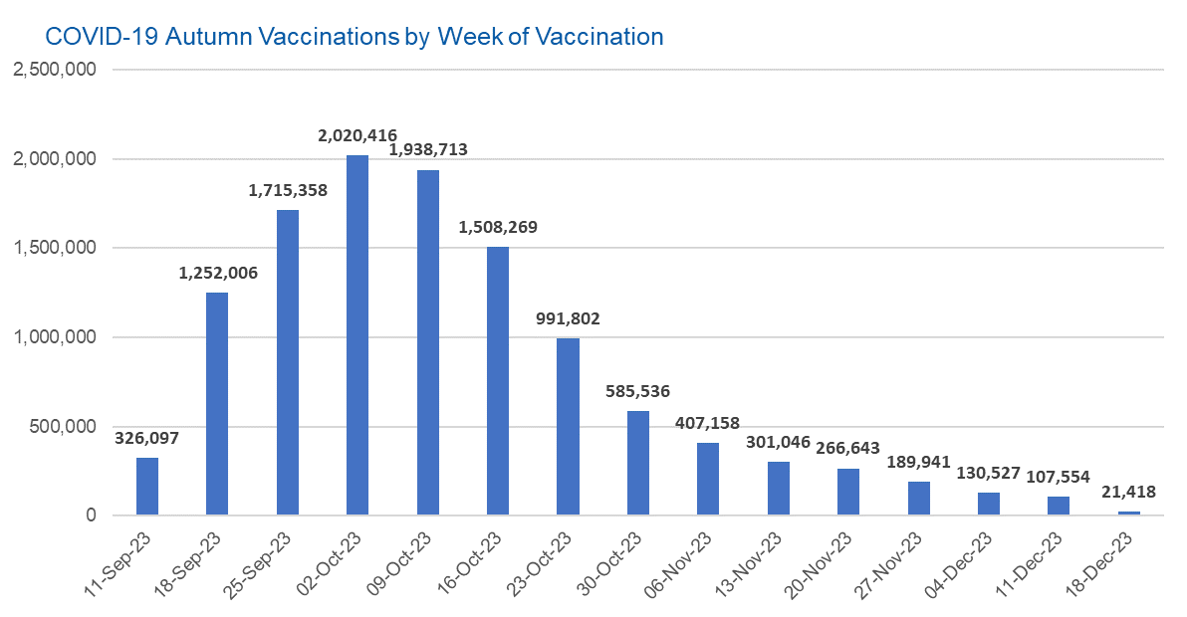

Week Commencing |  | Number of people who have had an Autumn vaccination to date | Cumulative number of people who have had an Autumn vaccination to date
Total |  | 11,762,484 | -
2023-09-11 |  | 326,097 | 326,097
2023-09-18 |  | 1,252,006 | 1,578,103
2023-09-25 |  | 1,715,358 | 3,293,461
2023-10-02 |  | 2,020,416 | 5,313,877
2023-10-09 |  | 1,938,713 | 7,252,590
2023-10-16 |  | 1,508,269 | 8,760,859
2023-10-23 |  | 991,802 | 9,752,661
2023-10-30 |  | 585,536 | 10,338,197
2023-11-06 |  | 407,158 | 10,745,355
2023-11-13 |  | 301,046 | 11,046,401
2023-11-20 |  | 266,643 | 11,313,044
2023-11-27 |  | 189,941 | 11,502,985
2023-12-04 |  | 130,527 | 11,633,512
2023-12-11 |  | 107,554 | 11,741,066
2023-12-18 |  | 21,418 | 11,762,484
 |  |  |  | In the week commencing 18 December 2023, 21,418 autumn vaccinations were delivered. This brings the total number of autumn vaccinations delivered to 11,762,484.
Data quality notes:
1. Data was extracted from the DPS (Data Processing Service) Direct Flow on 27 December 2023.
2. See 'Definitions' tab for more information.

Total vaccinations by week
Title: | COVID-19 Vaccinations by Week of Vaccination
Summary: | The number of COVID-19 vaccinations delivered in England, by week of vaccination.
Period1,2: | 8 December 2020 to 24 December 2023
Source: | DPS (Data Processing Service) Direct Flow, NHS England
Basis: | England
Published: | 28 December 2023
Status: | Published
Definitions: | These figures include all vaccinations administered in England, even if individuals vaccinated do not have an NHS number, are resident outside of England or are no longer alive.
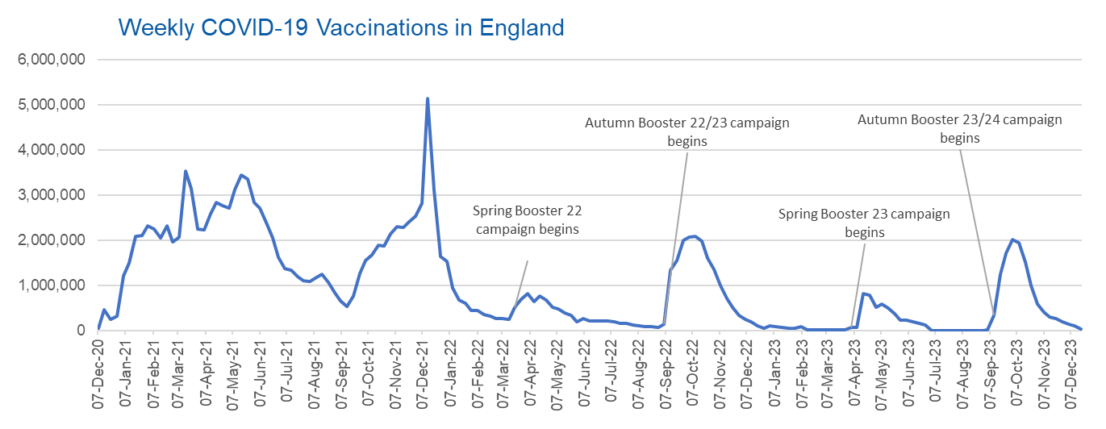

Week Commencing | Number of vaccinations delivered | Cumulative number of vaccinations delivered

Total | 157,415,670 | -
2020-12-07 | 54,722 | 54,722
2020-12-14 | 456,562 | 511,284
2020-12-21 | 243,431 | 754,715
2020-12-28 | 316,404 | 1,071,119
2021-01-04 | 1,213,211 | 2,284,330
2021-01-11 | 1,498,456 | 3,782,786
2021-01-18 | 2,090,084 | 5,872,870
2021-01-25 | 2,093,364 | 7,966,234
2021-02-01 | 2,311,243 | 10,277,477
2021-02-08 | 2,252,282 | 12,529,759
2021-02-15 | 2,050,449 | 14,580,208
2021-02-22 | 2,316,841 | 16,897,049
2021-03-01 | 1,956,558 | 18,853,607 | In the week commencing 18 December 2023, 21,418 vaccinations were delivered, taking the total number of COVID-19 vaccinations delivered to 157,415,670.
2021-03-08 | 2,067,347 | 20,920,954
2021-03-15 | 3,529,596 | 24,450,550
2021-03-22 | 3,136,500 | 27,587,050
2021-03-29 | 2,245,609 | 29,832,659
2021-04-05 | 2,221,533 | 32,054,192
2021-04-12 | 2,576,869 | 34,631,061
2021-04-19 | 2,831,897 | 37,462,958
2021-04-26 | 2,760,662 | 40,223,620
2021-05-03 | 2,705,335 | 42,928,955
2021-05-10 | 3,125,408 | 46,054,363
2021-05-17 | 3,447,600 | 49,501,963
2021-05-24 | 3,354,310 | 52,856,273
2021-05-31 | 2,832,906 | 55,689,179
2021-06-07 | 2,714,210 | 58,403,389
2021-06-14 | 2,380,675 | 60,784,064
2021-06-21 | 2,046,773 | 62,830,837
2021-06-28 | 1,625,038 | 64,455,875
2021-07-05 | 1,361,006 | 65,816,881
2021-07-12 | 1,334,606 | 67,151,487
2021-07-19 | 1,190,750 | 68,342,237
2021-07-26 | 1,108,538 | 69,450,775
2021-08-02 | 1,074,791 | 70,525,566
2021-08-09 | 1,175,616 | 71,701,182
2021-08-16 | 1,245,475 | 72,946,657
2021-08-23 | 1,062,815 | 74,009,472
2021-08-30 | 827,768 | 74,837,240
2021-09-06 | 645,914 | 75,483,154
2021-09-13 | 519,844 | 76,002,998
2021-09-20 | 760,123 | 76,763,121
2021-09-27 | 1,261,750 | 78,024,871
2021-10-04 | 1,547,771 | 79,572,642
2021-10-11 | 1,677,047 | 81,249,689
2021-10-18 | 1,884,740 | 83,134,429
2021-10-25 | 1,860,781 | 84,995,210
2021-11-01 | 2,137,684 | 87,132,894
2021-11-08 | 2,290,854 | 89,423,748
2021-11-15 | 2,288,906 | 91,712,654
2021-11-22 | 2,403,110 | 94,115,764
2021-11-29 | 2,527,229 | 96,642,993
2021-12-06 | 2,814,597 | 99,457,590
2021-12-13 | 5,145,028 | 104,602,618
2021-12-20 | 3,107,921 | 107,710,539
2021-12-27 | 1,637,168 | 109,347,707
2022-01-03 | 1,535,271 | 110,882,978
2022-01-10 | 936,731 | 111,819,709
2022-01-17 | 665,252 | 112,484,961
2022-01-24 | 595,778 | 113,080,739
2022-01-31 | 442,797 | 113,523,536
2022-02-07 | 447,054 | 113,970,590
2022-02-14 | 346,951 | 114,317,541
2022-02-21 | 318,460 | 114,636,001
2022-02-28 | 268,551 | 114,904,552
2022-03-07 | 251,559 | 115,156,111
2022-03-14 | 242,112 | 115,398,223
2022-03-21 | 510,312 | 115,908,535
2022-03-28 | 689,368 | 116,597,903
2022-04-04 | 820,319 | 117,418,222
2022-04-11 | 632,715 | 118,050,937
2022-04-18 | 753,159 | 118,804,096
2022-04-25 | 680,439 | 119,484,535
2022-05-02 | 512,418 | 119,996,953
2022-05-09 | 476,293 | 120,473,246
2022-05-16 | 386,671 | 120,859,917
2022-05-23 | 324,504 | 121,184,421
2022-05-30 | 183,948 | 121,368,369
2022-06-06 | 252,123 | 121,620,492
2022-06-13 | 203,888 | 121,824,380
2022-06-20 | 212,723 | 122,037,103
2022-06-27 | 214,409 | 122,251,512
2022-07-04 | 205,197 | 122,456,709
2022-07-11 | 188,824 | 122,645,533
2022-07-18 | 159,521 | 122,805,054
2022-07-25 | 155,175 | 122,960,229
2022-08-01 | 114,792 | 123,075,021
2022-08-08 | 93,978 | 123,168,999
2022-08-15 | 89,114 | 123,258,113
2022-08-22 | 82,024 | 123,340,137
2022-08-29 | 63,554 | 123,403,691
2022-09-05 | 134,329 | 123,538,020
2022-09-12 | 1,327,579 | 124,865,599
2022-09-19 | 1,556,002 | 126,421,601
2022-09-26 | 1,988,112 | 128,409,713
2022-10-03 | 2,066,932 | 130,476,645
2022-10-10 | 2,075,275 | 132,551,920
2022-10-17 | 1,984,834 | 134,536,754
2022-10-24 | 1,592,871 | 136,129,625
2022-10-31 | 1,352,107 | 137,481,732
2022-11-07 | 998,798 | 138,480,530
2022-11-14 | 702,889 | 139,183,419
2022-11-21 | 510,554 | 139,693,973
2022-11-28 | 337,857 | 140,031,830
2022-12-05 | 247,456 | 140,279,286
2022-12-12 | 184,102 | 140,463,388
2022-12-19 | 103,579 | 140,566,967
2022-12-26 | 46,824 | 140,613,791
2023-01-02 | 98,470 | 140,712,261
2023-01-09 | 85,976 | 140,798,237
2023-01-16 | 59,755 | 140,857,992
2023-01-23 | 53,894 | 140,911,886
2023-01-30 | 49,829 | 140,961,715
2023-02-06 | 85,479 | 141,047,194
2023-02-13 | 11,234 | 141,058,428
2023-02-20 | 6,524 | 141,064,952
2023-02-27 | 4,962 | 141,069,914
2023-03-06 | 4,074 | 141,073,988
2023-03-13 | 3,769 | 141,077,757
2023-03-20 | 3,262 | 141,081,019
2023-03-27 | 2,455 | 141,083,474
2023-04-03 | 64,013 | 141,147,487
2023-04-10 | 70,727 | 141,218,214
2023-04-17 | 822,857 | 142,041,071
2023-04-24 | 775,181 | 142,816,252
2023-05-01 | 506,646 | 143,322,898
2023-05-08 | 579,010 | 143,901,908
2023-05-15 | 484,378 | 144,386,286
2023-05-22 | 372,029 | 144,758,315
2023-05-29 | 219,040 | 144,977,355
2023-06-05 | 230,339 | 145,207,694
2023-06-12 | 185,280 | 145,392,974
2023-06-19 | 144,788 | 145,537,762
2023-06-26 | 111,429 | 145,649,191
2023-07-03 | 795 | 145,649,986
2023-07-10 | 301 | 145,650,287
2023-07-17 | 212 | 145,650,499
2023-07-24 | 252 | 145,650,751
2023-07-31 | 199 | 145,650,950
2023-08-07 | 193 | 145,651,143
2023-08-14 | 253 | 145,651,396
2023-08-21 | 301 | 145,651,697
2023-08-28 | 272 | 145,651,969
2023-09-04 | 1,217 | 145,653,186
2023-09-11 | 326,097 | 145,979,283
2023-09-18 | 1,252,006 | 147,231,289
2023-09-25 | 1,715,358 | 148,946,647
2023-10-02 | 2,020,416 | 150,967,063
2023-10-09 | 1,938,713 | 152,905,776
2023-10-16 | 1,508,269 | 154,414,045
2023-10-23 | 991,802 | 155,405,847
2023-10-30 | 585,536 | 155,991,383
2023-11-06 | 407,158 | 156,398,541
2023-11-13 | 301,046 | 156,699,587
2023-11-20 | 266,643 | 156,966,230
2023-11-27 | 189,941 | 157,156,171
2023-12-04 | 130,527 | 157,286,698
2023-12-11 | 107,554 | 157,394,252
2023-12-18 | 21,418 | 157,415,670

Data quality notes:
1. Data was extracted from the DPS (Data Processing Service) Direct Flow on 27 December 2023.
2. Note these figures may be updated as more information becomes available from local systems.
3. Due to a transfer of vaccination data from the National Immunisation Management System (NIMS) to DPS (Data Processing Service) the number of total vaccinations decreased when comparing our last weekly publication during the spring 2023 campaign on 13 July 2023 and the first weekly publication during the autumn campaign on 28 September 2023. This drop in vaccinations is under investigation.

