Definitions
Title: | COVID-19 Vaccination Statistics Definitions
Summary: | This file contains information on the number of vaccinations for COVID-19 delivered to English residents and all other individuals who have been vaccinated in England (including those living outside of England). All vaccinations included in this publication were administered during the period specified below and are recorded against the date of vaccination. The source of all vaccination data in this publication is DPS (Data Processing Service) Direct Flow.
Period: | Data to 24 September 2023
Source: | DPS (Data Processing Service) Direct Flow, NHS England
Basis: | England
Published: | 28 September 2023
Status: | Published

Data Definitions
All data on the number of people vaccinated in this publication are taken from DPS (Data Processing Service) Direct Flow, unless otherwise specified. This was previously the National Immunisation Management System (NIMS).
Data marked as DPS (Data Processing Service) Direct Flow NHS England' includes any vaccinations given in England, regardless of whether the recipient is alive or resident in England.
Where figures are shown for NHS geographies (region), these are based on the place of residence of the vaccinated individual. The health geographical boundaries used are defined as at July 2023.
Autumn 2023/24 vaccinations definition
The total autumn vaccinations figure includes any vaccination administered after the start of the autumn campaign on 11 September 2023 to any individuals in an eligible cohort.
NHS England estimates that approximately 21.5 million people will be eligible for an autumn vaccination during the campaign. This figure includes individuals who are in an eligible cohort and had a first dose vaccination prior to the start of the campaign. Eligible cohorts we report in this publication include adults aged 65 and over, immunosuppressed individuals aged 5 to 64, individuals in a clinical risk group aged 5 to 64 and frontline healthcare workers. There are approximately 25.5 million people that are in an eligible cohort.
Separate cohort figures are published for individuals in an eligible autumn vaccination cohorts:
Aged 65+ - In line with JCVI guidance, age is as at 31 March 2024, as recorded in the Master Patient Index. Therefore, some vaccinations delivered to this cohort will be to individuals who have not yet turned 65.
Immunosuppressed (aged 5-64) - The Immunosuppressed (IS) cohort reported in this publication is based on the CaaS cohort definition as outlined in the Green Book (chapter 14). This cohort is a subset of the 'in a clinical risk group' cohort. Please note that the IS cohort might fluctuate as individuals move in and out of this cohort.
In a clinical risk group (aged 5-64) - The 'in a clinical risk group' cohort reported in this publication is based on the CaaS cohort definition as outlined in the Green Book (chapter 14). Please note that the in a clinical at risk cohort might fluctuate as individuals move in and out of this cohort.
Frontline healthcare workers - These figures represent only those NHS healthcare workers who appear in the NHS Electronic Staff Record (ESR), were employed by an NHS Trust as at the extract date and are in an occupational group designated as a frontline healthcare worker. This covers directly employed staff in NHS Trusts who are paid through ESR, which will include some NHS Bank staff. The figures do not include data on staff that are not paid through ESR, or staff on ESR who could not be matched to DPS. It also does not include data on primary care staff or social care workers.
Care home residents are also eligible for an autumn vaccination during the campaign but are not reported in this publication. Information on care home residents will be published separately.
The figures include any vaccinations delivered in England, regardless of whether the individual is still alive or resident in England. Not all vaccinations delivered up to this date will be included in these figures. At 21 September 2023, 95.0% of vaccinations recorded in the DPS database were reported within 1 day of being administered and 97.9% of vaccinations were reported within 7 days.
Age definition
Age is as at the end of March 2024, as recorded in the Master Patient Index (MPI). This is to ensure vaccinations delivered to 64 year olds will be counted in this figure if they turn 65 by the end of March. Vaccinations to children will be counted as an autumn vaccination if they turn 5 before the start of the campaign on 11 September 2023 and are in an eligible cohort.
 |  | j

Links
JCVI advises on eligible groups for 2023 autumn booster - GOV.UK (www.gov.uk)

Autumn vaccinations by week
Title: | COVID-19 Autumn Vaccinations by Week of Vaccination
Summary: | The number of people who have had a 'Autumn' vaccination for COVID-19 in England since the start of the Autumn 2023 campaign, by week of vaccination.
Period1: | 11 September 2023 to 24 September 2023
Source: | DPS (Data Processing Service) Direct Flow, NHS England
Basis: | England
Published: | 28 September 2023
Status: | Published
Definitions: | The data in this release includes all individuals with a 'Autumn' vaccination administered in England, even if individuals are resident outside of England, do not have an NHS number or are no longer alive. This includes vaccinations administered as part of clinical trials.

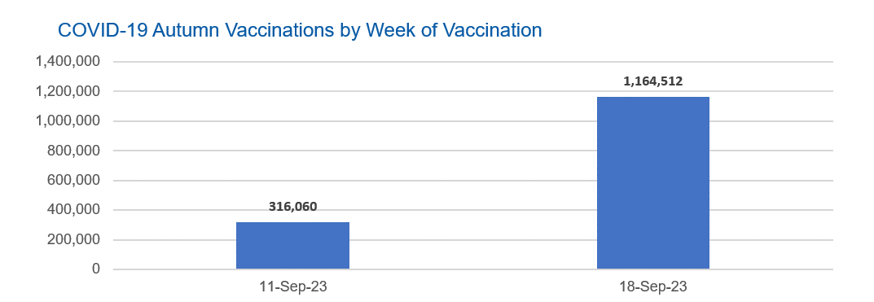

Week Commencing |  | Number of people who have had an Autumn vaccination to date | Cumulative number of people who have had an Autumn vaccination to date
Total |  | 1,480,572 | -
2023-09-11 |  | 316,060 | 316,060
2023-09-18 |  | 1,164,512 | 1,480,572

Data quality notes: |  |  |  | In the week commencing 18 September 2023, 1,164,512 autumn vaccinations were delivered. This brings the total number of autumn vaccinations delivered to 1,480,572.
1. Data was extracted from the DPS (Data Processing Service) Direct Flow on 26 September 2023.
2. See 'Definitions' tab for more information.

Total vaccinations by week
Title: | COVID-19 Vaccinations by Week of Vaccination
Summary: | The number of COVID-19 vaccinations delivered in England, by week of vaccination.
Period1,2: | 8 December 2020 to 24 September 2023
Source: | DPS (Data Processing Service) Direct Flow, NHS England
Basis: | England
Published: | 28 September 2023
Status: | Published
Definitions: | These figures include all vaccinations administered in England, even if individuals vaccinated do not have an NHS number, are resident outside of England or are no longer alive.

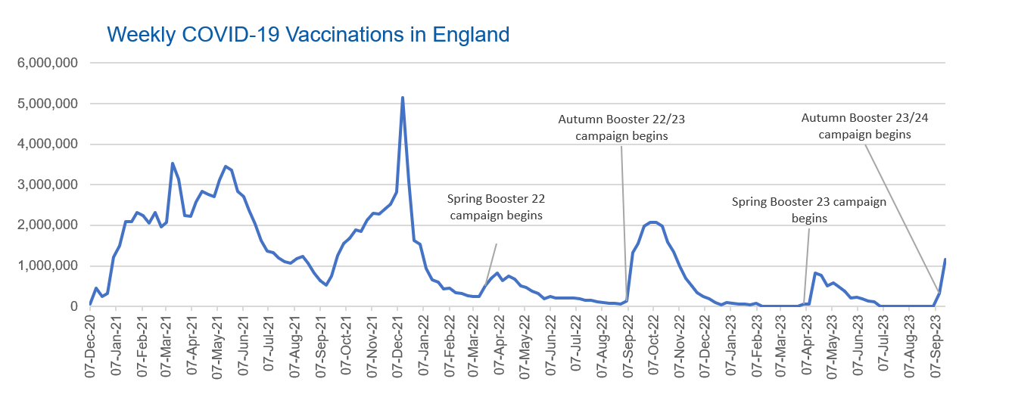
Week Commencing | Number of vaccinations delivered | Cumulative number of vaccinations delivered

Total | 147,136,180 | -
2020-12-07 | 54,726 | 54,726
2020-12-14 | 456,573 | 511,299
2020-12-21 | 243,436 | 754,735
2020-12-28 | 316,415 | 1,071,150
2021-01-04 | 1,213,241 | 2,284,391
2021-01-11 | 1,498,487 | 3,782,878
2021-01-18 | 2,090,116 | 5,872,994
2021-01-25 | 2,093,389 | 7,966,383
2021-02-01 | 2,311,260 | 10,277,643
2021-02-08 | 2,252,320 | 12,529,963
2021-02-15 | 2,050,467 | 14,580,430
2021-02-22 | 2,316,858 | 16,897,288
2021-03-01 | 1,956,574 | 18,853,862 | In the week commencing 18 September 2023, 1,164,512 COVID vaccinations were delivered, taking the total number of vaccinations to 147,136,180.
2021-03-08 | 2,067,370 | 20,921,232
2021-03-15 | 3,529,623 | 24,450,855
2021-03-22 | 3,136,541 | 27,587,396
2021-03-29 | 2,245,637 | 29,833,033
2021-04-05 | 2,221,568 | 32,054,601
2021-04-12 | 2,576,896 | 34,631,497
2021-04-19 | 2,831,919 | 37,463,416
2021-04-26 | 2,760,696 | 40,224,112
2021-05-03 | 2,705,361 | 42,929,473
2021-05-10 | 3,125,430 | 46,054,903
2021-05-17 | 3,447,631 | 49,502,534
2021-05-24 | 3,354,350 | 52,856,884
2021-05-31 | 2,832,955 | 55,689,839
2021-06-07 | 2,714,260 | 58,404,099
2021-06-14 | 2,380,713 | 60,784,812
2021-06-21 | 2,046,810 | 62,831,622
2021-06-28 | 1,625,070 | 64,456,692
2021-07-05 | 1,361,029 | 65,817,721
2021-07-12 | 1,334,627 | 67,152,348
2021-07-19 | 1,190,772 | 68,343,120
2021-07-26 | 1,108,553 | 69,451,673
2021-08-02 | 1,074,821 | 70,526,494
2021-08-09 | 1,175,657 | 71,702,151
2021-08-16 | 1,245,507 | 72,947,658
2021-08-23 | 1,062,854 | 74,010,512
2021-08-30 | 827,800 | 74,838,312
2021-09-06 | 645,937 | 75,484,249
2021-09-13 | 519,861 | 76,004,110
2021-09-20 | 760,155 | 76,764,265
2021-09-27 | 1,261,802 | 78,026,067
2021-10-04 | 1,547,853 | 79,573,920
2021-10-11 | 1,677,114 | 81,251,034
2021-10-18 | 1,884,800 | 83,135,834
2021-10-25 | 1,860,856 | 84,996,690
2021-11-01 | 2,137,777 | 87,134,467
2021-11-08 | 2,290,947 | 89,425,414
2021-11-15 | 2,289,000 | 91,714,414
2021-11-22 | 2,403,189 | 94,117,603
2021-11-29 | 2,527,306 | 96,644,909
2021-12-06 | 2,814,667 | 99,459,576
2021-12-13 | 5,145,178 | 104,604,754
2021-12-20 | 3,108,008 | 107,712,762
2021-12-27 | 1,637,208 | 109,349,970
2022-01-03 | 1,535,308 | 110,885,278
2022-01-10 | 936,756 | 111,822,034
2022-01-17 | 665,275 | 112,487,309
2022-01-24 | 595,796 | 113,083,105
2022-01-31 | 442,808 | 113,525,913
2022-02-07 | 447,067 | 113,972,980
2022-02-14 | 346,937 | 114,319,917
2022-02-21 | 318,439 | 114,638,356
2022-02-28 | 268,531 | 114,906,887
2022-03-07 | 251,546 | 115,158,433
2022-03-14 | 242,118 | 115,400,551
2022-03-21 | 510,327 | 115,910,878
2022-03-28 | 689,376 | 116,600,254
2022-04-04 | 820,317 | 117,420,571
2022-04-11 | 632,691 | 118,053,262
2022-04-18 | 753,192 | 118,806,454
2022-04-25 | 680,462 | 119,486,916
2022-05-02 | 512,440 | 119,999,356
2022-05-09 | 476,312 | 120,475,668
2022-05-16 | 386,681 | 120,862,349
2022-05-23 | 324,512 | 121,186,861
2022-05-30 | 183,953 | 121,370,814
2022-06-06 | 252,104 | 121,622,918
2022-06-13 | 203,891 | 121,826,809
2022-06-20 | 212,733 | 122,039,542
2022-06-27 | 214,417 | 122,253,959
2022-07-04 | 205,206 | 122,459,165
2022-07-11 | 188,832 | 122,647,997
2022-07-18 | 159,524 | 122,807,521
2022-07-25 | 155,179 | 122,962,700
2022-08-01 | 114,795 | 123,077,495
2022-08-08 | 93,982 | 123,171,477
2022-08-15 | 89,117 | 123,260,594
2022-08-22 | 82,028 | 123,342,622
2022-08-29 | 63,556 | 123,406,178
2022-09-05 | 134,338 | 123,540,516
2022-09-12 | 1,327,633 | 124,868,149
2022-09-19 | 1,556,077 | 126,424,226
2022-09-26 | 1,988,210 | 128,412,436
2022-10-03 | 2,067,070 | 130,479,506
2022-10-10 | 2,075,400 | 132,554,906
2022-10-17 | 1,984,932 | 134,539,838
2022-10-24 | 1,592,932 | 136,132,770
2022-10-31 | 1,352,145 | 137,484,915
2022-11-07 | 998,833 | 138,483,748
2022-11-14 | 702,915 | 139,186,663
2022-11-21 | 510,569 | 139,697,232
2022-11-28 | 337,860 | 140,035,092
2022-12-05 | 247,456 | 140,282,548
2022-12-12 | 184,118 | 140,466,666
2022-12-19 | 103,580 | 140,570,246
2022-12-26 | 46,824 | 140,617,070
2023-01-02 | 98,473 | 140,715,543
2023-01-09 | 85,981 | 140,801,524
2023-01-16 | 59,758 | 140,861,282
2023-01-23 | 53,897 | 140,915,179
2023-01-30 | 49,830 | 140,965,009
2023-02-06 | 85,481 | 141,050,490
2023-02-13 | 11,233 | 141,061,723
2023-02-20 | 6,525 | 141,068,248
2023-02-27 | 4,962 | 141,073,210
2023-03-06 | 4,074 | 141,077,284
2023-03-13 | 3,769 | 141,081,053
2023-03-20 | 3,261 | 141,084,314
2023-03-27 | 2,454 | 141,086,768
2023-04-03 | 64,033 | 141,150,801
2023-04-10 | 70,656 | 141,221,457
2023-04-17 | 822,584 | 142,044,041
2023-04-24 | 774,794 | 142,818,835
2023-05-01 | 506,622 | 143,325,457
2023-05-08 | 579,004 | 143,904,461
2023-05-15 | 484,379 | 144,388,840
2023-05-22 | 372,030 | 144,760,870
2023-05-29 | 219,041 | 144,979,911
2023-06-05 | 230,341 | 145,210,252
2023-06-12 | 185,270 | 145,395,522
2023-06-19 | 144,785 | 145,540,307
2023-06-26 | 111,397 | 145,651,704
2023-07-03 | 792 | 145,652,496
2023-07-10 | 300 | 145,652,796
2023-07-17 | 210 | 145,653,006
2023-07-24 | 252 | 145,653,258
2023-07-31 | 196 | 145,653,454
2023-08-07 | 192 | 145,653,646
2023-08-14 | 251 | 145,653,897
2023-08-21 | 283 | 145,654,180
2023-08-28 | 251 | 145,654,431
2023-09-04 | 1,177 | 145,655,608
2023-09-11 | 316,060 | 145,971,668
2023-09-18 | 1,164,512 | 147,136,180

Data quality notes:
1. Data was extracted from the DPS (Data Processing Service) Direct Flow on 26 September 2023.
2. Note these figures may be updated as more information becomes available from local systems.
3. Due to a transfer of vaccination data from the National Immunisation Management System (NIMS) to DPS (Data Processing Service) the number of total vaccinations has decreased since our last weekly publication on 13 July 2023. This drop in vaccinations is currently under investigation.

