Definitions
Title: | COVID-19 Vaccination Statistics Definitions
Summary: | This file contains information on the number of vaccinations for COVID-19 delivered to English residents and all other individuals who have been vaccinated in England (including those living outside of England). All vaccinations included in this publication were administered during the period specified below and are recorded against the date of vaccination. The source of all vaccination data in this publication is the National Immunisation Management System (NIMS) database.
Period: | Data to 25 June 2023
Source: | National Immunisation Management System (NIMS)
Basis: | England
Published: | 29 June 2023
Status: | Published

Data Definitions
All data on the number of people vaccinated in this publication are taken from the National Immunisation Management System (NIMS) dataset, unless otherwise specified.
Data marked as 'National Immunisation Management System (NIMS), NHS England' includes any vaccinations given in England, regardless of whether the recipient is alive or resident in England.
Where figures are shown for NHS geographies (region), these are based on the place of residence of the vaccinated individual. The health geographical boundaries used are as defined at July 2022. An individual's NHS region of residence is taken from the NHS Master Patient Index (MPI).
Spring booster definition
The total spring booster figure includes any vaccination with a dose greater than or equal to 3, administered on or after 3 April 2023. This includes a small number of first boosters delivered to those not in an eligible spring booster cohort.
NHS England estimates that approximately 6.6 million people will be eligible for a spring booster during the campaign. This figure includes individuals who are in an eligible cohort and had a second dose vaccination prior to the start of the campaign. Eligible cohorts include care home residents, adults aged 75 and over, and immunosuppressed individuals.
Separate cohort figures are published for individuals in an eligible spring booster cohort:
Aged 75+ - In line with JCVI guidance, age is as at 30 June 2023, as recorded in the MPI. Therefore, some vaccinations delivered to this cohort will be to individuals who have not yet turned 75.
Immunosuppressed (Aged 5-74) - The IS cohort reported in this publication is based on the CaaS cohort definition as outlined in the Green Book (chapter 14). This cohort is a subset of the 'At risk' cohort. Please note that the IS cohort might fluctuate as individuals move in and out of this cohort.
Care home residents are also eligible for a spring booster during the campaign but are not reported on in this publication. Information on care home residents will be published separately.
The figures include any vaccinations delivered in England, regardless of whether the individual is still alive or resident in England. Not all vaccinations delivered up to this date will be included in these figures. At 6 June 2023, 94.7% of vaccinations recorded in the NIMS database were reported within 1 day of being administered and 97.8% of vaccinations were reported within 7 days.
Age definition
In line with JCVI eligibility guidance, age is reported as at 30 June 2023.
Links
Spring 2023 COVID-19 vaccination programme: JCVI advice, 22 February 2023 - GOV.UK (www.gov.uk)
 |  | j

Spring Boosters by Vacc Week
Title: | COVID-19 Spring Booster Vaccinations by Week of Vaccination
Summary: | The number of people who have had a 'Spring Booster' vaccination for COVID-19 in England since the start of the Spring 2023 campaign, by week of vaccination.
Period1: | 3 April 2023 to 25 June 2023
Source: | National Immunisation Management System (NIMS), NHS England
Basis: | England
Published: | 29 June 2023
Status: | Published
Definitions: | The data in this release includes all individuals with a 'Spring Booster' vaccination administered in England, even if individuals are resident outside of England, do not have an NHS number or are no longer alive. This includes vaccinations administered as part of clinical trials.
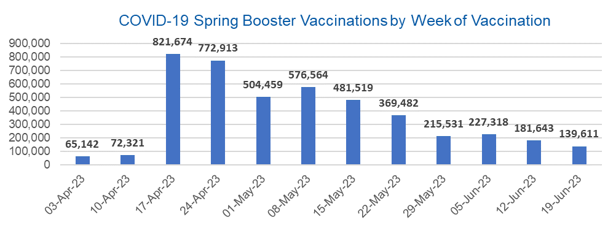

Week Commencing |  | Number of people who have had a spring booster vaccination | Cumulative number of people who have had a spring booster vaccination
Total |  | 4,428,177 | -
2023-04-03 |  | 65,142 | 65,142
2023-04-10 |  | 72,321 | 137,463
2023-04-17 |  | 821,674 | 959,137
2023-04-24 |  | 772,913 | 1,732,050
2023-05-01 |  | 504,459 | 2,236,509
2023-05-08 |  | 576,564 | 2,813,073 | In the week commencing 19 June 2023, 139,611 spring booster vaccinations were delivered. This brings the total spring booster vaccinations delivered to 4,428,177.
2023-05-15 |  | 481,519 | 3,294,592
2023-05-22 |  | 369,482 | 3,664,074
2023-05-29 |  | 215,531 | 3,879,605
2023-06-05 |  | 227,318 | 4,106,923
2023-06-12 |  | 181,643 | 4,288,566
2023-06-19 |  | 139,611 | 4,428,177

Data quality notes:
1. Data was extracted from the National Immunisation Management System on 27 June 2023.
2. See 'Definitions' tab for more information.

Total by Vaccination Week
Title: | COVID-19 Vaccinations by Week of Vaccination
Summary: | The number of COVID-19 vaccinations delivered in England, by week of vaccination.
Period1,2: | 8 December 2020 to 25 June 2023
Source: | National Immunisation Management System (NIMS), NHS England
Basis: | England
Published: | 29 June 2023
Status: | Published
Definitions: | These figures include all vaccinations administered in England, even if individuals vaccinated do not have an NHS number, are resident outside of England or are no longer alive.

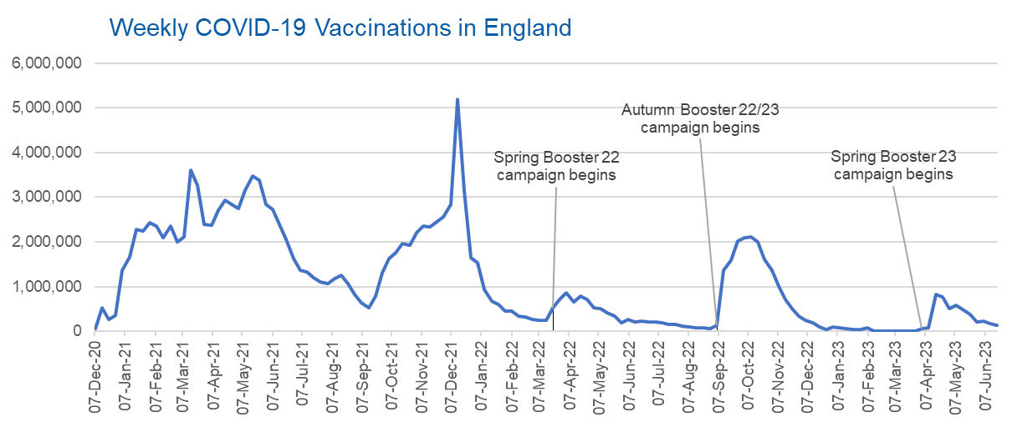
Week Commencing | Number of vaccinations delivered | Cumulative number of vaccinations delivered

Total | 149,281,863 | -
2020-12-07 | 57,766 | 57,766
2020-12-14 | 527,411 | 585,177
2020-12-21 | 272,880 | 858,057
2020-12-28 | 355,661 | 1,213,718
2021-01-04 | 1,370,969 | 2,584,687
2021-01-11 | 1,675,489 | 4,260,176
2021-01-18 | 2,284,792 | 6,544,968
2021-01-25 | 2,241,204 | 8,786,172
2021-02-01 | 2,440,216 | 11,226,388
2021-02-08 | 2,351,866 | 13,578,254
2021-02-15 | 2,096,750 | 15,675,004
2021-02-22 | 2,358,270 | 18,033,274
2021-03-01 | 2,002,621 | 20,035,895 | In the week commencing 19 June 2023, 142,401 vaccinations were delivered, taking the total number of COVID-19 vaccinations delivered to 149,281,863.
2021-03-08 | 2,118,639 | 22,154,534
2021-03-15 | 3,599,809 | 25,754,343
2021-03-22 | 3,268,951 | 29,023,294
2021-03-29 | 2,389,598 | 31,412,892
2021-04-05 | 2,371,693 | 33,784,585
2021-04-12 | 2,708,720 | 36,493,305
2021-04-19 | 2,942,561 | 39,435,866
2021-04-26 | 2,841,354 | 42,277,220
2021-05-03 | 2,754,022 | 45,031,242
2021-05-10 | 3,165,036 | 48,196,278
2021-05-17 | 3,477,328 | 51,673,606
2021-05-24 | 3,378,662 | 55,052,268
2021-05-31 | 2,849,466 | 57,901,734
2021-06-07 | 2,728,998 | 60,630,732
2021-06-14 | 2,391,146 | 63,021,878
2021-06-21 | 2,055,069 | 65,076,947
2021-06-28 | 1,631,351 | 66,708,298
2021-07-05 | 1,366,274 | 68,074,572
2021-07-12 | 1,339,367 | 69,413,939
2021-07-19 | 1,194,707 | 70,608,646
2021-07-26 | 1,112,190 | 71,720,836
2021-08-02 | 1,077,933 | 72,798,769
2021-08-09 | 1,178,270 | 73,977,039
2021-08-16 | 1,248,179 | 75,225,218
2021-08-23 | 1,065,195 | 76,290,413
2021-08-30 | 829,530 | 77,119,943
2021-09-06 | 647,484 | 77,767,427
2021-09-13 | 522,770 | 78,290,197
2021-09-20 | 784,624 | 79,074,821
2021-09-27 | 1,321,791 | 80,396,612
2021-10-04 | 1,626,119 | 82,022,731
2021-10-11 | 1,760,477 | 83,783,208
2021-10-18 | 1,971,094 | 85,754,302
2021-10-25 | 1,933,815 | 87,688,117
2021-11-01 | 2,202,830 | 89,890,947
2021-11-08 | 2,347,324 | 92,238,271
2021-11-15 | 2,335,843 | 94,574,114
2021-11-22 | 2,443,980 | 97,018,094
2021-11-29 | 2,563,226 | 99,581,320
2021-12-06 | 2,844,858 | 102,426,178
2021-12-13 | 5,182,677 | 107,608,855
2021-12-20 | 3,133,044 | 110,741,899
2021-12-27 | 1,646,411 | 112,388,310
2022-01-03 | 1,545,304 | 113,933,614
2022-01-10 | 945,524 | 114,879,138
2022-01-17 | 671,758 | 115,550,896
2022-01-24 | 602,175 | 116,153,071
2022-01-31 | 447,458 | 116,600,529
2022-02-07 | 454,355 | 117,054,884
2022-02-14 | 352,485 | 117,407,369
2022-02-21 | 323,492 | 117,730,861
2022-02-28 | 272,456 | 118,003,317
2022-03-07 | 254,965 | 118,258,282
2022-03-14 | 245,340 | 118,503,622
2022-03-21 | 528,403 | 119,032,025
2022-03-28 | 719,421 | 119,751,446
2022-04-04 | 859,007 | 120,610,453
2022-04-11 | 662,150 | 121,272,603
2022-04-18 | 786,443 | 122,059,046
2022-04-25 | 718,505 | 122,777,551
2022-05-02 | 538,146 | 123,315,697
2022-05-09 | 503,606 | 123,819,303
2022-05-16 | 408,947 | 124,228,250
2022-05-23 | 343,361 | 124,571,611
2022-05-30 | 192,025 | 124,763,636
2022-06-06 | 264,392 | 125,028,028
2022-06-13 | 214,204 | 125,242,232
2022-06-20 | 222,210 | 125,464,442
2022-06-27 | 221,949 | 125,686,391
2022-07-04 | 210,237 | 125,896,628
2022-07-11 | 192,818 | 126,089,446
2022-07-18 | 162,376 | 126,251,822
2022-07-25 | 157,744 | 126,409,566
2022-08-01 | 116,368 | 126,525,934
2022-08-08 | 95,152 | 126,621,086
2022-08-15 | 90,000 | 126,711,086
2022-08-22 | 82,673 | 126,793,759
2022-08-29 | 63,968 | 126,857,727
2022-09-05 | 143,779 | 127,001,506
2022-09-12 | 1,362,001 | 128,363,507
2022-09-19 | 1,589,860 | 129,953,367
2022-09-26 | 2,026,177 | 131,979,544
2022-10-03 | 2,102,998 | 134,082,542
2022-10-10 | 2,108,516 | 136,191,058
2022-10-17 | 2,010,715 | 138,201,773
2022-10-24 | 1,608,363 | 139,810,136
2022-10-31 | 1,365,324 | 141,175,460
2022-11-07 | 1,009,023 | 142,184,483
2022-11-14 | 710,637 | 142,895,120
2022-11-21 | 516,176 | 143,411,296
2022-11-28 | 341,883 | 143,753,179
2022-12-05 | 250,352 | 144,003,531
2022-12-12 | 186,175 | 144,189,706
2022-12-19 | 104,722 | 144,294,428
2022-12-26 | 47,086 | 144,341,514
2023-01-02 | 99,021 | 144,440,535
2023-01-09 | 86,292 | 144,526,827
2023-01-16 | 60,168 | 144,586,995
2023-01-23 | 54,306 | 144,641,301
2023-01-30 | 50,127 | 144,691,428
2023-02-06 | 85,917 | 144,777,345
2023-02-13 | 11,311 | 144,788,656
2023-02-20 | 6,558 | 144,795,214
2023-02-27 | 4,978 | 144,800,192
2023-03-06 | 4,081 | 144,804,273
2023-03-13 | 3,784 | 144,808,057
2023-03-20 | 3,252 | 144,811,309
2023-03-27 | 2,128 | 144,813,437
2023-04-03 | 67,115 | 144,880,552
2023-04-10 | 74,249 | 144,954,801
2023-04-17 | 826,725 | 145,781,526
2023-04-24 | 778,212 | 146,559,738
2023-05-01 | 508,206 | 147,067,944
2023-05-08 | 580,487 | 147,648,431
2023-05-15 | 485,237 | 148,133,668
2023-05-22 | 372,539 | 148,506,207
2023-05-29 | 218,781 | 148,724,988
2023-06-05 | 229,916 | 148,954,904
2023-06-12 | 184,558 | 149,139,462
2023-06-19 | 142,401 | 149,281,863

Data quality notes:
1. Data was extracted from the National Immunisation Management System on 27 June 2023.
2. Note these figures may be updated as more information becomes available from local systems.

