Definitions
Title: | COVID-19 Vaccination Statistics Definitions
Summary: | This file contains information on the number of vaccinations for COVID-19 delivered to English residents and all other individuals who have been vaccinated in England (including those living outside of England). All vaccinations included in this publication were administered during the period specified below and are recorded against the date of vaccination. The source of all vaccination data in this publication is DPS (Data Processing Service) Direct Flow.
Period: | Data to 26 November 2023
Source: | DPS (Data Processing Service) Direct Flow, NHS England
Basis: | England
Published: | 30 November 2023
Status: | Published

Data Definitions
All data on the number of people vaccinated in this publication are taken from DPS (Data Processing Service) Direct Flow, unless otherwise specified. This was previously the National Immunisation Management System (NIMS).
Data marked as DPS (Data Processing Service) Direct Flow NHS England' includes any vaccinations given in England, regardless of whether the recipient is alive or resident in England.
Where figures are shown for NHS geographies (region), these are based on the place of residence of the vaccinated individual. The health geographical boundaries used are defined as at July 2023.
Autumn 2023/24 vaccinations definition
The total autumn vaccinations figure includes any vaccination administered after the start of the autumn campaign on 11 September 2023 to any individuals in an eligible cohort.
NHS England estimates that approximately 21.5 million people will be eligible for an autumn booster during the campaign. This figure includes individuals who are in an eligible cohort and had a first dose vaccination prior to the start of the campaign. Eligible cohorts we report in this publication include adults aged 65 and over, immunosuppressed individuals aged 5 to 64, individuals in a clinical risk group aged 5 to 64 and frontline healthcare workers. There are approximately 25.5 million people that are in an eligible cohort.
Separate cohort figures are published for individuals in an eligible autumn vaccination cohorts:
Aged 65+ - In line with JCVI guidance, age is as at 31 March 2024, as recorded in the Master Patient Index. Therefore, some vaccinations delivered to this cohort will be to individuals who have not yet turned 65.
Immunosuppressed (aged 5-64) - The Immunosuppressed (IS) cohort reported in this publication is based on the CaaS cohort definition as outlined in the Green Book (chapter 14). This cohort is a subset of the 'in a clinical risk group' cohort. Please note that the IS cohort might fluctuate as individuals move in and out of this cohort.
In a clinical risk group (aged 5-64) - The 'in a clinical risk group' cohort reported in this publication is based on the CaaS cohort definition as outlined in the Green Book (chapter 14). Please note that the in a clinical at risk cohort might fluctuate as individuals move in and out of this cohort.
Frontline healthcare workers - These figures represent only those NHS healthcare workers who appear in the NHS Electronic Staff Record (ESR), were employed by an NHS Trust as at the extract date and are in an occupational group designated as a frontline healthcare worker. This covers directly employed staff in NHS Trusts who are paid through ESR, which will include some NHS Bank staff. The figures do not include data on staff that are not paid through ESR, or staff on ESR who could not be matched to DPS. It also does not include data on primary care staff or social care workers.
Care home residents are also eligible for an autumn vaccination during the campaign but are not reported in this publication. Information on care home residents will be published separately.
The figures include any vaccinations delivered in England, regardless of whether the individual is still alive or resident in England. Not all vaccinations delivered up to this date will be included in these figures. At 21 September 2023, 95.0% of vaccinations recorded in the DPS database were reported within 1 day of being administered and 97.9% of vaccinations were reported within 7 days.
Age definition
Age is as at the end of March 2024, as recorded in the Master Patient Index (MPI). This is to ensure vaccinations delivered to 64 year olds will be counted in this figure if they turn 65 by the end of March. Vaccinations to children will be counted as an autumn vaccination if they turn 5 before the start of the campaign on 11 September 2023 and are in an eligible cohort.
 |  | j

Links
JCVI advises on eligible groups for 2023 autumn booster - GOV.UK (www.gov.uk)

Autumn vaccinations by week
Title: | COVID-19 Autumn Vaccinations by Week of Vaccination
Summary: | The number of people who have had a 'Autumn' vaccination for COVID-19 in England since the start of the Autumn 2023 campaign, by week of vaccination.
Period1: | 11 September 2023 to 26 November 2023
Source: | DPS (Data Processing Service) Direct Flow, NHS England
Basis: | England
Published: | 30 November 2023
Status: | Published
Definitions: | The data in this release includes all individuals with a 'Autumn' vaccination administered in England, even if individuals are resident outside of England, do not have an NHS number or are no longer alive. This includes vaccinations administered as part of clinical trials.

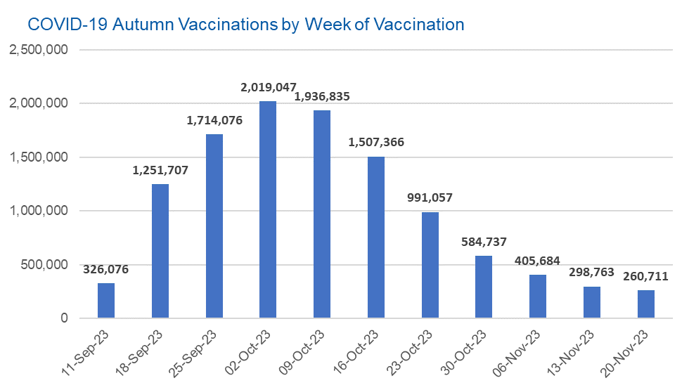

Week Commencing |  | Number of people who have had an Autumn vaccination to date | Cumulative number of people who have had an Autumn vaccination to date
Total |  | 11,296,059 | -
2023-09-11 |  | 326,076 | 326,076
2023-09-18 |  | 1,251,707 | 1,577,783
2023-09-25 |  | 1,714,076 | 3,291,859
2023-10-02 |  | 2,019,047 | 5,310,906
2023-10-09 |  | 1,936,835 | 7,247,741
2023-10-16 |  | 1,507,366 | 8,755,107
2023-10-23 |  | 991,057 | 9,746,164
2023-10-30 |  | 584,737 | 10,330,901
2023-11-06 |  | 405,684 | 10,736,585
2023-11-13 |  | 298,763 | 11,035,348
2023-11-20 |  | 260,711 | 11,296,059

Data quality notes: |  |  |  | In the week commencing 20 November 2023, 260,711 autumn vaccinations were delivered. This brings the total number of autumn vaccinations delivered to 11,296,059.
1. Data was extracted from the DPS (Data Processing Service) Direct Flow on 28 November 2023.
2. See 'Definitions' tab for more information.

Total vaccinations by week
Title: | COVID-19 Vaccinations by Week of Vaccination
Summary: | The number of COVID-19 vaccinations delivered in England, by week of vaccination.
Period1,2: | 8 December 2020 to 26 November 2023
Source: | DPS (Data Processing Service) Direct Flow, NHS England
Basis: | England
Published: | 30 November 2023
Status: | Published
Definitions: | These figures include all vaccinations administered in England, even if individuals vaccinated do not have an NHS number, are resident outside of England or are no longer alive.
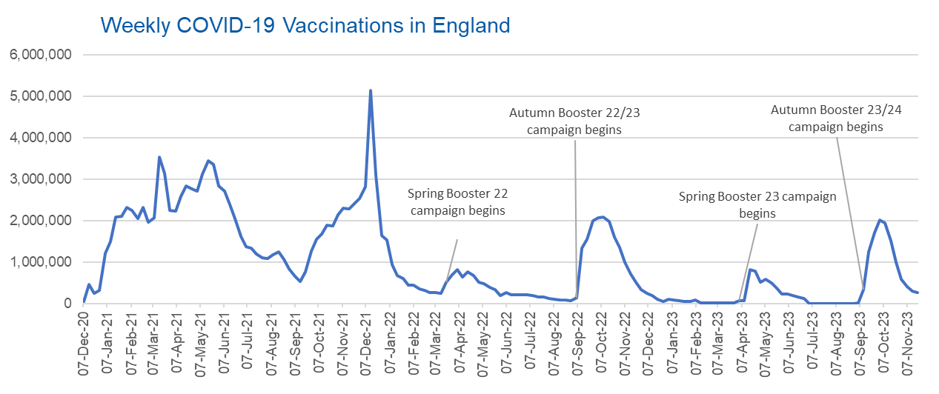

Week Commencing | Number of vaccinations delivered | Cumulative number of vaccinations delivered

Total | 156,949,622 | -
2020-12-07 | 54,722 | 54,722
2020-12-14 | 456,566 | 511,288
2020-12-21 | 243,432 | 754,720
2020-12-28 | 316,404 | 1,071,124
2021-01-04 | 1,213,218 | 2,284,342
2021-01-11 | 1,498,465 | 3,782,807
2021-01-18 | 2,090,091 | 5,872,898
2021-01-25 | 2,093,368 | 7,966,266
2021-02-01 | 2,311,249 | 10,277,515
2021-02-08 | 2,252,291 | 12,529,806
2021-02-15 | 2,050,449 | 14,580,255
2021-02-22 | 2,316,843 | 16,897,098
2021-03-01 | 1,956,563 | 18,853,661 | In the week commencing 20 November 2023, 260,711 vaccinations were delivered, taking the total number of COVID-19 vaccinations delivered to 156,949,622.
2021-03-08 | 2,067,352 | 20,921,013
2021-03-15 | 3,529,603 | 24,450,616
2021-03-22 | 3,136,508 | 27,587,124
2021-03-29 | 2,245,616 | 29,832,740
2021-04-05 | 2,221,538 | 32,054,278
2021-04-12 | 2,576,875 | 34,631,153
2021-04-19 | 2,831,902 | 37,463,055
2021-04-26 | 2,760,667 | 40,223,722
2021-05-03 | 2,705,337 | 42,929,059
2021-05-10 | 3,125,411 | 46,054,470
2021-05-17 | 3,447,608 | 49,502,078
2021-05-24 | 3,354,317 | 52,856,395
2021-05-31 | 2,832,918 | 55,689,313
2021-06-07 | 2,714,224 | 58,403,537
2021-06-14 | 2,380,683 | 60,784,220
2021-06-21 | 2,046,780 | 62,831,000
2021-06-28 | 1,625,046 | 64,456,046
2021-07-05 | 1,361,009 | 65,817,055
2021-07-12 | 1,334,609 | 67,151,664
2021-07-19 | 1,190,755 | 68,342,419
2021-07-26 | 1,108,540 | 69,450,959
2021-08-02 | 1,074,801 | 70,525,760
2021-08-09 | 1,175,629 | 71,701,389
2021-08-16 | 1,245,484 | 72,946,873
2021-08-23 | 1,062,824 | 74,009,697
2021-08-30 | 827,770 | 74,837,467
2021-09-06 | 645,917 | 75,483,384
2021-09-13 | 519,851 | 76,003,235
2021-09-20 | 760,134 | 76,763,369
2021-09-27 | 1,261,762 | 78,025,131
2021-10-04 | 1,547,783 | 79,572,914
2021-10-11 | 1,677,066 | 81,249,980
2021-10-18 | 1,884,755 | 83,134,735
2021-10-25 | 1,860,794 | 84,995,529
2021-11-01 | 2,137,696 | 87,133,225
2021-11-08 | 2,290,867 | 89,424,092
2021-11-15 | 2,288,928 | 91,713,020
2021-11-22 | 2,403,122 | 94,116,142
2021-11-29 | 2,527,250 | 96,643,392
2021-12-06 | 2,814,617 | 99,458,009
2021-12-13 | 5,145,066 | 104,603,075
2021-12-20 | 3,107,942 | 107,711,017
2021-12-27 | 1,637,178 | 109,348,195
2022-01-03 | 1,535,276 | 110,883,471
2022-01-10 | 936,738 | 111,820,209
2022-01-17 | 665,258 | 112,485,467
2022-01-24 | 595,781 | 113,081,248
2022-01-31 | 442,799 | 113,524,047
2022-02-07 | 447,056 | 113,971,103
2022-02-14 | 346,954 | 114,318,057
2022-02-21 | 318,463 | 114,636,520
2022-02-28 | 268,552 | 114,905,072
2022-03-07 | 251,558 | 115,156,630
2022-03-14 | 242,114 | 115,398,744
2022-03-21 | 510,304 | 115,909,048
2022-03-28 | 689,357 | 116,598,405
2022-04-04 | 820,299 | 117,418,704
2022-04-11 | 632,664 | 118,051,368
2022-04-18 | 753,166 | 118,804,534
2022-04-25 | 680,444 | 119,484,978
2022-05-02 | 512,424 | 119,997,402
2022-05-09 | 476,298 | 120,473,700
2022-05-16 | 386,672 | 120,860,372
2022-05-23 | 324,508 | 121,184,880
2022-05-30 | 183,950 | 121,368,830
2022-06-06 | 252,099 | 121,620,929
2022-06-13 | 203,885 | 121,824,814
2022-06-20 | 212,725 | 122,037,539
2022-06-27 | 214,410 | 122,251,949
2022-07-04 | 205,200 | 122,457,149
2022-07-11 | 188,825 | 122,645,974
2022-07-18 | 159,521 | 122,805,495
2022-07-25 | 155,175 | 122,960,670
2022-08-01 | 114,791 | 123,075,461
2022-08-08 | 93,979 | 123,169,440
2022-08-15 | 89,115 | 123,258,555
2022-08-22 | 82,026 | 123,340,581
2022-08-29 | 63,555 | 123,404,136
2022-09-05 | 134,331 | 123,538,467
2022-09-12 | 1,327,583 | 124,866,050
2022-09-19 | 1,556,015 | 126,422,065
2022-09-26 | 1,988,128 | 128,410,193
2022-10-03 | 2,066,946 | 130,477,139
2022-10-10 | 2,075,305 | 132,552,444
2022-10-17 | 1,984,861 | 134,537,305
2022-10-24 | 1,592,881 | 136,130,186
2022-10-31 | 1,352,116 | 137,482,302
2022-11-07 | 998,802 | 138,481,104
2022-11-14 | 702,900 | 139,184,004
2022-11-21 | 510,561 | 139,694,565
2022-11-28 | 337,858 | 140,032,423
2022-12-05 | 247,454 | 140,279,877
2022-12-12 | 184,106 | 140,463,983
2022-12-19 | 103,580 | 140,567,563
2022-12-26 | 46,825 | 140,614,388
2023-01-02 | 98,471 | 140,712,859
2023-01-09 | 85,977 | 140,798,836
2023-01-16 | 59,755 | 140,858,591
2023-01-23 | 53,895 | 140,912,486
2023-01-30 | 49,829 | 140,962,315
2023-02-06 | 85,480 | 141,047,795
2023-02-13 | 11,234 | 141,059,029
2023-02-20 | 6,524 | 141,065,553
2023-02-27 | 4,962 | 141,070,515
2023-03-06 | 4,074 | 141,074,589
2023-03-13 | 3,769 | 141,078,358
2023-03-20 | 3,262 | 141,081,620
2023-03-27 | 2,454 | 141,084,074
2023-04-03 | 64,013 | 141,148,087
2023-04-10 | 70,727 | 141,218,814
2023-04-17 | 822,858 | 142,041,672
2023-04-24 | 774,998 | 142,816,670
2023-05-01 | 506,620 | 143,323,290
2023-05-08 | 579,002 | 143,902,292
2023-05-15 | 484,379 | 144,386,671
2023-05-22 | 372,030 | 144,758,701
2023-05-29 | 219,039 | 144,977,740
2023-06-05 | 230,339 | 145,208,079
2023-06-12 | 185,280 | 145,393,359
2023-06-19 | 144,788 | 145,538,147
2023-06-26 | 111,427 | 145,649,574
2023-07-03 | 795 | 145,650,369
2023-07-10 | 300 | 145,650,669
2023-07-17 | 212 | 145,650,881
2023-07-24 | 252 | 145,651,133
2023-07-31 | 199 | 145,651,332
2023-08-07 | 193 | 145,651,525
2023-08-14 | 253 | 145,651,778
2023-08-21 | 301 | 145,652,079
2023-08-28 | 270 | 145,652,349
2023-09-04 | 1,214 | 145,653,563
2023-09-11 | 326,076 | 145,979,639
2023-09-18 | 1,251,707 | 147,231,346
2023-09-25 | 1,714,076 | 148,945,422
2023-10-02 | 2,019,047 | 150,964,469
2023-10-09 | 1,936,835 | 152,901,304
2023-10-16 | 1,507,366 | 154,408,670
2023-10-23 | 991,057 | 155,399,727
2023-10-30 | 584,737 | 155,984,464
2023-11-06 | 405,684 | 156,390,148
2023-11-13 | 298,763 | 156,688,911
2023-11-20 | 260,711 | 156,949,622

Data quality notes:
1. Data was extracted from the DPS (Data Processing Service) Direct Flow on 28 November 2023.
2. Note these figures may be updated as more information becomes available from local systems.
3. Due to a transfer of vaccination data from the National Immunisation Management System (NIMS) to DPS (Data Processing Service) the number of total vaccinations decreased when comparing our last weekly publication during the spring 2023 campaign on 13 July 2023 and the first weekly publication during the autumn campaign on 28 September 2023. This drop in vaccinations is under investigation.

