Definitions
Title: | COVID-19 Vaccination Statistics Definitions
Summary: | This file contains information on the number of vaccinations for COVID-19 delivered to English residents and all other individuals who have been vaccinated in England (including those living outside of England). All vaccinations included in this publication were administered during the period specified below and are recorded against the date of vaccination. The source of all vaccination data in this publication is DPS (Data Processing Service) Direct Flow.
Period: | Data to 7 January 2024
Source: | DPS (Data Processing Service) Direct Flow, NHS England
Basis: | England
Published: | 11 January 2024
Status: | Published

Data Definitions
All data on the number of people vaccinated in this publication are taken from DPS (Data Processing Service) Direct Flow, unless otherwise specified. This was previously the National Immunisation Management System (NIMS).
Data marked as DPS (Data Processing Service) Direct Flow NHS England' includes any vaccinations given in England, regardless of whether the recipient is alive or resident in England.
Where figures are shown for NHS geographies (region), these are based on the place of residence of the vaccinated individual. The health geographical boundaries used are defined as at July 2023.
Autumn 2023/24 vaccinations definition
The total autumn vaccinations figure includes any vaccination administered after the start of the autumn campaign on 11 September 2023 to any individuals in an eligible cohort.
NHS England estimates that approximately 21.5 million people will be eligible for an autumn booster during the campaign. This figure includes individuals who are in an eligible cohort and had a first dose vaccination prior to the start of the campaign. Eligible cohorts we report in this publication include adults aged 65 and over, immunosuppressed individuals aged 5 to 64, individuals in a clinical risk group aged 5 to 64 and frontline healthcare workers. There are approximately 25.5 million people that are in an eligible cohort.
Separate cohort figures are published for individuals in an eligible autumn vaccination cohorts:
Aged 65+ - In line with JCVI guidance, age is as at 31 March 2024, as recorded in the Master Patient Index. Therefore, some vaccinations delivered to this cohort will be to individuals who have not yet turned 65.
Immunosuppressed (aged 5-64) - The Immunosuppressed (IS) cohort reported in this publication is based on the CaaS cohort definition as outlined in the Green Book (chapter 14). This cohort is a subset of the 'in a clinical risk group' cohort. Please note that the IS cohort might fluctuate as individuals move in and out of this cohort.
In a clinical risk group (aged 5-64) - The 'in a clinical risk group' cohort reported in this publication is based on the CaaS cohort definition as outlined in the Green Book (chapter 14). Please note that the in a clinical at risk cohort might fluctuate as individuals move in and out of this cohort.
Frontline healthcare workers - These figures represent only those NHS healthcare workers who appear in the NHS Electronic Staff Record (ESR), were employed by an NHS Trust as at the extract date and are in an occupational group designated as a frontline healthcare worker. This covers directly employed staff in NHS Trusts who are paid through ESR, which will include some NHS Bank staff. The figures do not include data on staff that are not paid through ESR, or staff on ESR who could not be matched to DPS. It also does not include data on primary care staff or social care workers.
Care home residents are also eligible for an autumn vaccination during the campaign but are not reported in this publication. Information on care home residents will be published separately.
The figures include any vaccinations delivered in England, regardless of whether the individual is still alive or resident in England. Not all vaccinations delivered up to this date will be included in these figures. At 2 January 2024, 94.8% of vaccinations recorded in the DPS Direct Flow database were reported within 1 day of being administered and 97.9% of vaccinations were reported within 7 days.
Age definition
Age is as at the end of March 2024, as recorded in the Master Patient Index (MPI). This is to ensure vaccinations delivered to 64 year olds will be counted in this figure if they turn 65 by the end of March. Vaccinations to children will be counted as an autumn vaccination if they turn 5 before the start of the campaign on 11 September 2023 and are in an eligible cohort.
 |  | j

Links
JCVI advises on eligible groups for 2023 autumn booster - GOV.UK (www.gov.uk)

Autumn vaccinations by week
Title: | COVID-19 Autumn Vaccinations by Week of Vaccination
Summary: | The number of people who have had a 'Autumn' vaccination for COVID-19 in England since the start of the Autumn 2023 campaign, by week of vaccination.
Period1: | 11 September 2023 to 7 January 2024
Source: | DPS (Data Processing Service) Direct Flow, NHS England
Basis: | England
Published: | 11 January 2024
Status: | Published
Definitions: | The data in this release includes all individuals with a 'Autumn' vaccination administered in England, even if individuals are resident outside of England, do not have an NHS number or are no longer alive. This includes vaccinations administered as part of clinical trials.

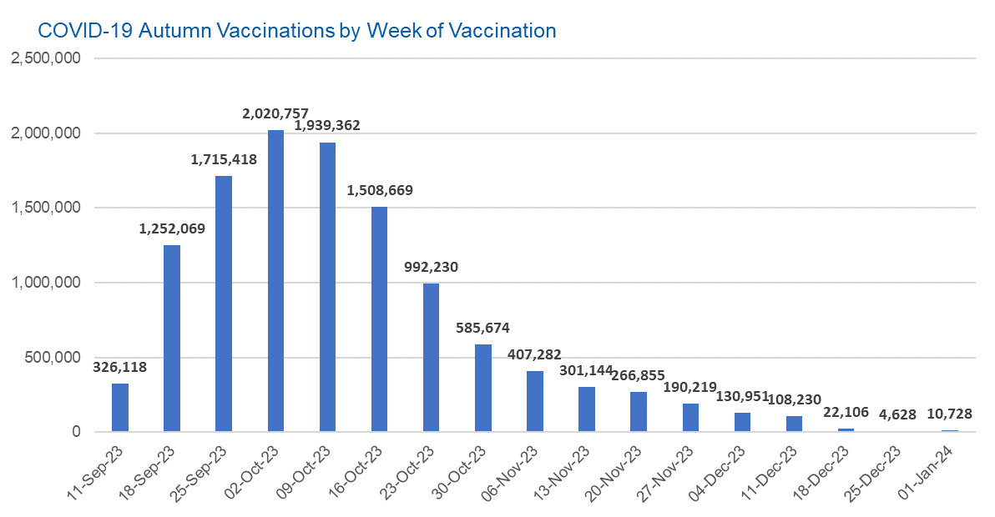

Week Commencing |  | Number of people who have had an Autumn vaccination to date | Cumulative number of people who have had an Autumn vaccination to date
Total |  | 11,782,440 | -
2023-09-11 |  | 326,118 | 326,118
2023-09-18 |  | 1,252,069 | 1,578,187
2023-09-25 |  | 1,715,418 | 3,293,605
2023-10-02 |  | 2,020,757 | 5,314,362
2023-10-09 |  | 1,939,362 | 7,253,724
2023-10-16 |  | 1,508,669 | 8,762,393
2023-10-23 |  | 992,230 | 9,754,623
2023-10-30 |  | 585,674 | 10,340,297
2023-11-06 |  | 407,282 | 10,747,579
2023-11-13 |  | 301,144 | 11,048,723
2023-11-20 |  | 266,855 | 11,315,578
2023-11-27 |  | 190,219 | 11,505,797
2023-12-04 |  | 130,951 | 11,636,748
2023-12-11 |  | 108,230 | 11,744,978
2023-12-18 |  | 22,106 | 11,767,084 | In the week commencing 1 January 2024, 10,728 autumn vaccinations were delivered. This brings the total number of autumn vaccinations delivered to 11,782,440.
2023-12-25 |  | 4,628 | 11,771,712
2024-01-01 |  | 10,728 | 11,782,440

Data quality notes:
1. Data was extracted from the DPS (Data Processing Service) Direct Flow on 9 January 2024.
2. See 'Definitions' tab for more information.

Total vaccinations by week
Title: | COVID-19 Vaccinations by Week of Vaccination
Summary: | The number of COVID-19 vaccinations delivered in England, by week of vaccination.
Period1,2: | 8 December 2020 to 7 January 2024
Source: | DPS (Data Processing Service) Direct Flow, NHS England
Basis: | England
Published: | 11 January 2024
Status: | Published
Definitions: | These figures include all vaccinations administered in England, even if individuals vaccinated do not have an NHS number, are resident outside of England or are no longer alive.
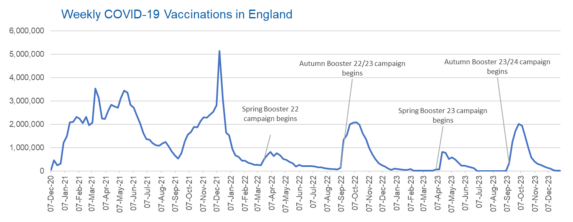

Week Commencing | Number of vaccinations delivered | Cumulative number of vaccinations delivered

Total | 157,435,612 | -
2020-12-07 | 54,722 | 54,722
2020-12-14 | 456,561 | 511,283
2020-12-21 | 243,431 | 754,714
2020-12-28 | 316,404 | 1,071,118
2021-01-04 | 1,213,211 | 2,284,329
2021-01-11 | 1,498,452 | 3,782,781
2021-01-18 | 2,090,083 | 5,872,864
2021-01-25 | 2,093,364 | 7,966,228
2021-02-01 | 2,311,243 | 10,277,471
2021-02-08 | 2,252,282 | 12,529,753
2021-02-15 | 2,050,449 | 14,580,202
2021-02-22 | 2,316,839 | 16,897,041
2021-03-01 | 1,956,558 | 18,853,599 | In the week commencing 1 January 2024, 10,728 vaccinations were delivered, taking the total number of COVID-19 vaccinations delivered to 157,435,612.
2021-03-08 | 2,067,347 | 20,920,946
2021-03-15 | 3,529,595 | 24,450,541
2021-03-22 | 3,136,497 | 27,587,038
2021-03-29 | 2,245,607 | 29,832,645
2021-04-05 | 2,221,531 | 32,054,176
2021-04-12 | 2,576,869 | 34,631,045
2021-04-19 | 2,831,896 | 37,462,941
2021-04-26 | 2,760,662 | 40,223,603
2021-05-03 | 2,705,335 | 42,928,938
2021-05-10 | 3,125,407 | 46,054,345
2021-05-17 | 3,447,600 | 49,501,945
2021-05-24 | 3,354,308 | 52,856,253
2021-05-31 | 2,832,905 | 55,689,158
2021-06-07 | 2,714,209 | 58,403,367
2021-06-14 | 2,380,675 | 60,784,042
2021-06-21 | 2,046,771 | 62,830,813
2021-06-28 | 1,625,037 | 64,455,850
2021-07-05 | 1,361,005 | 65,816,855
2021-07-12 | 1,334,606 | 67,151,461
2021-07-19 | 1,190,749 | 68,342,210
2021-07-26 | 1,108,536 | 69,450,746
2021-08-02 | 1,074,790 | 70,525,536
2021-08-09 | 1,175,615 | 71,701,151
2021-08-16 | 1,245,472 | 72,946,623
2021-08-23 | 1,062,813 | 74,009,436
2021-08-30 | 827,767 | 74,837,203
2021-09-06 | 645,913 | 75,483,116
2021-09-13 | 519,843 | 76,002,959
2021-09-20 | 760,123 | 76,763,082
2021-09-27 | 1,261,747 | 78,024,829
2021-10-04 | 1,547,767 | 79,572,596
2021-10-11 | 1,677,046 | 81,249,642
2021-10-18 | 1,884,737 | 83,134,379
2021-10-25 | 1,860,779 | 84,995,158
2021-11-01 | 2,137,682 | 87,132,840
2021-11-08 | 2,290,854 | 89,423,694
2021-11-15 | 2,288,902 | 91,712,596
2021-11-22 | 2,403,110 | 94,115,706
2021-11-29 | 2,527,224 | 96,642,930
2021-12-06 | 2,814,595 | 99,457,525
2021-12-13 | 5,145,024 | 104,602,549
2021-12-20 | 3,107,917 | 107,710,466
2021-12-27 | 1,637,163 | 109,347,629
2022-01-03 | 1,535,269 | 110,882,898
2022-01-10 | 936,728 | 111,819,626
2022-01-17 | 665,249 | 112,484,875
2022-01-24 | 595,775 | 113,080,650
2022-01-31 | 442,793 | 113,523,443
2022-02-07 | 447,054 | 113,970,497
2022-02-14 | 346,950 | 114,317,447
2022-02-21 | 318,459 | 114,635,906
2022-02-28 | 268,551 | 114,904,457
2022-03-07 | 251,559 | 115,156,016
2022-03-14 | 242,111 | 115,398,127
2022-03-21 | 510,312 | 115,908,439
2022-03-28 | 689,368 | 116,597,807
2022-04-04 | 820,318 | 117,418,125
2022-04-11 | 632,755 | 118,050,880
2022-04-18 | 753,158 | 118,804,038
2022-04-25 | 680,471 | 119,484,509
2022-05-02 | 512,427 | 119,996,936
2022-05-09 | 476,308 | 120,473,244
2022-05-16 | 386,671 | 120,859,915
2022-05-23 | 324,504 | 121,184,419
2022-05-30 | 183,948 | 121,368,367
2022-06-06 | 252,123 | 121,620,490
2022-06-13 | 203,888 | 121,824,378
2022-06-20 | 212,723 | 122,037,101
2022-06-27 | 214,409 | 122,251,510
2022-07-04 | 205,197 | 122,456,707
2022-07-11 | 188,824 | 122,645,531
2022-07-18 | 159,520 | 122,805,051
2022-07-25 | 155,175 | 122,960,226
2022-08-01 | 114,792 | 123,075,018
2022-08-08 | 93,978 | 123,168,996
2022-08-15 | 89,114 | 123,258,110
2022-08-22 | 82,024 | 123,340,134
2022-08-29 | 63,553 | 123,403,687
2022-09-05 | 134,328 | 123,538,015
2022-09-12 | 1,327,579 | 124,865,594
2022-09-19 | 1,556,002 | 126,421,596
2022-09-26 | 1,988,107 | 128,409,703
2022-10-03 | 2,066,930 | 130,476,633
2022-10-10 | 2,075,272 | 132,551,905
2022-10-17 | 1,984,833 | 134,536,738
2022-10-24 | 1,592,870 | 136,129,608
2022-10-31 | 1,352,104 | 137,481,712
2022-11-07 | 998,796 | 138,480,508
2022-11-14 | 702,888 | 139,183,396
2022-11-21 | 510,554 | 139,693,950
2022-11-28 | 337,857 | 140,031,807
2022-12-05 | 247,455 | 140,279,262
2022-12-12 | 184,100 | 140,463,362
2022-12-19 | 103,579 | 140,566,941
2022-12-26 | 46,825 | 140,613,766
2023-01-02 | 98,470 | 140,712,236
2023-01-09 | 85,976 | 140,798,212
2023-01-16 | 59,754 | 140,857,966
2023-01-23 | 53,894 | 140,911,860
2023-01-30 | 49,829 | 140,961,689
2023-02-06 | 85,480 | 141,047,169
2023-02-13 | 11,234 | 141,058,403
2023-02-20 | 6,524 | 141,064,927
2023-02-27 | 4,962 | 141,069,889
2023-03-06 | 4,074 | 141,073,963
2023-03-13 | 3,769 | 141,077,732
2023-03-20 | 3,262 | 141,080,994
2023-03-27 | 2,455 | 141,083,449
2023-04-03 | 64,013 | 141,147,462
2023-04-10 | 70,727 | 141,218,189
2023-04-17 | 822,858 | 142,041,047
2023-04-24 | 775,181 | 142,816,228
2023-05-01 | 506,646 | 143,322,874
2023-05-08 | 579,010 | 143,901,884
2023-05-15 | 484,378 | 144,386,262
2023-05-22 | 372,029 | 144,758,291
2023-05-29 | 219,040 | 144,977,331
2023-06-05 | 230,339 | 145,207,670
2023-06-12 | 185,280 | 145,392,950
2023-06-19 | 144,788 | 145,537,738
2023-06-26 | 111,439 | 145,649,177
2023-07-03 | 795 | 145,649,972
2023-07-10 | 301 | 145,650,273
2023-07-17 | 212 | 145,650,485
2023-07-24 | 252 | 145,650,737
2023-07-31 | 199 | 145,650,936
2023-08-07 | 193 | 145,651,129
2023-08-14 | 253 | 145,651,382
2023-08-21 | 301 | 145,651,683
2023-08-28 | 272 | 145,651,955
2023-09-04 | 1,217 | 145,653,172
2023-09-11 | 326,118 | 145,979,290
2023-09-18 | 1,252,069 | 147,231,359
2023-09-25 | 1,715,418 | 148,946,777
2023-10-02 | 2,020,757 | 150,967,534
2023-10-09 | 1,939,362 | 152,906,896
2023-10-16 | 1,508,669 | 154,415,565
2023-10-23 | 992,230 | 155,407,795
2023-10-30 | 585,674 | 155,993,469
2023-11-06 | 407,282 | 156,400,751
2023-11-13 | 301,144 | 156,701,895
2023-11-20 | 266,855 | 156,968,750
2023-11-27 | 190,219 | 157,158,969
2023-12-04 | 130,951 | 157,289,920
2023-12-11 | 108,230 | 157,398,150
2023-12-18 | 22,106 | 157,420,256
2023-12-25 | 4,628 | 157,424,884
2024-01-01 | 10,728 | 157,435,612

Data quality notes:
1. Data was extracted from the DPS (Data Processing Service) Direct Flow on 9 January 2024.
2. Note these figures may be updated as more information becomes available from local systems.
3. Due to a transfer of vaccination data from the National Immunisation Management System (NIMS) to DPS (Data Processing Service) the number of total vaccinations decreased when comparing our last weekly publication during the spring 2023 campaign on 13 July 2023 and the first weekly publication during the autumn campaign on 28 September 2023. This drop in vaccinations is under investigation.

