Definitions
Title: | COVID-19 Vaccination Statistics Definitions
Summary: | This file contains information on the number of vaccinations for COVID-19 delivered to English residents and all other individuals who have been vaccinated in England (including those living outside of England). All vaccinations included in this publication were administered during the period specified below and are recorded against the date of vaccination. The source of all vaccination data in this pulication is the National Immunisation Management System (NIMS) database.
Period: | Data to 7 May 2023
Source: | National Immunisation Management System (NIMS)
Basis: | England
Published: | 11 May 2023
Status: | Published

Data Definitions
All data on the number of people vaccinated in this publication are taken from the National Immunisation Management System (NIMS) dataset, unless otherwise specified.
Data marked as 'National Immunisation Management System (NIMS), NHS England' includes any vaccinations given in England, regardless of whether the recipient is alive or resident in England.
Where figures are shown for NHS geographies (region), these are based on the place of residence of the vaccinated individual. The health geographical boundaries used are as defined at July 2022. An individual's NHS region of residence is taken from the NHS Master Patient Index (MPI).
Spring booster definition
The total spring booster figure includes any vaccination with a dose greater than or equal to 3, administered on or after 3 April 2023. This includes a small number of first boosters delivered to those not in an eligible spring booster cohort.
NHS England estimates that approximately 6.6 million people will be eligible for a spring booster during the campaign. This figure includes individuals who are in an eligible cohort and had a second dose vaccination prior to the start of the campaign. Eligible cohorts include care home residents, adults aged 75 and over, and immunosuppressed individuals.
Separate cohort figures are published for individuals in an eligible spring booster cohort:
Aged 75+ - In line with JCVI guidance, age is as at 30 June 2023, as recorded in the MPI. Therefore, some vaccinations delivered to this cohort will be to individuals who have not yet turned 75.
Immunosuppresed (Aged 5-74) - The IS cohort reported in this publication is based on the CaaS cohort definition as outlined in the Green Book (chapter 14). This cohort is a subset of the 'At risk' cohort. Please note that the IS cohort might fluctuate as individuals move in and out of this cohort.
Care home residents are also eligible for a spring booster during the campaign but are not reported on in this publication. Information on care home residents will be published separately.
The figures include any vaccinations delivered in England, regardless of whether the individual is still alive or resident in England. Not all vaccinations delivered up to this date will be included in these figures. At 2 May 2023, 94.7% of vaccinations recorded in the NIMS database were reported within 1 day of being administered and 97.8% of vaccinations were reported within 7 days.
Age definition
In line with JCVI eligibility guidance, age is reported as at 30 June 2023.
Links
Spring 2023 COVID-19 vaccination programme: JCVI advice, 22 February 2023 - GOV.UK (www.gov.uk)
 |  | j

Spring Boosters by Vacc Week
Title: | COVID-19 Spring Booster Vaccinations by Week of Vaccination
Summary: | The number of people who have had a 'Spring Booster' vaccination for COVID-19 in England since the start of the Spring 2023 campaign, by week of vaccination.
Period1: | 3 April 2023 to 7 May 2023
Source: | National Immunisation Management System (NIMS), NHS England
Basis: | England
Published: | 11 May 2023
Status: | Published
Definitions: | The data in this release includes all individuals with a 'Spring Booster' vaccination administered in England, even if individuals are resident outside of England, do not have an NHS number or are no longer alive. This includes vaccinations administered as part of clinical trials.
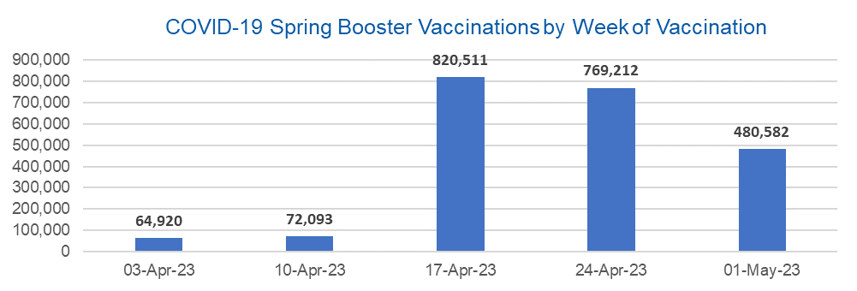

Week Commencing |  | Number of people who have had a spring booster vaccination | Cumulative number of people who have had a spring booster vaccination
Total |  | 2,207,318 | -
2023-04-03 |  | 64,920 | 64,920
2023-04-10 |  | 72093 | 137,013
2023-04-17 |  | 820511 | 957,524
2023-04-24 |  | 769212 | 1,726,736
2023-05-01 |  | 480582 | 2,207,318 | In the week commencing 1 May 2023, 480,582 spring booster vaccinations were delivered. This brings the total spring booster vaccinations delivered to 2,207,318.

Data quality notes:
1. Data was extracted from the National Immunisation Management System on 9 May 2023.
2. See 'Definitions' tab for more information.

Total by Vaccination Week
Title: | COVID-19 Vaccinations by Week of Vaccination
Summary: | The number of COVID-19 vaccinations delivered in England, by week of vaccination.
Period1,2: | 8 December 2020 to 7 May 2023
Source: | National Immunisation Management System (NIMS), NHS England
Basis: | England
Published: | 11 May 2023
Status: | Published
Definitions: | These figures include all vaccinations administered in England, even if individuals vaccinated do not have an NHS number, are resident outside of England or are no longer alive.

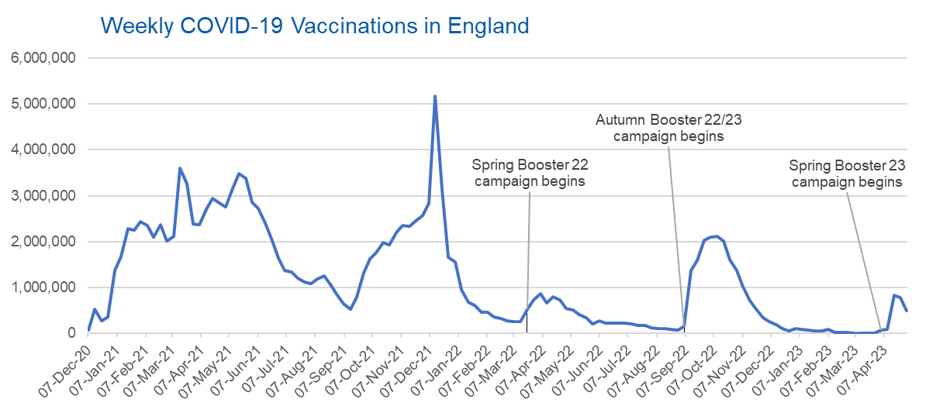
Week Commencing | Number of vaccinations delivered | Cumulative number of vaccinations delivered

Total | 147,036,195 | -
2020-12-07 | 57,766 | 57,766
2020-12-14 | 527,408 | 585,174
2020-12-21 | 272,879 | 858,053
2020-12-28 | 355,660 | 1,213,713
2021-01-04 | 1,370,965 | 2,584,678
2021-01-11 | 1,675,486 | 4,260,164
2021-01-18 | 2,284,787 | 6,544,951
2021-01-25 | 2,241,187 | 8,786,138
2021-02-01 | 2,440,212 | 11,226,350
2021-02-08 | 2,351,860 | 13,578,210
2021-02-15 | 2,096,742 | 15,674,952
2021-02-22 | 2,358,253 | 18,033,205
2021-03-01 | 2,002,612 | 20,035,817 | In the week commencing 1 May 23, 484,168 vaccinations were delivered, taking the total number of COVID-19 vaccinations delivered to 147,036,195.
2021-03-08 | 2,118,621 | 22,154,438
2021-03-15 | 3,599,791 | 25,754,229
2021-03-22 | 3,268,936 | 29,023,165
2021-03-29 | 2,389,576 | 31,412,741
2021-04-05 | 2,371,682 | 33,784,423
2021-04-12 | 2,708,709 | 36,493,132
2021-04-19 | 2,942,547 | 39,435,679
2021-04-26 | 2,841,346 | 42,277,025
2021-05-03 | 2,753,912 | 45,030,937
2021-05-10 | 3,165,015 | 48,195,952
2021-05-17 | 3,477,295 | 51,673,247
2021-05-24 | 3,378,635 | 55,051,882
2021-05-31 | 2,849,438 | 57,901,320
2021-06-07 | 2,728,961 | 60,630,281
2021-06-14 | 2,391,119 | 63,021,400
2021-06-21 | 2,055,041 | 65,076,441
2021-06-28 | 1,631,333 | 66,707,774
2021-07-05 | 1,366,254 | 68,074,028
2021-07-12 | 1,339,354 | 69,413,382
2021-07-19 | 1,194,693 | 70,608,075
2021-07-26 | 1,112,159 | 71,720,234
2021-08-02 | 1,077,912 | 72,798,146
2021-08-09 | 1,178,254 | 73,976,400
2021-08-16 | 1,248,163 | 75,224,563
2021-08-23 | 1,065,176 | 76,289,739
2021-08-30 | 829,510 | 77,119,249
2021-09-06 | 647,473 | 77,766,722
2021-09-13 | 522,761 | 78,289,483
2021-09-20 | 784,609 | 79,074,092
2021-09-27 | 1,321,777 | 80,395,869
2021-10-04 | 1,626,104 | 82,021,973
2021-10-11 | 1,760,467 | 83,782,440
2021-10-18 | 1,971,084 | 85,753,524
2021-10-25 | 1,933,801 | 87,687,325
2021-11-01 | 2,202,826 | 89,890,151
2021-11-08 | 2,347,307 | 92,237,458
2021-11-15 | 2,335,829 | 94,573,287
2021-11-22 | 2,443,955 | 97,017,242
2021-11-29 | 2,563,215 | 99,580,457
2021-12-06 | 2,844,832 | 102,425,289
2021-12-13 | 5,182,643 | 107,607,932
2021-12-20 | 3,133,012 | 110,740,944
2021-12-27 | 1,646,393 | 112,387,337
2022-01-03 | 1,545,285 | 113,932,622
2022-01-10 | 945,509 | 114,878,131
2022-01-17 | 671,742 | 115,549,873
2022-01-24 | 602,159 | 116,152,032
2022-01-31 | 447,445 | 116,599,477
2022-02-07 | 454,345 | 117,053,822
2022-02-14 | 352,468 | 117,406,290
2022-02-21 | 323,487 | 117,729,777
2022-02-28 | 272,444 | 118,002,221
2022-03-07 | 254,921 | 118,257,142
2022-03-14 | 245,339 | 118,502,481
2022-03-21 | 528,400 | 119,030,881
2022-03-28 | 719,415 | 119,750,296
2022-04-04 | 859,001 | 120,609,297
2022-04-11 | 662,150 | 121,271,447
2022-04-18 | 786,434 | 122,057,881
2022-04-25 | 718,501 | 122,776,382
2022-05-02 | 538,149 | 123,314,531
2022-05-09 | 503,600 | 123,818,131
2022-05-16 | 408,936 | 124,227,067
2022-05-23 | 343,357 | 124,570,424
2022-05-30 | 192,022 | 124,762,446
2022-06-06 | 264,390 | 125,026,836
2022-06-13 | 214,200 | 125,241,036
2022-06-20 | 222,210 | 125,463,246
2022-06-27 | 221,948 | 125,685,194
2022-07-04 | 210,236 | 125,895,430
2022-07-11 | 192,812 | 126,088,242
2022-07-18 | 162,366 | 126,250,608
2022-07-25 | 157,582 | 126,408,190
2022-08-01 | 116,353 | 126,524,543
2022-08-08 | 95,152 | 126,619,695
2022-08-15 | 89,995 | 126,709,690
2022-08-22 | 82,667 | 126,792,357
2022-08-29 | 63,968 | 126,856,325
2022-09-05 | 143,767 | 127,000,092
2022-09-12 | 1,361,941 | 128,362,033
2022-09-19 | 1,589,846 | 129,951,879
2022-09-26 | 2,026,133 | 131,978,012
2022-10-03 | 2,102,962 | 134,080,974
2022-10-10 | 2,108,454 | 136,189,428
2022-10-17 | 2,010,660 | 138,200,088
2022-10-24 | 1,608,323 | 139,808,411
2022-10-31 | 1,365,304 | 141,173,715
2022-11-07 | 1,008,986 | 142,182,701
2022-11-14 | 710,613 | 142,893,314
2022-11-21 | 516,162 | 143,409,476
2022-11-28 | 341,861 | 143,751,337
2022-12-05 | 250,300 | 144,001,637
2022-12-12 | 186,159 | 144,187,796
2022-12-19 | 104,706 | 144,292,502
2022-12-26 | 47,084 | 144,339,586
2023-01-02 | 99,016 | 144,438,602
2023-01-09 | 86,282 | 144,524,884
2023-01-16 | 60,137 | 144,585,021
2023-01-23 | 54,260 | 144,639,281
2023-01-30 | 50,112 | 144,689,393
2023-02-06 | 85,843 | 144,775,236
2023-02-13 | 11,275 | 144,786,511
2023-02-20 | 6,539 | 144,793,050
2023-02-27 | 4,972 | 144,798,022
2023-03-06 | 4,080 | 144,802,102
2023-03-13 | 3,769 | 144,805,871
2023-03-20 | 3,223 | 144,809,094
2023-03-27 | 2,081 | 144,811,175
2023-04-03 | 66,826 | 144,878,001
2023-04-10 | 74,018 | 144,952,019
2023-04-17 | 825,556 | 145,777,575
2023-04-24 | 774,452 | 146,552,027
2023-05-01 | 484,168 | 147,036,195

Data quality notes:
1. Data was extracted from the National Immunisation Management System on 9 May 2023.
2. Note these figures may be updated as more information becomes available from local systems.

