Definitions
Title: | COVID-19 Vaccination Statistics Definitions
Summary: | This file contains information on the number of vaccinations for COVID-19 delivered to English residents and all other individuals who have been vaccinated in England (including those living outside of England). All vaccinations included in this publication were administered during the period specified below and are recorded against the date of vaccination. The source of all vaccination data in this publication is DPS (Data Processing Service) Direct Flow.
Period: | Data to 8 October 2023
Source: | DPS (Data Processing Service) Direct Flow, NHS England
Basis: | England
Published: | 12 October 2023
Status: | Published

Data Definitions
All data on the number of people vaccinated in this publication are taken from DPS (Data Processing Service) Direct Flow, unless otherwise specified. This was previously the National Immunisation Management System (NIMS).
Data marked as DPS (Data Processing Service) Direct Flow NHS England' includes any vaccinations given in England, regardless of whether the recipient is alive or resident in England.
Where figures are shown for NHS geographies (region), these are based on the place of residence of the vaccinated individual. The health geographical boundaries used are defined as at July 2023.
Autumn 2023/24 vaccinations definition
The total autumn vaccinations figure includes any vaccination administered after the start of the autumn campaign on 11 September 2023 to any individuals in an eligible cohort.
NHS England estimates that approximately 21.5 million people will be eligible for an autumn vaccination during the campaign. This figure includes individuals who are in an eligible cohort and had a first dose vaccination prior to the start of the campaign. Eligible cohorts we report in this publication include adults aged 65 and over, immunosuppressed individuals aged 5 to 64, individuals in a clinical risk group aged 5 to 64 and frontline healthcare workers. There are approximately 25.5 million people that are in an eligible cohort.
Separate cohort figures are published for individuals in an eligible autumn vaccination cohorts:
Aged 65+ - In line with JCVI guidance, age is as at 31 March 2024, as recorded in the Master Patient Index. Therefore, some vaccinations delivered to this cohort will be to individuals who have not yet turned 65.
Immunosuppressed (aged 5-64) - The Immunosuppressed (IS) cohort reported in this publication is based on the CaaS cohort definition as outlined in the Green Book (chapter 14). This cohort is a subset of the 'in a clinical risk group' cohort. Please note that the IS cohort might fluctuate as individuals move in and out of this cohort.
In a clinical risk group (aged 5-64) - The 'in a clinical risk group' cohort reported in this publication is based on the CaaS cohort definition as outlined in the Green Book (chapter 14). Please note that the in a clinical at risk cohort might fluctuate as individuals move in and out of this cohort.
Frontline healthcare workers - These figures represent only those NHS healthcare workers who appear in the NHS Electronic Staff Record (ESR), were employed by an NHS Trust as at the extract date and are in an occupational group designated as a frontline healthcare worker. This covers directly employed staff in NHS Trusts who are paid through ESR, which will include some NHS Bank staff. The figures do not include data on staff that are not paid through ESR, or staff on ESR who could not be matched to DPS. It also does not include data on primary care staff or social care workers.
Care home residents are also eligible for an autumn vaccination during the campaign but are not reported in this publication. Information on care home residents will be published separately.
The figures include any vaccinations delivered in England, regardless of whether the individual is still alive or resident in England. Not all vaccinations delivered up to this date will be included in these figures. At 21 September 2023, 95.0% of vaccinations recorded in the DPS database were reported within 1 day of being administered and 97.9% of vaccinations were reported within 7 days.
Age definition
Age is as at the end of March 2024, as recorded in the Master Patient Index (MPI). This is to ensure vaccinations delivered to 64 year olds will be counted in this figure if they turn 65 by the end of March. Vaccinations to children will be counted as an autumn vaccination if they turn 5 before the start of the campaign on 11 September 2023 and are in an eligible cohort.
 |  | j

Links
JCVI advises on eligible groups for 2023 autumn booster - GOV.UK (www.gov.uk)

Autumn vaccinations by week
Title: | COVID-19 Autumn Vaccinations by Week of Vaccination
Summary: | The number of people who have had a 'Autumn' vaccination for COVID-19 in England since the start of the Autumn 2023 campaign, by week of vaccination.
Period1: | 11 September 2023 to 8 October 2023
Source: | DPS (Data Processing Service) Direct Flow, NHS England
Basis: | England
Published: | 12 October 2023
Status: | Published
Definitions: | The data in this release includes all individuals with a 'Autumn' vaccination administered in England, even if individuals are resident outside of England, do not have an NHS number or are no longer alive. This includes vaccinations administered as part of clinical trials.

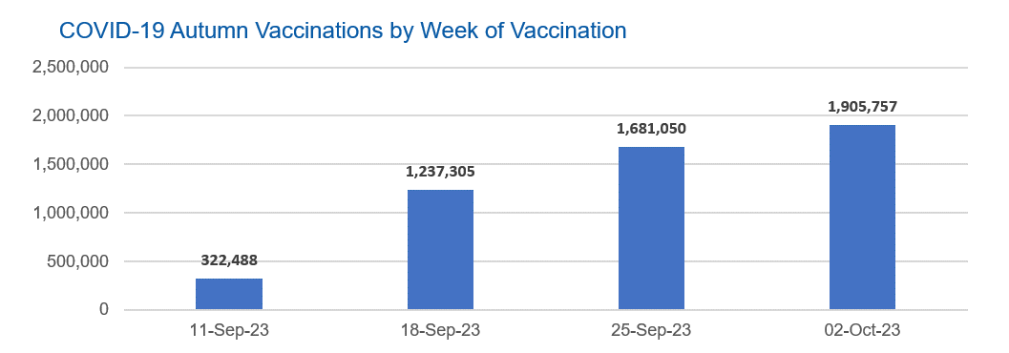

Week Commencing |  | Number of people who have had an Autumn vaccination to date | Cumulative number of people who have had an Autumn vaccination to date
Total |  | 5,146,600 | -
2023-09-11 |  | 322,488 | 322,488
2023-09-18 |  | 1,237,305 | 1,559,793
2023-09-25 |  | 1,681,050 | 3,240,843
2023-10-02 |  | 1,905,757 | 5,146,600

Data quality notes: |  |  |  | In the week commencing 2 October 2023, 1,905,757 autumn vaccinations were delivered. This brings the total number of autumn vaccinations delivered to 5,146,600.
1. Data was extracted from the DPS (Data Processing Service) Direct Flow on 10 October 2023.
2. See 'Definitions' tab for more information.

Total vaccinations by week
Title: | COVID-19 Vaccinations by Week of Vaccination
Summary: | The number of COVID-19 vaccinations delivered in England, by week of vaccination.
Period1,2: | 8 December 2020 to 8 October 2023
Source: | DPS (Data Processing Service) Direct Flow, NHS England
Basis: | England
Published: | 12 October 2023
Status: | Published
Definitions: | These figures include all vaccinations administered in England, even if individuals vaccinated do not have an NHS number, are resident outside of England or are no longer alive.
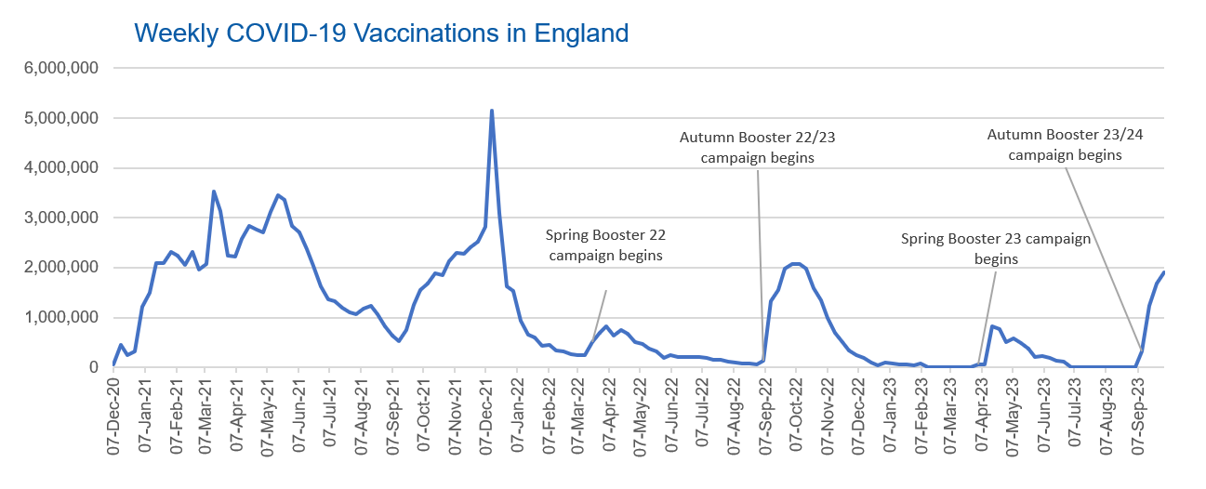

Week Commencing | Number of vaccinations delivered | Cumulative number of vaccinations delivered

Total | 150,802,177 | -
2020-12-07 | 54,725 | 54,725
2020-12-14 | 456,571 | 511,296
2020-12-21 | 243,436 | 754,732
2020-12-28 | 316,411 | 1,071,143
2021-01-04 | 1,213,239 | 2,284,382
2021-01-11 | 1,498,484 | 3,782,866
2021-01-18 | 2,090,111 | 5,872,977
2021-01-25 | 2,093,385 | 7,966,362
2021-02-01 | 2,311,256 | 10,277,618
2021-02-08 | 2,252,312 | 12,529,930
2021-02-15 | 2,050,464 | 14,580,394
2021-02-22 | 2,316,855 | 16,897,249
2021-03-01 | 1,956,572 | 18,853,821 | In the week commencing 2 October 2023, 1,905,757 vaccinations were delivered, taking the total number of COVID-19 vaccinations delivered to 150,802,177.
2021-03-08 | 2,067,367 | 20,921,188
2021-03-15 | 3,529,620 | 24,450,808
2021-03-22 | 3,136,534 | 27,587,342
2021-03-29 | 2,245,633 | 29,832,975
2021-04-05 | 2,221,562 | 32,054,537
2021-04-12 | 2,576,893 | 34,631,430
2021-04-19 | 2,831,914 | 37,463,344
2021-04-26 | 2,760,689 | 40,224,033
2021-05-03 | 2,705,355 | 42,929,388
2021-05-10 | 3,125,427 | 46,054,815
2021-05-17 | 3,447,624 | 49,502,439
2021-05-24 | 3,354,345 | 52,856,784
2021-05-31 | 2,832,949 | 55,689,733
2021-06-07 | 2,714,253 | 58,403,986
2021-06-14 | 2,380,711 | 60,784,697
2021-06-21 | 2,046,800 | 62,831,497
2021-06-28 | 1,625,057 | 64,456,554
2021-07-05 | 1,361,025 | 65,817,579
2021-07-12 | 1,334,623 | 67,152,202
2021-07-19 | 1,190,768 | 68,342,970
2021-07-26 | 1,108,550 | 69,451,520
2021-08-02 | 1,074,819 | 70,526,339
2021-08-09 | 1,175,649 | 71,701,988
2021-08-16 | 1,245,500 | 72,947,488
2021-08-23 | 1,062,847 | 74,010,335
2021-08-30 | 827,792 | 74,838,127
2021-09-06 | 645,930 | 75,484,057
2021-09-13 | 519,855 | 76,003,912
2021-09-20 | 760,152 | 76,764,064
2021-09-27 | 1,261,791 | 78,025,855
2021-10-04 | 1,547,838 | 79,573,693
2021-10-11 | 1,677,102 | 81,250,795
2021-10-18 | 1,884,786 | 83,135,581
2021-10-25 | 1,860,835 | 84,996,416
2021-11-01 | 2,137,759 | 87,134,175
2021-11-08 | 2,290,936 | 89,425,111
2021-11-15 | 2,288,984 | 91,714,095
2021-11-22 | 2,403,183 | 94,117,278
2021-11-29 | 2,527,294 | 96,644,572
2021-12-06 | 2,814,658 | 99,459,230
2021-12-13 | 5,145,162 | 104,604,392
2021-12-20 | 3,107,997 | 107,712,389
2021-12-27 | 1,637,203 | 109,349,592
2022-01-03 | 1,535,301 | 110,884,893
2022-01-10 | 936,747 | 111,821,640
2022-01-17 | 665,268 | 112,486,908
2022-01-24 | 595,794 | 113,082,702
2022-01-31 | 442,804 | 113,525,506
2022-02-07 | 447,063 | 113,972,569
2022-02-14 | 346,935 | 114,319,504
2022-02-21 | 318,438 | 114,637,942
2022-02-28 | 268,530 | 114,906,472
2022-03-07 | 251,546 | 115,158,018
2022-03-14 | 242,117 | 115,400,135
2022-03-21 | 510,323 | 115,910,458
2022-03-28 | 689,372 | 116,599,830
2022-04-04 | 820,311 | 117,420,141
2022-04-11 | 632,686 | 118,052,827
2022-04-18 | 753,185 | 118,806,012
2022-04-25 | 680,458 | 119,486,470
2022-05-02 | 512,435 | 119,998,905
2022-05-09 | 476,306 | 120,475,211
2022-05-16 | 386,679 | 120,861,890
2022-05-23 | 324,510 | 121,186,400
2022-05-30 | 183,951 | 121,370,351
2022-06-06 | 252,102 | 121,622,453
2022-06-13 | 203,889 | 121,826,342
2022-06-20 | 212,732 | 122,039,074
2022-06-27 | 214,415 | 122,253,489
2022-07-04 | 205,206 | 122,458,695
2022-07-11 | 188,829 | 122,647,524
2022-07-18 | 159,523 | 122,807,047
2022-07-25 | 155,178 | 122,962,225
2022-08-01 | 114,794 | 123,077,019
2022-08-08 | 93,982 | 123,171,001
2022-08-15 | 89,117 | 123,260,118
2022-08-22 | 82,028 | 123,342,146
2022-08-29 | 63,556 | 123,405,702
2022-09-05 | 134,335 | 123,540,037
2022-09-12 | 1,327,618 | 124,867,655
2022-09-19 | 1,556,061 | 126,423,716
2022-09-26 | 1,988,189 | 128,411,905
2022-10-03 | 2,067,046 | 130,478,951
2022-10-10 | 2,075,375 | 132,554,326
2022-10-17 | 1,984,907 | 134,539,233
2022-10-24 | 1,592,916 | 136,132,149
2022-10-31 | 1,352,144 | 137,484,293
2022-11-07 | 998,829 | 138,483,122
2022-11-14 | 702,911 | 139,186,033
2022-11-21 | 510,568 | 139,696,601
2022-11-28 | 337,861 | 140,034,462
2022-12-05 | 247,454 | 140,281,916
2022-12-12 | 184,112 | 140,466,028
2022-12-19 | 103,578 | 140,569,606
2022-12-26 | 46,824 | 140,616,430
2023-01-02 | 98,471 | 140,714,901
2023-01-09 | 85,979 | 140,800,880
2023-01-16 | 59,758 | 140,860,638
2023-01-23 | 53,896 | 140,914,534
2023-01-30 | 49,832 | 140,964,366
2023-02-06 | 85,480 | 141,049,846
2023-02-13 | 11,234 | 141,061,080
2023-02-20 | 6,525 | 141,067,605
2023-02-27 | 4,962 | 141,072,567
2023-03-06 | 4,074 | 141,076,641
2023-03-13 | 3,769 | 141,080,410
2023-03-20 | 3,262 | 141,083,672
2023-03-27 | 2,454 | 141,086,126
2023-04-03 | 64,031 | 141,150,157
2023-04-10 | 70,729 | 141,220,886
2023-04-17 | 822,857 | 142,043,743
2023-04-24 | 774,993 | 142,818,736
2023-05-01 | 506,617 | 143,325,353
2023-05-08 | 579,008 | 143,904,361
2023-05-15 | 484,378 | 144,388,739
2023-05-22 | 372,031 | 144,760,770
2023-05-29 | 219,040 | 144,979,810
2023-06-05 | 230,338 | 145,210,148
2023-06-12 | 185,276 | 145,395,424
2023-06-19 | 144,786 | 145,540,210
2023-06-26 | 111,423 | 145,651,633
2023-07-03 | 792 | 145,652,425
2023-07-10 | 300 | 145,652,725
2023-07-17 | 211 | 145,652,936
2023-07-24 | 252 | 145,653,188
2023-07-31 | 196 | 145,653,384
2023-08-07 | 192 | 145,653,576
2023-08-14 | 252 | 145,653,828
2023-08-21 | 298 | 145,654,126
2023-08-28 | 261 | 145,654,387
2023-09-04 | 1,190 | 145,655,577
2023-09-11 | 322,488 | 145,978,065
2023-09-18 | 1,237,305 | 147,215,370
2023-09-25 | 1,681,050 | 148,896,420
2023-10-02 | 1,905,757 | 150,802,177

Data quality notes:
1. Data was extracted from the DPS (Data Processing Service) Direct Flow on 10 October 2023.
2. Note these figures may be updated as more information becomes available from local systems.
3. Due to a transfer of vaccination data from the National Immunisation Management System (NIMS) to DPS (Data Processing Service) the number of total vaccinations has decreased since our last weekly publication during the spring 2023 campaign on 13 July 2023 and the first weekly publication durirng the autumn campaign on 28 September 2023. This drop in vaccinations is currently under investigation.

