Definitions
Title: | COVID-19 Vaccination Statistics Definitions
Summary: | This file contains information on the number of vaccinations for COVID-19 delivered to English residents and all other individuals who have been vaccinated in England (including those living outside of England). All vaccinations included in this publication were administered during the period specified below and are recorded against the date of vaccination. The source of all vaccination data in this publication is the National Immunisation Management System (NIMS) database.
Period: | Data to 9 July 2023
Source: | National Immunisation Management System (NIMS)
Basis: | England
Published: | 13 July 2023
Status: | Published

Data Definitions
All data on the number of people vaccinated in this publication are taken from the National Immunisation Management System (NIMS) dataset, unless otherwise specified.
Data marked as 'National Immunisation Management System (NIMS), NHS England' includes any vaccinations given in England, regardless of whether the recipient is alive or resident in England.
The figures include any vaccinations delivered in England, regardless of whether the individual is still alive or resident in England. Not all vaccinations delivered up to this date will be included in these figures. At 3 July 2023, 94.7% of vaccinations recorded in the NIMS database were reported within 1 day of being administered and 97.8% of vaccinations were reported within 7 days.
 |  | j

Total by Vaccination Week
Title: | COVID-19 Vaccinations by Week of Vaccination
Summary: | The number of COVID-19 vaccinations delivered in England, by week of vaccination.
Period1,2: | 8 December 2020 to 9 July 2023
Source: | National Immunisation Management System (NIMS), NHS England
Basis: | England
Published: | 13 July 2023
Status: | Published
Definitions: | These figures include all vaccinations administered in England, even if individuals vaccinated do not have an NHS number, are resident outside of England or are no longer alive.

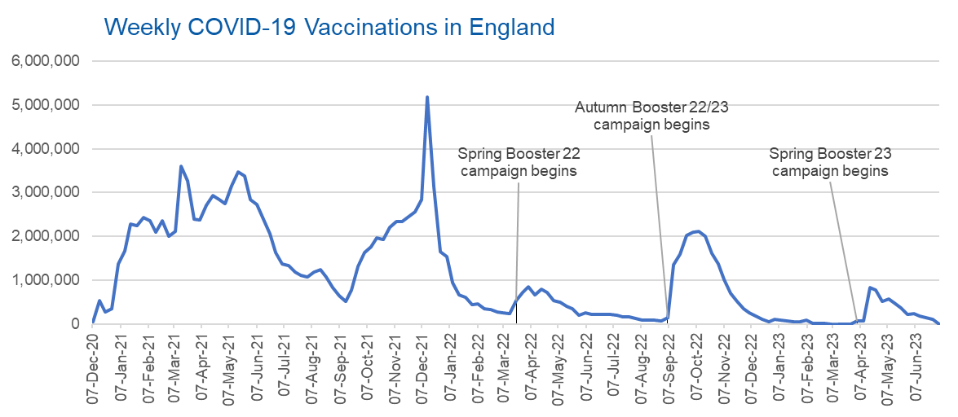
Week Commencing | Number of vaccinations delivered | Cumulative number of vaccinations delivered

Total | 149,398,324 | -
2020-12-07 | 57,766 | 57,766
2020-12-14 | 527,411 | 585,177
2020-12-21 | 272,880 | 858,057
2020-12-28 | 355,661 | 1,213,718
2021-01-04 | 1,370,972 | 2,584,690
2021-01-11 | 1,675,491 | 4,260,181
2021-01-18 | 2,284,796 | 6,544,977
2021-01-25 | 2,241,211 | 8,786,188
2021-02-01 | 2,440,220 | 11,226,408
2021-02-08 | 2,351,867 | 13,578,275
2021-02-15 | 2,096,752 | 15,675,027
2021-02-22 | 2,358,272 | 18,033,299
2021-03-01 | 2,002,625 | 20,035,924 | In the week commencing 3 July 2023, 687 vaccinations were delivered, taking the total number of COVID-19 vaccinations delivered to 149,398,324.
2021-03-08 | 2,118,647 | 22,154,571
2021-03-15 | 3,599,818 | 25,754,389
2021-03-22 | 3,268,957 | 29,023,346
2021-03-29 | 2,389,604 | 31,412,950
2021-04-05 | 2,371,699 | 33,784,649
2021-04-12 | 2,708,724 | 36,493,373
2021-04-19 | 2,942,567 | 39,435,940
2021-04-26 | 2,841,364 | 42,277,304
2021-05-03 | 2,754,023 | 45,031,327
2021-05-10 | 3,165,048 | 48,196,375
2021-05-17 | 3,477,342 | 51,673,717
2021-05-24 | 3,378,673 | 55,052,390
2021-05-31 | 2,849,480 | 57,901,870
2021-06-07 | 2,729,005 | 60,630,875
2021-06-14 | 2,391,161 | 63,022,036
2021-06-21 | 2,055,088 | 65,077,124
2021-06-28 | 1,631,359 | 66,708,483
2021-07-05 | 1,366,282 | 68,074,765
2021-07-12 | 1,339,378 | 69,414,143
2021-07-19 | 1,194,717 | 70,608,860
2021-07-26 | 1,112,198 | 71,721,058
2021-08-02 | 1,077,938 | 72,798,996
2021-08-09 | 1,178,274 | 73,977,270
2021-08-16 | 1,248,190 | 75,225,460
2021-08-23 | 1,065,203 | 76,290,663
2021-08-30 | 829,535 | 77,120,198
2021-09-06 | 647,490 | 77,767,688
2021-09-13 | 522,776 | 78,290,464
2021-09-20 | 784,629 | 79,075,093
2021-09-27 | 1,321,799 | 80,396,892
2021-10-04 | 1,626,127 | 82,023,019
2021-10-11 | 1,760,488 | 83,783,507
2021-10-18 | 1,971,099 | 85,754,606
2021-10-25 | 1,933,816 | 87,688,422
2021-11-01 | 2,202,838 | 89,891,260
2021-11-08 | 2,347,330 | 92,238,590
2021-11-15 | 2,335,848 | 94,574,438
2021-11-22 | 2,443,986 | 97,018,424
2021-11-29 | 2,563,231 | 99,581,655
2021-12-06 | 2,844,869 | 102,426,524
2021-12-13 | 5,182,703 | 107,609,227
2021-12-20 | 3,133,061 | 110,742,288
2021-12-27 | 1,646,420 | 112,388,708
2022-01-03 | 1,545,322 | 113,934,030
2022-01-10 | 945,531 | 114,879,561
2022-01-17 | 671,766 | 115,551,327
2022-01-24 | 602,177 | 116,153,504
2022-01-31 | 447,463 | 116,600,967
2022-02-07 | 454,359 | 117,055,326
2022-02-14 | 352,487 | 117,407,813
2022-02-21 | 323,493 | 117,731,306
2022-02-28 | 272,458 | 118,003,764
2022-03-07 | 254,967 | 118,258,731
2022-03-14 | 245,342 | 118,504,073
2022-03-21 | 528,407 | 119,032,480
2022-03-28 | 719,424 | 119,751,904
2022-04-04 | 859,008 | 120,610,912
2022-04-11 | 662,150 | 121,273,062
2022-04-18 | 786,444 | 122,059,506
2022-04-25 | 718,509 | 122,778,015
2022-05-02 | 538,147 | 123,316,162
2022-05-09 | 503,611 | 123,819,773
2022-05-16 | 408,949 | 124,228,722
2022-05-23 | 343,363 | 124,572,085
2022-05-30 | 192,026 | 124,764,111
2022-06-06 | 264,394 | 125,028,505
2022-06-13 | 214,206 | 125,242,711
2022-06-20 | 222,210 | 125,464,921
2022-06-27 | 221,950 | 125,686,871
2022-07-04 | 210,238 | 125,897,109
2022-07-11 | 192,819 | 126,089,928
2022-07-18 | 162,377 | 126,252,305
2022-07-25 | 157,744 | 126,410,049
2022-08-01 | 116,369 | 126,526,418
2022-08-08 | 95,153 | 126,621,571
2022-08-15 | 90,001 | 126,711,572
2022-08-22 | 82,674 | 126,794,246
2022-08-29 | 63,968 | 126,858,214
2022-09-05 | 143,780 | 127,001,994
2022-09-12 | 1,362,003 | 128,363,997
2022-09-19 | 1,589,865 | 129,953,862
2022-09-26 | 2,026,188 | 131,980,050
2022-10-03 | 2,103,001 | 134,083,051
2022-10-10 | 2,108,538 | 136,191,589
2022-10-17 | 2,010,722 | 138,202,311
2022-10-24 | 1,608,379 | 139,810,690
2022-10-31 | 1,365,328 | 141,176,018
2022-11-07 | 1,009,028 | 142,185,046
2022-11-14 | 710,641 | 142,895,687
2022-11-21 | 516,177 | 143,411,864
2022-11-28 | 341,890 | 143,753,754
2022-12-05 | 250,363 | 144,004,117
2022-12-12 | 186,185 | 144,190,302
2022-12-19 | 104,730 | 144,295,032
2022-12-26 | 47,087 | 144,342,119
2023-01-02 | 99,022 | 144,441,141
2023-01-09 | 86,293 | 144,527,434
2023-01-16 | 60,169 | 144,587,603
2023-01-23 | 54,307 | 144,641,910
2023-01-30 | 50,127 | 144,692,037
2023-02-06 | 85,918 | 144,777,955
2023-02-13 | 11,311 | 144,789,266
2023-02-20 | 6,562 | 144,795,828
2023-02-27 | 4,979 | 144,800,807
2023-03-06 | 4,081 | 144,804,888
2023-03-13 | 3,785 | 144,808,673
2023-03-20 | 3,252 | 144,811,925
2023-03-27 | 2,140 | 144,814,065
2023-04-03 | 67,124 | 144,881,189
2023-04-10 | 74,252 | 144,955,441
2023-04-17 | 827,711 | 145,783,152
2023-04-24 | 778,526 | 146,561,678
2023-05-01 | 508,238 | 147,069,916
2023-05-08 | 580,548 | 147,650,464
2023-05-15 | 485,397 | 148,135,861
2023-05-22 | 372,648 | 148,508,509
2023-05-29 | 218,995 | 148,727,504
2023-06-05 | 230,194 | 148,957,698
2023-06-12 | 184,853 | 149,142,551
2023-06-19 | 144,363 | 149,286,914
2023-06-26 | 110,723 | 149,397,637
2023-07-03 | 687 | 149,398,324

Data quality notes:
1. Data was extracted from the National Immunisation Management System on 11 July 2023.
2. Note these figures may be updated as more information becomes available from local systems.

