Definitions
Title: | COVID-19 Vaccination Statistics Definitions
Summary: | This file contains information on the number of vaccinations for COVID-19 delivered to English residents and all other individuals who have been vaccinated in England (including those living outside of England). All vaccinations included in this publication were administered during the period specified below and are recorded against the date of vaccination. The source of all vaccination data in this publication is DPS (Data Processing Service) Direct Flow.
Period: | Data to 9 June 2024
Source: | DPS (Data Processing Service) Direct Flow, NHS England
Basis: | England
Published: | 13 June 2024
Status: | Published

Data Definitions
All data on the number of vaccinations in this publication are taken from DPS (Data Processing Service) Direct Flow, unless otherwise specified. This was previously the National Immunisation Management System (NIMS).
Data marked as 'DPS (Data Processing Service) Direct Flow' includes any vaccinations given in England, regardless of whether the recipient is alive or resident in England.
Where figures are shown for NHS geographies (region), these are based on the place of residence of the vaccinated individual. The health geographical boundaries used reflect the latest organisational changes.
Spring 2024 vaccinations definition
The total spring vaccination figures include any vaccination administered after the start of the spring campaign on 15 April 2024 to any individuals in an eligible cohort. The figures include any vaccinations delivered in England, regardless of whether the individual is still alive or resident in England. Not all vaccinations delivered up to this date will be included in these figures. At 07 May 2024, 94.5% of Covid-19 vaccinations recorded in the DPS Direct Flow database were reported within 1 day of being administered and 97.7% of Covid-19 vaccinations were reported within 7 days.
NHS England estimates that approximately 7.3 million people will be eligible for a spring vaccination during the campaign. This figure includes individuals who are in an eligible cohort. Eligible cohorts we report in this publication include residents in older adult care homes, adults aged 75 and over and immunosuppressed individuals aged 6 months and over.
Separate cohort figures are published for individuals in an eligible spring vaccination cohort:
Older adult care home residents - Those individuals who reside in a care home designated as an older adult care home as per the monthly Care Quality Commission (CQC) release for April 2024.
Aged 75+ - In line with JCVI guidance, age is as at 30 June 2024, as recorded in the Master Patient Index. Therefore, some vaccinations delivered to this cohort will be to individuals who have not yet turned 75.
Immunosuppressed (aged 6 months and over) - The Immunosuppressed (IS) cohort reported in this publication is based on the CaaS cohort definition as outlined in the Green Book (chapter 14a). Please note that the IS cohort might fluctuate as individuals move in and out of this cohort.
Age definition
Age is as at the end of June 2024, as recorded in the Master Patient Index (MPI). This is to ensure vaccinations delivered to 74 year olds will be counted in this figure if they turn 75 by the end of June. Vaccinations to immunosuppressed children will be counted as a spring vaccination if they are aged 6 months or over before the start of the campaign on 15 April 2024.
 |  | j

Links
JCVI statement on COVID-19 vaccination in spring 2024 and considerations on future COVID-19 vaccination

Spring vaccinations by week
Title: | COVID-19 Spring Vaccinations by Week of Vaccination
Summary: | The number of 'Spring' vaccinations for COVID-19 in England since the start of the Spring 2024 campaign, by week of vaccination.
Period1: | 15 April 2024 to 9 June 2024
Source: | DPS (Data Processing Service) Direct Flow, NHS England
Basis: | England
Published: | 13 June 2024
Status: | Published
Definitions: | The data in this release includes all 'Spring' vaccinations administered in England, even if individuals are resident outside of England, do not have an NHS number or are no longer alive.

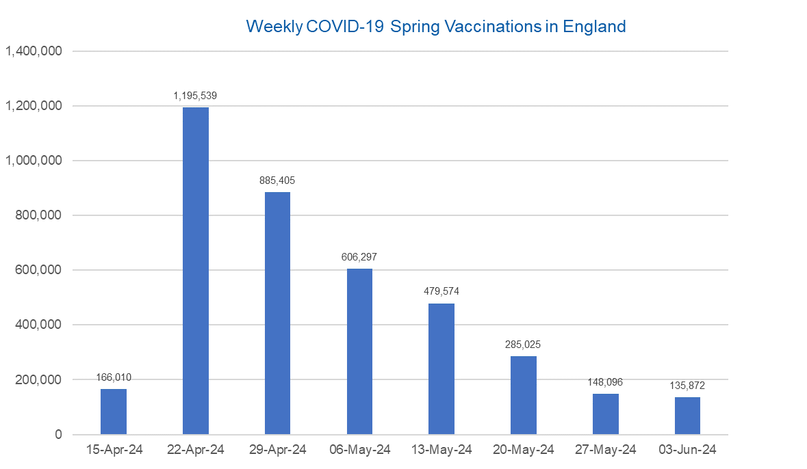

Week Commencing | Number of spring vaccinations | Cumulative number of spring vaccinations
Total | 3,901,818 | -
2024-04-15 | 166,010 | 166,010
2024-04-22 | 1,195,539 | 1,361,549
2024-04-29 | 885,405 | 2,246,954
2024-05-06 | 606,297 | 2,853,251
2024-05-13 | 479,574 | 3,332,825
2024-05-20 | 285,025 | 3,617,850
2024-05-27 | 148,096 | 3,765,946
2024-06-03 | 135,872 | 3,901,818

Data quality notes:
1. Data was extracted from the DPS (Data Processing Service) Direct Flow on 11 June 2024.
2. See 'Definitions' tab for more information.

 |  |  | In the week commencing 3 June, 135,872 spring vaccinations were delivered. This brings the total number of spring vaccinations delivered to 3,901,818.

Total vaccinations by week
Title: | COVID-19 Vaccinations by Week of Vaccination
Summary: | The number of COVID-19 vaccinations delivered in England since the start of the COVID-19 vaccination programme, by week of vaccination.
Period1,2: | 8 December 2020 to 9 June 2024
Source: | DPS (Data Processing Service) Direct Flow, NHS England
Basis: | England
Published: | 13 June 2024
Status: | Published
Definitions: | These figures include all vaccinations administered in England, even if individuals vaccinated do not have an NHS number, are resident outside of England or are no longer alive.

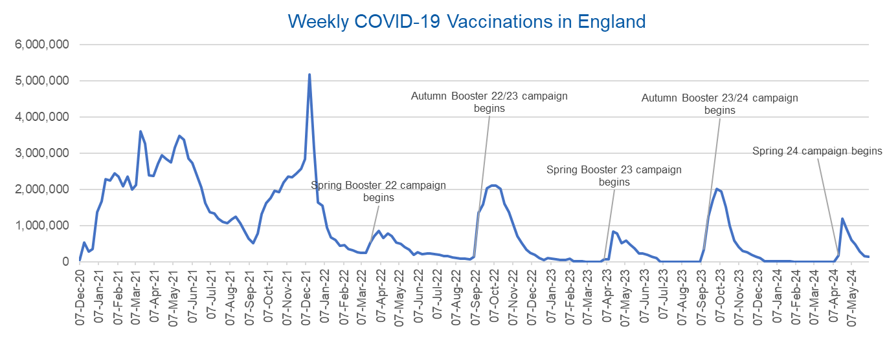
Week Commencing | Number of vaccinations delivered | Cumulative number of vaccinations delivered

Total | 165,109,462 | -
2020-12-07 | 57,722 | 57,722
2020-12-14 | 527,308 | 585,030
2020-12-21 | 272,766 | 857,796
2020-12-28 | 359,107 | 1,216,903
2021-01-04 | 1,370,385 | 2,587,288
2021-01-11 | 1,682,310 | 4,269,598
2021-01-18 | 2,291,390 | 6,560,988
2021-01-25 | 2,239,763 | 8,800,751
2021-02-01 | 2,439,406 | 11,240,157
2021-02-08 | 2,351,125 | 13,591,282
2021-02-15 | 2,095,907 | 15,687,189
2021-02-22 | 2,357,155 | 18,044,344
2021-03-01 | 2,001,661 | 20,046,005 | In the week commencing 3 June, 135,872 vaccinations were delivered, taking the total number of COVID-19 vaccinations delivered to 165,109,462.
2021-03-08 | 2,117,636 | 22,163,641
2021-03-15 | 3,598,200 | 25,761,841
2021-03-22 | 3,267,279 | 29,029,120
2021-03-29 | 2,388,863 | 31,417,983
2021-04-05 | 2,370,763 | 33,788,746
2021-04-12 | 2,707,850 | 36,496,596
2021-04-19 | 2,941,787 | 39,438,383
2021-04-26 | 2,840,811 | 42,279,194
2021-05-03 | 2,753,206 | 45,032,400
2021-05-10 | 3,164,022 | 48,196,422
2021-05-17 | 3,476,216 | 51,672,638
2021-05-24 | 3,377,490 | 55,050,128
2021-05-31 | 2,848,309 | 57,898,437
2021-06-07 | 2,727,603 | 60,626,040
2021-06-14 | 2,390,111 | 63,016,151
2021-06-21 | 2,053,470 | 65,069,621
2021-06-28 | 1,630,226 | 66,699,847
2021-07-05 | 1,365,164 | 68,065,011
2021-07-12 | 1,338,422 | 69,403,433
2021-07-19 | 1,193,821 | 70,597,254
2021-07-26 | 1,111,256 | 71,708,510
2021-08-02 | 1,077,076 | 72,785,586
2021-08-09 | 1,177,534 | 73,963,120
2021-08-16 | 1,247,243 | 75,210,363
2021-08-23 | 1,064,543 | 76,274,906
2021-08-30 | 828,850 | 77,103,756
2021-09-06 | 646,977 | 77,750,733
2021-09-13 | 522,341 | 78,273,074
2021-09-20 | 784,173 | 79,057,247
2021-09-27 | 1,321,367 | 80,378,614
2021-10-04 | 1,625,663 | 82,004,277
2021-10-11 | 1,760,027 | 83,764,304
2021-10-18 | 1,970,631 | 85,734,935
2021-10-25 | 1,933,470 | 87,668,405
2021-11-01 | 2,202,480 | 89,870,885
2021-11-08 | 2,346,891 | 92,217,776
2021-11-15 | 2,335,405 | 94,553,181
2021-11-22 | 2,443,550 | 96,996,731
2021-11-29 | 2,562,704 | 99,559,435
2021-12-06 | 2,844,210 | 102,403,645
2021-12-13 | 5,181,391 | 107,585,036
2021-12-20 | 3,131,375 | 110,716,411
2021-12-27 | 1,645,507 | 112,361,918
2022-01-03 | 1,544,394 | 113,906,312
2022-01-10 | 944,888 | 114,851,200
2022-01-17 | 671,231 | 115,522,431
2022-01-24 | 601,760 | 116,124,191
2022-01-31 | 447,225 | 116,571,416
2022-02-07 | 454,089 | 117,025,505
2022-02-14 | 352,346 | 117,377,851
2022-02-21 | 323,345 | 117,701,196
2022-02-28 | 271,997 | 117,973,193
2022-03-07 | 254,483 | 118,227,676
2022-03-14 | 244,843 | 118,472,519
2022-03-21 | 527,847 | 119,000,366
2022-03-28 | 718,811 | 119,719,177
2022-04-04 | 858,371 | 120,577,548
2022-04-11 | 661,539 | 121,239,087
2022-04-18 | 785,577 | 122,024,664
2022-04-25 | 717,830 | 122,742,494
2022-05-02 | 537,558 | 123,280,052
2022-05-09 | 503,200 | 123,783,252
2022-05-16 | 408,442 | 124,191,694
2022-05-23 | 342,895 | 124,534,589
2022-05-30 | 191,700 | 124,726,289
2022-06-06 | 264,057 | 124,990,346
2022-06-13 | 213,860 | 125,204,206
2022-06-20 | 221,838 | 125,426,044
2022-06-27 | 221,593 | 125,647,637
2022-07-04 | 209,935 | 125,857,572
2022-07-11 | 192,521 | 126,050,093
2022-07-18 | 162,139 | 126,212,232
2022-07-25 | 157,507 | 126,369,739
2022-08-01 | 116,177 | 126,485,916
2022-08-08 | 94,972 | 126,580,888
2022-08-15 | 89,843 | 126,670,731
2022-08-22 | 82,530 | 126,753,261
2022-08-29 | 63,853 | 126,817,114
2022-09-05 | 143,597 | 126,960,711
2022-09-12 | 1,361,125 | 128,321,836
2022-09-19 | 1,589,023 | 129,910,859
2022-09-26 | 2,024,888 | 131,935,747
2022-10-03 | 2,101,593 | 134,037,340
2022-10-10 | 2,107,407 | 136,144,747
2022-10-17 | 2,009,511 | 138,154,258
2022-10-24 | 1,607,441 | 139,761,699
2022-10-31 | 1,364,485 | 141,126,184
2022-11-07 | 1,008,329 | 142,134,513
2022-11-14 | 710,142 | 142,844,655
2022-11-21 | 515,788 | 143,360,443
2022-11-28 | 341,610 | 143,702,053
2022-12-05 | 250,151 | 143,952,204
2022-12-12 | 185,986 | 144,138,190
2022-12-19 | 104,594 | 144,242,784
2022-12-26 | 47,031 | 144,289,815
2023-01-02 | 98,921 | 144,388,736
2023-01-09 | 86,520 | 144,475,256
2023-01-16 | 60,091 | 144,535,347
2023-01-23 | 54,251 | 144,589,598
2023-01-30 | 50,113 | 144,639,711
2023-02-06 | 85,839 | 144,725,550
2023-02-13 | 11,300 | 144,736,850
2023-02-20 | 6,551 | 144,743,401
2023-02-27 | 4,984 | 144,748,385
2023-03-06 | 4,085 | 144,752,470
2023-03-13 | 3,775 | 144,756,245
2023-03-20 | 3,264 | 144,759,509
2023-03-27 | 2,460 | 144,761,969
2023-04-03 | 68,419 | 144,830,388
2023-04-10 | 74,534 | 144,904,922
2023-04-17 | 828,599 | 145,733,521
2023-04-24 | 779,470 | 146,512,991
2023-05-01 | 508,918 | 147,021,909
2023-05-08 | 580,915 | 147,602,824
2023-05-15 | 485,973 | 148,088,797
2023-05-22 | 373,204 | 148,462,001
2023-05-29 | 219,470 | 148,681,471
2023-06-05 | 230,675 | 148,912,146
2023-06-12 | 185,484 | 149,097,630
2023-06-19 | 144,867 | 149,242,497
2023-06-26 | 111,450 | 149,353,947
2023-07-03 | 801 | 149,354,748
2023-07-10 | 301 | 149,355,049
2023-07-17 | 212 | 149,355,261
2023-07-24 | 252 | 149,355,513
2023-07-31 | 199 | 149,355,712
2023-08-07 | 193 | 149,355,905
2023-08-14 | 253 | 149,356,158
2023-08-21 | 301 | 149,356,459
2023-08-28 | 273 | 149,356,732
2023-09-04 | 1,221 | 149,357,953
2023-09-11 | 328,745 | 149,686,698
2023-09-18 | 1,255,956 | 150,942,654
2023-09-25 | 1,716,771 | 152,659,425
2023-10-02 | 2,021,643 | 154,681,068
2023-10-09 | 1,940,402 | 156,621,470
2023-10-16 | 1,509,615 | 158,131,085
2023-10-23 | 992,959 | 159,124,044
2023-10-30 | 586,216 | 159,710,260
2023-11-06 | 407,895 | 160,118,155
2023-11-13 | 301,637 | 160,419,792
2023-11-20 | 267,398 | 160,687,190
2023-11-27 | 190,546 | 160,877,736
2023-12-04 | 131,349 | 161,009,085
2023-12-11 | 108,701 | 161,117,786
2023-12-18 | 22,370 | 161,140,156
2023-12-25 | 4,702 | 161,144,858
2024-01-01 | 11,096 | 161,155,954
2024-01-08 | 15,610 | 161,171,564
2024-01-15 | 13,714 | 161,185,278
2024-01-22 | 12,851 | 161,198,129
2024-01-29 | 7,769 | 161,205,898
2024-02-05 | 233 | 161,206,131
2024-02-12 | 122 | 161,206,253
2024-02-19 | 107 | 161,206,360
2024-02-26 | 86 | 161,206,446
2024-03-04 | 128 | 161,206,574
2024-03-11 | 67 | 161,206,641
2024-03-18 | 65 | 161,206,706
2024-03-25 | 69 | 161,206,775
2024-04-01 | 87 | 161,206,862
2024-04-08 | 782 | 161,207,644
2024-04-15 | 166,010 | 161,373,654
2024-04-22 | 1,195,539 | 162,569,193
2024-04-29 | 885,405 | 163,454,598
2024-05-06 | 606,297 | 164,060,895
2024-05-13 | 479,574 | 164,540,469
2024-05-20 | 285,025 | 164,825,494
2024-05-27 | 148,096 | 164,973,590
2024-06-03 | 135,872 | 165,109,462

Data quality notes:
1. Data was extracted from the DPS (Data Processing Service) Direct Flow on 11 June 2024.
2. Note these figures may be updated as more information becomes available from local systems.

