R-Squared Formulas
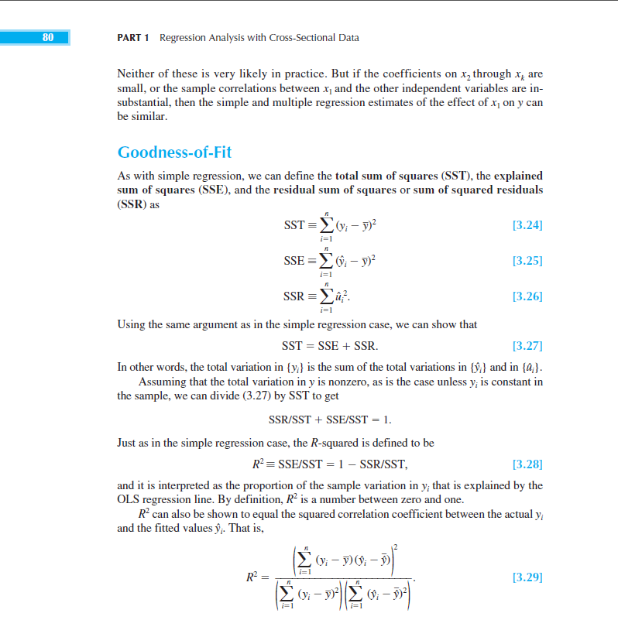

Assumptions
Assumptions | Ways Assumption Fails | Diagnostic | Conseq of Failed Assump. | Solution
 | Fit linear model to nonlinear data | plot of observed vs. predicted values or plot of residuals vs. predicted values | Bad predictions, particularly out of range of the sample data | Apply a nonlinear transformation to either independent or dependent variables; add another regressor that is a nonlinear function of another variable; add a possibly omitted variable

 | 1.) Clustering (researchers can only access a limited number 2.) Autocorrelation common for time series data) | 1.) Use knowledge of where data comes from 2.) Durbin Watson Statistic | 1.) Observing less variation than actually exists in the population; betas still unbiased but estimates are much less precise | 1.) Use clustered standard errors 2.) No simple fix for serial correlation - use time series model


 | Extremely high or perfect multicollinearity (assumption only rules out perfect multicollinearity); often from lagged variables of another variable, a shared common time trend, or variables that capture similar phenomena | Correlation matrix (though difficult for several variables); VIF's (multicollinearity likely between 5 and 10, problem > 10) | When variables are highly correlated but not perfectly collinear, OLS works but estimates will be much less precise. R-squared may be high but t-stats are low; regression becomes sensitive to small changes in specification and adding or removing a variable changes betas a lot; you might get nonsensical coefficient signs and magnitudes; confidence intervals might be very wide | Drop redundant variables


 | The error exhibits a pattern that is not in a fairly constant band around zero or it shows a pattern that results in nonzero errors for different x's | For one variable, plot residuals vs predictor (should see flat average line around zero). For multiple regression, plot residuals vs. fitted values (predicted values). Should again see a flat band or line. Also use domain knowledge on any omitted variables. | Endogeneity is a violation of zero-conditional mean and results in OLS coefficients that are biased and inconsistent. If the explanatory variables are uncorrelated with the error term they are exogenous | 1.) Change the functional form (log of independent or dependent variable, x and x^2, etc.); might lose interpretability though. 2.) Adding new variables. 3.) Decide we can't meet zero conditional mean but we can meet exogeneity. If we satisfy the first three assumptions and exogeneity (Cov(x,u) = 0 for all x, dependent variables) then OLS estimators are consistent (unbiased as n->infinity)

 | Variance of error term is not constant across x values (increasing, decreasing, increasing then decreasing, etc.) | 1.) Residuals vs fitted value plot. 2.) Scale location plot 3.) Breusch-Pagan Test (sensitive to sample size) | Difficult to gauge true variance of errors; confidence intervals too wide or too narrow; confidence intervals will be too narrow for out-of-sample predictions if incresaing variance | Calculate heteroskedasticity robust standard errors (White standard errors). If accompanied by zero conditional mean violation then there may be an exponential or log relationship in data.


 | Often if y variable is skewed errors will be skewed as well. | Histogram of residuals, Q-Q plot, Shapiro Wilk test (though this test doesn't tell you how large deviations from normality are) | Difficult to gauge whether model coefficients are significantly different from zero and calculate confidence intervals; outliers can have outsized effect on parameter estimates (OLS minimizes squared error) | Techinically OK if sample size is large enough; try in order: 1.) rely on asymptotic properties of OLS 2.) for small datasets transform y variable 3.) If residuals vs fitted value plot shows curvature, violation of both normal errors and zero-conditional mean so try quadratic or additional predictor 4.) Use bootstrapping

async week 11

Large Sample Assumptions
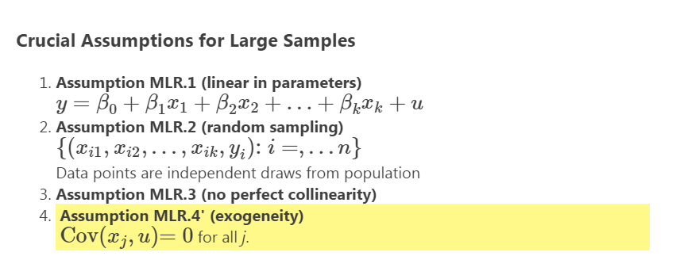

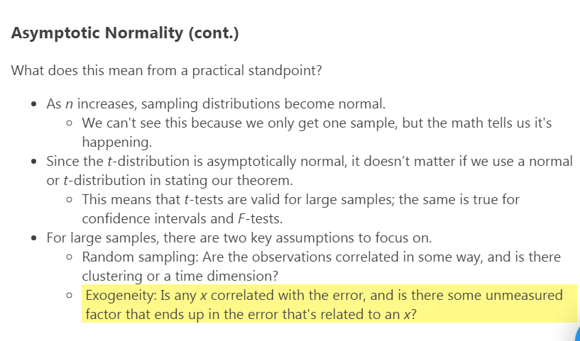

T

async 11.12

Sampling Variance of OLS Estim
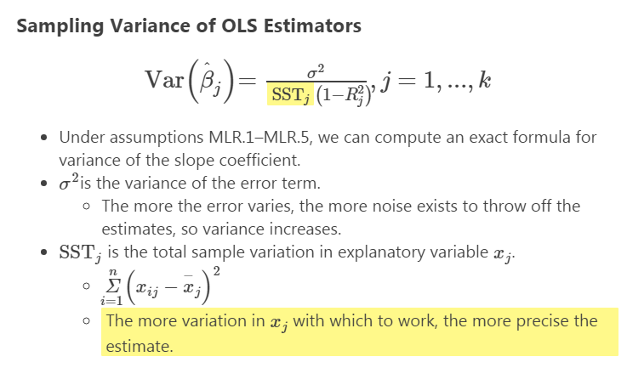

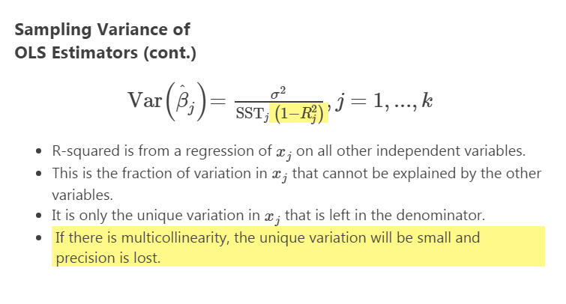

Joint Significance
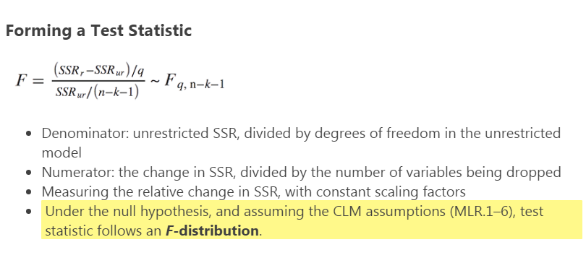
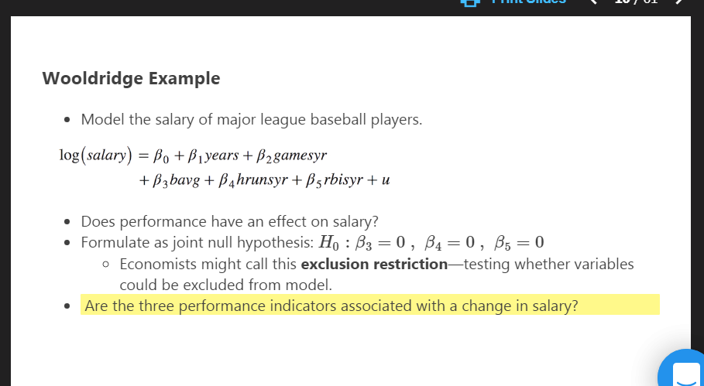
Even if individual t-stats are not significant they could be jointly significant
Remove variables, see how much worse fit is.
If they are jointly significant there's likely multicolinearity

Transformations
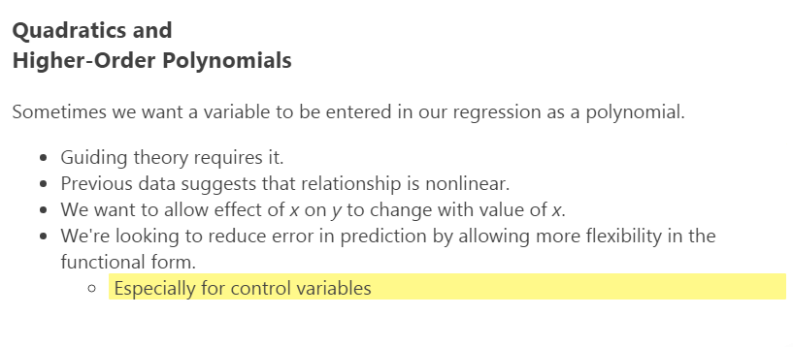
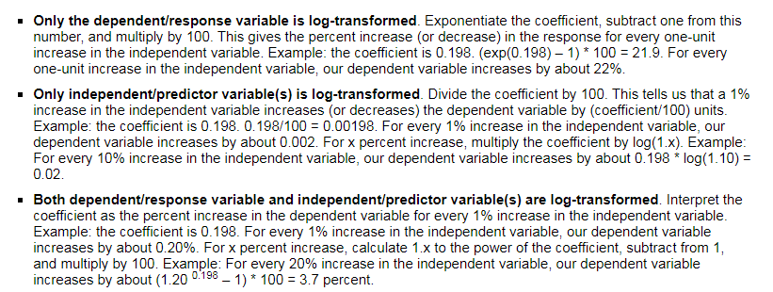
 | Semilogarithmic
 | -transform y variable
 | -Common for monetary measures (income, GDP)

 | Log-Log Form
 | -log of both y and x
async 12.5
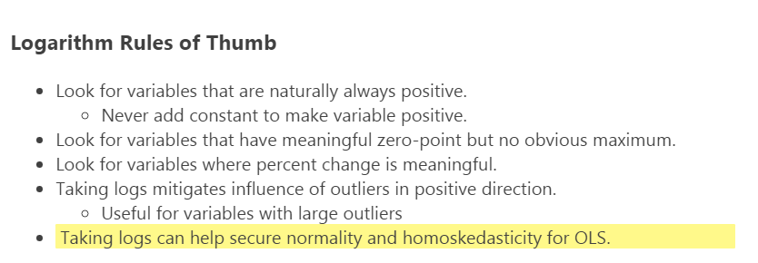

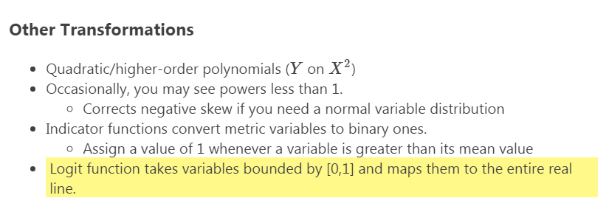

async 12.6

Ordinal Variables
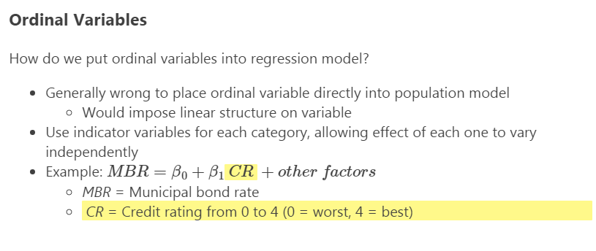
Always include dummy variable on its own with interaction

Polynomials and Interactions
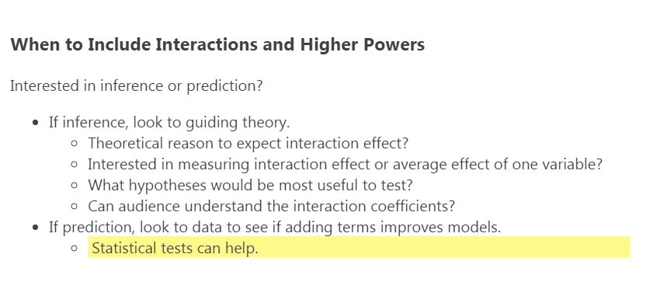

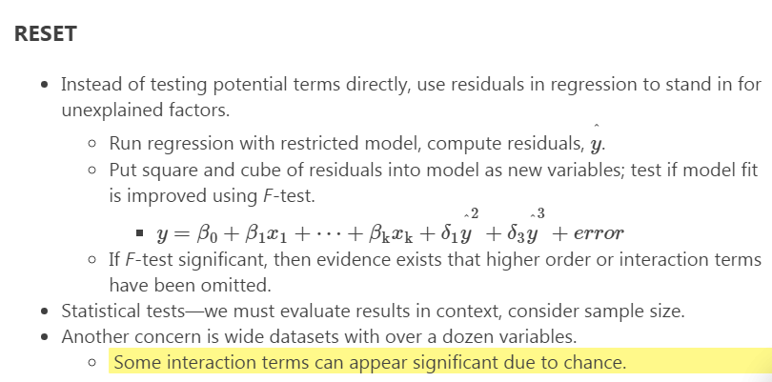

Statistical Reporting
