Sheet1
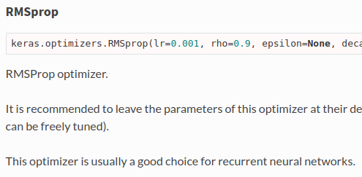
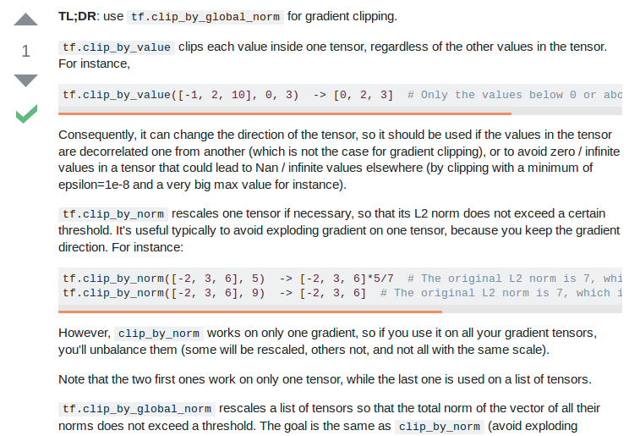
Optimizers | rmsprop |  |  |  |  |  | adagrad | SGD | clipnorm
 |  |  |  |  |  |  |  | Lample et al | vs
 | Keras |  |  |  |  |  | Zhilin Yang |  | clipvalue

 | http://cs231n.github.io/neural-networks-3/#ada
 |  |  |  |  | Zhilin Yang
Learning rate | 0.001 | ← can be freely tuned (said Keras) |  |  | 0.01

Loss function | NO FUCKING CLUE!! |  | categorical_crossentropy
 |  |  | Keras_contrib

Trainable embedding | TRUE

Mask zero | TRUE

Dropout | 0.5 |  |  |  | Embedding prone to overfitting
 | Lample et al |  |  |  | A Theoretically Grounded Application of Dropout in Recurrent Neural Networks

 |  |  |  |  | Yarin Gal | Zoubin Ghahramani

 | https://stackoverflow.com/questions/49458902/does-applying-a-dropout-layer-after-the-embedding-layer-have-the-same-effect-as

Dropout GRU | 0 | Keras default

Recurrent dropout GRU | 0 | Keras default

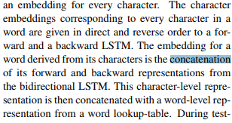
Char merge | Concat
 | Lample et al

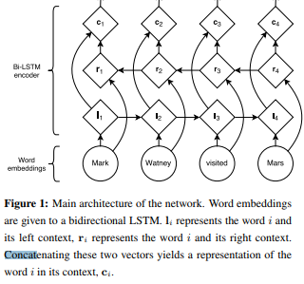
Word merge | Concat
 | Lample et al

Merge layer | Concat |  |  |  |  |  | Concat
 | Zhilin Yang |  |  |  |  |  | Lample et al

Batch size | NONE!!!!! |  | Hell I’ll be using | 8, 16, 32 | That’s it |  | Keras default is 32
 | FUCK THIS SHIT

Epoch | Early stopping patience 10
 | Ji Young Lee
 | MIT

