Sheet1
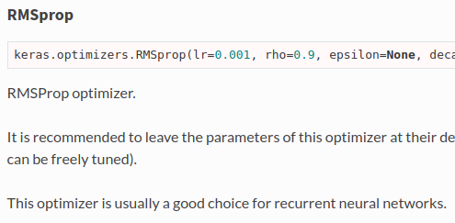
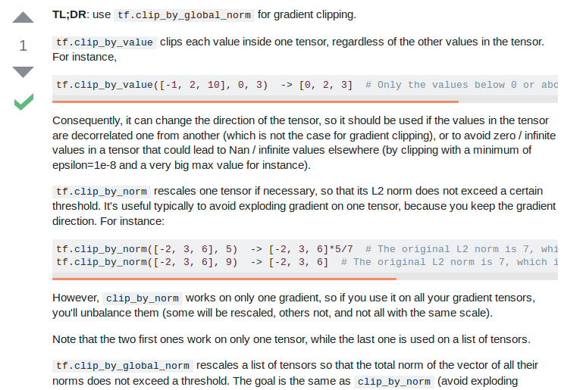
Optimizers | rmsprop |  |  |  |  |  | adagrad | SGD | clipnorm
 |  |  |  |  |  |  |  | Lample et al | vs
 | Keras |  |  |  |  |  | Zhilin Yang |  | clipvalue

 | http://cs231n.github.io/neural-networks-3/#ada
 |  |  |  |  | Zhilin Yang
Learning rate | 0.001 | ← can be freely tuned (said Keras) |  |  | 0.01

Loss function | NO FUCKING CLUE!! |  | categorical_crossentropy
 |  |  | Keras_contrib

Trainable embedding | TRUE

Mask zero | TRUE

Dropout | 0.5 |  |  |  | Embedding prone to overfitting
 | Lample et al |  |  |  | A Theoretically Grounded Application of Dropout in Recurrent Neural Networks

 |  |  |  |  | Yarin Gal | Zoubin Ghahramani

 | https://stackoverflow.com/questions/49458902/does-applying-a-dropout-layer-after-the-embedding-layer-have-the-same-effect-as

Dropout GRU | 0 | Keras default

Recurrent dropout GRU | 0 | Keras default

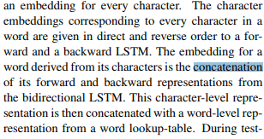
Char merge | Concat
 | Lample et al

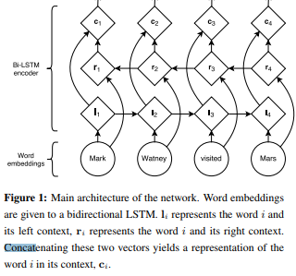
Word merge | Concat
 | Lample et al

Merge layer | Concat |  |  |  |  |  | Concat
 | Zhilin Yang |  |  |  |  |  | Lample et al

Batch size | NONE!!!!! |  | Hell I’ll be using | 8, 16, 32 | That’s it |  | Keras default is 32
 | FUCK THIS SHIT

Epoch | Early stopping patience 10
 | Ji Young Lee
 | MIT

Callback
Chart Title
 | Avg Epoch | Avg F-1 (micro)
1 | 8.3 | 91.29%
2 | 10 | 91.36%
3 | 12.6 | 91.43%
4 | 13.3 | 91.24%

Run at |  | Home
Trial per settings |  | 3
Comments |  | Other than patience, everything was set to default

DropoutGRU
Chart Title
Dropout rate | Avg Epoch | Avg F-1 (micro)
0 | 12 | 91.01%
0.1 | 10.5 | 91.41%
0.2 | 16 | 91.49%
0.3 | 13 | 91.52%
0.4 | 14.5 | 91.57%
0.5 | 18 | 91.63%
0.6 | 19 | 91.53%
0.7 | 16 | 91.13%
0.8 | 18.5 | 90.80%
0.9 | 19.5 | 88.55%

Run at |  | HPC
Trial per settings |  | 2
Comments |  | -

DropoutEmb
Chart Title
Dropout rate | Avg Epoch | Avg F-1 (micro)
0 | 7 | 91.11%
0.1 | 7.5 | 91.15%
0.2 | 9 | 91.12%
0.3 | 9.5 | 91.30%
0.4 | 9.5 | 91.41%
0.5 | 8.5 | 91.24%
0.6 | 14 | 91.25%
0.7 | 12.5 | 90.97%
0.8 | 16 | 90.57%
0.9 | 20 | 89.10%

Run at |  | HPC
Trial per settings |  | 2
Comments |  | Rate 0 until 0.6 numbers are gotten from logEDo.txt, the collected data are below

 |  | 0 | 7 | 0.9111364886
 |  | 0 | 7 | 0.91105189697
 |  | 1 | 8 | 0.9103751639
 |  | 1 | 7 | 0.91265913801
 |  | 2 | 8 | 0.9113902635
 |  | 2 | 10 | 0.91096730533
 |  | 3 | 9 | 0.91342046272
 |  | 3 | 10 | 0.91248995474
 |  | 4 | 10 | 0.91342046272
 |  | 4 | 9 | 0.91477392886
 |  | 5 | 8 | 0.91189781331
 |  | 5 | 9 | 0.91299750455
 |  | 6 | 13 | 0.91274372964
 |  | 6 | 15 | 0.91232077148

Optimizer
 |  |  |  | Rmsprop |  |  | SGD
Optimizer | Epoch | F-1 (Micro) |  | Learning rate | Epoch | F-1 (Micro) | Nesterov | Gradient clipping | Epoch | F-1 (Micro)
Adam | 8 | 91.48% |  | 0.0005 | 19 | 91.35% | FALSE | FALSE | 0 | 78.59%
Adagrad | 13.5 | 91.67% |  | 0.001 | 10 | 91.36% | TRUE | FALSE | 0 | 77.86%
Rmsprop | 10 | 91.36% |  | 0.002 | 7 | 91.24% | FALSE | TRUE | 0 | 78.05%
SGD | 30 | 78.59% |  | 0.005 | 4 | 91.34% | TRUE | TRUE | 0 | 77.90%

Run at |  | Dukun
Trial per settings |  | 2
Comments |  | Time/epoch for every optimizer is the same, around 320s

Chart Title

adam | 8 | 0.91595821173
adam | 8 | 0.91358964598
adagrad | 12 | 0.91646576154
adagrad | 15 | 0.91697331134
<keras.optimizers.SGD object at 0x7fbc5f11d9d0> | 0 | 0.78594087045
<keras.optimizers.SGD object at 0x7ff58001d9d0> | 0 | 0.7785813983
<keras.optimizers.SGD object at 0x7f9cc5b1d9d0> | 0 | 0.78052700588
<keras.optimizers.SGD object at 0x7fb0e25dd9d0> | 0 | 0.77900435647
<keras.optimizers.RMSprop object at 0x7f968781d9d0> | 17 | 0.91401260415 | 19 | 0.91346275853
<keras.optimizers.RMSprop object at 0x7f471a41d9d0> | 21 | 0.91291291291
<keras.optimizers.RMSprop object at 0x7fab7d75d9d0> | 6 | 0.91274372965 | 7 | 0.91236306729
<keras.optimizers.RMSprop object at 0x7fe03bb5d9d0> | 8 | 0.91198240494
<keras.optimizers.RMSprop object at 0x7f3bac11d9d0> | 4 | 0.91384342089 | 4 | 0.91342046272
<keras.optimizers.RMSprop object at 0x7f99781dd9d0> | 4 | 0.91299750455

Loss
Chart Title
Loss | Epoch | F-1 (Micro)
categorical_crossentropy | 12 | 91.47%
categorical_hinge | 21.5 | 90.89%
binary_crossentropy | 10.5 | 91.49%
kullback_leibler_divergence | 14.5 | 91.55%
poisson | 14 | 91.60%
cosine_proximity | 18 | 91.42%
logcosh | 17.5 | 91.42%
mean_squared_error | 16.5 | 91.42%
mean_squared_logarithmic_error | 16 | 91.41%
squared_hinge | 21 | 87.42%

Run at |  | Dukun
Trial per settings |  | 2
Comments |  | Optimizer using adagrad

